BO99L
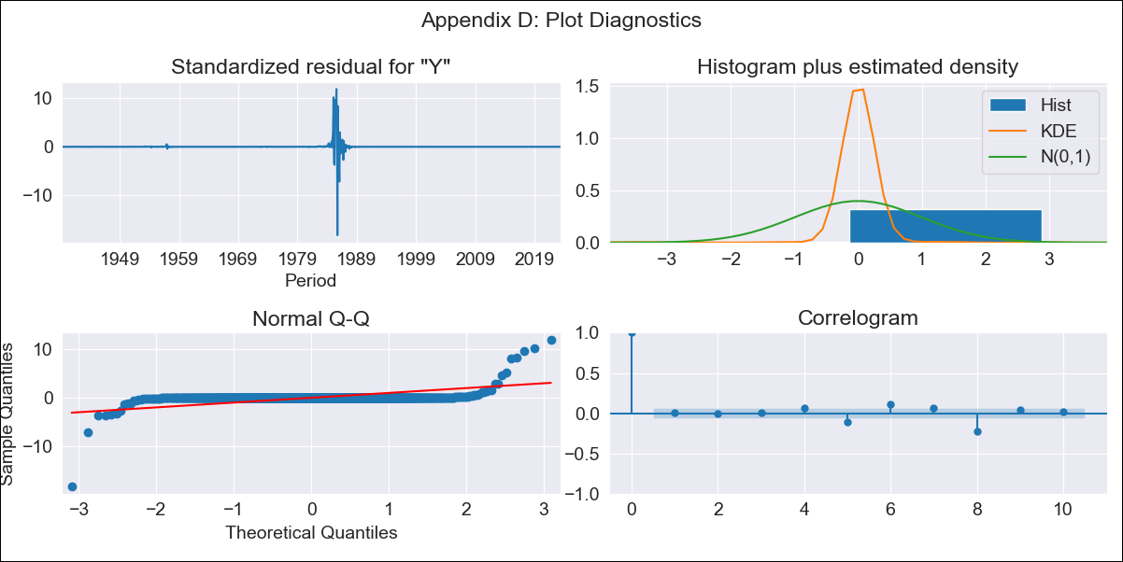
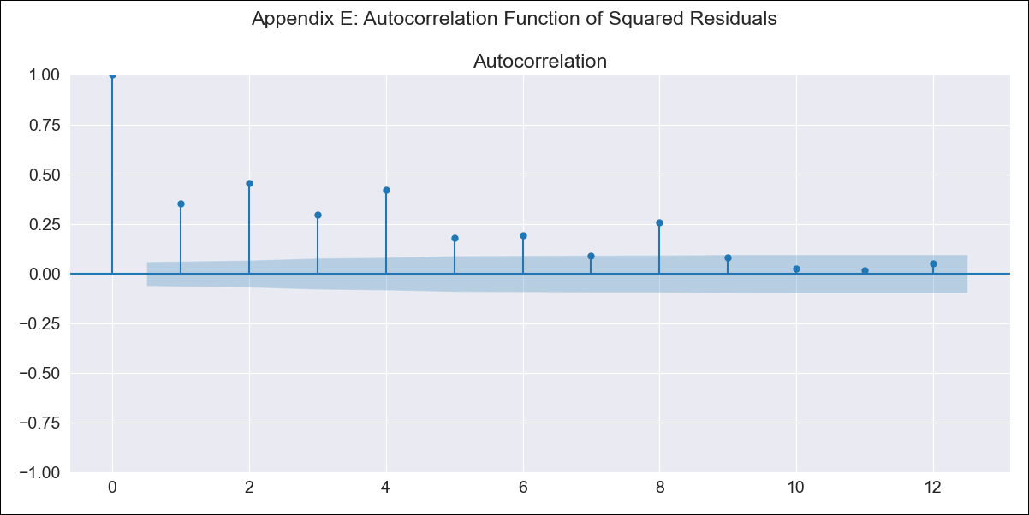
BO99L - Inflation - Next 12 months forecast as of: 2023-06-01

Model | SARIMAX - [(3, 0, 2), (0, 0, 1, 12)] | Exogenous Variables | Exchange rates (nominal), Monetary Policiy rate, M1 money supply ($mm local currency)
Training Data | 1938-01-01 to 2022-07-01
Test Data | 2022-07-01 to 2023-06-01

Date | Inflation Change YoY % | Lower Bound - 95% Confidence Interval | Upper Bound - 95% Confidence Interval
2023-07-01 | 2.3 | -803.94 | 808.54
2023-08-01 | 2.05 | -1418.21 | 1422.32
2023-09-01 | 1.07 | -1855.79 | 1857.92
2023-10-01 | 0.72 | -2099.76 | 2101.19
2023-11-01 | 0.58 | -2232.05 | 2233.21
2023-12-01 | 0.84 | -2321.85 | 2323.52
2024-01-01 | 0.46 | -2401.43 | 2402.34
2024-02-01 | 1.06 | -2474.51 | 2476.63
2024-03-01 | 1.27 | -2537.48 | 2540.01
2024-04-01 | 1.22 | -2587.22 | 2589.66
2024-05-01 | 1.12 | -2625.49 | 2627.74
2024-06-01 | 1.09 | -2655.83 | 2658

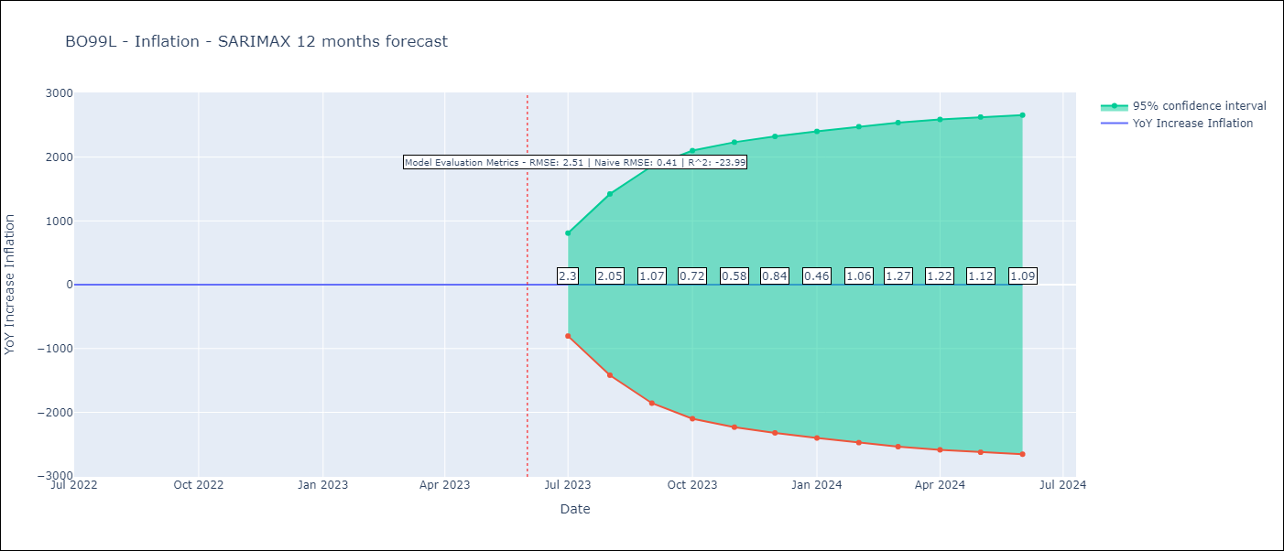

Test Metrics
RMSE | 2.51
Naive RMSE | 0.41
R^2 | -23.99

Test Predictions
Date | Predicted | Actual
2022-07-01 | 1.47 | 2.04
2022-08-01 | 1.34 | 1.55
2022-09-01 | 0.26 | 1.89
2022-10-01 | -0.03 | 2.89
2022-11-01 | -0.28 | 3.17
2022-12-01 | -0.18 | 3.12
2023-01-01 | -0.24 | 3.14
2023-02-01 | 0.29 | 2.57
2023-03-01 | 0.54 | 2.53
2023-04-01 | 0.34 | 2.7
2023-05-01 | 0.07 | 2.9
2023-06-01 | 0.11 | 2.73

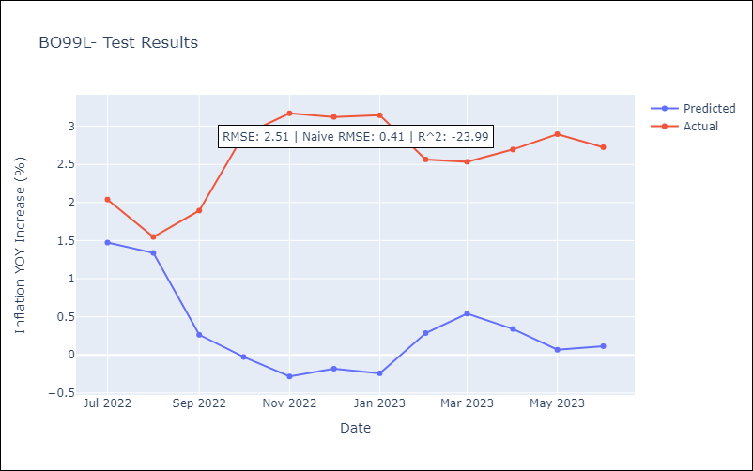

Appendix A: Model Summary
Model | SARIMAX(3, 0, 2)x(0, 0, [1], 12)
Sample | 01-01-1938- 06-01-2023
No. of Observations | 1026
Terms | P-value (Statistical significance)
Exchange rates (nominal) | 1.000
Monetary Policiy rate | 1.000
M1 money supply ($mm local currency) | 1.000
ar.L1 | 0.000
ar.L2 | 0.000
ar.L3 | 0.000
ma.L1 | 0.000
ma.L2 | 0.000
ma.S.L12 | 0.000
sigma2 | 0.000
Assumptions | P-value | Interpretation
Ljung-Box (L1) | 0.82 | Residuals are independent.
Heteroskedasticity | 0.00 | Residuals have different variances.
Jarque-Bera | 0.00 | Residuals are not normally distributed.
Skew | -1.59 | Negative skew - Model overestimates the mean.
Kurtosis | 166.41 | Residuals contain more extreme outliers than in a normal distribution.

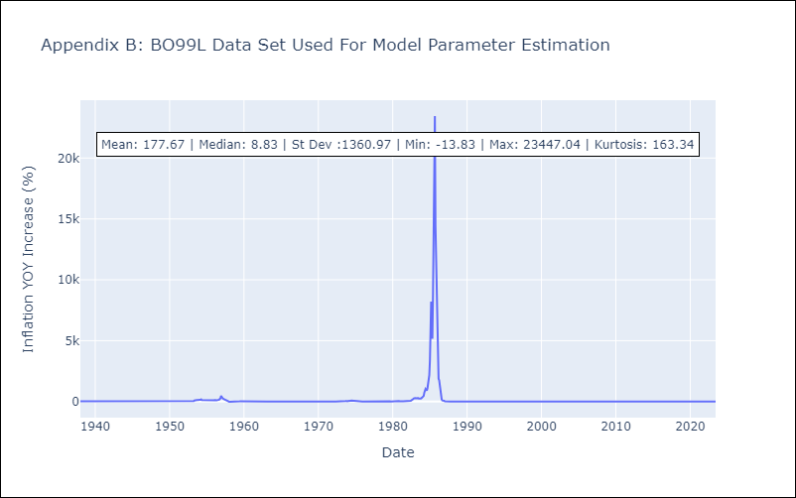

Appendix C: Residuals Analysis
Mean | 13.05
Variance | 165363.15
White Noise? | No - Correlation at Lags [ 5 6 7 8 9 10 11 12]
Heteroskedastic? - ARCH | Yes
Normal? | No

