BOL_x
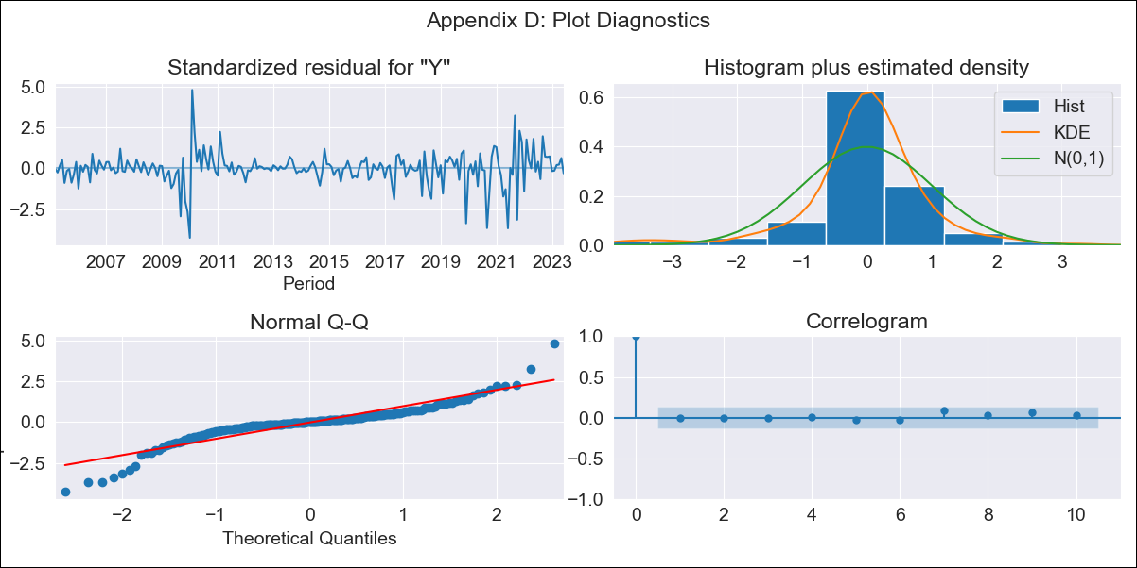

BOL_x - Inflation - Next 12 months forecast as of: 2023-06-01

Model | SARIMAX - [(3, 1, 1), (0, 0, 1, 12)] | Exogenous Variables | Exchange rates (nominal), Monetary Policiy rate, M1 money supply ($mm local currency)
Training Data | 2003-12-01 to 2022-07-01
Test Data | 2022-07-01 to 2023-06-01

Date | Inflation Change YoY % | Lower Bound - 95% Confidence Interval | Upper Bound - 95% Confidence Interval
2023-07-01 | 2.71 | 0.46 | 1.53
2023-08-01 | 2.8 | 0.25 | 1.81
2023-09-01 | 2.24 | -0.18 | 1.8
2023-10-01 | 2.11 | -0.35 | 1.85
2023-11-01 | 1.93 | -0.54 | 1.86
2023-12-01 | 1.95 | -0.62 | 1.95
2024-01-01 | 1.94 | -0.72 | 2.05
2024-02-01 | 2.2 | -0.68 | 2.26
2024-03-01 | 2.26 | -0.74 | 2.37
2024-04-01 | 2.2 | -0.84 | 2.42
2024-05-01 | 2.08 | -0.97 | 2.43
2024-06-01 | 2.15 | -1 | 2.54

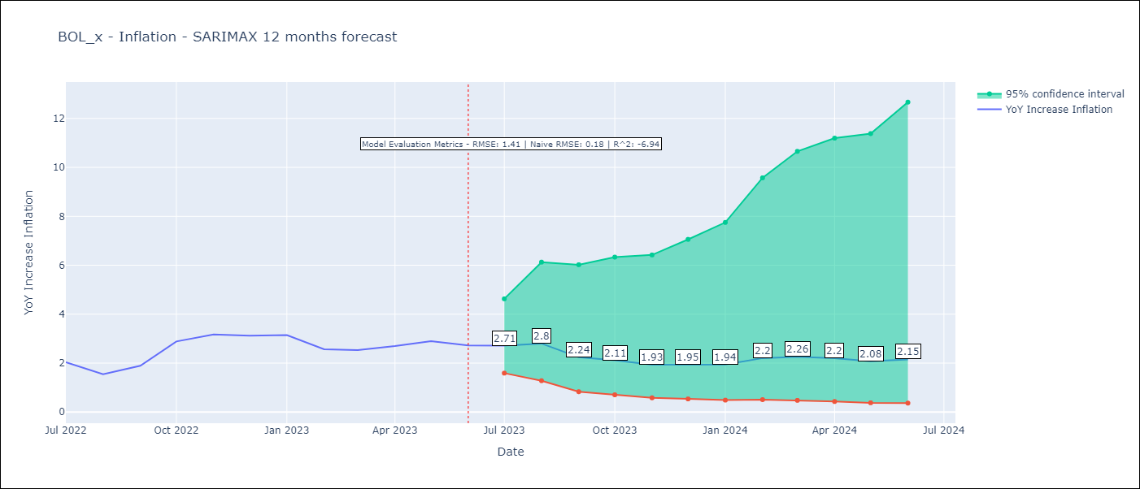

Test Metrics
RMSE | 1.41
Naive RMSE | 0.18
R^2 | -6.94

Test Predictions
Date | Predicted | Actual
2022-07-01 | 1.83 | 2.04
2022-08-01 | 1.65 | 1.55
2022-09-01 | 1.1 | 1.89
2022-10-01 | 1.26 | 2.89
2022-11-01 | 1.18 | 3.17
2022-12-01 | 1.18 | 3.12
2023-01-01 | 1.2 | 3.14
2023-02-01 | 1.39 | 2.57
2023-03-01 | 1.43 | 2.53
2023-04-01 | 1.44 | 2.7
2023-05-01 | 1.27 | 2.9
2023-06-01 | 1.24 | 2.73

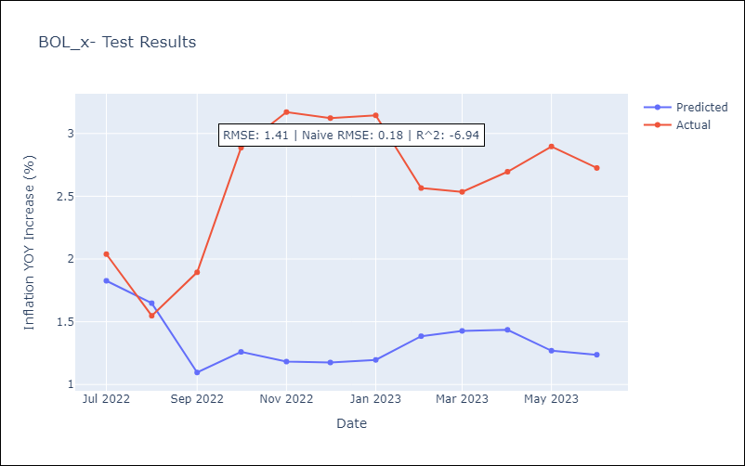

Appendix A: Model Summary
Model | SARIMAX(3, 1, 1)x(0, 0, 1, 12)
Sample | 12-01-2003- 06-01-2023
No. of Observations | 235
Terms | P-value (Statistical significance)
Exchange rates (nominal) | 0.533
Monetary Policiy rate | 0.000
M1 money supply ($mm local currency) | 0.317
ar.L1 | 0.531
ar.L2 | 0.087
ar.L3 | 0.000
ma.L1 | 0.383
ma.S.L12 | 0.000
sigma2 | 0.000
Assumptions | P-value | Interpretation
Ljung-Box (L1) | 0.97 | Residuals are independent.
Heteroskedasticity | 0.31 | Residuals have the same variance.
Jarque-Bera | 0.00 | Residuals are not normally distributed.
Skew | -0.46 | Negative skew - Model overestimates the mean.
Kurtosis | 8.67 | Residuals contain more extreme outliers than in a normal distribution.

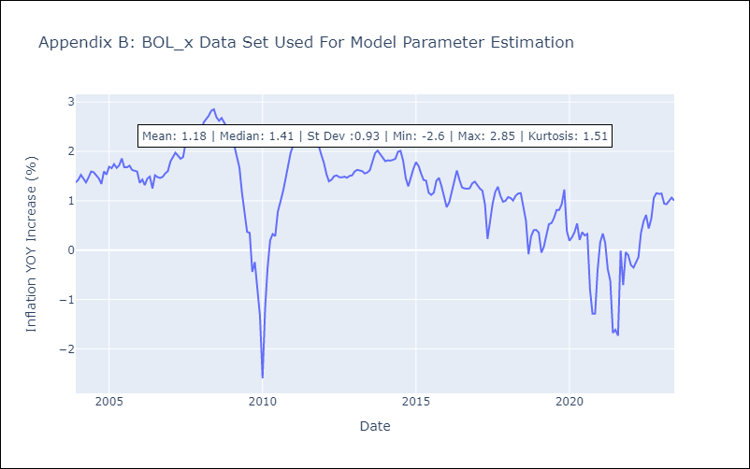

Appendix C: Residuals Analysis
Mean | 0.0
Variance | 0.08
White Noise? | Yes
Heteroskedastic? - ARCH | Yes
Normal? | No

