BOL_22222
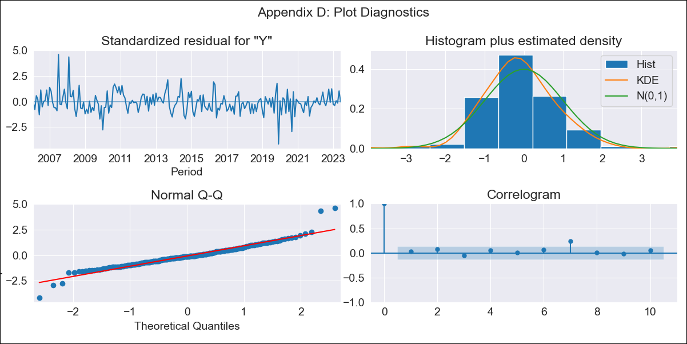

BOL_22222 - Inflation - Next 12 months forecast as of: 2023-06-01

Model | SARIMAX - [(1, 1, 1), (2, 0, 1, 12)] | Exogenous Variables | Exchange rates (nominal), Monetary Policiy rate, M1 money supply ($mm local currency)
Training Data | 2003-12-01 to 2022-07-01
Test Data | 2022-07-01 to 2023-06-01

Date | Inflation Change YoY % | Lower Bound - 95% Confidence Interval | Upper Bound - 95% Confidence Interval
2023-07-01 | 3.2 | 2.29 | 4.11
2023-08-01 | 3.41 | 2.01 | 4.8
2023-09-01 | 2.92 | 1.19 | 4.66
2023-10-01 | 2.39 | 0.37 | 4.41
2023-11-01 | 2.07 | -0.2 | 4.34
2023-12-01 | 1.85 | -0.64 | 4.35
2024-01-01 | 1.85 | -0.85 | 4.55
2024-02-01 | 2.19 | -0.7 | 5.09
2024-03-01 | 2.18 | -0.9 | 5.25
2024-04-01 | 2.17 | -1.07 | 5.41
2024-05-01 | 1.64 | -1.77 | 5.04
2024-06-01 | 1.56 | -2 | 5.11

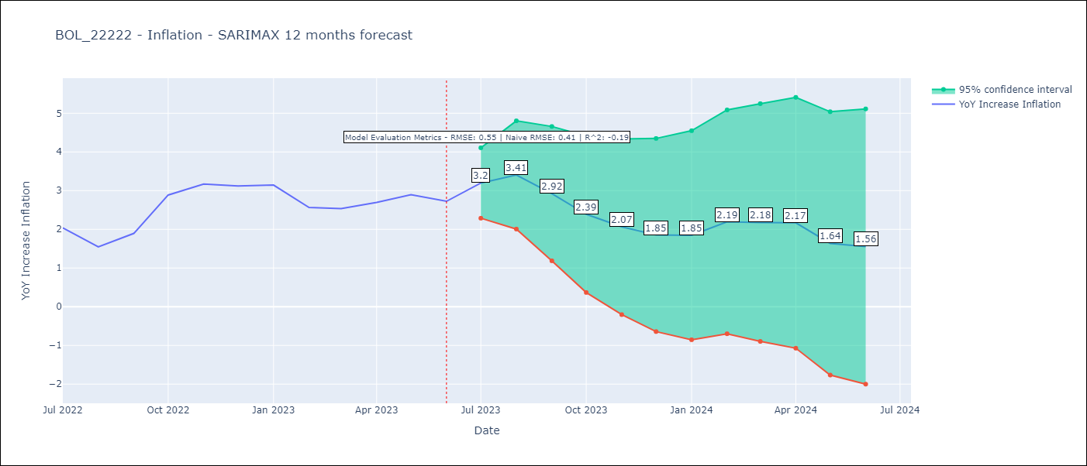

Test Metrics
RMSE | 0.55
Naive RMSE | 0.41
R^2 | -0.19

Test Predictions
Date | Predicted | Actual
2022-07-01 | 2.11 | 2.04
2022-08-01 | 1.94 | 1.55
2022-09-01 | 2.08 | 1.89
2022-10-01 | 2.51 | 2.89
2022-11-01 | 2.82 | 3.17
2022-12-01 | 2.26 | 3.12
2023-01-01 | 2.26 | 3.14
2023-02-01 | 2.23 | 2.57
2023-03-01 | 2.46 | 2.53
2023-04-01 | 2.46 | 2.7
2023-05-01 | 2.18 | 2.9
2023-06-01 | 1.77 | 2.73

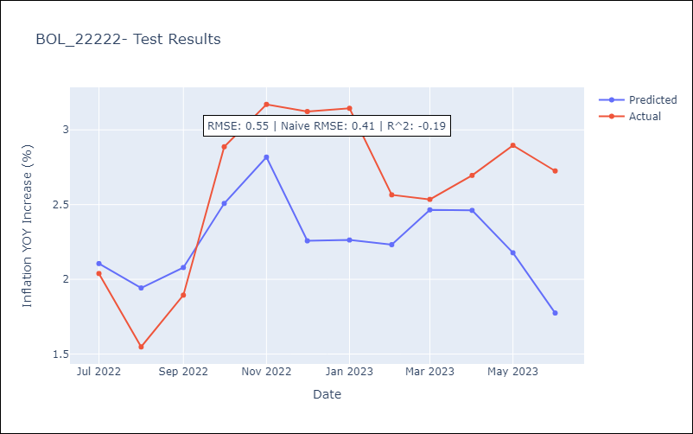

Appendix A: Model Summary
Model | SARIMAX(1, 1, 1)x(2, 0, 1, 12)
Sample | 12-01-2003- 06-01-2023
No. of Observations | 235
Terms | P-value (Statistical significance)
Exchange rates (nominal) | 0.000
Monetary Policiy rate | 0.108
M1 money supply ($mm local currency) | 0.005
ar.L1 | 0.416
ma.L1 | 0.144
ar.S.L12 | 0.000
ar.S.L24 | 0.000
ma.S.L12 | 0.000
sigma2 | 0.000
Assumptions | P-value | Interpretation
Ljung-Box (L1) | 0.61 | Residuals are independent.
Heteroskedasticity | 0.07 | Residuals have the same variance.
Jarque-Bera | 0.00 | Residuals are not normally distributed.
Skew | 0.57 | Positive skew - model underestimates the mean.
Kurtosis | 7.25 | Residuals contain more extreme outliers than in a normal distribution.

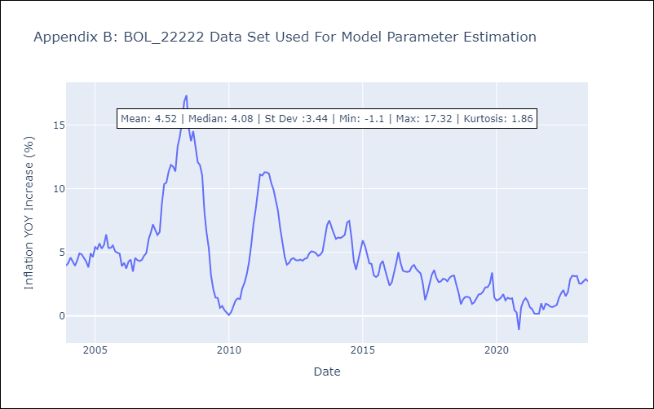

Appendix C: Residuals Analysis
Mean | -0.01
Variance | 0.41
White Noise? | Yes
Heteroskedastic? - ARCH | No
Normal? | No

