BOL_new_exog1
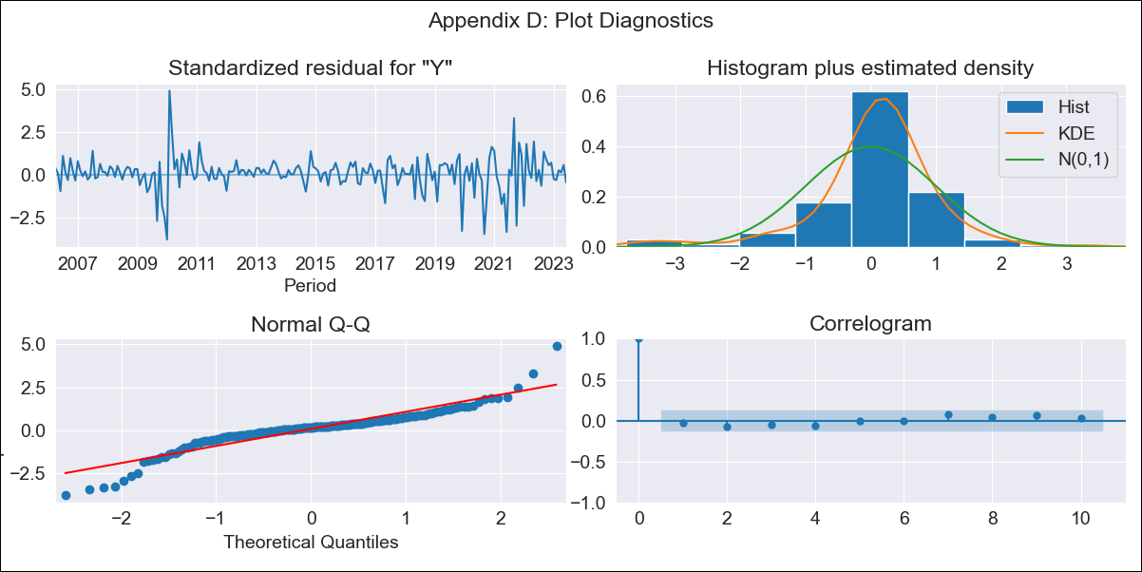

BOL_new_exog1 - Inflation - Next 12 months forecast as of: 2023-06-01

Model | SARIMAX - [(2, 0, 3), (0, 0, 2, 12)] | Exogenous Variables | Exchange rates (nominal), Monetary Policiy rate, M1 money supply ($mm local currency)
Training Data | 2003-12-01 to 2022-07-01
Test Data | 2022-07-01 to 2023-06-01

Date | Inflation Change YoY % | Lower Bound - 95% Confidence Interval | Upper Bound - 95% Confidence Interval
2023-07-01 | 2.67 | 0.44 | 1.53
2023-08-01 | 2.69 | 0.17 | 1.8
2023-09-01 | 2.02 | -0.35 | 1.76
2023-10-01 | 1.95 | -0.52 | 1.86
2023-11-01 | 1.71 | -0.8 | 1.87
2023-12-01 | 1.68 | -0.92 | 1.96
2024-01-01 | 1.62 | -1.06 | 2.03
2024-02-01 | 1.82 | -1.04 | 2.23
2024-03-01 | 1.86 | -1.1 | 2.34
2024-04-01 | 1.85 | -1.18 | 2.41
2024-05-01 | 1.72 | -1.32 | 2.4
2024-06-01 | 1.76 | -1.36 | 2.49

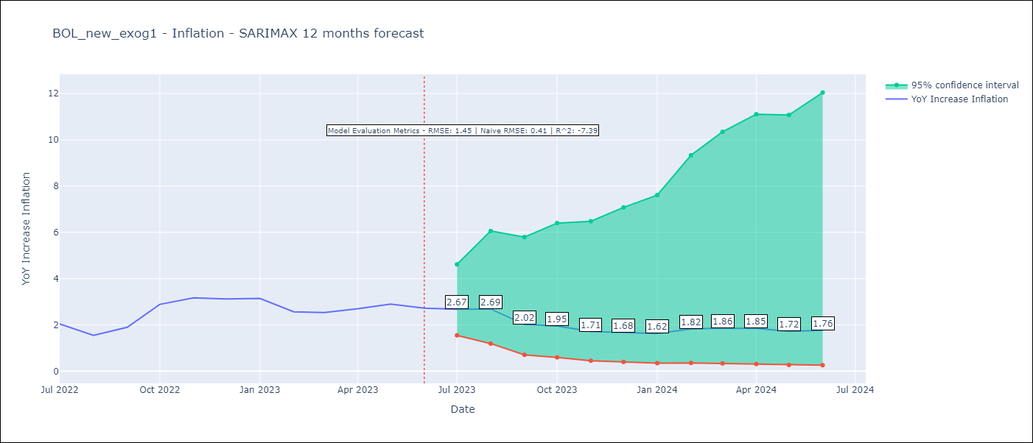

Test Metrics
RMSE | 1.45
Naive RMSE | 0.41
R^2 | -7.39

Test Predictions
Date | Predicted | Actual
2022-07-01 | 1.88 | 2.04
2022-08-01 | 1.71 | 1.55
2022-09-01 | 1.27 | 1.89
2022-10-01 | 1.21 | 2.89
2022-11-01 | 1.08 | 3.17
2022-12-01 | 1.14 | 3.12
2023-01-01 | 1.18 | 3.14
2023-02-01 | 1.36 | 2.57
2023-03-01 | 1.41 | 2.53
2023-04-01 | 1.36 | 2.7
2023-05-01 | 1.25 | 2.9
2023-06-01 | 1.08 | 2.73

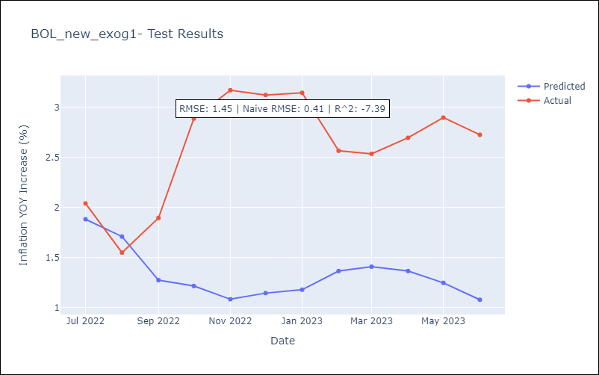

Appendix A: Model Summary
Model | SARIMAX(2, 0, 3)x(0, 0, [1, 2], 12)
Sample | 12-01-2003- 06-01-2023
No. of Observations | 235
Terms | P-value (Statistical significance)
Exchange rates (nominal) | 0.689
Monetary Policiy rate | 0.000
M1 money supply ($mm local currency) | 0.141
ar.L1 | 0.053
ar.L2 | 0.000
ma.L1 | 0.000
ma.L2 | 0.002
ma.L3 | 0.198
ma.S.L12 | 0.000
ma.S.L24 | 0.382
sigma2 | 0.000
Assumptions | P-value | Interpretation
Ljung-Box (L1) | 0.73 | Residuals are independent.
Heteroskedasticity | 0.31 | Residuals have the same variance.
Jarque-Bera | 0.00 | Residuals are not normally distributed.
Skew | -0.42 | Negative skew - Model overestimates the mean.
Kurtosis | 8.24 | Residuals contain more extreme outliers than in a normal distribution.

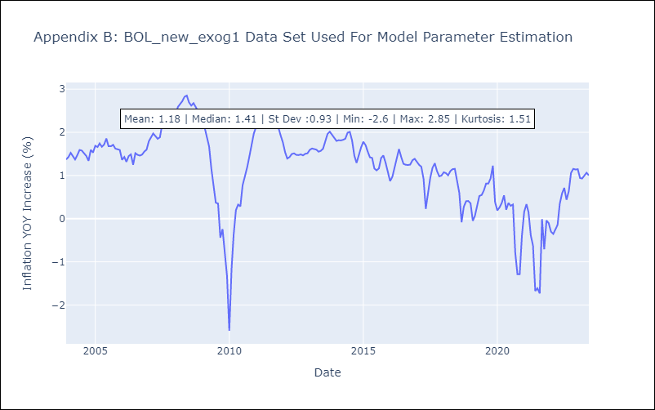

Appendix C: Residuals Analysis
Mean | 0.03
Variance | 0.08
White Noise? | Yes
Heteroskedastic? - ARCH | Yes
Normal? | No

