PER-NOR
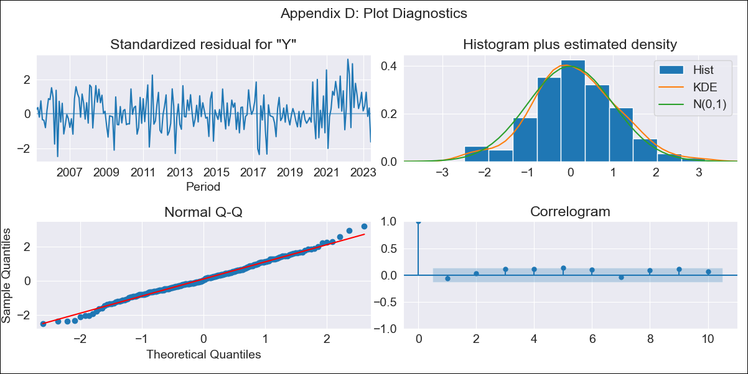

PER-NOR - Inflation - Next 12 months forecast as of: 2023-06-01

Model | SARIMAX - [(0, 1, 2), (3, 0, 1, 12)] | Exogenous Variables | Exchange rates (nominal), Monetary Policiy rate, M1 money supply ($mm local currency)
Training Data | 2002-02-01 to 2022-07-01
Test Data | 2022-07-01 to 2023-06-01

Date | Inflation Change YoY % | Lower Bound - 95% Confidence Interval | Upper Bound - 95% Confidence Interval
2023-07-01 | 6.08 | 5.55 | 6.62
2023-08-01 | 5.42 | 4.48 | 6.37
2023-09-01 | 4.97 | 3.65 | 6.28
2023-10-01 | 4.65 | 3.05 | 6.25
2023-11-01 | 4.46 | 2.62 | 6.3
2023-12-01 | 4.04 | 1.99 | 6.09
2024-01-01 | 3.89 | 1.64 | 6.13
2024-02-01 | 3.62 | 1.2 | 6.05
2024-03-01 | 3.26 | 0.67 | 5.85
2024-04-01 | 3.18 | 0.43 | 5.93
2024-05-01 | 3.06 | 0.17 | 5.95
2024-06-01 | 3.43 | 0.4 | 6.46

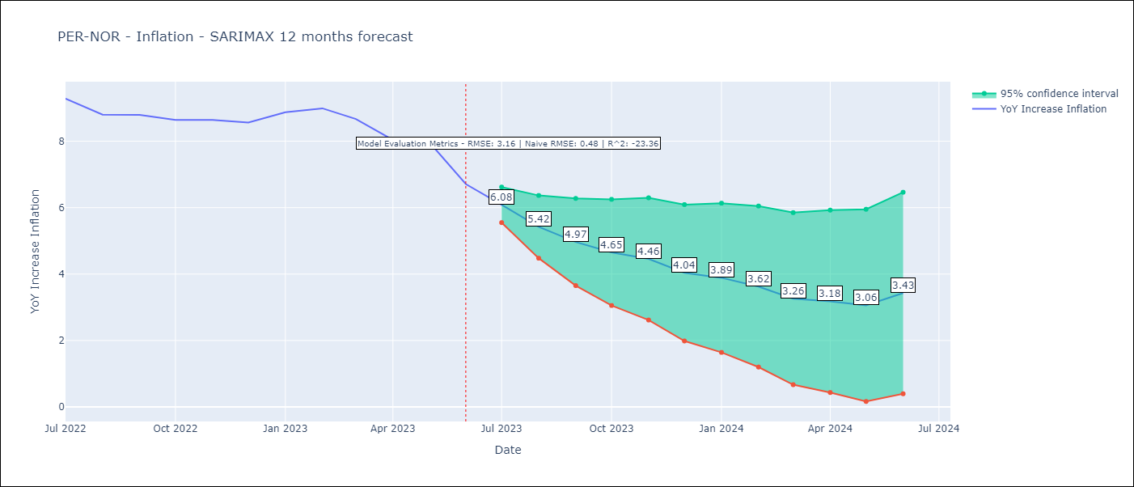

Test Metrics
RMSE | 3.16
Naive RMSE | 0.48
R^2 | -23.36

Test Predictions
Date | Predicted | Actual
2022-07-01 | 9.28 | 9.28
2022-08-01 | 9.24 | 8.8
2022-09-01 | 9.78 | 8.79
2022-10-01 | 10.13 | 8.64
2022-11-01 | 10.67 | 8.64
2022-12-01 | 10.97 | 8.56
2023-01-01 | 11.82 | 8.87
2023-02-01 | 12.51 | 8.99
2023-03-01 | 12.41 | 8.67
2023-04-01 | 12.26 | 8.04
2023-05-01 | 12.64 | 7.99
2023-06-01 | 12.34 | 6.71

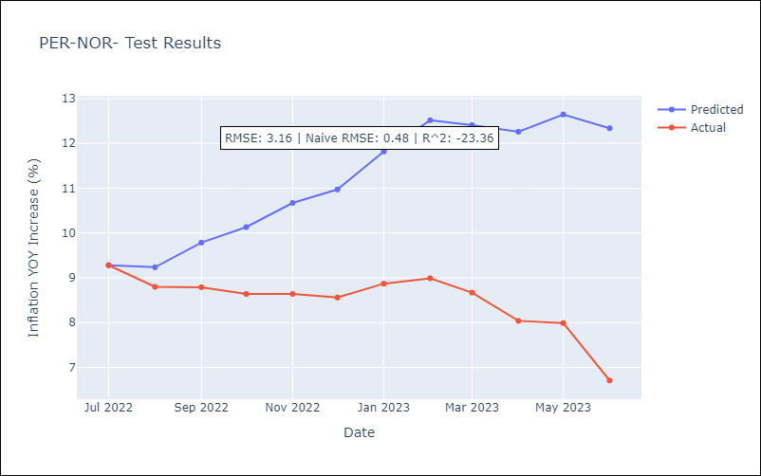

Appendix A: Model Summary
Model | SARIMAX(0, 1, 2)x(3, 0, [1], 12)
Sample | 02-01-2002- 06-01-2023
No. of Observations | 257
Terms | P-value (Statistical significance)
Exchange rates (nominal) | 0.125
Monetary Policiy rate | 0.010
M1 money supply ($mm local currency) | 0.551
ma.L1 | 0.000
ma.L2 | 0.000
ar.S.L12 | 0.000
ar.S.L24 | 0.000
ar.S.L36 | 0.000
ma.S.L12 | 0.114
sigma2 | 0.000
Assumptions | P-value | Interpretation
Ljung-Box (L1) | 0.36 | Residuals are independent.
Heteroskedasticity | 0.08 | Residuals have the same variance.
Jarque-Bera | 0.63 | Residuals are normally distributed.
Skew | 0.08 | Positive skew - model underestimates the mean.
Kurtosis | 3.27 | Residuals contain more extreme outliers than in a normal distribution.

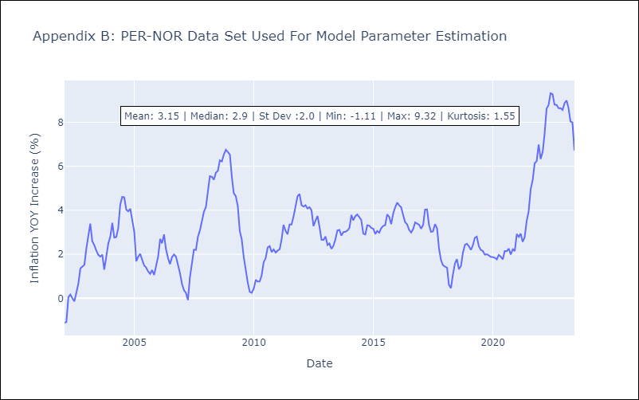

Appendix C: Residuals Analysis
Mean | 0.05
Variance | 0.1
White Noise? | No - Correlation at Lags [ 5 6 7 8 9 10 11 12]
Heteroskedastic? - ARCH | No
Normal? | No

