PER-LOG3
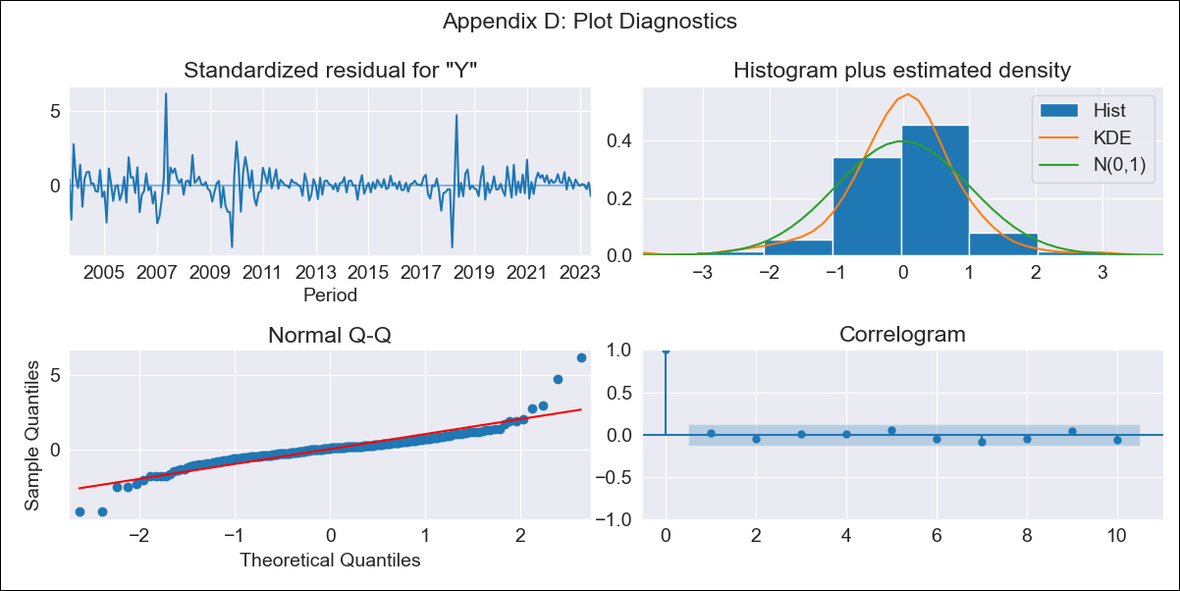

PER-LOG3 - Inflation - Next 12 months forecast as of: 2023-06-01

Model | SARIMAX - [(1, 1, 3), (0, 0, 1, 12)] | Exogenous Variables | Exchange rates (nominal), Monetary Policiy rate, M1 money supply ($mm local currency)
Training Data | 2002-04-01 to 2022-07-01
Test Data | 2022-07-01 to 2023-06-01

Date | Inflation Change YoY % | Lower Bound - 95% Confidence Interval | Upper Bound - 95% Confidence Interval
2023-07-01 | 6.09 | 1.45 | 2.16
2023-08-01 | 5.97 | 1.17 | 2.4
2023-09-01 | 6.05 | 0.98 | 2.62
2023-10-01 | 6.04 | 0.85 | 2.75
2023-11-01 | 6.11 | 0.75 | 2.87
2023-12-01 | 6.1 | 0.65 | 2.96
2024-01-01 | 6.09 | 0.57 | 3.05
2024-02-01 | 6.07 | 0.48 | 3.13
2024-03-01 | 6.13 | 0.41 | 3.21
2024-04-01 | 6.18 | 0.35 | 3.29
2024-05-01 | 6.17 | 0.28 | 3.36
2024-06-01 | 6.47 | 0.26 | 3.48

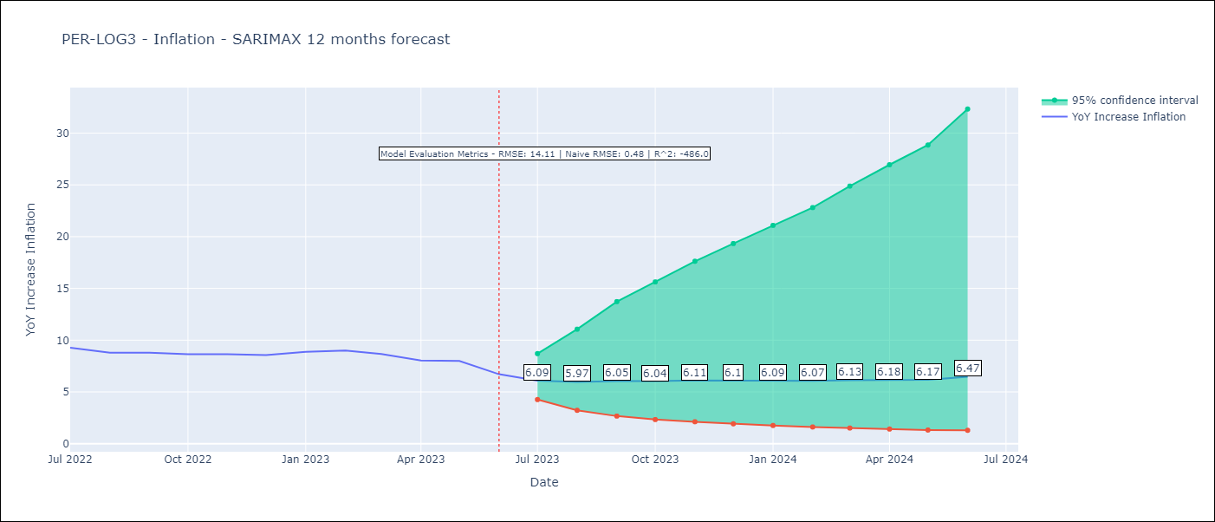

Test Metrics
RMSE | 14.11
Naive RMSE | 0.48
R^2 | -486.0

Test Predictions
Date | Predicted | Actual
2022-07-01 | 10.52 | 9.28
2022-08-01 | 10.84 | 8.8
2022-09-01 | 11.69 | 8.79
2022-10-01 | 13.4 | 8.64
2022-11-01 | 15.01 | 8.64
2022-12-01 | 16.41 | 8.56
2023-01-01 | 19.72 | 8.87
2023-02-01 | 23 | 8.99
2023-03-01 | 25.79 | 8.67
2023-04-01 | 27.7 | 8.04
2023-05-01 | 30.72 | 7.99
2023-06-01 | 33.91 | 6.71

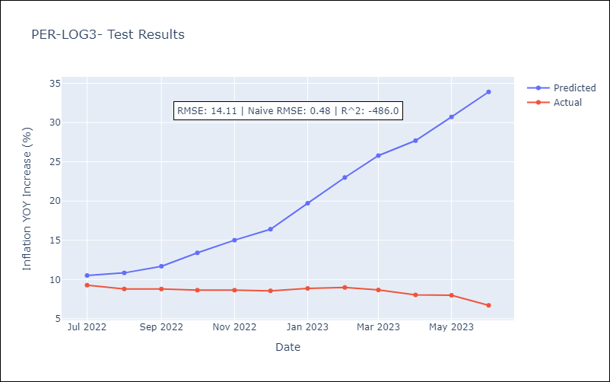

Appendix A: Model Summary
Model | SARIMAX(1, 1, 3)x(0, 0, [1], 12)
Sample | 04-01-2002- 06-01-2023
No. of Observations | 255
Terms | P-value (Statistical significance)
Exchange rates (nominal) | 0.284
Monetary Policiy rate | 0.917
M1 money supply ($mm local currency) | 0.551
ar.L1 | 0.364
ma.L1 | 0.782
ma.L2 | 0.879
ma.L3 | 0.002
ma.S.L12 | 0.000
sigma2 | 0.000
Assumptions | P-value | Interpretation
Ljung-Box (L1) | 0.74 | Residuals are independent.
Heteroskedasticity | 0.00 | Residuals have different variances.
Jarque-Bera | 0.00 | Residuals are not normally distributed.
Skew | 0.73 | Positive skew - model underestimates the mean.
Kurtosis | 12.29 | Residuals contain more extreme outliers than in a normal distribution.

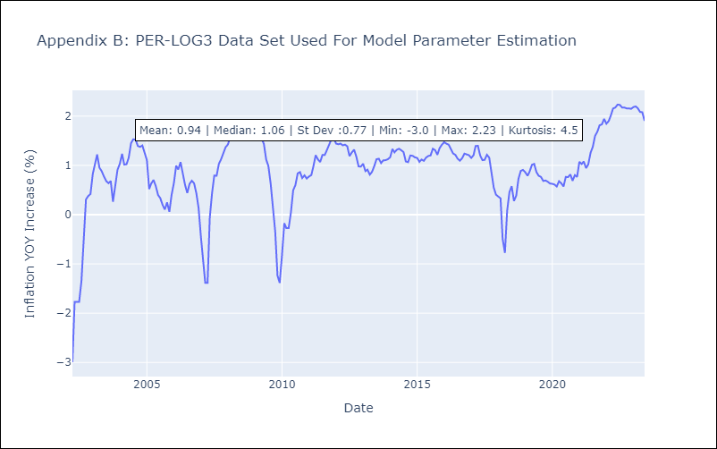

Appendix C: Residuals Analysis
Mean | 0.01
Variance | 0.08
White Noise? | No - Correlation at Lags [ 1 2 3 4 5 6 7 8 9 10]
Heteroskedastic? - ARCH | No
Normal? | No

