COLNEW6
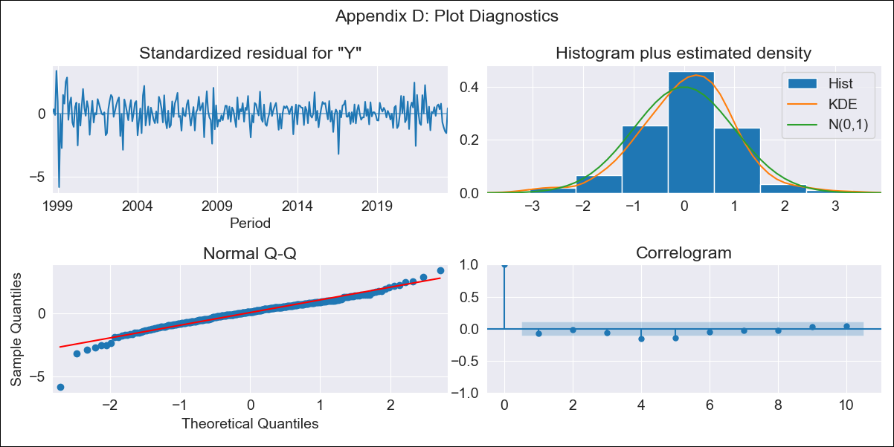

COLNEW6 - Inflation - Next 12 months forecast as of: 2023-06-01

Model | SARIMAX - [(3, 2, 0), (2, 0, 1, 12)] | Exogenous Variables | Exchange rates (nominal), Monetary Policiy rate, M1 money supply ($mm local currency)
Training Data | 1996-04-01 to 2022-07-01
Test Data | 2022-07-01 to 2023-06-01

Date | Inflation Change YoY % | Lower Bound - 95% Confidence Interval | Upper Bound - 95% Confidence Interval
2023-07-01 | 12.04 | 11.47 | 12.61
2023-08-01 | 11.76 | 10.57 | 12.94
2023-09-01 | 11.53 | 9.7 | 13.37
2023-10-01 | 11.13 | 8.64 | 13.62
2023-11-01 | 10.6 | 7.38 | 13.82
2023-12-01 | 10.08 | 6.06 | 14.11
2024-01-01 | 9.41 | 4.51 | 14.31
2024-02-01 | 9.03 | 3.21 | 14.84
2024-03-01 | 8.9 | 2.12 | 15.69
2024-04-01 | 8.99 | 1.19 | 16.79
2024-05-01 | 9.33 | 0.46 | 18.2
2024-06-01 | 9.42 | -0.56 | 19.39

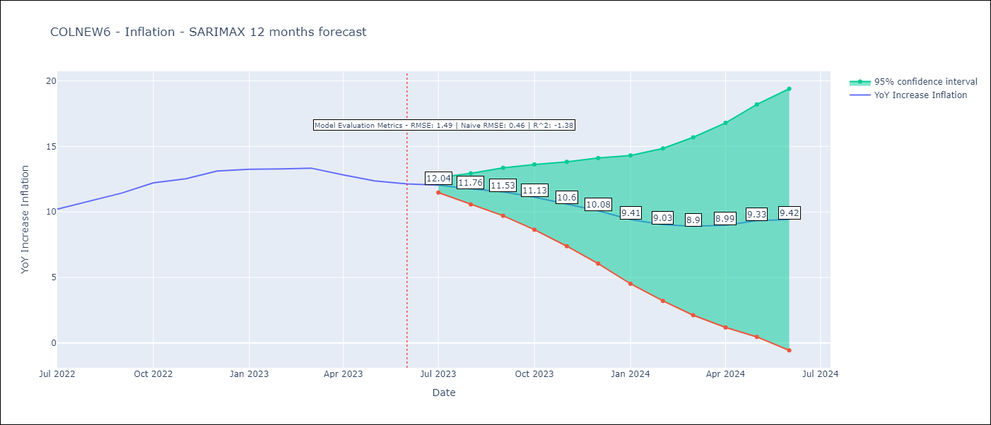

Test Metrics
RMSE | 1.49
Naive RMSE | 0.46
R^2 | -1.38

Test Predictions
Date | Predicted | Actual
2022-07-01 | 10.09 | 10.21
2022-08-01 | 10.45 | 10.84
2022-09-01 | 10.85 | 11.44
2022-10-01 | 11.42 | 12.22
2022-11-01 | 11.58 | 12.53
2022-12-01 | 11.77 | 13.12
2023-01-01 | 11.35 | 13.25
2023-02-01 | 11.01 | 13.28
2023-03-01 | 11.01 | 13.34
2023-04-01 | 10.79 | 12.82
2023-05-01 | 10.8 | 12.36
2023-06-01 | 10.7 | 12.13

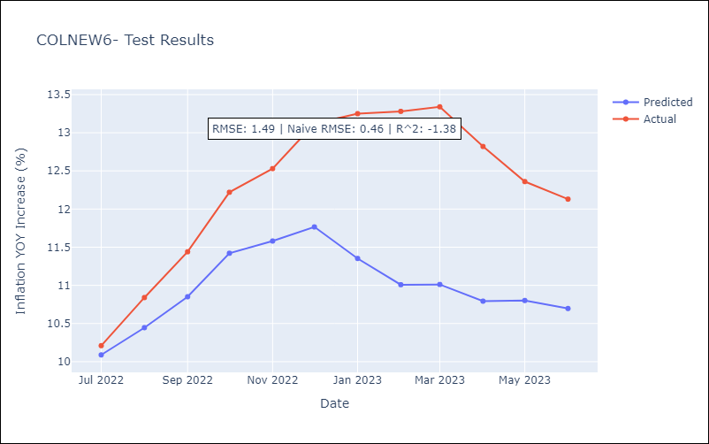

Appendix A: Model Summary
Model | SARIMAX(3, 2, 0)x(2, 0, [1], 12)
Sample | 04-01-1996- 06-01-2023
No. of Observations | 327
Terms | P-value (Statistical significance)
Exchange rates (nominal) | 0.634
Monetary Policiy rate | 0.191
M1 money supply ($mm local currency) | 0.038
ar.L1 | 0.009
ar.L2 | 0.000
ar.L3 | 0.002
ar.S.L12 | 0.017
ar.S.L24 | 0.131
ma.S.L12 | 0.000
sigma2 | 0.000
Assumptions | P-value | Interpretation
Ljung-Box (L1) | 0.19 | Residuals are independent.
Heteroskedasticity | 0.00 | Residuals have different variances.
Jarque-Bera | 0.00 | Residuals are not normally distributed.
Skew | -0.79 | Negative skew - Model overestimates the mean.
Kurtosis | 7.14 | Residuals contain more extreme outliers than in a normal distribution.

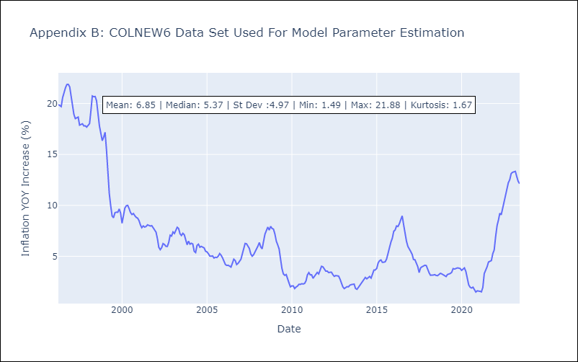

Appendix C: Residuals Analysis
Mean | 0.02
Variance | 1.8
White Noise? | No - Correlation at Lags [ 1 2 3 4 5 6 7 8 9 10 11 12]
Heteroskedastic? - ARCH | Yes
Normal? | No

