COLNEW9
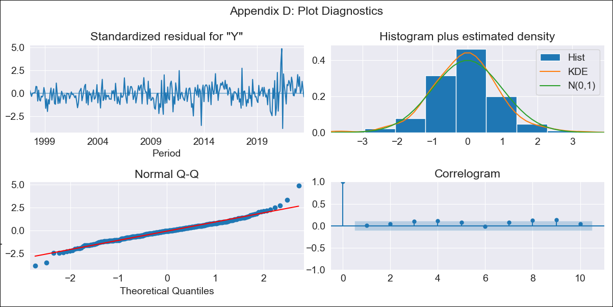
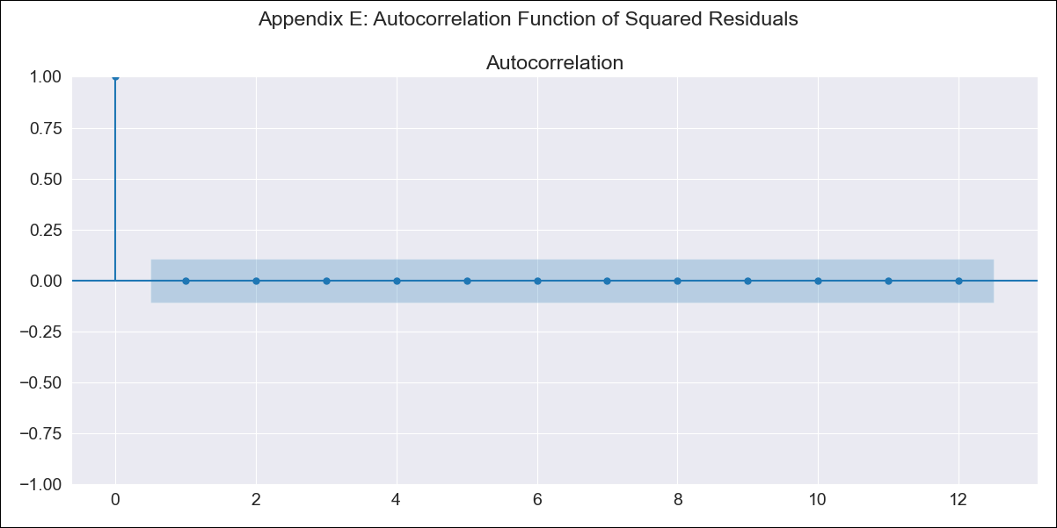
COLNEW9 - Inflation - Next 12 months forecast as of: 2023-06-01

Model | SARIMAX - [(0, 1, 2), (0, 0, 1, 12)] | Exogenous Variables | Exchange rates (nominal), Monetary Policiy rate, M1 money supply ($mm local currency)
Training Data | 1996-04-01 to 2022-07-01
Test Data | 2022-07-01 to 2023-06-01

Date | Inflation Change YoY % | Lower Bound - 95% Confidence Interval | Upper Bound - 95% Confidence Interval
2023-07-01 | 2.5 | 2.38 | 2.62
2023-08-01 | 2.49 | 2.26 | 2.71
2023-09-01 | 2.48 | 2.18 | 2.78
2023-10-01 | 2.44 | 2.07 | 2.8
2023-11-01 | 2.34 | 1.92 | 2.76
2023-12-01 | 2.27 | 1.8 | 2.73
2024-01-01 | 2.17 | 1.66 | 2.68
2024-02-01 | 2.13 | 1.58 | 2.68
2024-03-01 | 2.12 | 1.53 | 2.7
2024-04-01 | 2.06 | 1.44 | 2.68
2024-05-01 | 2.01 | 1.36 | 2.66
2024-06-01 | 2.01 | 1.32 | 2.69

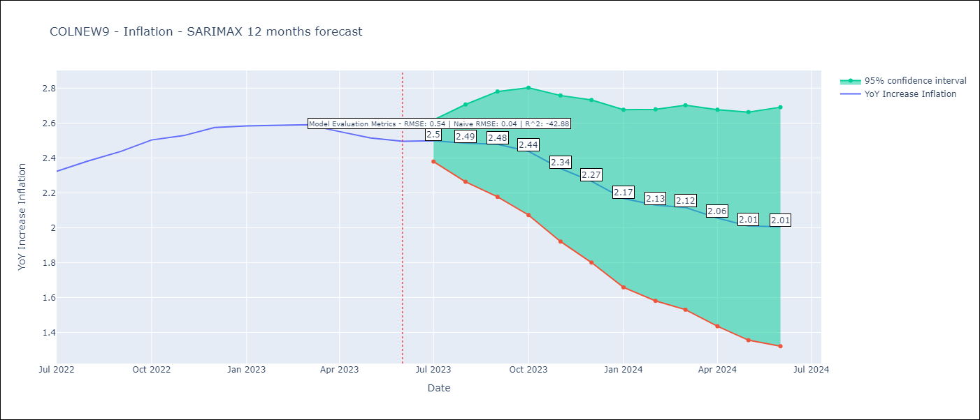

Test Metrics
RMSE | 0.54
Naive RMSE | 0.04
R^2 | -42.88

Test Predictions
Date | Predicted | Actual
2022-07-01 | 2.28 | 2.32
2022-08-01 | 2.28 | 2.38
2022-09-01 | 2.28 | 2.44
2022-10-01 | 2.31 | 2.5
2022-11-01 | 2.28 | 2.53
2022-12-01 | 2.22 | 2.57
2023-01-01 | 2.09 | 2.58
2023-02-01 | 2 | 2.59
2023-03-01 | 1.94 | 2.59
2023-04-01 | 1.79 | 2.55
2023-05-01 | 1.63 | 2.51
2023-06-01 | 1.56 | 2.5

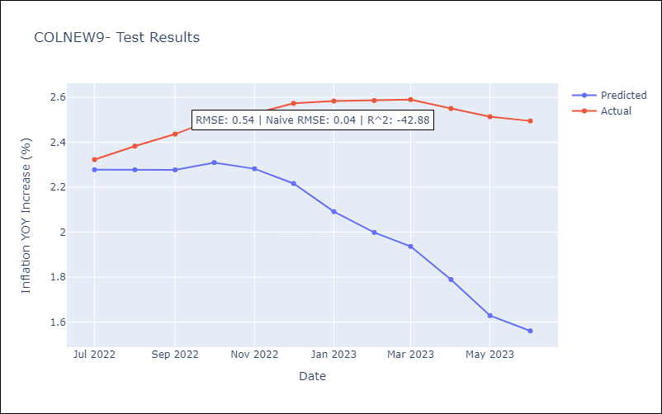

Appendix A: Model Summary
Model | SARIMAX(0, 1, 2)x(0, 0, [1], 12)
Sample | 04-01-1996- 06-01-2023
No. of Observations | 327
Terms | P-value (Statistical significance)
Exchange rates (nominal) | 0.883
Monetary Policiy rate | 0.000
M1 money supply ($mm local currency) | 0.161
ma.L1 | 0.000
ma.L2 | 0.001
ma.S.L12 | 0.000
sigma2 | 0.000
Assumptions | P-value | Interpretation
Ljung-Box (L1) | 0.90 | Residuals are independent.
Heteroskedasticity | 0.00 | Residuals have different variances.
Jarque-Bera | 0.00 | Residuals are not normally distributed.
Skew | 0.25 | Positive skew - model underestimates the mean.
Kurtosis | 5.60 | Residuals contain more extreme outliers than in a normal distribution.

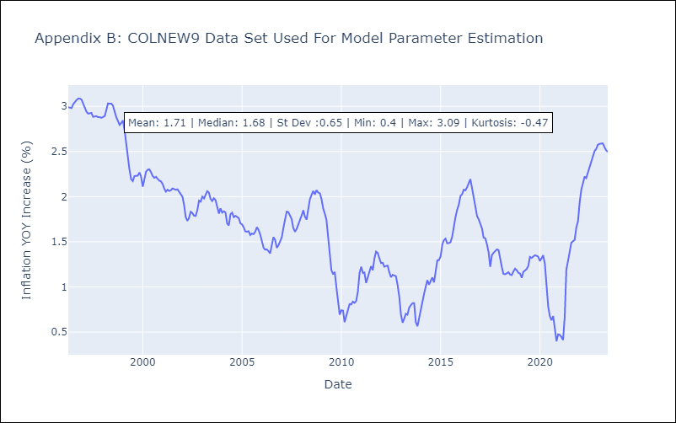

Appendix C: Residuals Analysis
Mean | 0.01
Variance | 0.03
White Noise? | Yes
Heteroskedastic? - ARCH | Yes
Normal? | No

