COLNEW10
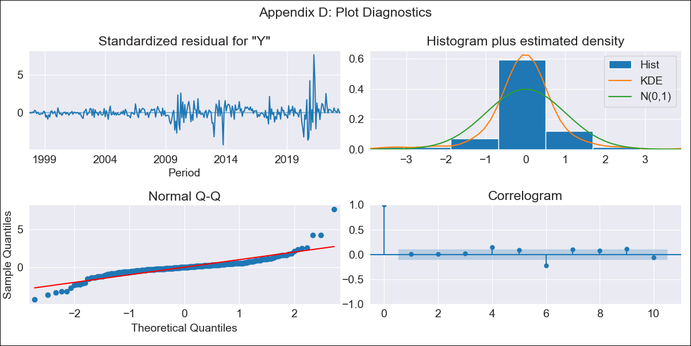

COLNEW10 - Inflation - Next 12 months forecast as of: 2023-06-01

Model | ARIMA - [(0, 1, 3), (0, 0, 1, 12)]
Training Data | 1996-04-01 to 2022-07-01
Test Data | 2022-07-01 to 2023-06-01

Date | Inflation Change YoY % | Lower Bound - 95% Confidence Interval | Upper Bound - 95% Confidence Interval
2023-07-01 | 0.9 | 0.77 | 1.03
2023-08-01 | 0.89 | 0.66 | 1.13
2023-09-01 | 0.88 | 0.58 | 1.19
2023-10-01 | 0.88 | 0.51 | 1.24
2023-11-01 | 0.88 | 0.46 | 1.29
2023-12-01 | 0.86 | 0.4 | 1.32
2024-01-01 | 0.85 | 0.35 | 1.36
2024-02-01 | 0.85 | 0.31 | 1.39
2024-03-01 | 0.85 | 0.27 | 1.42
2024-04-01 | 0.84 | 0.23 | 1.45
2024-05-01 | 0.83 | 0.19 | 1.47
2024-06-01 | 0.83 | 0.16 | 1.5

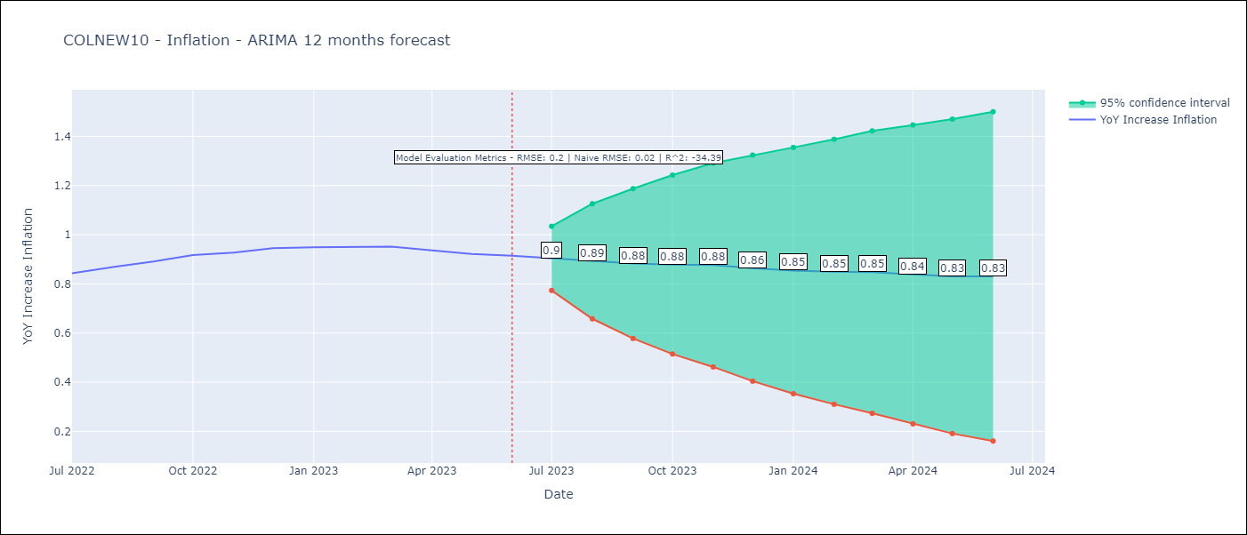

Test Metrics
RMSE | 0.2
Naive RMSE | 0.02
R^2 | -34.39

Test Predictions
Date | Predicted | Actual
2022-07-01 | 0.81 | 0.84
2022-08-01 | 0.8 | 0.87
2022-09-01 | 0.79 | 0.89
2022-10-01 | 0.8 | 0.92
2022-11-01 | 0.81 | 0.93
2022-12-01 | 0.78 | 0.95
2023-01-01 | 0.74 | 0.95
2023-02-01 | 0.73 | 0.95
2023-03-01 | 0.72 | 0.95
2023-04-01 | 0.67 | 0.94
2023-05-01 | 0.62 | 0.92
2023-06-01 | 0.62 | 0.91

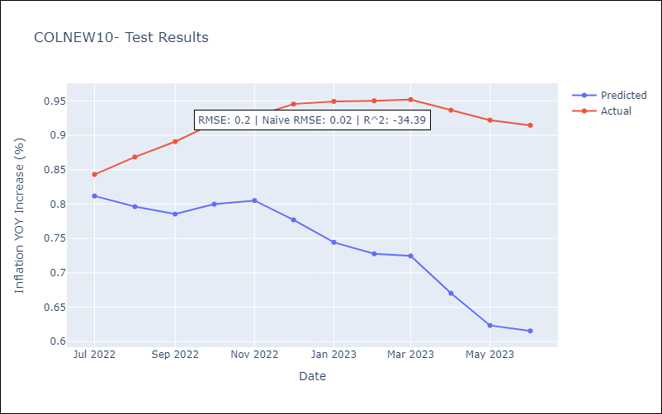

Appendix A: Model Summary
Model | ARIMA(0, 1, 3)x(0, 0, [1], 12)
Sample | 04-01-1996- 06-01-2023
No. of Observations | 327
Terms | P-value (Statistical significance)
ma.L1 | 0.000
ma.L2 | 0.850
ma.L3 | 0.460
ma.S.L12 | 0.000
sigma2 | 0.000
Assumptions | P-value | Interpretation
Ljung-Box (L1) | 0.98 | Residuals are independent.
Heteroskedasticity | 0.00 | Residuals have different variances.
Jarque-Bera | 0.00 | Residuals are not normally distributed.
Skew | 1.19 | Positive skew - model underestimates the mean.
Kurtosis | 17.12 | Residuals contain more extreme outliers than in a normal distribution.

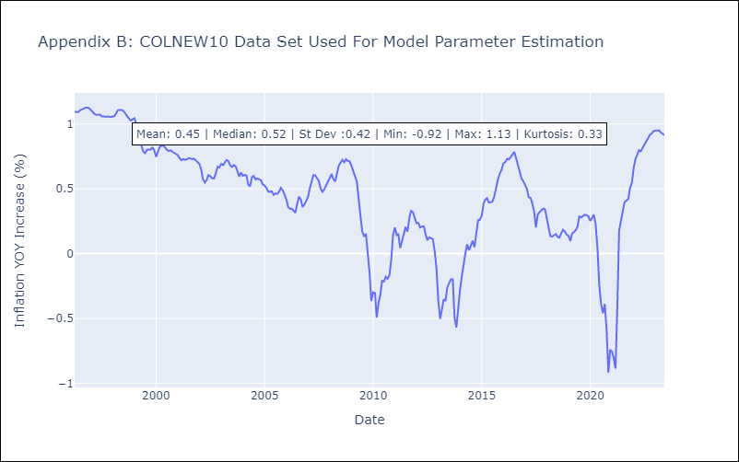

Appendix C: Residuals Analysis
Mean | 0.0
Variance | 0.01
White Noise? | Yes
Heteroskedastic? - ARCH | Yes
Normal? | No

