BOL
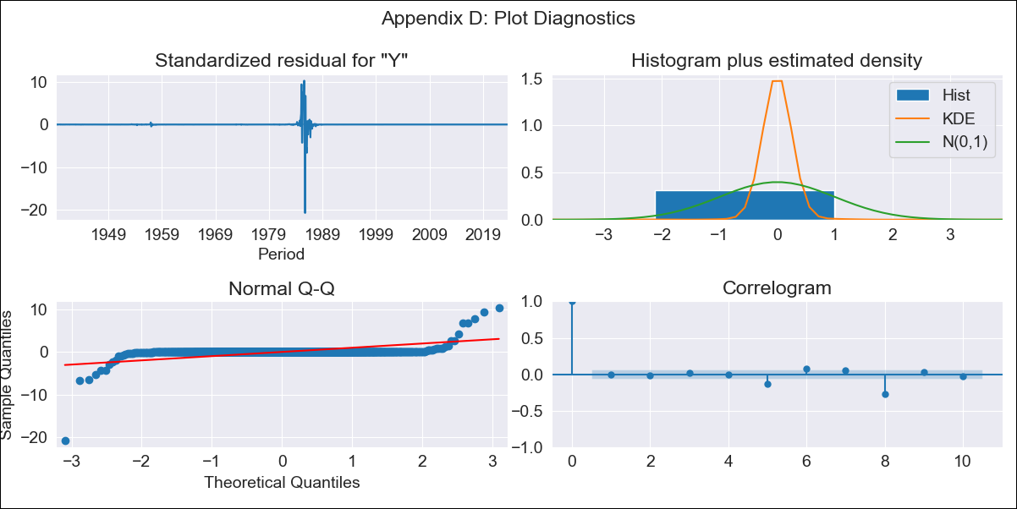
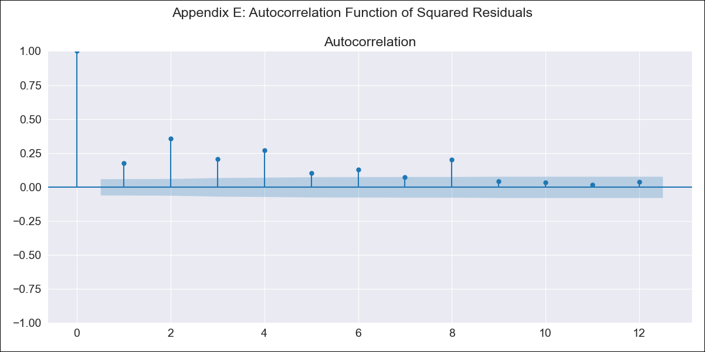
BOL - Inflation - Next 12 months forecast as of: 2023-08-01

Model | ARIMA - [(3, 1, 1), (0, 0, 1, 12)]
Training Data | 1938-01-01 to 2022-09-01
Test Data | 2022-09-01 to 2023-08-01

Date | Inflation Change YoY % | Lower Bound - 95% Confidence Interval | Upper Bound - 95% Confidence Interval
2023-09-01 | 3.18 | -822.44 | 828.81
2023-10-01 | 3.08 | -1496.01 | 1502.17
2023-11-01 | 2.97 | -2007.77 | 2013.72
2023-12-01 | 2.93 | -2319.3 | 2325.16
2024-01-01 | 2.91 | -2544.88 | 2550.7
2024-02-01 | 3.01 | -2735.63 | 2741.64
2024-03-01 | 3.02 | -2926.41 | 2932.46
2024-04-01 | 3 | -3115.07 | 3121.07
2024-05-01 | 2.96 | -3298.12 | 3304.04
2024-06-01 | 2.98 | -3469.54 | 3475.49
2024-07-01 | 2.97 | -3631.01 | 3636.95
2024-08-01 | 2.93 | -3784.22 | 3790.09

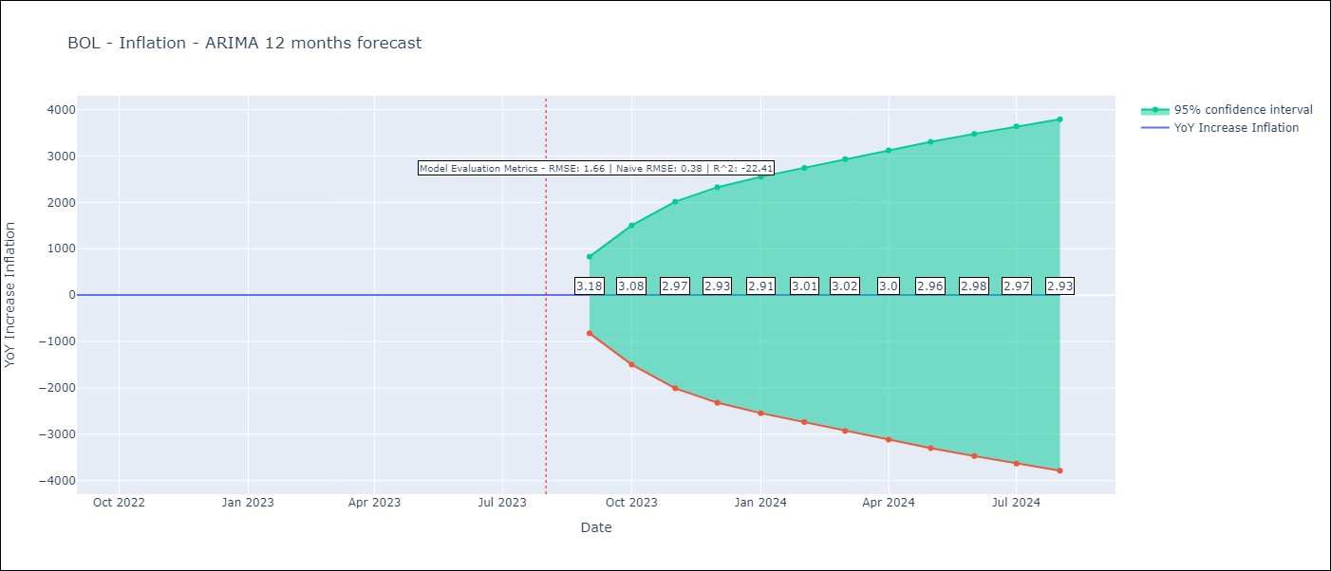

Test Metrics
RMSE | 1.66
Naive RMSE | 0.38
R^2 | -22.41

Test Predictions
Date | Predicted | Actual
2022-09-01 | 1.14 | 1.89
2022-10-01 | 1.09 | 2.89
2022-11-01 | 1.15 | 3.17
2022-12-01 | 1.2 | 3.12
2023-01-01 | 1.26 | 3.14
2023-02-01 | 1.24 | 2.57
2023-03-01 | 1.22 | 2.53
2023-04-01 | 1.2 | 2.7
2023-05-01 | 1.13 | 2.9
2023-06-01 | 1.08 | 2.73
2023-07-01 | 1.05 | 2.7
2023-08-01 | 1.12 | 3.06

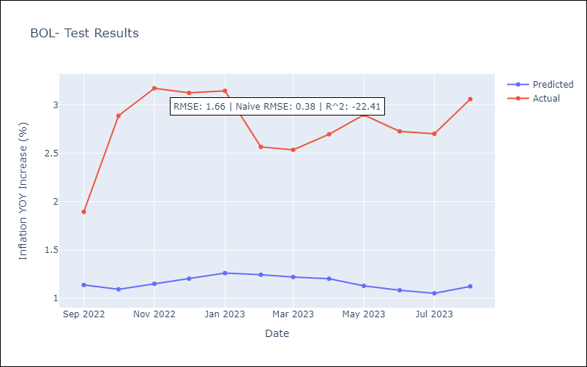

Appendix A: Model Summary
Model | ARIMA(3, 1, 1)x(0, 0, 1, 12)
Sample | 01-01-1938- 08-01-2023
No. of Observations | 1028
Terms | P-value (Statistical significance)
ar.L1 | 0.102
ar.L2 | 0.000
ar.L3 | 0.000
ma.L1 | 0.000
ma.S.L12 | 0.000
sigma2 | 0.000
Assumptions | P-value | Interpretation
Ljung-Box (L1) | 0.87 | Residuals are independent.
Heteroskedasticity | 0.00 | Residuals have different variances.
Jarque-Bera | 0.00 | Residuals are not normally distributed.
Skew | -6.88 | Negative skew - Model overestimates the mean.
Kurtosis | 226.32 | Residuals contain more extreme outliers than in a normal distribution.

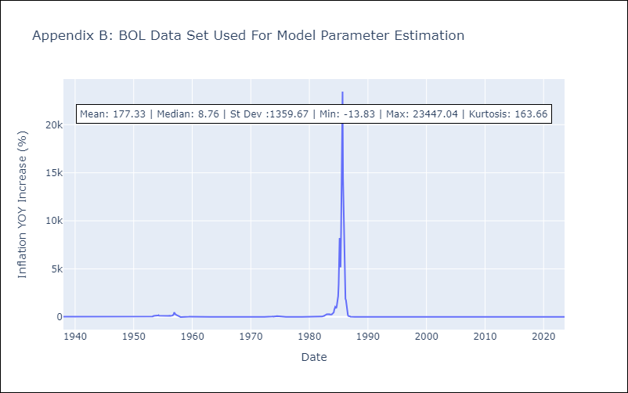

Appendix C: Residuals Analysis
Mean | 0.01
Variance | 171633.25
White Noise? | No - Correlation at Lags [ 5 6 7 8 9 10 11 12]
Heteroskedastic? - ARCH | Yes
Normal? | No

BRA
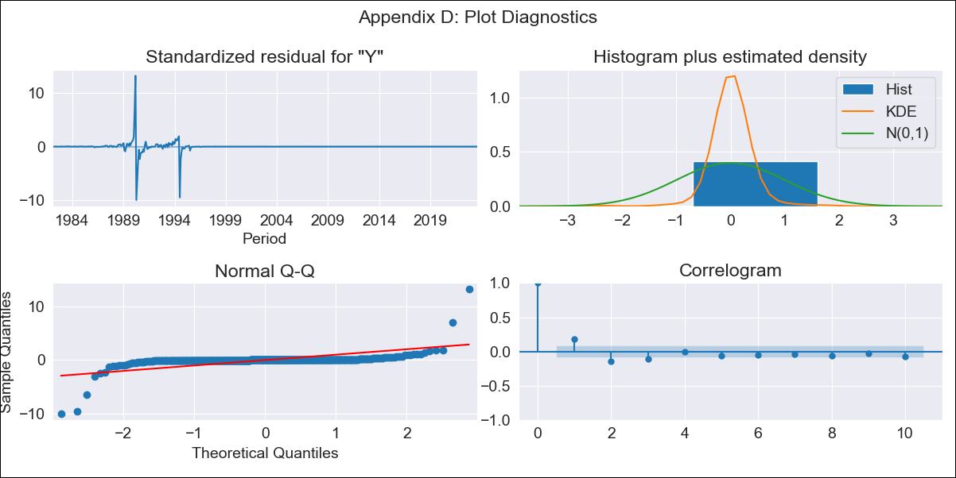
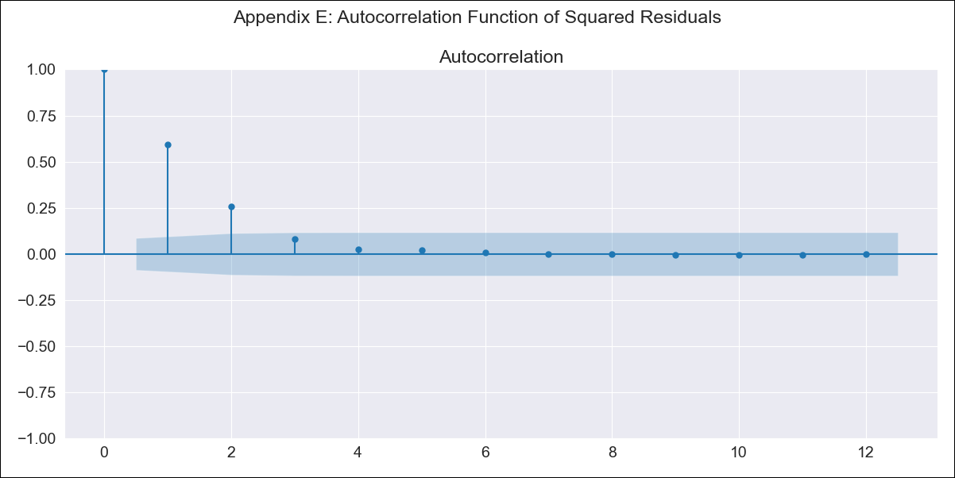
BRA - Inflation - Next 12 months forecast as of: 2023-08-01

Model | ARIMA - [(1, 1, 0), (0, 0, 1, 12)]
Training Data | 1980-12-01 to 2022-09-01
Test Data | 2022-09-01 to 2023-08-01

Date | Inflation Change YoY % | Lower Bound - 95% Confidence Interval | Upper Bound - 95% Confidence Interval
2023-09-01 | 5.09 | -266.02 | 276.21
2023-10-01 | 5.38 | -522.46 | 533.22
2023-11-01 | 5.59 | -774.78 | 785.95
2023-12-01 | 5.7 | -1014.07 | 1025.48
2024-01-01 | 5.77 | -1237.55 | 1249.09
2024-02-01 | 5.83 | -1445.15 | 1456.81
2024-03-01 | 5.95 | -1637.91 | 1649.81
2024-04-01 | 6.01 | -1817.46 | 1829.48
2024-05-01 | 6.05 | -1985.27 | 1997.38
2024-06-01 | 6.14 | -2142.73 | 2155.01
2024-07-01 | 6.08 | -2291.31 | 2303.46
2024-08-01 | 6.03 | -2431.95 | 2444.01

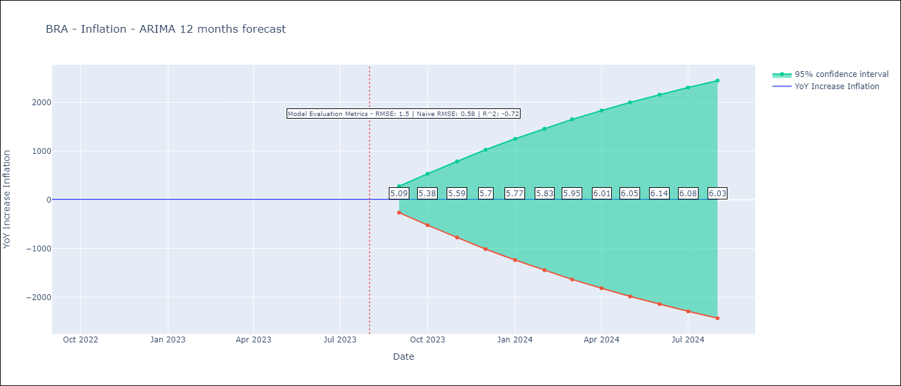

Test Metrics
RMSE | 1.5
Naive RMSE | 0.58
R^2 | -0.72

Test Predictions
Date | Predicted | Actual
2022-09-01 | 7.81 | 7.17
2022-10-01 | 7.19 | 6.47
2022-11-01 | 6.8 | 5.9
2022-12-01 | 6.61 | 5.79
2023-01-01 | 6.41 | 5.77
2023-02-01 | 6.27 | 5.6
2023-03-01 | 6.1 | 4.65
2023-04-01 | 5.95 | 4.18
2023-05-01 | 5.95 | 3.94
2023-06-01 | 5.9 | 3.16
2023-07-01 | 6.07 | 3.99
2023-08-01 | 6.2 | 4.61

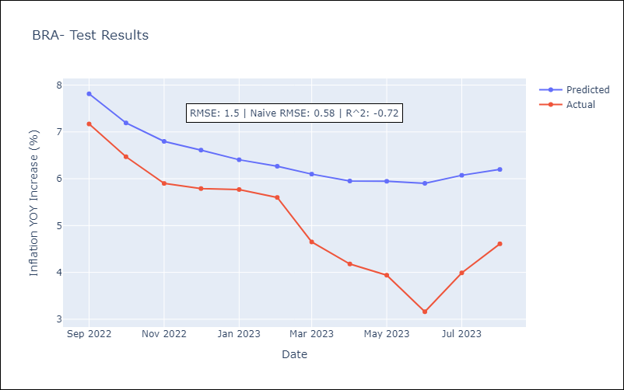

Appendix A: Model Summary
Model | ARIMA(1, 1, 0)x(0, 0, [1], 12)
Sample | 12-01-1980- 08-01-2023
No. of Observations | 513
Terms | P-value (Statistical significance)
ar.L1 | 0.000
ma.S.L12 | 0.102
sigma2 | 0.000
Assumptions | P-value | Interpretation
Ljung-Box (L1) | 0.00 | Residuals are not independent.
Heteroskedasticity | 0.00 | Residuals have different variances.
Jarque-Bera | 0.00 | Residuals are not normally distributed.
Skew | 0.96 | Positive skew - model underestimates the mean.
Kurtosis | 101.82 | Residuals contain more extreme outliers than in a normal distribution.

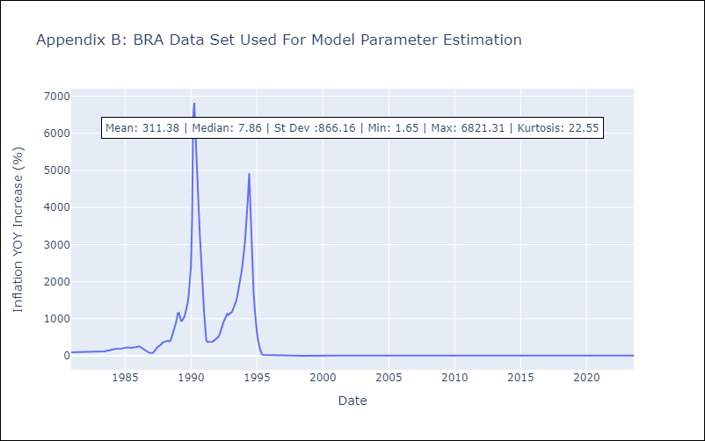

Appendix C: Residuals Analysis
Mean | 0.06
Variance | 18899.73
White Noise? | No - Correlation at Lags [ 1 2 3 4 5 6 7 8 9 10 11 12]
Heteroskedastic? - ARCH | Yes
Normal? | No

CHL
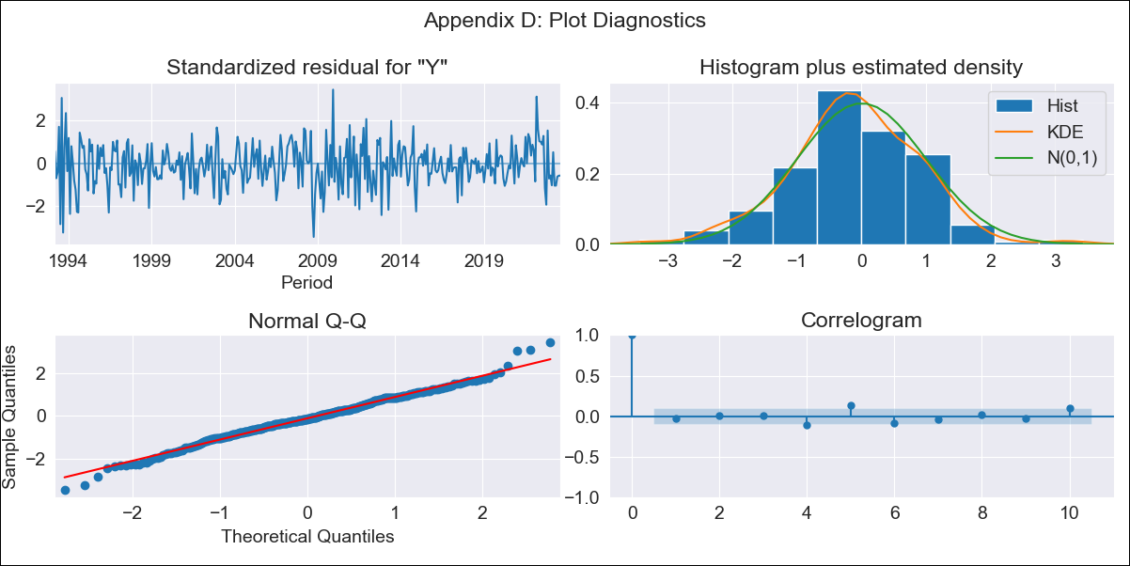

CHL - Inflation - Next 12 months forecast as of: 2023-08-01

Model | ARIMA - [(2, 0, 1), (0, 0, 3, 12)]
Training Data | 1990-01-01 to 2022-09-01
Test Data | 2022-09-01 to 2023-08-01

Date | Inflation Change YoY % | Lower Bound - 95% Confidence Interval | Upper Bound - 95% Confidence Interval
2023-09-01 | 4.94 | 4.1 | 5.78
2023-10-01 | 4.91 | 3.6 | 6.23
2023-11-01 | 4.18 | 2.42 | 5.94
2023-12-01 | 4 | 1.83 | 6.18
2024-01-01 | 3.88 | 1.3 | 6.46
2024-02-01 | 3.95 | 0.98 | 6.92
2024-03-01 | 3.66 | 0.32 | 7.01
2024-04-01 | 3.79 | 0.08 | 7.49
2024-05-01 | 3.99 | -0.07 | 8.04
2024-06-01 | 4.15 | -0.24 | 8.53
2024-07-01 | 4.35 | -0.34 | 9.05
2024-08-01 | 4.56 | -0.44 | 9.56

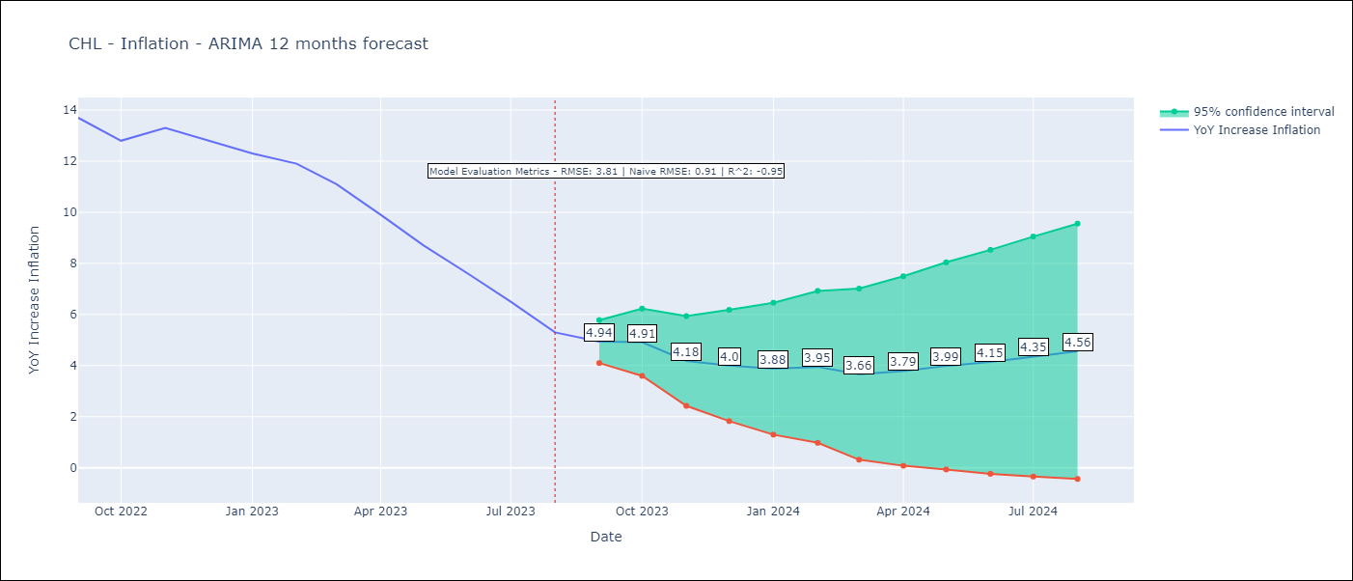

Test Metrics
RMSE | 3.81
Naive RMSE | 0.91
R^2 | -0.95

Test Predictions
Date | Predicted | Actual
2022-09-01 | 14.25 | 13.7
2022-10-01 | 14.38 | 12.8
2022-11-01 | 14.59 | 13.3
2022-12-01 | 14.6 | 12.8
2023-01-01 | 14.59 | 12.3
2023-02-01 | 14.91 | 11.9
2023-03-01 | 14.26 | 11.1
2023-04-01 | 13.77 | 9.9
2023-05-01 | 13.35 | 8.7
2023-06-01 | 12.89 | 7.6
2023-07-01 | 12.42 | 6.5
2023-08-01 | 11.84 | 5.3

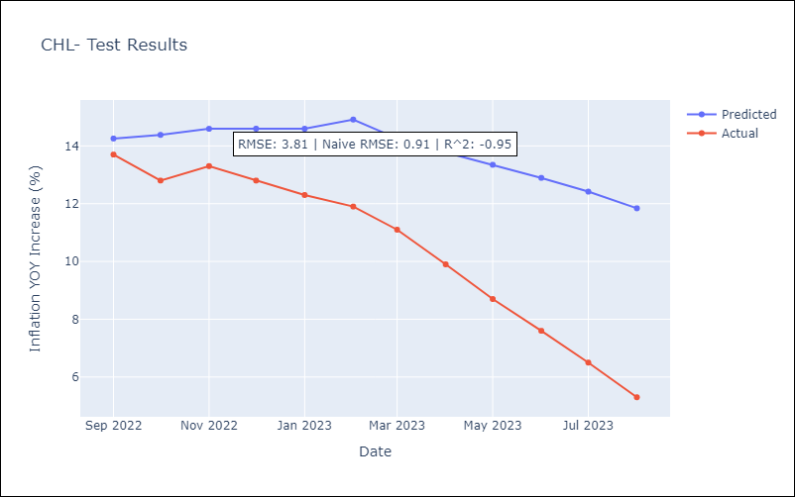

Appendix A: Model Summary
Model | ARIMA(2, 0, 1)x(0, 0, [1, 2, 3], 12)
Sample | 01-01-1990- 08-01-2023
No. of Observations | 404
Terms | P-value (Statistical significance)
const | 0.000
ar.L1 | 0.000
ar.L2 | 0.000
ma.L1 | 0.000
ma.S.L12 | 0.180
ma.S.L24 | 0.032
ma.S.L36 | 0.001
sigma2 | 0.372
Assumptions | P-value | Interpretation
Ljung-Box (L1) | 0.62 | Residuals are independent.
Heteroskedasticity | 0.00 | Residuals have different variances.
Jarque-Bera | 0.01 | Residuals are not normally distributed.
Skew | -0.06 | Negative skew - Model overestimates the mean.
Kurtosis | 3.77 | Residuals contain more extreme outliers than in a normal distribution.

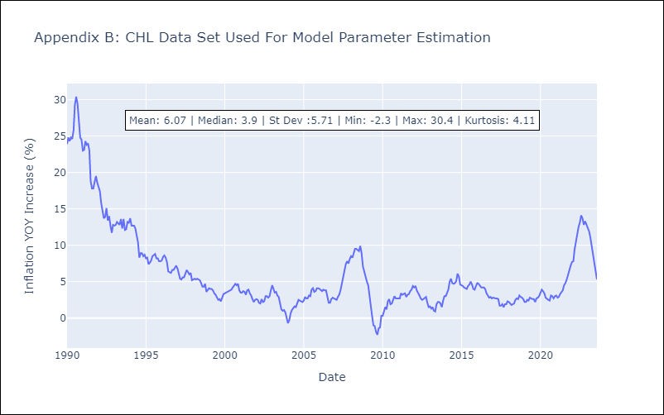

Appendix C: Residuals Analysis
Mean | -0.03
Variance | 1.68
White Noise? | No - Correlation at Lags [ 1 2 3 4 5 6 7 8 9 10 11 12]
Heteroskedastic? - ARCH | Yes
Normal? | No

COL
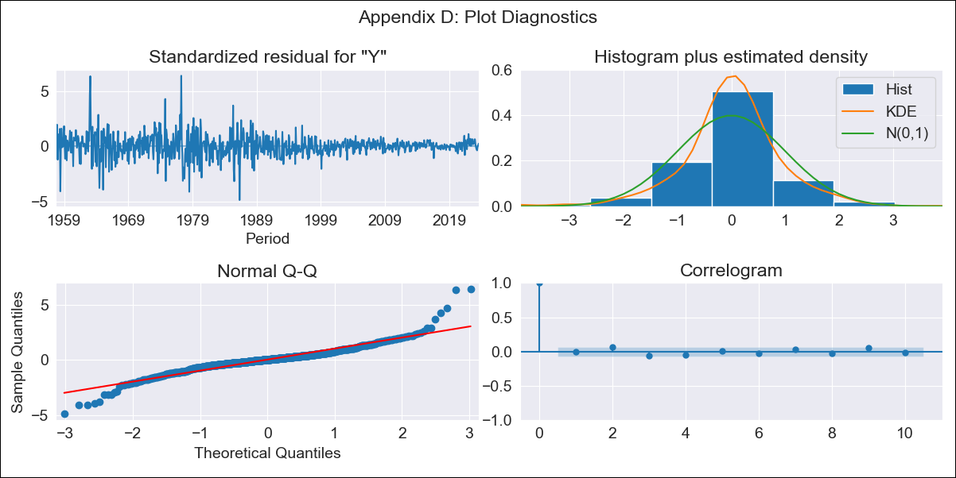
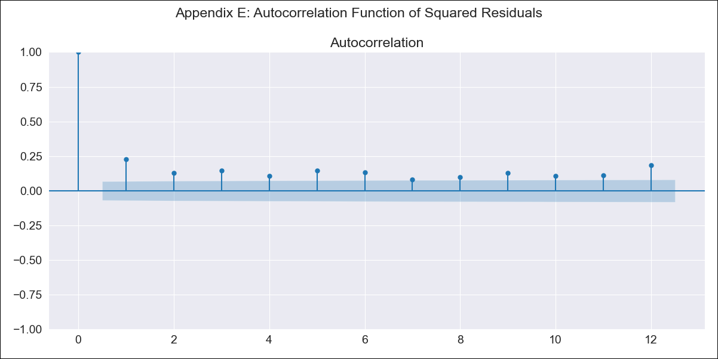
COL - Inflation - Next 12 months forecast as of: 2023-08-01

Model | ARIMA - [(1, 2, 1), (2, 0, 1, 12)]
Training Data | 1955-07-01 to 2022-09-01
Test Data | 2022-09-01 to 2023-08-01

Date | Inflation Change YoY % | Lower Bound - 95% Confidence Interval | Upper Bound - 95% Confidence Interval
2023-09-01 | 11.2 | 9.78 | 12.62
2023-10-01 | 10.96 | 8.35 | 13.58
2023-11-01 | 10.72 | 7 | 14.44
2023-12-01 | 10.23 | 5.49 | 14.97
2024-01-01 | 9.58 | 3.89 | 15.27
2024-02-01 | 9.17 | 2.58 | 15.76
2024-03-01 | 9.05 | 1.6 | 16.5
2024-04-01 | 9.22 | 0.93 | 17.5
2024-05-01 | 9.63 | 0.53 | 18.73
2024-06-01 | 9.83 | -0.07 | 19.73
2024-07-01 | 9.93 | -0.77 | 20.62
2024-08-01 | 9.86 | -1.61 | 21.34

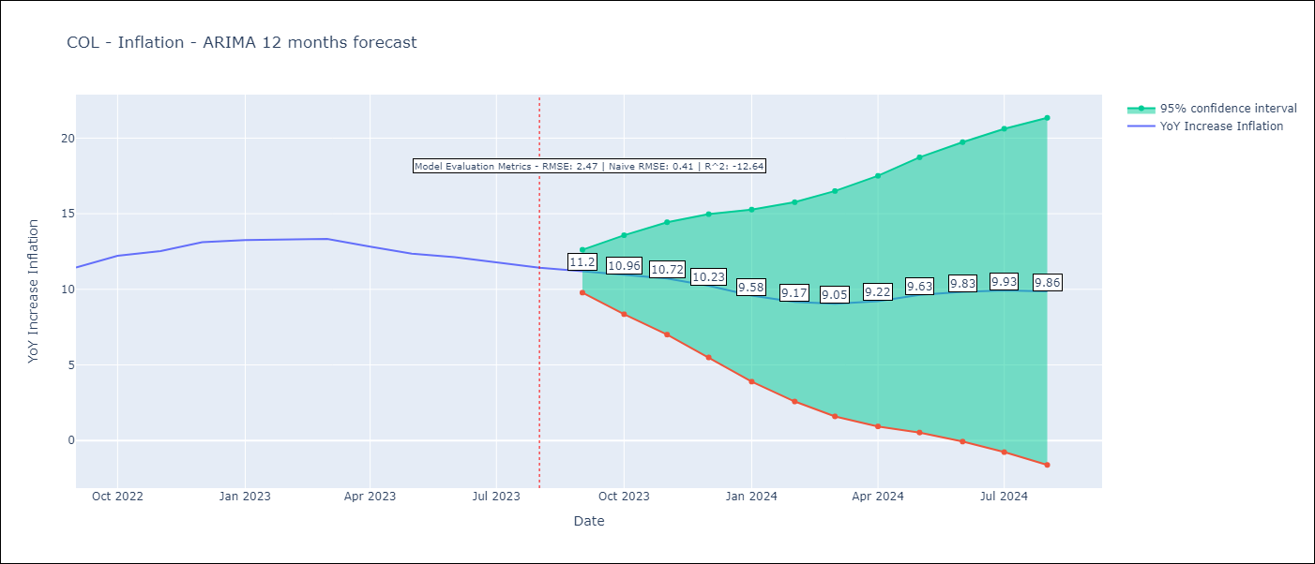

Test Metrics
RMSE | 2.47
Naive RMSE | 0.41
R^2 | -12.64

Test Predictions
Date | Predicted | Actual
2022-09-01 | 11.29 | 11.44
2022-10-01 | 11.82 | 12.22
2022-11-01 | 11.8 | 12.53
2022-12-01 | 11.73 | 13.12
2023-01-01 | 11.01 | 13.25
2023-02-01 | 10.44 | 13.28
2023-03-01 | 10.2 | 13.34
2023-04-01 | 9.65 | 12.82
2023-05-01 | 9.38 | 12.36
2023-06-01 | 9.2 | 12.13
2023-07-01 | 8.75 | 11.78
2023-08-01 | 8.1 | 11.43

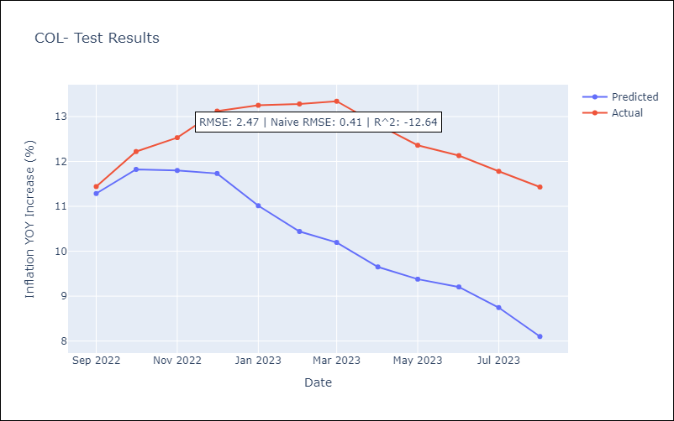

Appendix A: Model Summary
Model | ARIMA(1, 2, 1)x(2, 0, 1, 12)
Sample | 07-01-1955- 08-01-2023
No. of Observations | 818
Terms | P-value (Statistical significance)
ar.L1 | 0.000
ma.L1 | 0.000
ar.S.L12 | 0.000
ar.S.L24 | 0.002
ma.S.L12 | 0.000
sigma2 | 0.000
Assumptions | P-value | Interpretation
Ljung-Box (L1) | 0.87 | Residuals are independent.
Heteroskedasticity | 0.00 | Residuals have different variances.
Jarque-Bera | 0.00 | Residuals are not normally distributed.
Skew | 0.36 | Positive skew - model underestimates the mean.
Kurtosis | 9.75 | Residuals contain more extreme outliers than in a normal distribution.

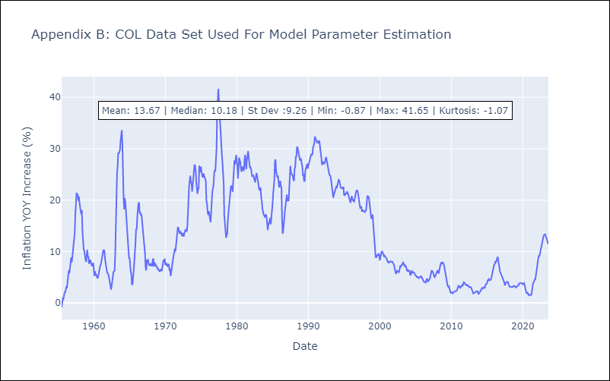

Appendix C: Residuals Analysis
Mean | 0.02
Variance | 0.61
White Noise? | No - Correlation at Lags [ 1 2 3 4 5 6 7 8 9 10 11 12]
Heteroskedastic? - ARCH | Yes
Normal? | No

CRI
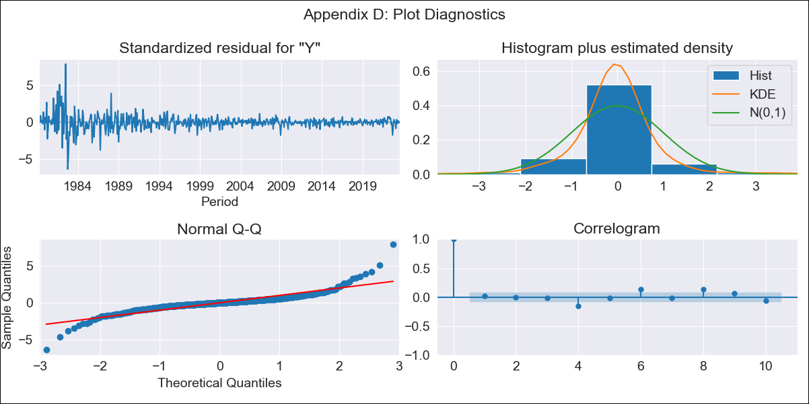
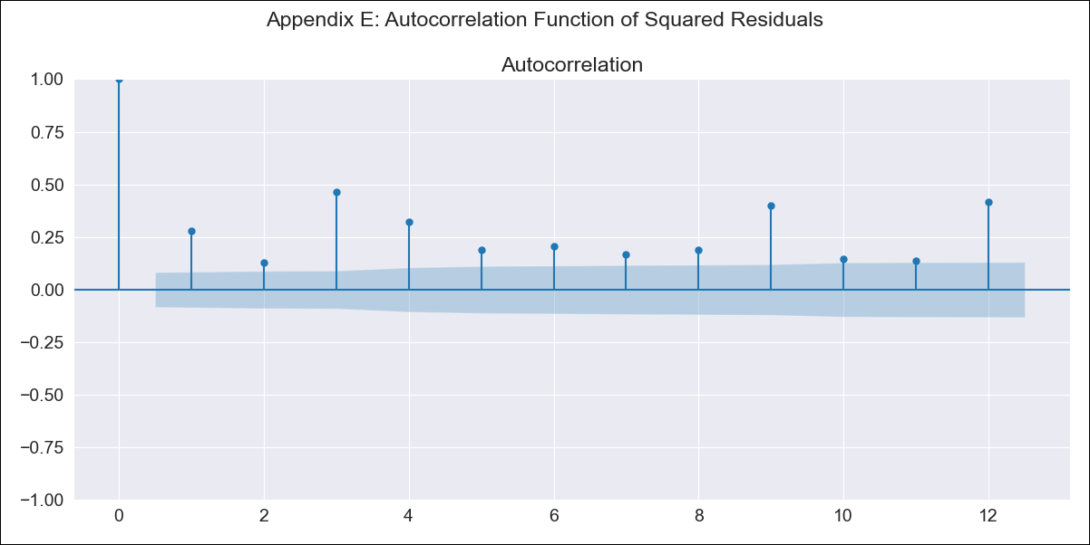
CRI - Inflation - Next 12 months forecast as of: 2023-08-01

Model | ARIMA - [(1, 1, 1), (0, 0, 2, 12)]
Training Data | 1977-01-01 to 2022-09-01
Test Data | 2022-09-01 to 2023-08-01

Date | Inflation Change YoY % | Lower Bound - 95% Confidence Interval | Upper Bound - 95% Confidence Interval
2023-09-01 | -2.35 | -4.55 | -0.14
2023-10-01 | -1.59 | -5.49 | 2.3
2023-11-01 | -1.56 | -7.21 | 4.1
2023-12-01 | -1.47 | -8.95 | 6.01
2024-01-01 | -1.39 | -10.73 | 7.95
2024-02-01 | -0.33 | -11.55 | 10.89
2024-03-01 | -0.1 | -13.2 | 13
2024-04-01 | 0.52 | -14.45 | 15.49
2024-05-01 | 0.8 | -16.03 | 17.64
2024-06-01 | 1.26 | -17.41 | 19.93
2024-07-01 | 1.66 | -18.82 | 22.14
2024-08-01 | 1.9 | -20.36 | 24.15

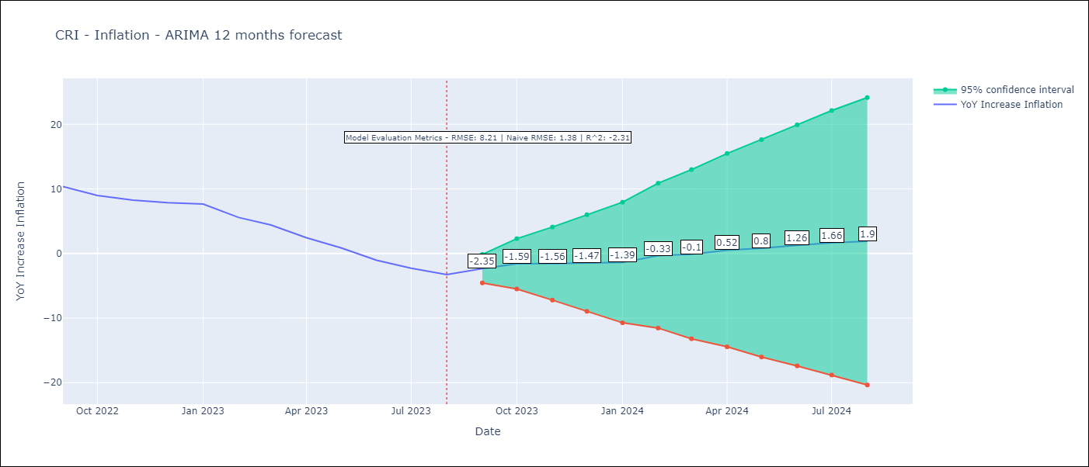

Test Metrics
RMSE | 8.21
Naive RMSE | 1.38
R^2 | -2.31

Test Predictions
Date | Predicted | Actual
2022-09-01 | 12.37 | 10.37
2022-10-01 | 12.71 | 8.99
2022-11-01 | 12.79 | 8.26
2022-12-01 | 13.23 | 7.88
2023-01-01 | 13.75 | 7.65
2023-02-01 | 13.33 | 5.58
2023-03-01 | 12.84 | 4.42
2023-04-01 | 11.86 | 2.44
2023-05-01 | 10.88 | 0.88
2023-06-01 | 9.67 | -1.04
2023-07-01 | 9.1 | -2.29
2023-08-01 | 8.57 | -3.28

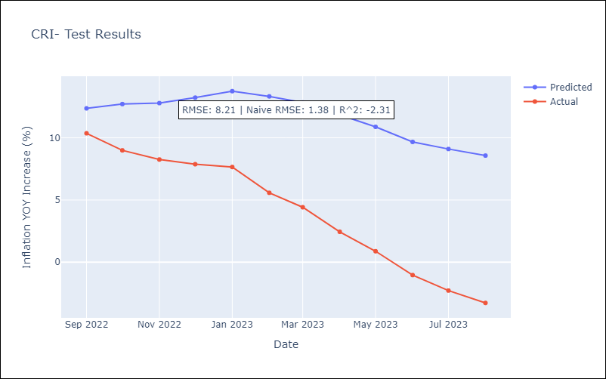

Appendix A: Model Summary
Model | ARIMA(1, 1, 1)x(0, 0, [1, 2], 12)
Sample | 01-01-1977- 08-01-2023
No. of Observations | 560
Terms | P-value (Statistical significance)
ar.L1 | 0.000
ma.L1 | 0.000
ma.S.L12 | 0.000
ma.S.L24 | 0.000
sigma2 | 0.000
Assumptions | P-value | Interpretation
Ljung-Box (L1) | 0.75 | Residuals are independent.
Heteroskedasticity | 0.00 | Residuals have different variances.
Jarque-Bera | 0.00 | Residuals are not normally distributed.
Skew | 0.68 | Positive skew - model underestimates the mean.
Kurtosis | 16.53 | Residuals contain more extreme outliers than in a normal distribution.

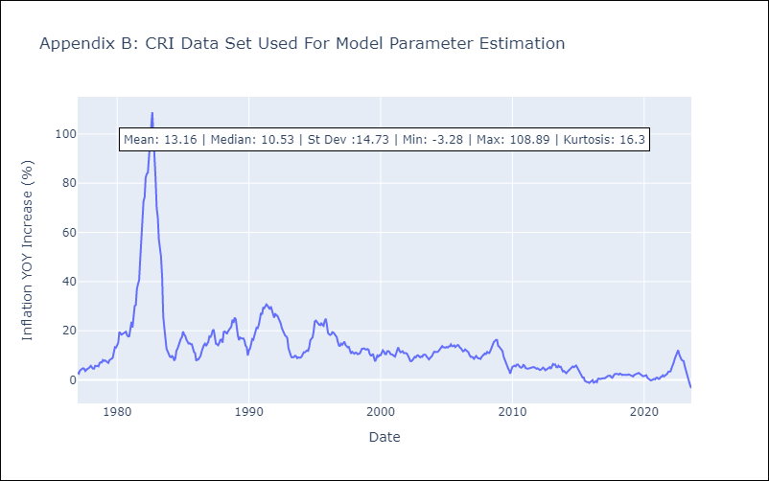

Appendix C: Residuals Analysis
Mean | -0.04
Variance | 1.36
White Noise? | No - Correlation at Lags [ 4 5 6 7 8 9 10 11 12]
Heteroskedastic? - ARCH | Yes
Normal? | No

ECU
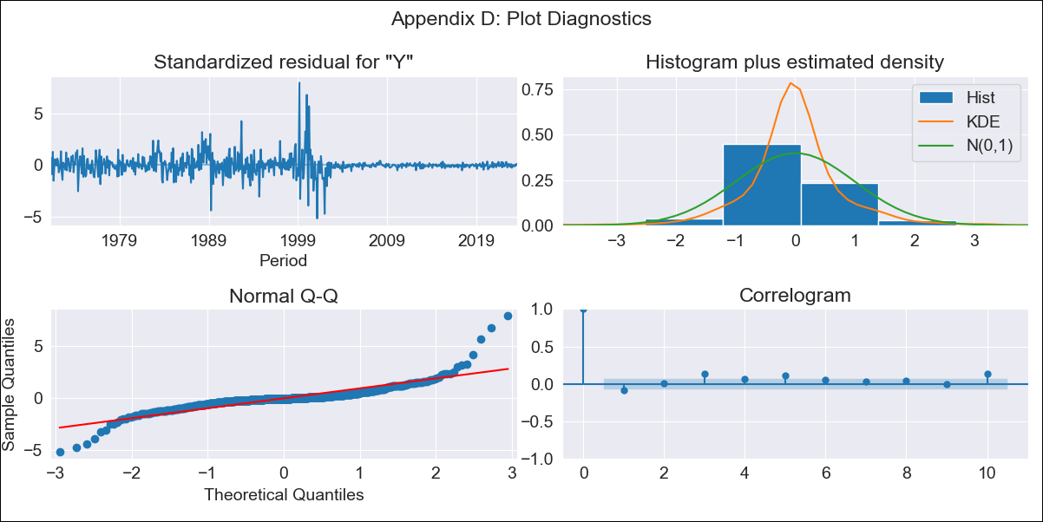
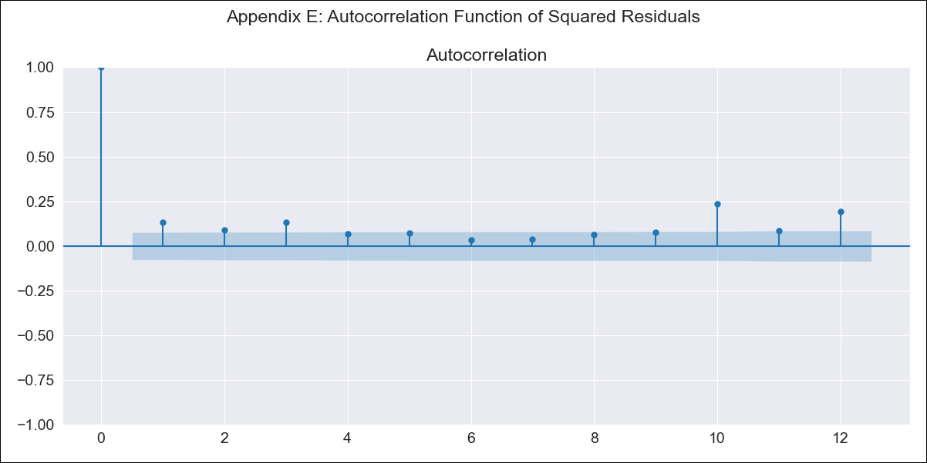
ECU - Inflation - Next 12 months forecast as of: 2023-08-01

Model | ARIMA - [(2, 0, 2), (1, 0, 1, 12)]
Training Data | 1970-01-01 to 2022-09-01
Test Data | 2022-09-01 to 2023-08-01

Date | Inflation Change YoY % | Lower Bound - 95% Confidence Interval | Upper Bound - 95% Confidence Interval
2023-09-01 | 2.74 | -1.33 | 6.81
2023-10-01 | 3.06 | -4.75 | 10.87
2023-11-01 | 3.47 | -7.51 | 14.44
2023-12-01 | 3.62 | -10.08 | 17.32
2024-01-01 | 4.13 | -11.95 | 20.21
2024-02-01 | 4.42 | -13.77 | 22.61
2024-03-01 | 4.61 | -15.46 | 24.69
2024-04-01 | 5 | -16.79 | 26.79
2024-05-01 | 5.42 | -17.95 | 28.78
2024-06-01 | 5.77 | -19.05 | 30.59
2024-07-01 | 5.72 | -20.46 | 31.89
2024-08-01 | 5.65 | -21.8 | 33.09

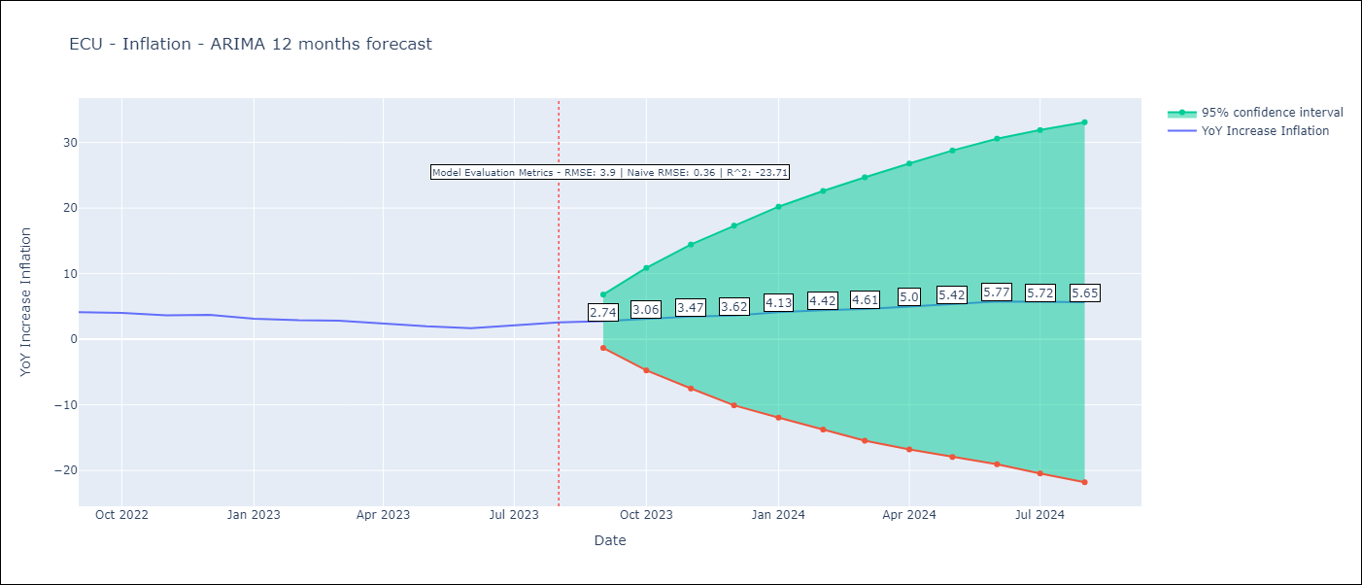

Test Metrics
RMSE | 3.9
Naive RMSE | 0.36
R^2 | -23.71

Test Predictions
Date | Predicted | Actual
2022-09-01 | 4.08 | 4.12
2022-10-01 | 4.31 | 4.02
2022-11-01 | 4.69 | 3.64
2022-12-01 | 5.16 | 3.74
2023-01-01 | 5.4 | 3.12
2023-02-01 | 5.88 | 2.9
2023-03-01 | 6.44 | 2.85
2023-04-01 | 6.8 | 2.44
2023-05-01 | 7.15 | 1.97
2023-06-01 | 7.34 | 1.69
2023-07-01 | 8.13 | 2.07
2023-08-01 | 8.73 | 2.56

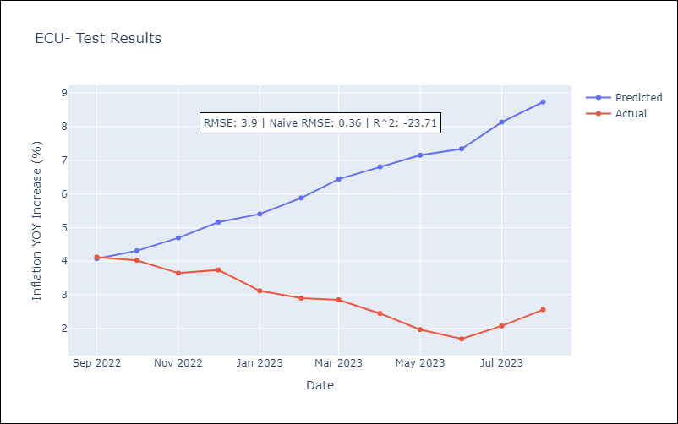

Appendix A: Model Summary
Model | ARIMA(2, 0, 2)x(1, 0, [1], 12)
Sample | 01-01-1970- 08-01-2023
No. of Observations | 644
Terms | P-value (Statistical significance)
const | 0.504
ar.L1 | 0.000
ar.L2 | 0.000
ma.L1 | 0.089
ma.L2 | 0.317
ar.S.L12 | 0.000
ma.S.L12 | 0.058
sigma2 | 0.352
Assumptions | P-value | Interpretation
Ljung-Box (L1) | 0.04 | Residuals are not independent.
Heteroskedasticity | 0.00 | Residuals have different variances.
Jarque-Bera | 0.00 | Residuals are not normally distributed.
Skew | 1.33 | Positive skew - model underestimates the mean.
Kurtosis | 19.56 | Residuals contain more extreme outliers than in a normal distribution.

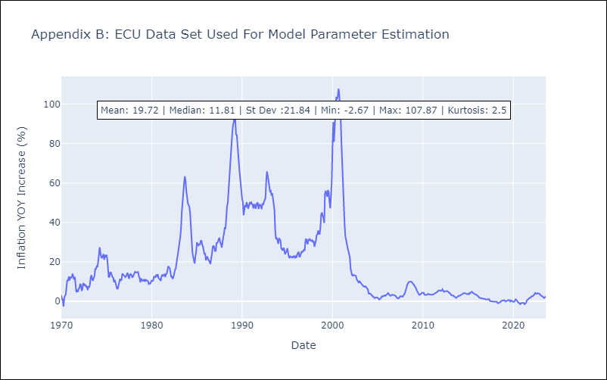

Appendix C: Residuals Analysis
Mean | -0.02
Variance | 4.61
White Noise? | No - Correlation at Lags [ 1 2 3 4 5 6 7 8 9 10 11 12]
Heteroskedastic? - ARCH | Yes
Normal? | No

PAN
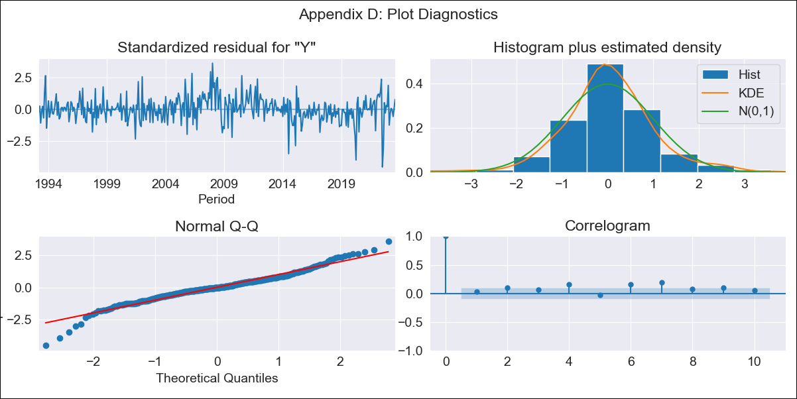

PAN - Inflation - Next 12 months forecast as of: 2023-08-01

Model | ARIMA - [(1, 0, 1), (0, 0, 1, 12)]
Training Data | 1992-01-01 to 2022-09-01
Test Data | 2022-09-01 to 2023-08-01

Date | Inflation Change YoY % | Lower Bound - 95% Confidence Interval | Upper Bound - 95% Confidence Interval
2023-09-01 | 2.36 | 1.65 | 3.07
2023-10-01 | 2.41 | 1.27 | 3.55
2023-11-01 | 2.34 | 0.89 | 3.78
2023-12-01 | 2.25 | 0.56 | 3.95
2024-01-01 | 1.65 | -0.26 | 3.56
2024-02-01 | 1.89 | -0.21 | 3.99
2024-03-01 | 2.09 | -0.18 | 4.37
2024-04-01 | 2.1 | -0.33 | 4.54
2024-05-01 | 2.13 | -0.46 | 4.71
2024-06-01 | 2.32 | -0.41 | 5.04
2024-07-01 | 2.35 | -0.51 | 5.2
2024-08-01 | 2.1 | -0.88 | 5.08

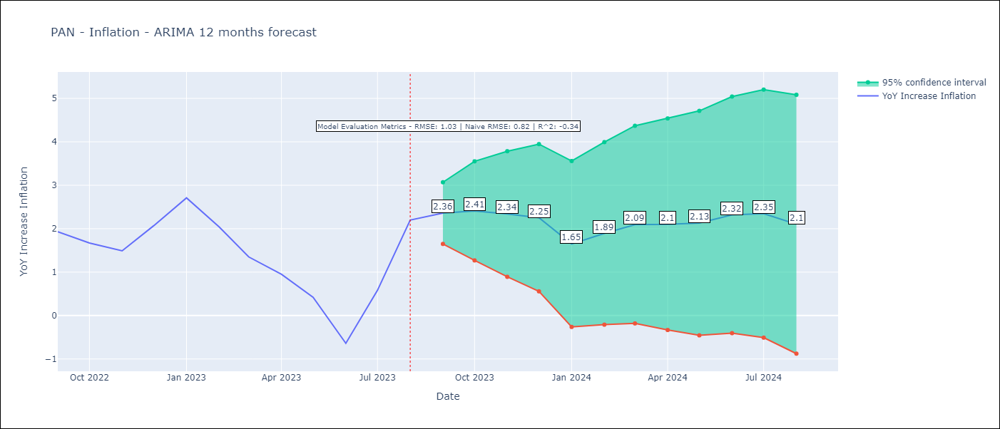

Test Metrics
RMSE | 1.03
Naive RMSE | 0.82
R^2 | -0.34

Test Predictions
Date | Predicted | Actual
2022-09-01 | 1.86 | 1.93
2022-10-01 | 1.87 | 1.67
2022-11-01 | 1.88 | 1.49
2022-12-01 | 1.87 | 2.07
2023-01-01 | 1.88 | 2.71
2023-02-01 | 1.88 | 2.04
2023-03-01 | 1.89 | 1.35
2023-04-01 | 1.9 | 0.95
2023-05-01 | 1.91 | 0.42
2023-06-01 | 1.93 | -0.64
2023-07-01 | 1.91 | 0.58
2023-08-01 | 1.89 | 2.2

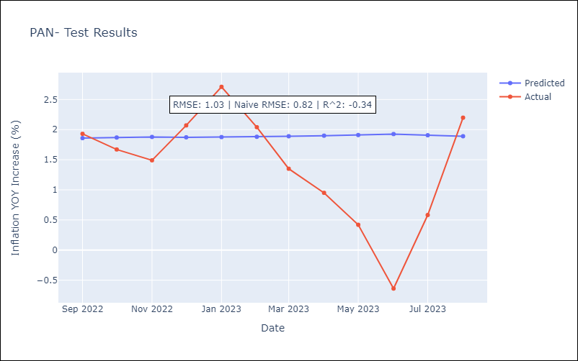

Appendix A: Model Summary
Model | ARIMA(1, 0, 1)x(0, 0, 1, 12)
Sample | 01-01-1992- 08-01-2023
No. of Observations | 380
Terms | P-value (Statistical significance)
const | 0.008
ar.L1 | 0.000
ma.L1 | 0.000
ma.S.L12 | 0.000
sigma2 | 0.000
Assumptions | P-value | Interpretation
Ljung-Box (L1) | 0.62 | Residuals are independent.
Heteroskedasticity | 0.00 | Residuals have different variances.
Jarque-Bera | 0.00 | Residuals are not normally distributed.
Skew | -0.20 | Negative skew - Model overestimates the mean.
Kurtosis | 5.46 | Residuals contain more extreme outliers than in a normal distribution.

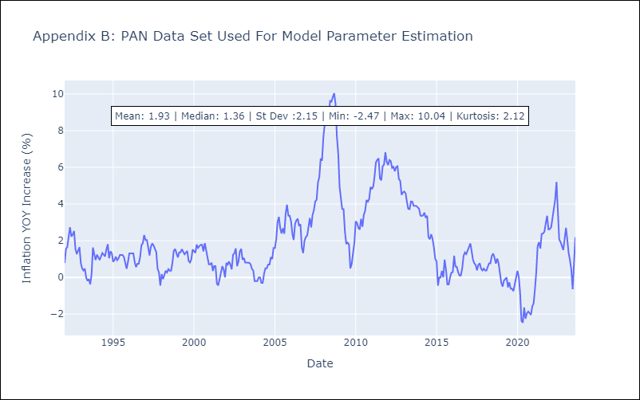

Appendix C: Residuals Analysis
Mean | -0.0
Variance | 0.15
White Noise? | No - Correlation at Lags [ 6 7 8 9 10 11 12]
Heteroskedastic? - ARCH | Yes
Normal? | No

PER
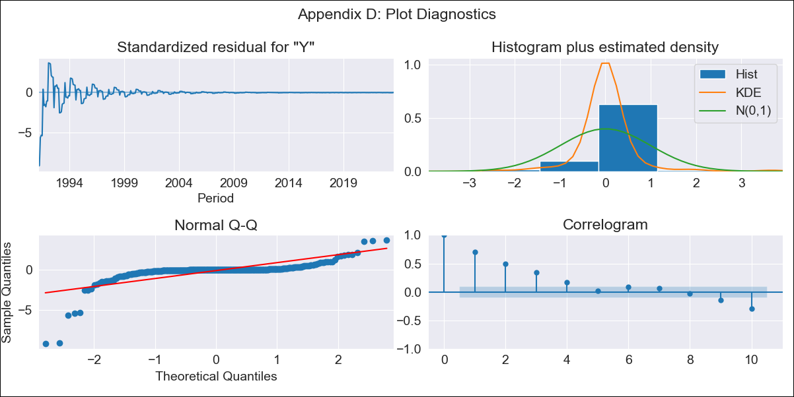

PER - Inflation - Next 12 months forecast as of: 2023-08-01

Model | ARIMA - [(0, 1, 0), (1, 0, 1, 12)]
Training Data | 1990-01-01 to 2022-09-01
Test Data | 2022-09-01 to 2023-08-01

Date | Inflation Change YoY % | Lower Bound - 95% Confidence Interval | Upper Bound - 95% Confidence Interval
2023-09-01 | 5.84 | -182.77 | 194.45
2023-10-01 | 5.69 | -261.04 | 272.43
2023-11-01 | 5.87 | -320.81 | 332.55
2023-12-01 | 5.41 | -371.8 | 382.63
2024-01-01 | 6.22 | -415.52 | 427.95
2024-02-01 | 5.78 | -456.22 | 467.77
2024-03-01 | 5.48 | -493.53 | 504.49
2024-04-01 | 4.26 | -529.2 | 537.72
2024-05-01 | 4 | -561.82 | 569.82
2024-06-01 | 2.9 | -593.53 | 599.33
2024-07-01 | 2.49 | -623.05 | 628.03
2024-08-01 | 3.24 | -650.11 | 656.6



Test Metrics
RMSE | 2.21
Naive RMSE | 0.51
R^2 | -3.07

Test Predictions
Date | Predicted | Actual
2022-09-01 | 8.75 | 8.79
2022-10-01 | 8.84 | 8.64
2022-11-01 | 8.63 | 8.64
2022-12-01 | 9.14 | 8.56
2023-01-01 | 8.39 | 8.87
2023-02-01 | 8.97 | 8.99
2023-03-01 | 9.07 | 8.67
2023-04-01 | 10.04 | 8.04
2023-05-01 | 10.29 | 7.99
2023-06-01 | 10.59 | 6.71
2023-07-01 | 10.53 | 6.02
2023-08-01 | 9.43 | 5.79

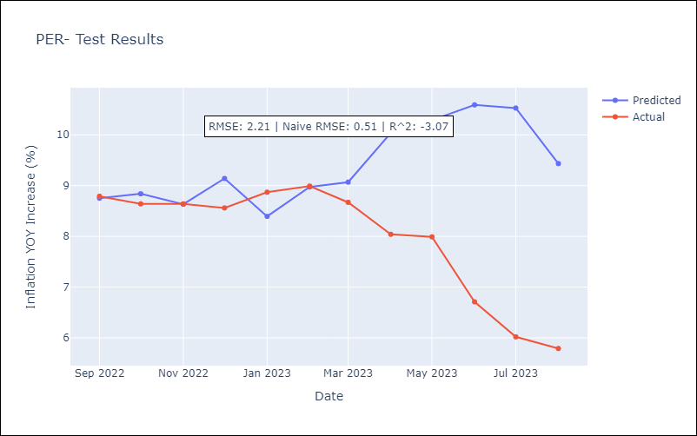

Appendix A: Model Summary
Model | ARIMA(0, 1, 0)x(1, 0, [1], 12)
Sample | 01-01-1990- 08-01-2023
No. of Observations | 404
Terms | P-value (Statistical significance)
ar.S.L12 | 0.000
ma.S.L12 | 0.000
sigma2 | 0.000
Assumptions | P-value | Interpretation
Ljung-Box (L1) | 0.00 | Residuals are not independent.
Heteroskedasticity | 0.00 | Residuals have different variances.
Jarque-Bera | 0.00 | Residuals are not normally distributed.
Skew | -4.77 | Negative skew - Model overestimates the mean.
Kurtosis | 44.72 | Residuals contain more extreme outliers than in a normal distribution.

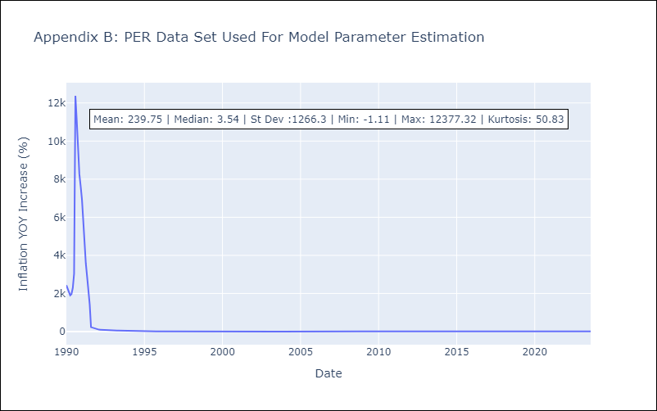

Appendix C: Residuals Analysis
Mean | 5.2
Variance | 265242.64
White Noise? | No - Correlation at Lags [ 7 8 9 10 11 12]
Heteroskedastic? - ARCH | Yes
Normal? | No

URY
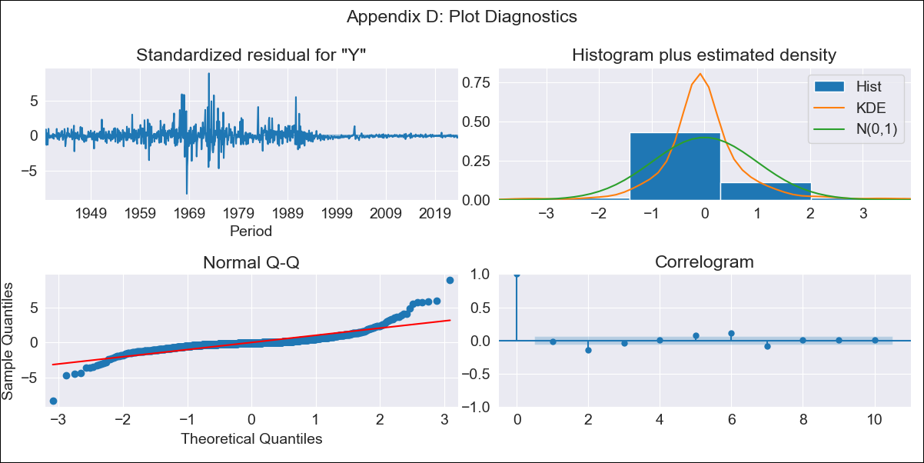
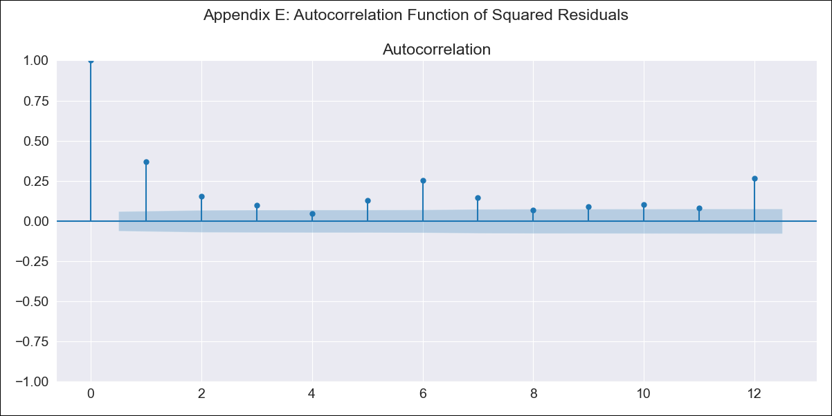
URY - Inflation - Next 12 months forecast as of: 2023-08-01

Model | ARIMA - [(2, 0, 1), (1, 0, 1, 12)]
Training Data | 1938-07-01 to 2022-09-01
Test Data | 2022-09-01 to 2023-08-01

Date | Inflation Change YoY % | Lower Bound - 95% Confidence Interval | Upper Bound - 95% Confidence Interval
2023-09-01 | 3.64 | -3.21 | 10.49
2023-10-01 | 3.81 | -6.83 | 14.46
2023-11-01 | 4.14 | -10 | 18.28
2023-12-01 | 4.13 | -13.39 | 21.64
2024-01-01 | 4.44 | -16.38 | 25.26
2024-02-01 | 4.49 | -19.57 | 28.55
2024-03-01 | 4.53 | -22.71 | 31.77
2024-04-01 | 4.56 | -25.8 | 34.92
2024-05-01 | 5.09 | -28.33 | 38.51
2024-06-01 | 6.02 | -30.39 | 42.43
2024-07-01 | 6.98 | -32.35 | 46.32
2024-08-01 | 7.69 | -34.51 | 49.88

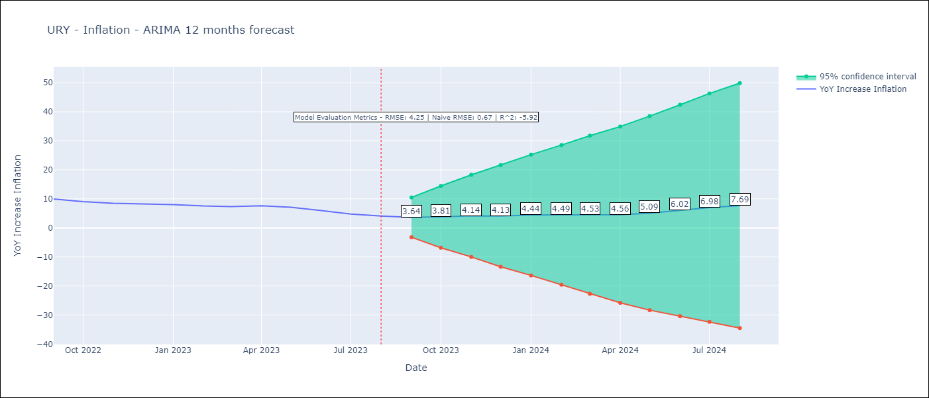

Test Metrics
RMSE | 4.25
Naive RMSE | 0.67
R^2 | -5.92

Test Predictions
Date | Predicted | Actual
2022-09-01 | 9.87 | 9.95
2022-10-01 | 9.75 | 9.05
2022-11-01 | 10.05 | 8.46
2022-12-01 | 10.23 | 8.29
2023-01-01 | 10.7 | 8.05
2023-02-01 | 10.57 | 7.55
2023-03-01 | 10.63 | 7.33
2023-04-01 | 11.08 | 7.61
2023-05-01 | 11.44 | 7.1
2023-06-01 | 11.73 | 5.98
2023-07-01 | 11.97 | 4.79
2023-08-01 | 12.32 | 4.11

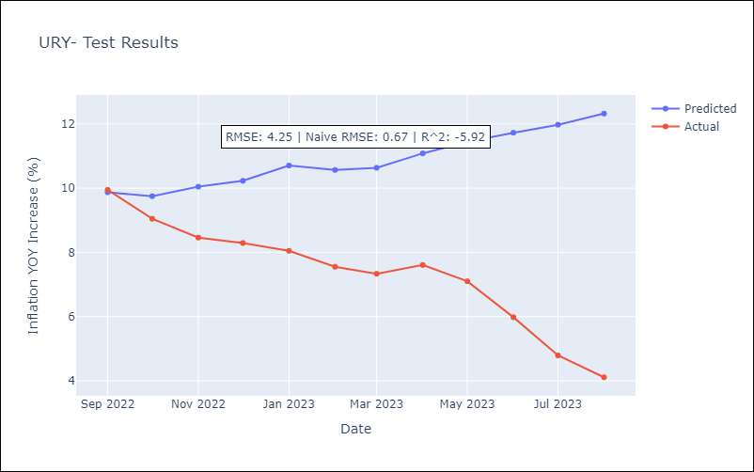

Appendix A: Model Summary
Model | ARIMA(2, 0, 1)x(1, 0, 1, 12)
Sample | 07-01-1938- 08-01-2023
No. of Observations | 1022
Terms | P-value (Statistical significance)
const | 0.281
ar.L1 | 0.000
ar.L2 | 0.000
ma.L1 | 0.000
ar.S.L12 | 0.053
ma.S.L12 | 0.000
sigma2 | 0.000
Assumptions | P-value | Interpretation
Ljung-Box (L1) | 0.54 | Residuals are independent.
Heteroskedasticity | 0.00 | Residuals have different variances.
Jarque-Bera | 0.00 | Residuals are not normally distributed.
Skew | 1.15 | Positive skew - model underestimates the mean.
Kurtosis | 20.12 | Residuals contain more extreme outliers than in a normal distribution.

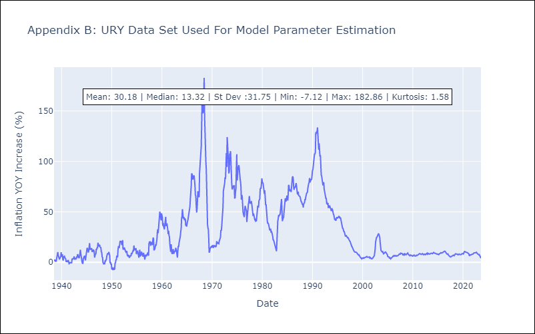

Appendix C: Residuals Analysis
Mean | 0.01
Variance | 14.16
White Noise? | No - Correlation at Lags [ 1 2 3 4 5 6 7 8 9 10 11 12]
Heteroskedastic? - ARCH | Yes
Normal? | No

DOM
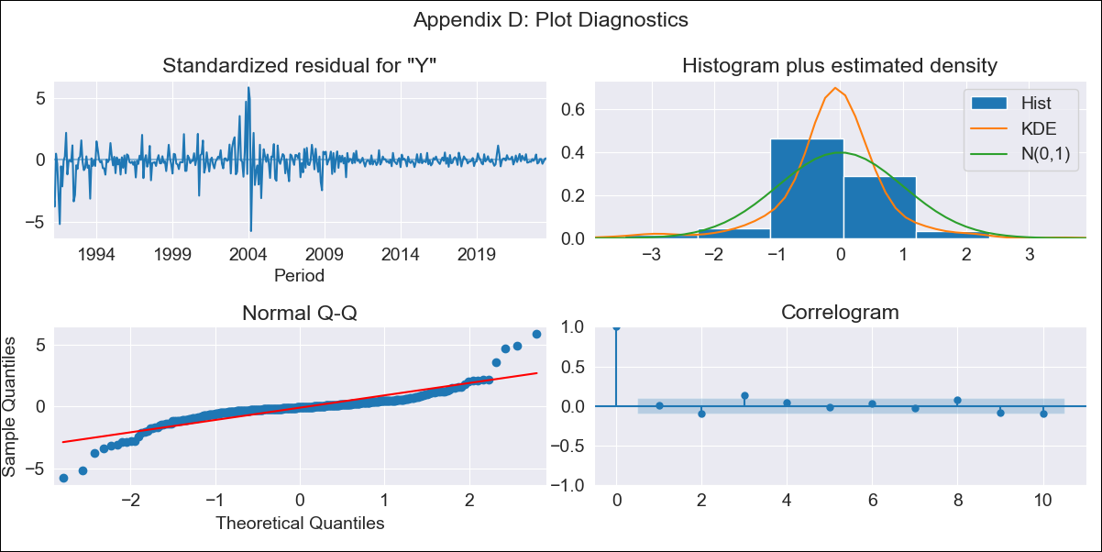

DOM - Inflation - Next 12 months forecast as of: 2023-08-01

Model | ARIMA - [(1, 1, 0), (0, 0, 1, 12)]
Training Data | 1990-01-01 to 2022-09-01
Test Data | 2022-09-01 to 2023-08-01

Date | Inflation Change YoY % | Lower Bound - 95% Confidence Interval | Upper Bound - 95% Confidence Interval
2023-09-01 | 4.42 | 1.75 | 7.09
2023-10-01 | 4.61 | -0.68 | 9.91
2023-11-01 | 4.65 | -3.3 | 12.59
2023-12-01 | 4.2 | -6.3 | 14.71
2024-01-01 | 4.21 | -8.73 | 17.15
2024-02-01 | 4.45 | -10.78 | 19.68
2024-03-01 | 4.54 | -12.84 | 21.92
2024-04-01 | 4.54 | -14.86 | 23.94
2024-05-01 | 4.88 | -16.42 | 26.19
2024-06-01 | 5.24 | -17.85 | 28.34
2024-07-01 | 5.39 | -19.39 | 30.18
2024-08-01 | 5.37 | -21.02 | 31.76

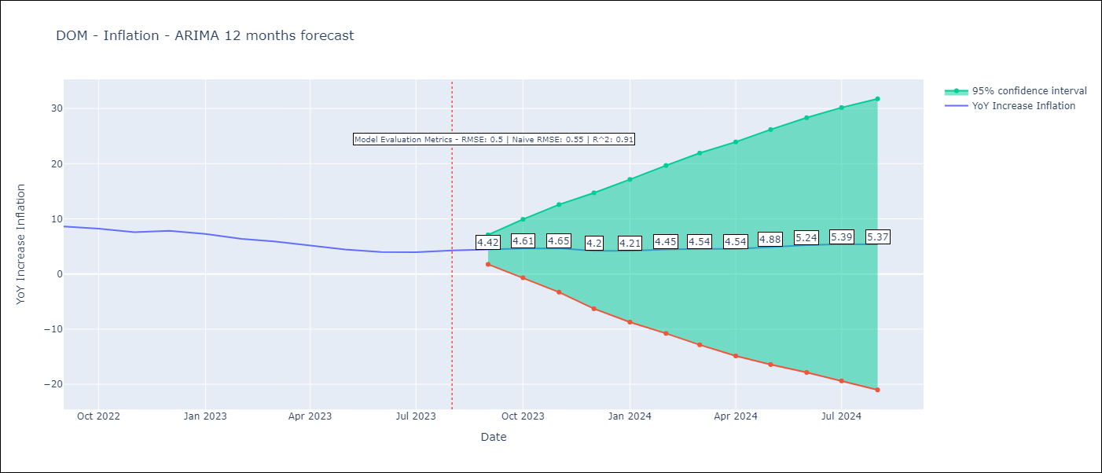

Test Metrics
RMSE | 0.5
Naive RMSE | 0.55
R^2 | 0.91

Test Predictions
Date | Predicted | Actual
2022-09-01 | 8.53 | 8.63
2022-10-01 | 8.18 | 8.24
2022-11-01 | 7.42 | 7.58
2022-12-01 | 7.01 | 7.83
2023-01-01 | 6.36 | 7.24
2023-02-01 | 5.75 | 6.38
2023-03-01 | 5.35 | 5.9
2023-04-01 | 4.58 | 5.15
2023-05-01 | 4.27 | 4.43
2023-06-01 | 4.28 | 4
2023-07-01 | 4.42 | 3.95
2023-08-01 | 4.7 | 4.27

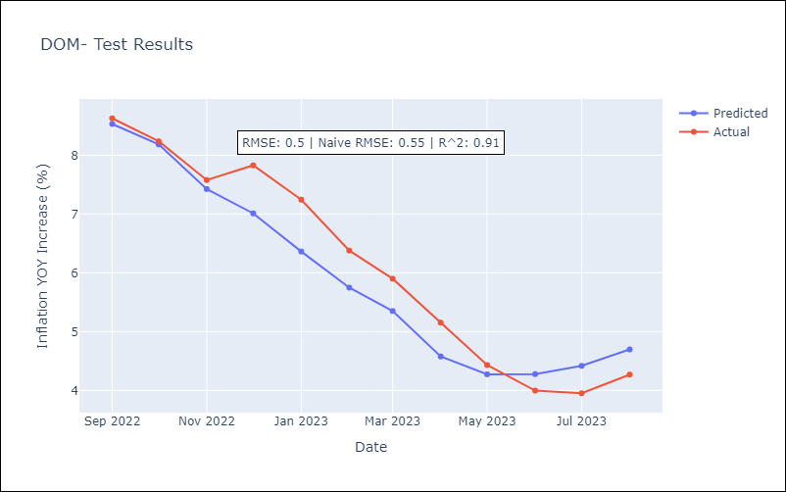

Appendix A: Model Summary
Model | ARIMA(1, 1, 0)x(0, 0, [1], 12)
Sample | 01-01-1990- 08-01-2023
No. of Observations | 404
Terms | P-value (Statistical significance)
ar.L1 | 0.000
ma.S.L12 | 0.000
sigma2 | 0.000
Assumptions | P-value | Interpretation
Ljung-Box (L1) | 0.91 | Residuals are independent.
Heteroskedasticity | 0.00 | Residuals have different variances.
Jarque-Bera | 0.00 | Residuals are not normally distributed.
Skew | -0.02 | Negative skew - Model overestimates the mean.
Kurtosis | 13.91 | Residuals contain more extreme outliers than in a normal distribution.

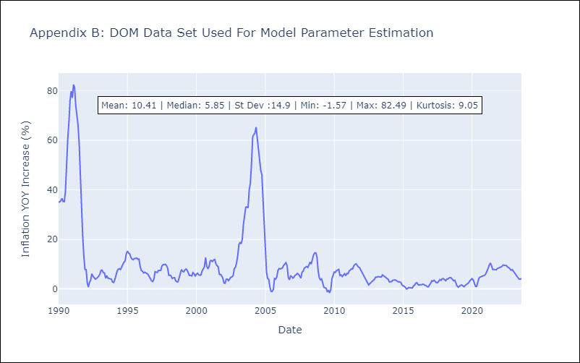

Appendix C: Residuals Analysis
Mean | -0.05
Variance | 5.99
White Noise? | No - Correlation at Lags [ 1 2 3 4 5 6 7 8 9 10 11 12]
Heteroskedastic? - ARCH | Yes
Normal? | No

GTM
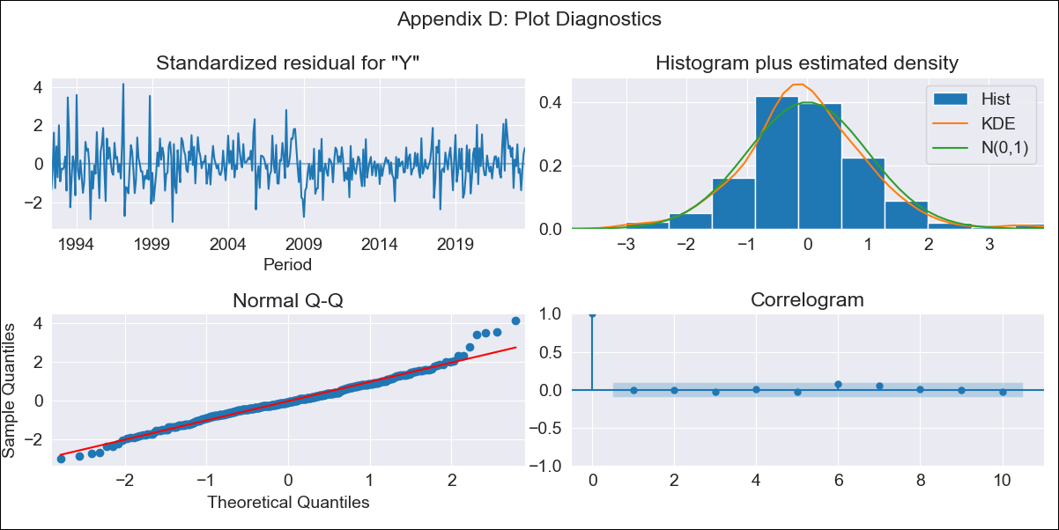
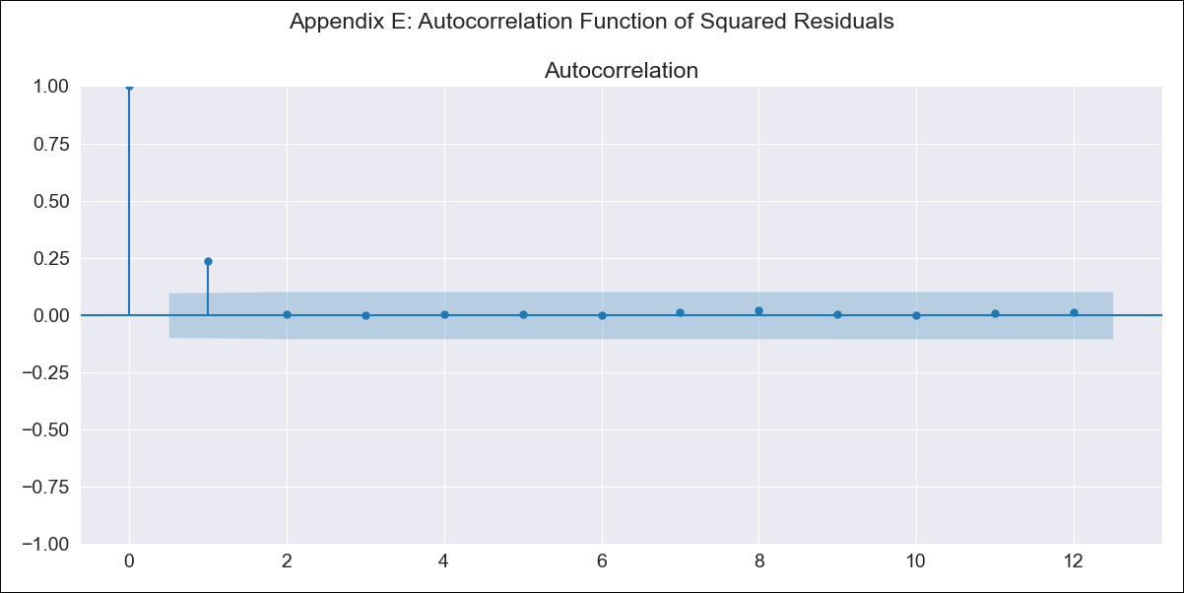
GTM - Inflation - Next 12 months forecast as of: 2023-08-01

Model | ARIMA - [(3, 1, 2), (1, 0, 1, 12)]
Training Data | 1991-01-01 to 2022-09-01
Test Data | 2022-09-01 to 2023-08-01

Date | Inflation Change YoY % | Lower Bound - 95% Confidence Interval | Upper Bound - 95% Confidence Interval
2023-09-01 | 4.3 | 3.31 | 5.28
2023-10-01 | 3.78 | 2.13 | 5.43
2023-11-01 | 4.28 | 2.17 | 6.38
2023-12-01 | 4.35 | 1.86 | 6.84
2024-01-01 | 4.28 | 1.46 | 7.11
2024-02-01 | 3.84 | 0.71 | 6.97
2024-03-01 | 4.09 | 0.67 | 7.51
2024-04-01 | 4.34 | 0.66 | 8.02
2024-05-01 | 5.23 | 1.3 | 9.17
2024-06-01 | 5.81 | 1.64 | 9.99
2024-07-01 | 5.68 | 1.27 | 10.09
2024-08-01 | 5.28 | 0.64 | 9.91

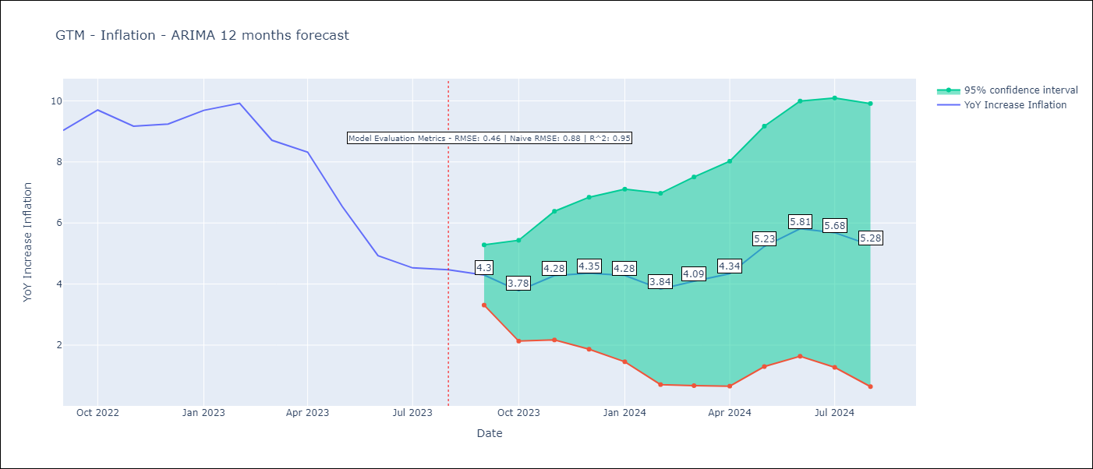

Test Metrics
RMSE | 0.46
Naive RMSE | 0.88
R^2 | 0.95

Test Predictions
Date | Predicted | Actual
2022-09-01 | 8.85 | 9.03
2022-10-01 | 9.04 | 9.7
2022-11-01 | 9.01 | 9.17
2022-12-01 | 9.19 | 9.24
2023-01-01 | 9.65 | 9.69
2023-02-01 | 9.39 | 9.92
2023-03-01 | 8.25 | 8.71
2023-04-01 | 8.1 | 8.32
2023-05-01 | 7.05 | 6.54
2023-06-01 | 5.83 | 4.93
2023-07-01 | 5.2 | 4.53
2023-08-01 | 4.64 | 4.47

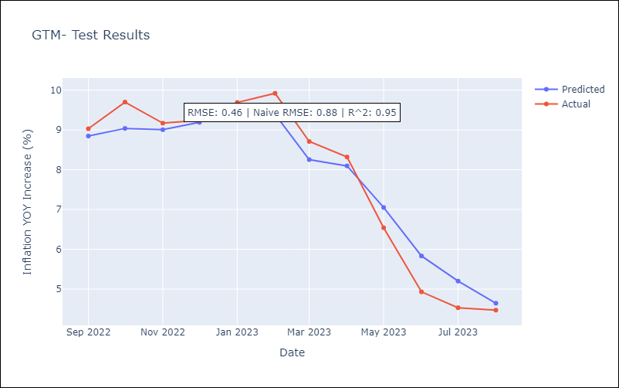

Appendix A: Model Summary
Model | ARIMA(3, 1, 2)x(1, 0, [1], 12)
Sample | 01-01-1991- 08-01-2023
No. of Observations | 392
Terms | P-value (Statistical significance)
ar.L1 | 0.005
ar.L2 | 0.833
ar.L3 | 1.000
ma.L1 | 0.449
ma.L2 | 0.182
ar.S.L12 | 0.000
ma.S.L12 | 0.000
sigma2 | 0.506
Assumptions | P-value | Interpretation
Ljung-Box (L1) | 0.84 | Residuals are independent.
Heteroskedasticity | 0.00 | Residuals have different variances.
Jarque-Bera | 0.00 | Residuals are not normally distributed.
Skew | 0.35 | Positive skew - model underestimates the mean.
Kurtosis | 4.60 | Residuals contain more extreme outliers than in a normal distribution.

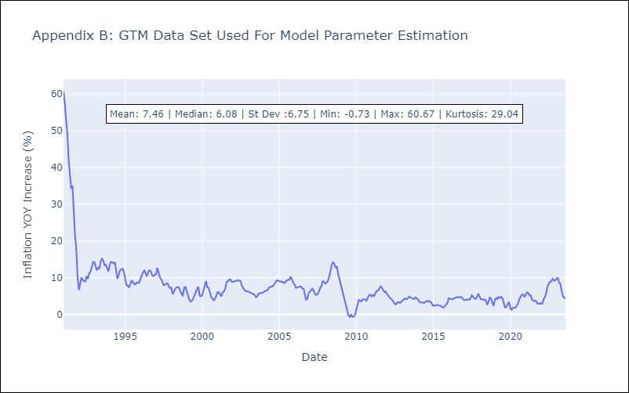

Appendix C: Residuals Analysis
Mean | 0.06
Variance | 12.57
White Noise? | No - Correlation at Lags [ 1 2 3 4 5 6 7 8 9 10 11 12]
Heteroskedastic? - ARCH | Yes
Normal? | No

HND


HND - Inflation - Next 12 months forecast as of: 2023-08-01

Model | ARIMA - [(2, 2, 0), (0, 0, 1, 12)]
Training Data | 1991-01-01 to 2022-09-01
Test Data | 2022-09-01 to 2023-08-01

Date | Inflation Change YoY % | Lower Bound - 95% Confidence Interval | Upper Bound - 95% Confidence Interval
2023-09-01 | 5.86 | 4.75 | 6.97
2023-10-01 | 5.65 | 3.64 | 7.66
2023-11-01 | 5.27 | 2.32 | 8.21
2023-12-01 | 5.39 | 1.3 | 9.49
2024-01-01 | 5.56 | 0.19 | 10.92
2024-02-01 | 5.16 | -1.56 | 11.87
2024-03-01 | 5.49 | -2.7 | 13.67
2024-04-01 | 6.01 | -3.73 | 15.75
2024-05-01 | 6.3 | -5.08 | 17.69
2024-06-01 | 6.48 | -6.63 | 19.6
2024-07-01 | 6.61 | -8.32 | 21.53
2024-08-01 | 6.49 | -10.32 | 23.29



Test Metrics
RMSE | 0.62
Naive RMSE | 0.82
R^2 | 0.9

Test Predictions
Date | Predicted | Actual
2022-09-01 | 10.34 | 10.04
2022-10-01 | 10.37 | 10.18
2022-11-01 | 10.07 | 10.44
2022-12-01 | 9.58 | 9.8
2023-01-01 | 8.92 | 8.93
2023-02-01 | 9.29 | 9.8
2023-03-01 | 8.91 | 9.05
2023-04-01 | 7.9 | 7.44
2023-05-01 | 7.37 | 6.58
2023-06-01 | 6.59 | 5.6
2023-07-01 | 6.27 | 5.15
2023-08-01 | 6.68 | 5.71



Appendix A: Model Summary
Model | ARIMA(2, 2, 0)x(0, 0, [1], 12)
Sample | 01-01-1991- 08-01-2023
No. of Observations | 392
Terms | P-value (Statistical significance)
ar.L1 | 0.000
ar.L2 | 0.000
ma.S.L12 | 0.000
sigma2 | 0.000
Assumptions | P-value | Interpretation
Ljung-Box (L1) | 1.00 | Residuals are independent.
Heteroskedasticity | 0.00 | Residuals have different variances.
Jarque-Bera | 0.00 | Residuals are not normally distributed.
Skew | 0.36 | Positive skew - model underestimates the mean.
Kurtosis | 6.37 | Residuals contain more extreme outliers than in a normal distribution.



Appendix C: Residuals Analysis
Mean | 0.06
Variance | 5.45
White Noise? | No - Correlation at Lags [ 1 2 3 4 5 6 7 8 9 10 11 12]
Heteroskedastic? - ARCH | Yes
Normal? | No

NIC


NIC - Inflation - Next 12 months forecast as of: 2023-08-01

Model | ARIMA - [(2, 0, 1), (3, 0, 1, 12)]
Training Data | 1993-01-01 to 2022-09-01
Test Data | 2022-09-01 to 2023-08-01

Date | Inflation Change YoY % | Lower Bound - 95% Confidence Interval | Upper Bound - 95% Confidence Interval
2023-09-01 | 7.72 | 6.3 | 9.13
2023-10-01 | 6.85 | 4.37 | 9.33
2023-11-01 | 6.98 | 3.72 | 10.24
2023-12-01 | 6.45 | 2.58 | 10.33
2024-01-01 | 6.59 | 2.19 | 10.98
2024-02-01 | 6.15 | 1.3 | 11
2024-03-01 | 6.12 | 0.87 | 11.38
2024-04-01 | 6.03 | 0.4 | 11.66
2024-05-01 | 5.82 | -0.15 | 11.78
2024-06-01 | 5.44 | -0.84 | 11.72
2024-07-01 | 5.97 | -0.6 | 12.55
2024-08-01 | 5.79 | -1.05 | 12.64



Test Metrics
RMSE | 1.28
Naive RMSE | 0.76
R^2 | 0.14

Test Predictions
Date | Predicted | Actual
2022-09-01 | 11.92 | 11.52
2022-10-01 | 11.64 | 12.16
2022-11-01 | 11.04 | 11.38
2022-12-01 | 10.59 | 11.59
2023-01-01 | 10.06 | 10.92
2023-02-01 | 9.69 | 11.1
2023-03-01 | 9 | 10.39
2023-04-01 | 8.09 | 9.53
2023-05-01 | 7.92 | 9.47
2023-06-01 | 7.84 | 9.87
2023-07-01 | 6.75 | 8.17
2023-08-01 | 5.75 | 7.46



Appendix A: Model Summary
Model | ARIMA(2, 0, 1)x(3, 0, 1, 12)
Sample | 01-01-1993- 08-01-2023
No. of Observations | 368
Terms | P-value (Statistical significance)
const | 0.007
ar.L1 | 0.000
ar.L2 | 0.238
ma.L1 | 0.014
ar.S.L12 | 0.006
ar.S.L24 | 0.003
ar.S.L36 | 0.328
ma.S.L12 | 0.000
sigma2 | 0.000
Assumptions | P-value | Interpretation
Ljung-Box (L1) | 0.94 | Residuals are independent.
Heteroskedasticity | 0.00 | Residuals have different variances.
Jarque-Bera | 0.00 | Residuals are not normally distributed.
Skew | 0.91 | Positive skew - model underestimates the mean.
Kurtosis | 7.46 | Residuals contain more extreme outliers than in a normal distribution.



Appendix C: Residuals Analysis
Mean | 0.03
Variance | 1.2
White Noise? | No - Correlation at Lags [ 1 2 12]
Heteroskedastic? - ARCH | Yes
Normal? | No

PRY


PRY - Inflation - Next 12 months forecast as of: 2023-08-01

Model | ARIMA - [(1, 0, 1), (0, 0, 2, 12)]
Training Data | 1965-01-01 to 2022-09-01
Test Data | 2022-09-01 to 2023-08-01

Date | Inflation Change YoY % | Lower Bound - 95% Confidence Interval | Upper Bound - 95% Confidence Interval
2023-09-01 | 3.22 | -0.04 | 6.47
2023-10-01 | 3.47 | -1.7 | 8.63
2023-11-01 | 3.35 | -3.2 | 9.89
2023-12-01 | 3.97 | -3.71 | 11.64
2024-01-01 | 3.73 | -4.92 | 12.39
2024-02-01 | 3.85 | -5.69 | 13.38
2024-03-01 | 3.81 | -6.53 | 14.15
2024-04-01 | 3.71 | -7.37 | 14.79
2024-05-01 | 3.98 | -7.8 | 15.75
2024-06-01 | 4.39 | -8.05 | 16.82
2024-07-01 | 4.74 | -8.32 | 17.8
2024-08-01 | 5.33 | -8.32 | 18.98



Test Metrics
RMSE | 1.95
Naive RMSE | 0.73
R^2 | 0.06

Test Predictions
Date | Predicted | Actual
2022-09-01 | 9.94 | 9.35
2022-10-01 | 9.08 | 8.07
2022-11-01 | 9.14 | 8.29
2022-12-01 | 9.69 | 8.12
2023-01-01 | 9.17 | 7.83
2023-02-01 | 8.46 | 6.88
2023-03-01 | 7.99 | 6.41
2023-04-01 | 6.85 | 5.25
2023-05-01 | 6.99 | 5.08
2023-06-01 | 6.7 | 4.24
2023-07-01 | 6.42 | 3.48
2023-08-01 | 6.56 | 2.9



Appendix A: Model Summary
Model | ARIMA(1, 0, 1)x(0, 0, [1, 2], 12)
Sample | 01-01-1965- 08-01-2023
No. of Observations | 704
Terms | P-value (Statistical significance)
const | 0.640
ar.L1 | 0.000
ma.L1 | 0.000
ma.S.L12 | 0.000
ma.S.L24 | 0.022
sigma2 | 0.000
Assumptions | P-value | Interpretation
Ljung-Box (L1) | 0.93 | Residuals are independent.
Heteroskedasticity | 0.00 | Residuals have different variances.
Jarque-Bera | 0.00 | Residuals are not normally distributed.
Skew | 1.37 | Positive skew - model underestimates the mean.
Kurtosis | 12.95 | Residuals contain more extreme outliers than in a normal distribution.



Appendix C: Residuals Analysis
Mean | 0.01
Variance | 2.83
White Noise? | No - Correlation at Lags [10 11 12]
Heteroskedastic? - ARCH | Yes
Normal? | No

SLV


SLV - Inflation - Next 12 months forecast as of: 2023-08-01

Model | ARIMA - [(1, 0, 2), (0, 0, 1, 12)]
Training Data | 1991-01-01 to 2022-09-01
Test Data | 2022-09-01 to 2023-08-01

Date | Inflation Change YoY % | Lower Bound - 95% Confidence Interval | Upper Bound - 95% Confidence Interval
2023-09-01 | 2.86 | 1.45 | 4.28
2023-10-01 | 2.48 | 0.35 | 4.6
2023-11-01 | 1.94 | -0.84 | 4.71
2023-12-01 | 1.72 | -1.57 | 5
2024-01-01 | 1.77 | -1.94 | 5.47
2024-02-01 | 1.31 | -2.76 | 5.38
2024-03-01 | 1.54 | -2.85 | 5.93
2024-04-01 | 1.77 | -2.91 | 6.45
2024-05-01 | 1.92 | -3.02 | 6.86
2024-06-01 | 1.95 | -3.24 | 7.13
2024-07-01 | 2.09 | -3.31 | 7.5
2024-08-01 | 1.82 | -3.78 | 7.43



Test Metrics
RMSE | 1.19
Naive RMSE | 0.51
R^2 | 0.48

Test Predictions
Date | Predicted | Actual
2022-09-01 | 7.32 | 7.49
2022-10-01 | 6.91 | 7.47
2022-11-01 | 6.18 | 7.32
2022-12-01 | 5.94 | 7.32
2023-01-01 | 5.73 | 7.03
2023-02-01 | 5.03 | 6.82
2023-03-01 | 4.52 | 6.05
2023-04-01 | 4.15 | 5.43
2023-05-01 | 3.31 | 4.41
2023-06-01 | 2.71 | 3.78
2023-07-01 | 2.45 | 3.34
2023-08-01 | 1.91 | 3.09



Appendix A: Model Summary
Model | ARIMA(1, 0, 2)x(0, 0, [1], 12)
Sample | 01-01-1991- 08-01-2023
No. of Observations | 392
Terms | P-value (Statistical significance)
const | 0.002
ar.L1 | 0.000
ma.L1 | 0.000
ma.L2 | 0.000
ma.S.L12 | 0.000
sigma2 | 0.000
Assumptions | P-value | Interpretation
Ljung-Box (L1) | 0.96 | Residuals are independent.
Heteroskedasticity | 0.00 | Residuals have different variances.
Jarque-Bera | 0.00 | Residuals are not normally distributed.
Skew | 1.21 | Positive skew - model underestimates the mean.
Kurtosis | 10.00 | Residuals contain more extreme outliers than in a normal distribution.



Appendix C: Residuals Analysis
Mean | 0.05
Variance | 1.44
White Noise? | Yes
Heteroskedastic? - ARCH | Yes
Normal? | No

