HNDlog-transformed
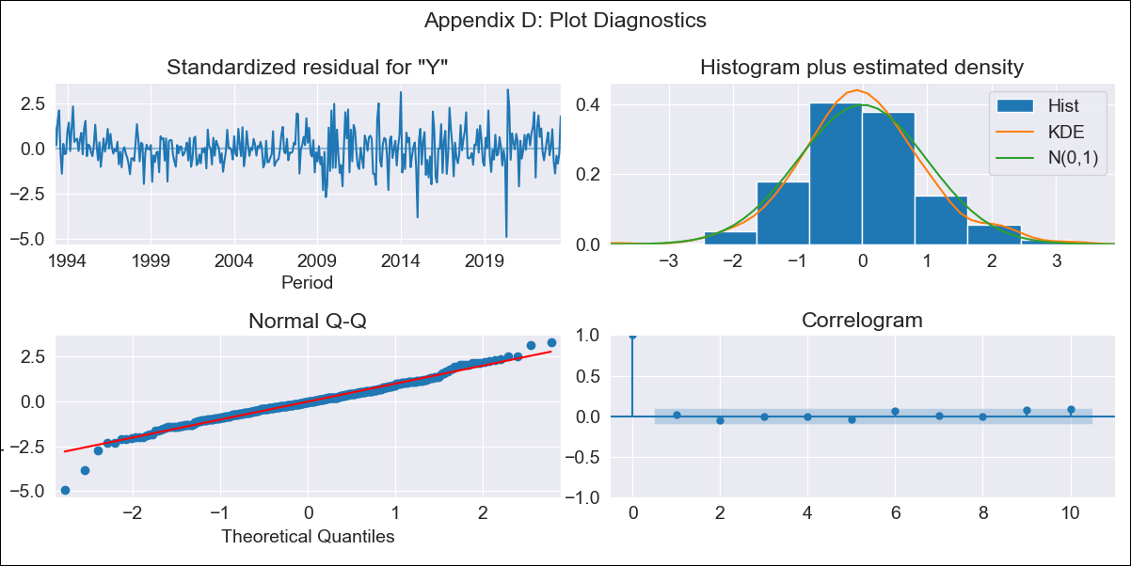

HNDlog-transformed - Inflation - Next 12 months forecast as of: 2023-08-01

Model | ARIMA - [(1, 1, 1), (0, 0, 2, 12)]
Training Data | 1991-01-01 to 2022-09-01
Test Data | 2022-09-01 to 2023-08-01

Date | Inflation Change YoY % | Lower Bound - 95% Confidence Interval | Upper Bound - 95% Confidence Interval
2023-09-01 | 5.84 | 5.11 | 6.68
2023-10-01 | 5.81 | 4.67 | 7.24
2023-11-01 | 5.64 | 4.19 | 7.6
2023-12-01 | 5.73 | 3.96 | 8.3
2024-01-01 | 5.8 | 3.75 | 8.98
2024-02-01 | 5.5 | 3.34 | 9.06
2024-03-01 | 5.64 | 3.23 | 9.83
2024-04-01 | 6.08 | 3.3 | 11.18
2024-05-01 | 6.36 | 3.29 | 12.3
2024-06-01 | 6.79 | 3.35 | 13.77
2024-07-01 | 7.07 | 3.33 | 14.97
2024-08-01 | 6.66 | 3.01 | 14.73

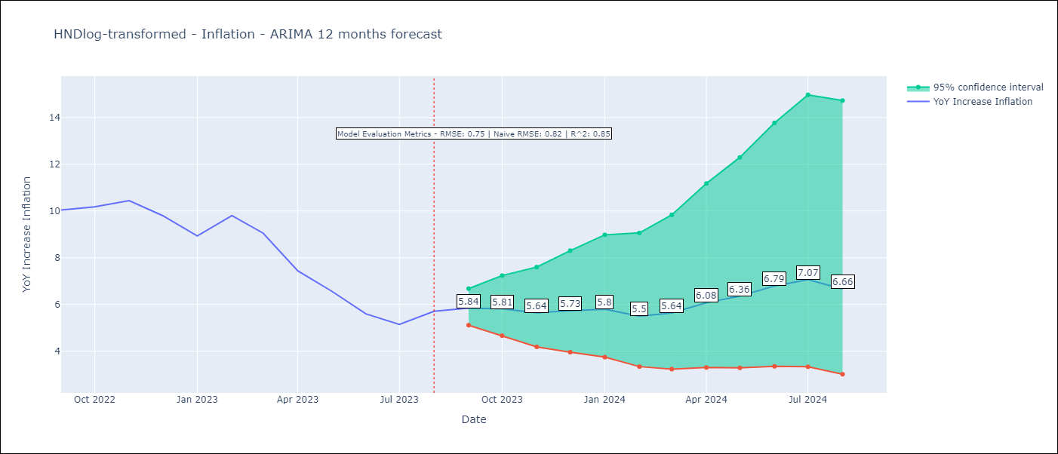

Test Metrics
RMSE | 0.75
Naive RMSE | 0.82
R^2 | 0.85

Test Predictions
Date | Predicted | Actual
2022-09-01 | 10.14 | 10.04
2022-10-01 | 10.02 | 10.18
2022-11-01 | 9.62 | 10.44
2022-12-01 | 9.08 | 9.8
2023-01-01 | 8.19 | 8.93
2023-02-01 | 8.28 | 9.8
2023-03-01 | 7.83 | 9.05
2023-04-01 | 7.08 | 7.44
2023-05-01 | 6.62 | 6.58
2023-06-01 | 6.15 | 5.6
2023-07-01 | 5.98 | 5.15
2023-08-01 | 6.05 | 5.71

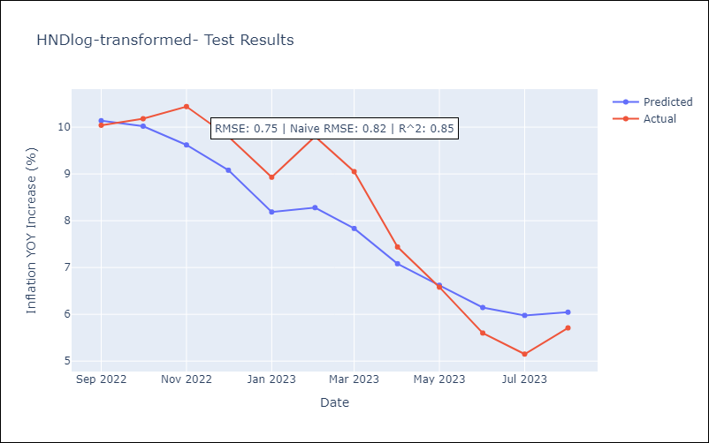

Appendix A: Model Summary
Model | ARIMA(1, 1, 1)x(0, 0, [1, 2], 12)
Sample | 01-01-1991- 08-01-2023
No. of Observations | 392
Terms | P-value (Statistical significance)
ar.L1 | 0.000
ma.L1 | 0.001
ma.S.L12 | 0.000
ma.S.L24 | 0.078
sigma2 | 0.000
Assumptions | P-value | Interpretation
Ljung-Box (L1) | 0.67 | Residuals are independent.
Heteroskedasticity | 0.00 | Residuals have different variances.
Jarque-Bera | 0.00 | Residuals are not normally distributed.
Skew | -0.17 | Negative skew - Model overestimates the mean.
Kurtosis | 5.04 | Residuals contain more extreme outliers than in a normal distribution.

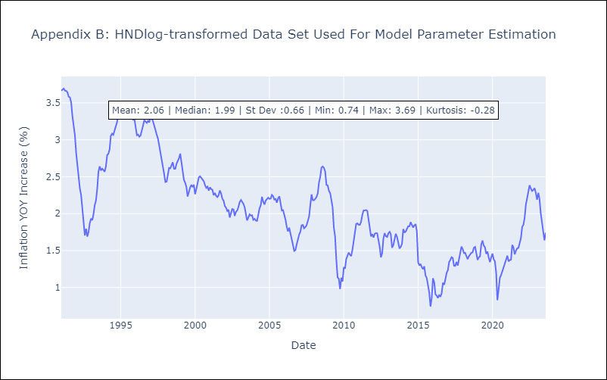

Appendix C: Residuals Analysis
Mean | 0.0
Variance | 0.04
White Noise? | No - Correlation at Lags [ 1 2 3 4 5 6 7 8 9 10 11 12]
Heteroskedastic? - ARCH | Yes
Normal? | No

DOMlog-transformed
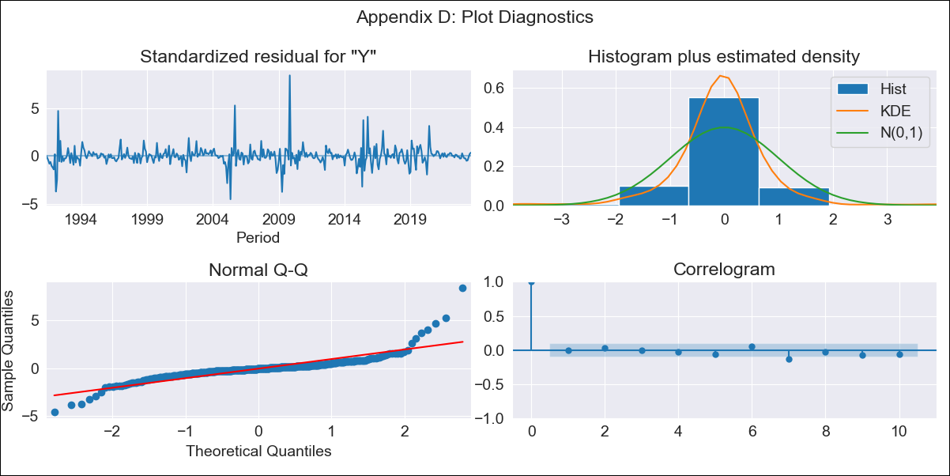
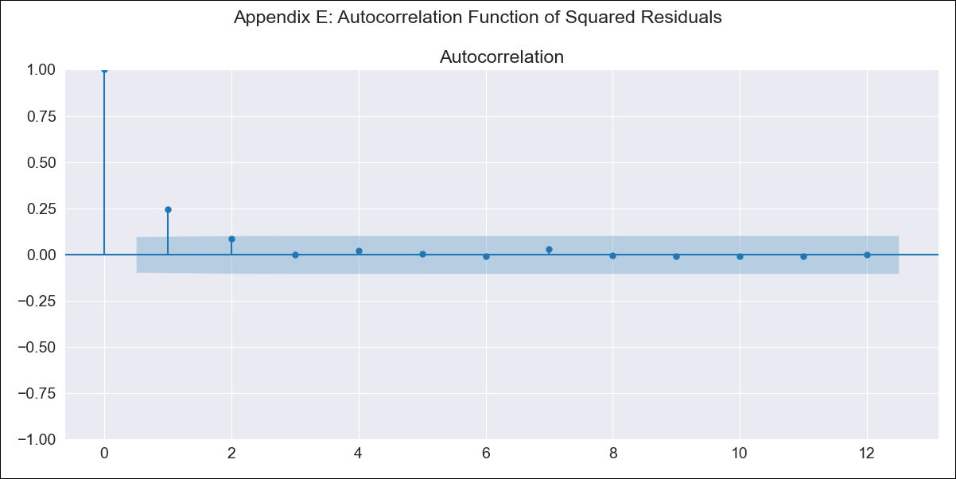
DOMlog-transformed - Inflation - Next 12 months forecast as of: 2023-08-01

Model | ARIMA - [(3, 1, 2), (0, 0, 1, 12)]
Training Data | 1990-01-01 to 2022-09-01
Test Data | 2022-09-01 to 2023-08-01

Date | Inflation Change YoY % | Lower Bound - 95% Confidence Interval | Upper Bound - 95% Confidence Interval
2023-09-01 | 4.44 | 2.5 | 7.91
2023-10-01 | 4.78 | 1.98 | 11.53
2023-11-01 | 5.07 | 1.64 | 15.64
2023-12-01 | 4.97 | 1.27 | 19.42
2024-01-01 | 4.8 | 0.98 | 23.51
2024-02-01 | 4.75 | 0.8 | 28.29
2024-03-01 | 4.89 | 0.7 | 34.04
2024-04-01 | 5.23 | 0.66 | 41.54
2024-05-01 | 5.54 | 0.62 | 49.9
2024-06-01 | 5.57 | 0.54 | 57.32
2024-07-01 | 5.39 | 0.46 | 63.48
2024-08-01 | 5.21 | 0.39 | 69.62

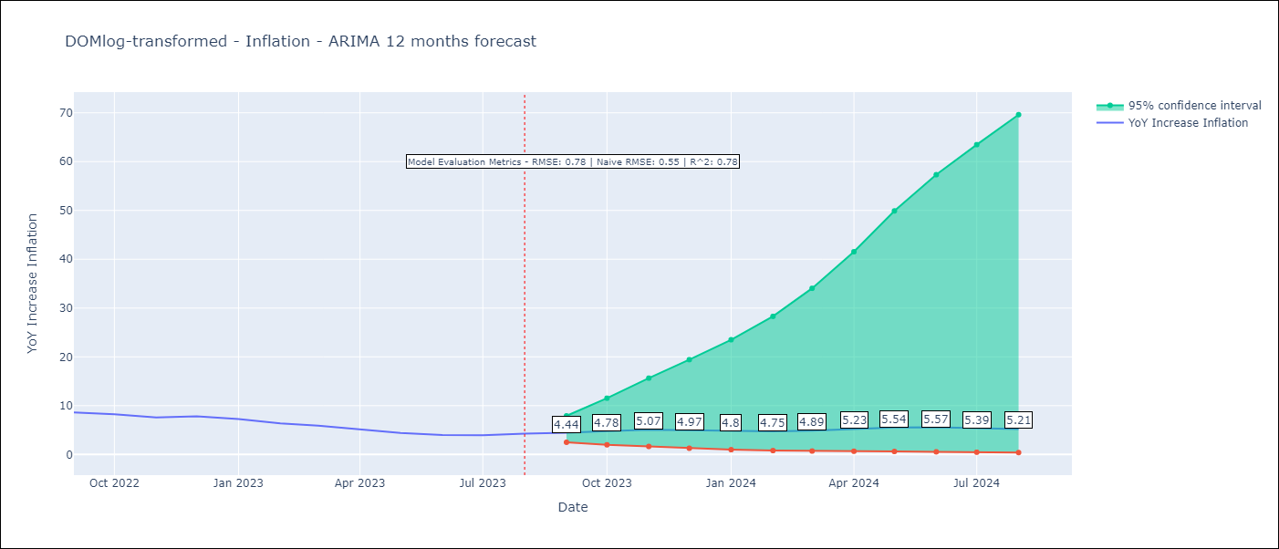

Test Metrics
RMSE | 0.78
Naive RMSE | 0.55
R^2 | 0.78

Test Predictions
Date | Predicted | Actual
2022-09-01 | 8.13 | 8.63
2022-10-01 | 7.54 | 8.24
2022-11-01 | 6.95 | 7.58
2022-12-01 | 6.51 | 7.83
2023-01-01 | 6.13 | 7.24
2023-02-01 | 5.8 | 6.38
2023-03-01 | 5.55 | 5.9
2023-04-01 | 5.3 | 5.15
2023-05-01 | 5.14 | 4.43
2023-06-01 | 4.99 | 4
2023-07-01 | 4.89 | 3.95
2023-08-01 | 4.84 | 4.27

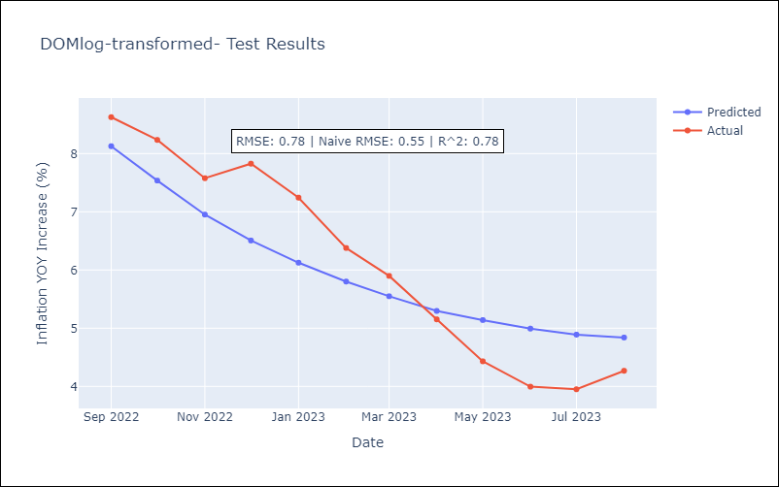

Appendix A: Model Summary
Model | ARIMA(3, 1, 2)x(0, 0, [1], 12)
Sample | 01-01-1990- 08-01-2023
No. of Observations | 404
Terms | P-value (Statistical significance)
ar.L1 | 0.000
ar.L2 | 0.000
ar.L3 | 0.000
ma.L1 | 0.917
ma.L2 | 0.958
ma.S.L12 | 0.000
sigma2 | 0.958
Assumptions | P-value | Interpretation
Ljung-Box (L1) | 0.88 | Residuals are independent.
Heteroskedasticity | 0.13 | Residuals have the same variance.
Jarque-Bera | 0.00 | Residuals are not normally distributed.
Skew | 1.86 | Positive skew - model underestimates the mean.
Kurtosis | 21.11 | Residuals contain more extreme outliers than in a normal distribution.

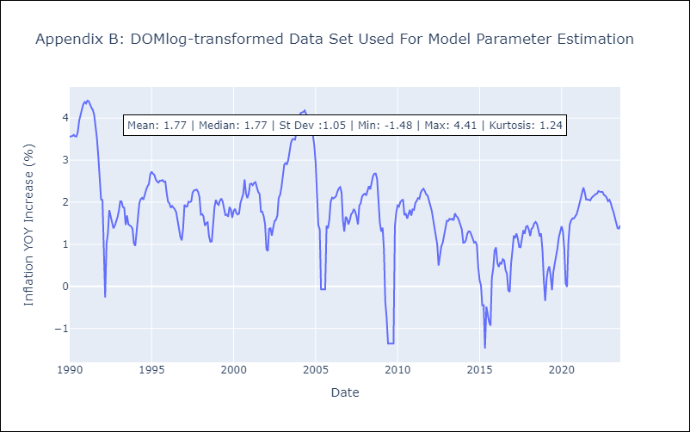

Appendix C: Residuals Analysis
Mean | 0.0
Variance | 0.13
White Noise? | No - Correlation at Lags [ 1 2 3 4 5 6 7 8 9 10 11 12]
Heteroskedastic? - ARCH | No
Normal? | No

ECUlog-transformed
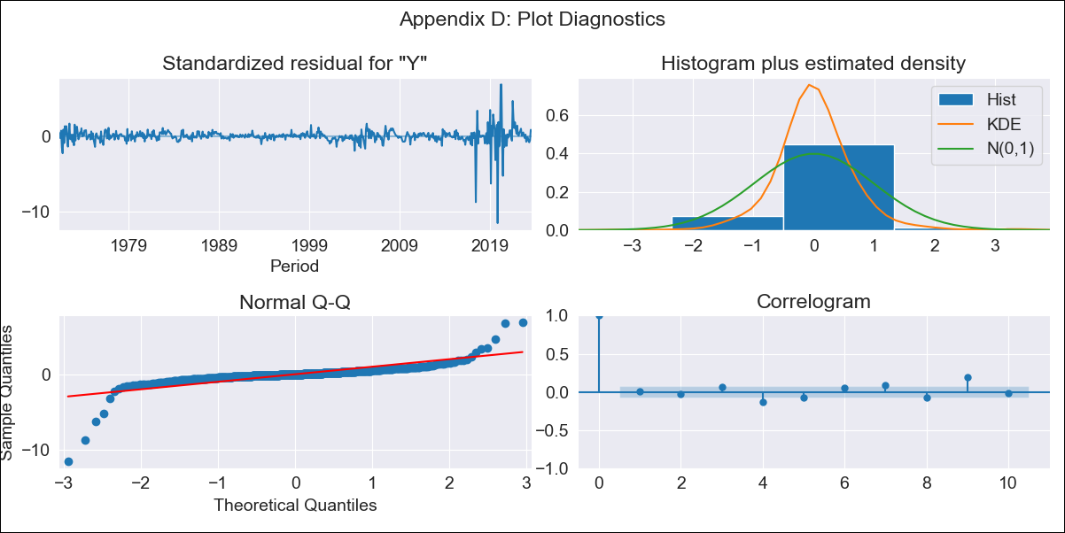
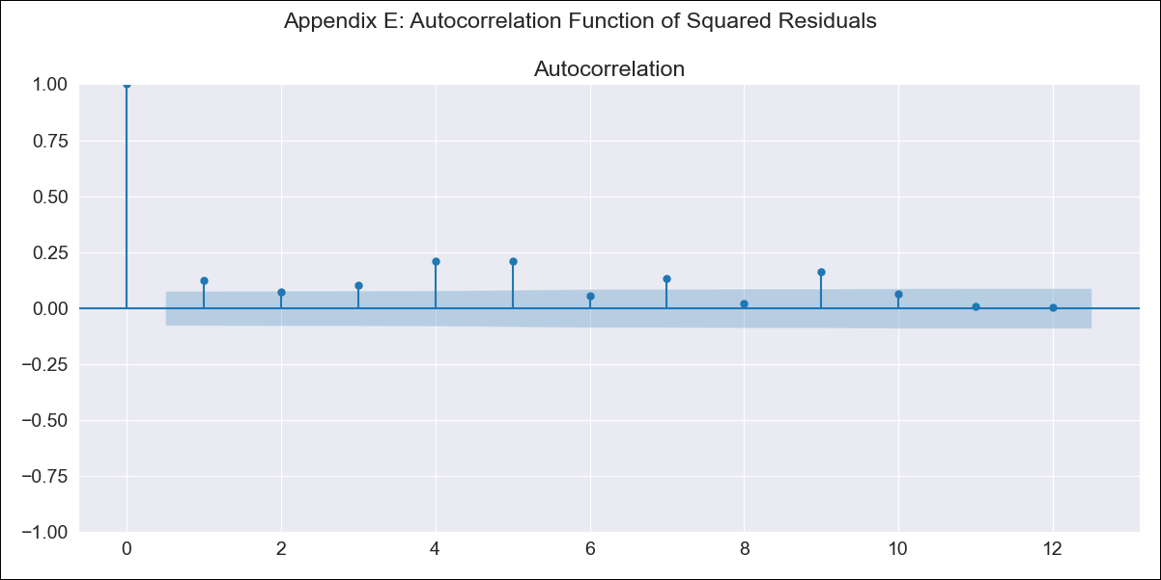
ECUlog-transformed - Inflation - Next 12 months forecast as of: 2023-08-01

Model | ARIMA - [(2, 1, 0), (1, 0, 0, 12)]
Training Data | 1970-01-01 to 2022-09-01
Test Data | 2022-09-01 to 2023-08-01

Date | Inflation Change YoY % | Lower Bound - 95% Confidence Interval | Upper Bound - 95% Confidence Interval
2023-09-01 | 2.53 | 1.65 | 3.89
2023-10-01 | 2.46 | 1.28 | 4.73
2023-11-01 | 2.47 | 1.13 | 5.43
2023-12-01 | 2.48 | 1.02 | 6.03
2024-01-01 | 2.53 | 0.95 | 6.78
2024-02-01 | 2.55 | 0.87 | 7.47
2024-03-01 | 2.56 | 0.81 | 8.12
2024-04-01 | 2.6 | 0.76 | 8.91
2024-05-01 | 2.67 | 0.72 | 9.81
2024-06-01 | 2.71 | 0.69 | 10.68
2024-07-01 | 2.65 | 0.63 | 11.13
2024-08-01 | 2.59 | 0.58 | 11.57

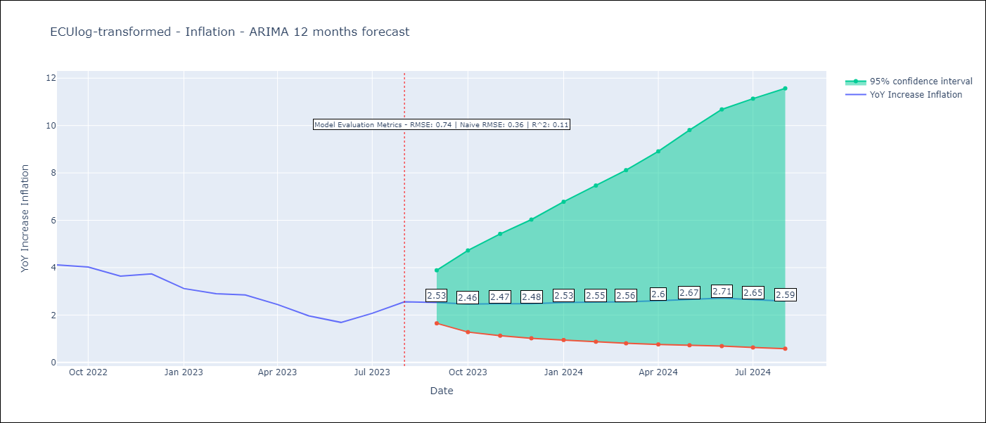

Test Metrics
RMSE | 0.74
Naive RMSE | 0.36
R^2 | 0.11

Test Predictions
Date | Predicted | Actual
2022-09-01 | 3.66 | 4.12
2022-10-01 | 3.49 | 4.02
2022-11-01 | 3.41 | 3.64
2022-12-01 | 3.39 | 3.74
2023-01-01 | 3.29 | 3.12
2023-02-01 | 3.26 | 2.9
2023-03-01 | 3.27 | 2.85
2023-04-01 | 3.24 | 2.44
2023-05-01 | 3.18 | 1.97
2023-06-01 | 3.1 | 1.69
2023-07-01 | 3.13 | 2.07
2023-08-01 | 3.14 | 2.56

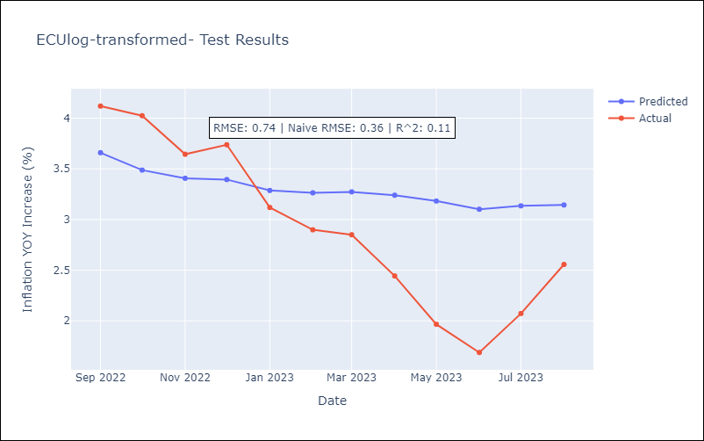

Appendix A: Model Summary
Model | ARIMA(2, 1, 0)x(1, 0, 0, 12)
Sample | 01-01-1970- 08-01-2023
No. of Observations | 644
Terms | P-value (Statistical significance)
ar.L1 | 0.000
ar.L2 | 0.000
ar.S.L12 | 0.003
sigma2 | 0.000
Assumptions | P-value | Interpretation
Ljung-Box (L1) | 0.84 | Residuals are independent.
Heteroskedasticity | 0.00 | Residuals have different variances.
Jarque-Bera | 0.00 | Residuals are not normally distributed.
Skew | -2.83 | Negative skew - Model overestimates the mean.
Kurtosis | 50.64 | Residuals contain more extreme outliers than in a normal distribution.

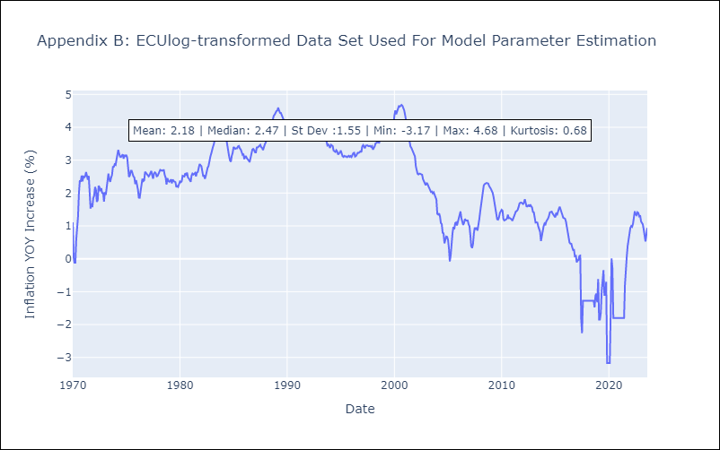

Appendix C: Residuals Analysis
Mean | 0.0
Variance | 0.05
White Noise? | No - Correlation at Lags [ 5 7 8 9 10 11 12]
Heteroskedastic? - ARCH | Yes
Normal? | No

BOLlog-transformed
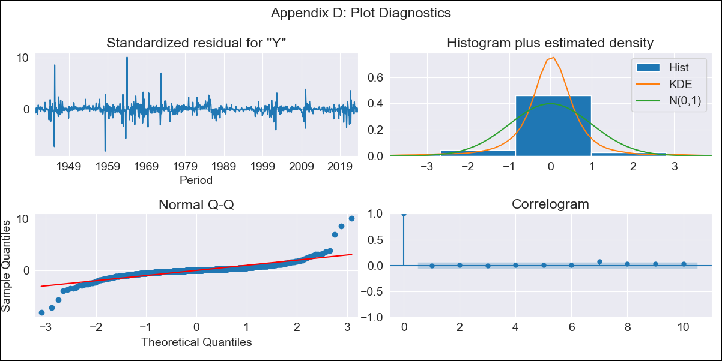
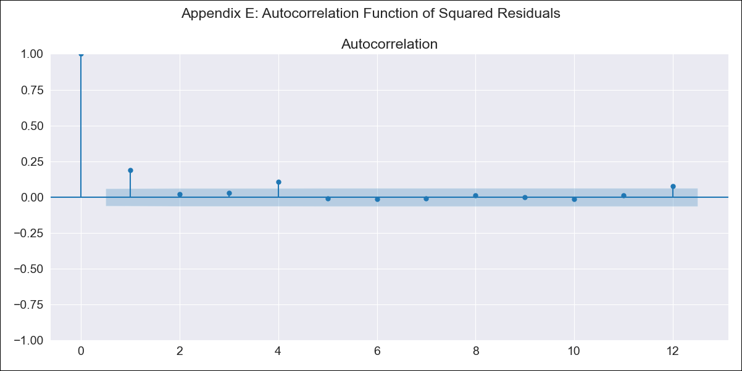
BOLlog-transformed - Inflation - Next 12 months forecast as of: 2023-08-01

Model | ARIMA - [(3, 0, 3), (2, 0, 0, 12)]
Training Data | 1938-01-01 to 2022-09-01
Test Data | 2022-09-01 to 2023-08-01

Date | Inflation Change YoY % | Lower Bound - 95% Confidence Interval | Upper Bound - 95% Confidence Interval
2023-09-01 | 2.33 | 1.17 | 4.64
2023-10-01 | 2.37 | 0.88 | 6.38
2023-11-01 | 2.14 | 0.63 | 7.33
2023-12-01 | 2.22 | 0.55 | 8.95
2024-01-01 | 2.33 | 0.51 | 10.72
2024-02-01 | 2.54 | 0.49 | 13.17
2024-03-01 | 2.57 | 0.44 | 14.89
2024-04-01 | 2.54 | 0.39 | 16.32
2024-05-01 | 2.37 | 0.33 | 16.75
2024-06-01 | 2.38 | 0.31 | 18.37
2024-07-01 | 2.39 | 0.28 | 20.06
2024-08-01 | 2.45 | 0.27 | 22.26

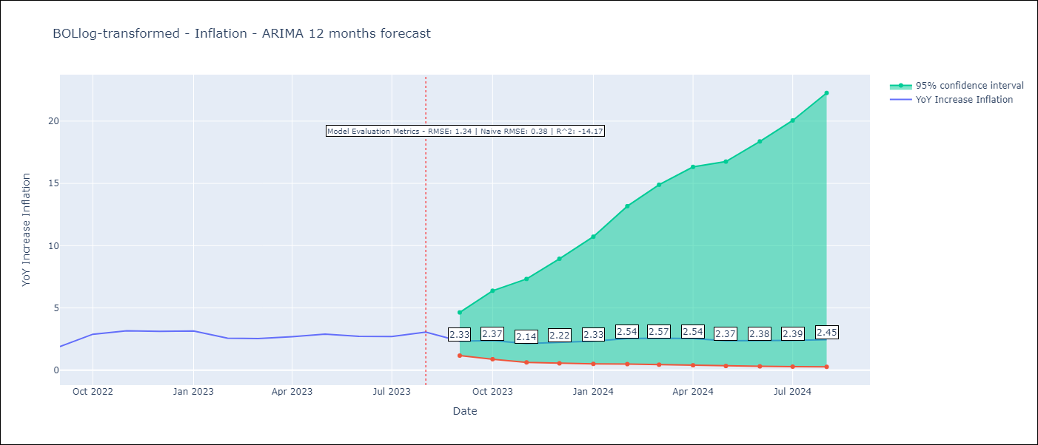

Test Metrics
RMSE | 1.34
Naive RMSE | 0.38
R^2 | -14.17

Test Predictions
Date | Predicted | Actual
2022-09-01 | 1.09 | 1.89
2022-10-01 | 1.5 | 2.89
2022-11-01 | 1.45 | 3.17
2022-12-01 | 1.36 | 3.12
2023-01-01 | 1.38 | 3.14
2023-02-01 | 1.42 | 2.57
2023-03-01 | 1.47 | 2.53
2023-04-01 | 1.57 | 2.7
2023-05-01 | 1.48 | 2.9
2023-06-01 | 1.63 | 2.73
2023-07-01 | 1.62 | 2.7
2023-08-01 | 1.81 | 3.06

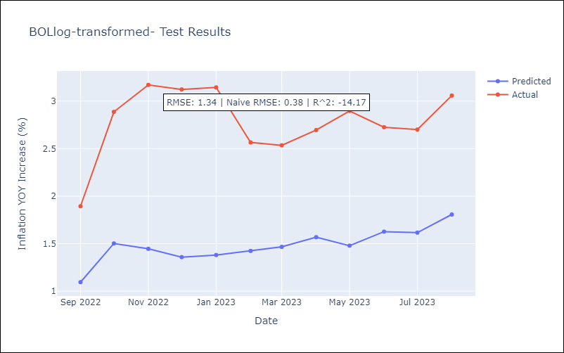

Appendix A: Model Summary
Model | ARIMA(3, 0, 3)x(2, 0, [], 12)
Sample | 01-01-1938- 08-01-2023
No. of Observations | 1028
Terms | P-value (Statistical significance)
const | 0.015
ar.L1 | 0.000
ar.L2 | 0.101
ar.L3 | 0.451
ma.L1 | 0.183
ma.L2 | 0.413
ma.L3 | 0.017
ar.S.L12 | 0.000
ar.S.L24 | 0.000
sigma2 | 0.000
Assumptions | P-value | Interpretation
Ljung-Box (L1) | 0.97 | Residuals are independent.
Heteroskedasticity | 0.00 | Residuals have different variances.
Jarque-Bera | 0.00 | Residuals are not normally distributed.
Skew | 0.77 | Positive skew - model underestimates the mean.
Kurtosis | 30.06 | Residuals contain more extreme outliers than in a normal distribution.

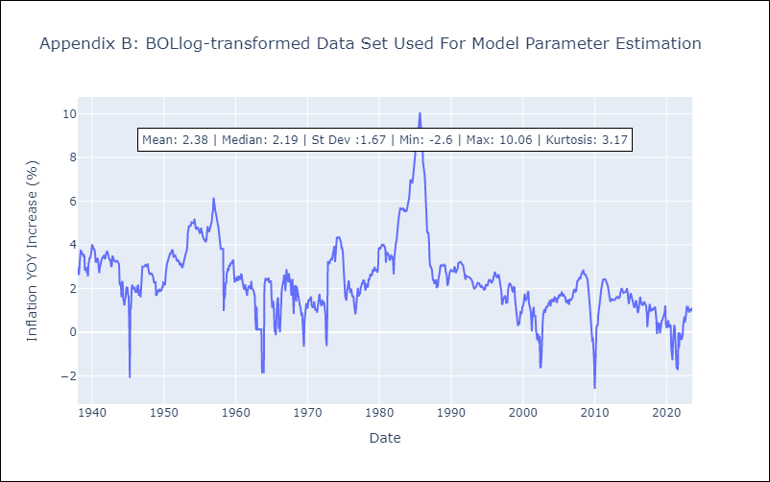

Appendix C: Residuals Analysis
Mean | 0.0
Variance | 0.12
White Noise? | Yes
Heteroskedastic? - ARCH | Yes
Normal? | No

CHLlog-transformed
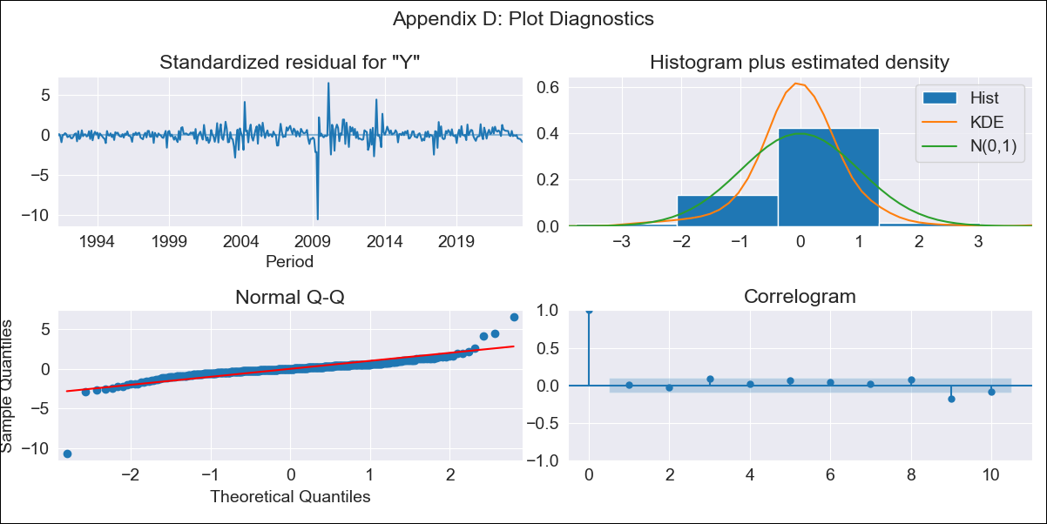

CHLlog-transformed - Inflation - Next 12 months forecast as of: 2023-08-01

Model | ARIMA - [(2, 1, 1), (1, 0, 0, 12)]
Training Data | 1990-01-01 to 2022-09-01
Test Data | 2022-09-01 to 2023-08-01

Date | Inflation Change YoY % | Lower Bound - 95% Confidence Interval | Upper Bound - 95% Confidence Interval
2023-09-01 | 5.16 | 3.73 | 7.15
2023-10-01 | 5.24 | 3.15 | 8.73
2023-11-01 | 5.19 | 2.71 | 9.92
2023-12-01 | 5.24 | 2.45 | 11.23
2024-01-01 | 5.3 | 2.24 | 12.54
2024-02-01 | 5.35 | 2.07 | 13.83
2024-03-01 | 5.46 | 1.95 | 15.29
2024-04-01 | 5.64 | 1.87 | 17.03
2024-05-01 | 5.85 | 1.81 | 18.95
2024-06-01 | 6.08 | 1.76 | 21.04
2024-07-01 | 6.36 | 1.73 | 23.43
2024-08-01 | 6.74 | 1.72 | 26.36

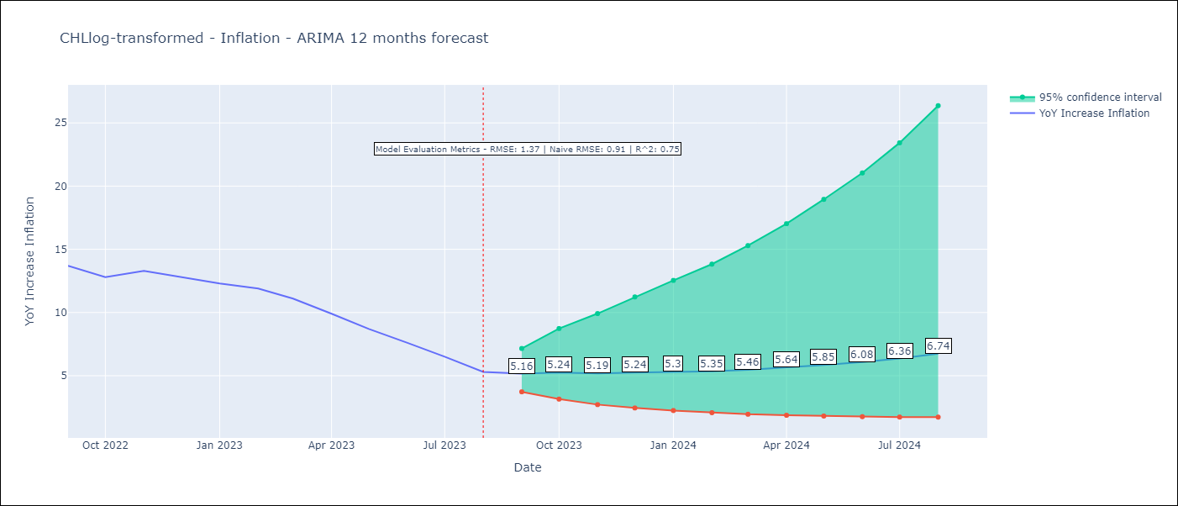

Test Metrics
RMSE | 1.37
Naive RMSE | 0.91
R^2 | 0.75

Test Predictions
Date | Predicted | Actual
2022-09-01 | 13.52 | 13.7
2022-10-01 | 12.63 | 12.8
2022-11-01 | 11.78 | 13.3
2022-12-01 | 11.06 | 12.8
2023-01-01 | 10.41 | 12.3
2023-02-01 | 9.9 | 11.9
2023-03-01 | 9.21 | 11.1
2023-04-01 | 8.68 | 9.9
2023-05-01 | 8.22 | 8.7
2023-06-01 | 7.81 | 7.6
2023-07-01 | 7.47 | 6.5
2023-08-01 | 7.13 | 5.3

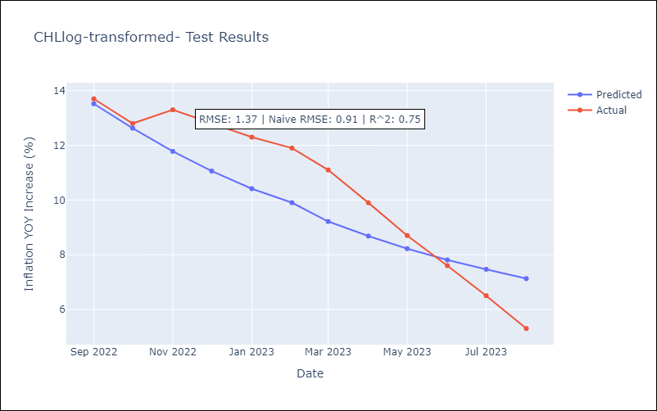

Appendix A: Model Summary
Model | ARIMA(2, 1, 1)x(1, 0, [], 12)
Sample | 01-01-1990- 08-01-2023
No. of Observations | 404
Terms | P-value (Statistical significance)
ar.L1 | 0.000
ar.L2 | 0.506
ma.L1 | 0.000
ar.S.L12 | 0.000
sigma2 | 0.000
Assumptions | P-value | Interpretation
Ljung-Box (L1) | 0.96 | Residuals are independent.
Heteroskedasticity | 0.00 | Residuals have different variances.
Jarque-Bera | 0.00 | Residuals are not normally distributed.
Skew | -2.13 | Negative skew - Model overestimates the mean.
Kurtosis | 39.81 | Residuals contain more extreme outliers than in a normal distribution.

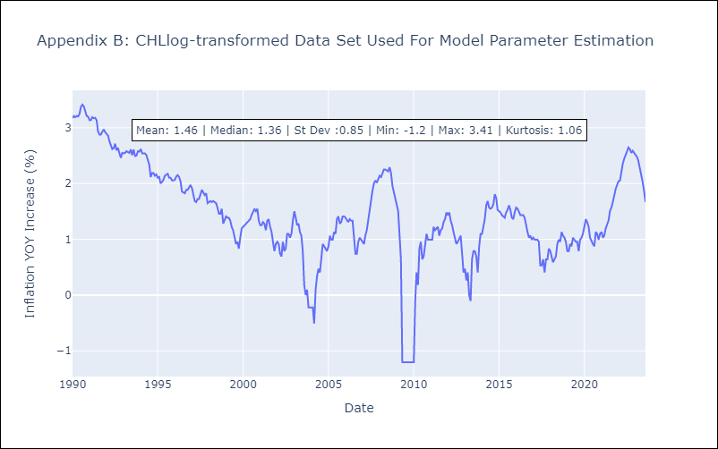

Appendix C: Residuals Analysis
Mean | 0.0
Variance | 0.05
White Noise? | Yes
Heteroskedastic? - ARCH | Yes
Normal? | No

GTMlog-transformed
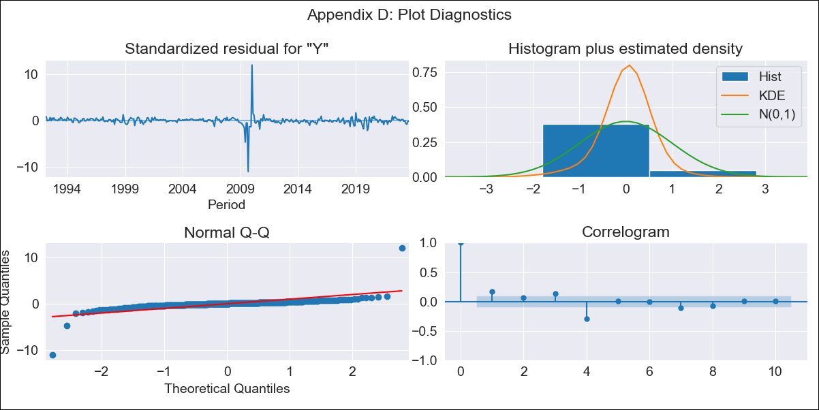
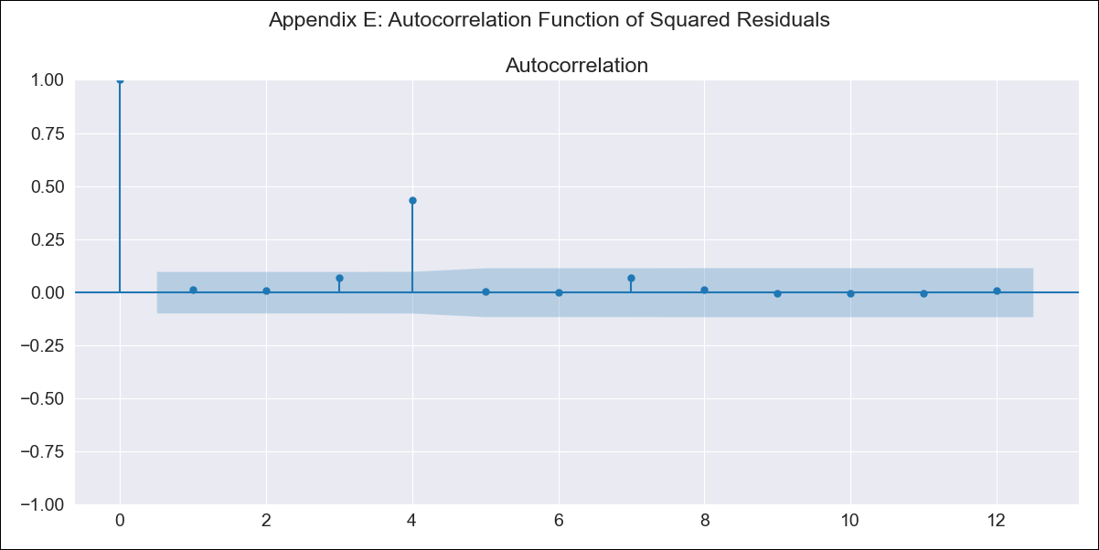
GTMlog-transformed - Inflation - Next 12 months forecast as of: 2023-08-01

Model | ARIMA - [(1, 0, 0), (1, 0, 0, 12)]
Training Data | 1991-01-01 to 2022-09-01
Test Data | 2022-09-01 to 2023-08-01

Date | Inflation Change YoY % | Lower Bound - 95% Confidence Interval | Upper Bound - 95% Confidence Interval
2023-09-01 | 4.5 | 2.56 | 7.92
2023-10-01 | 4.49 | 2.08 | 9.71
2023-11-01 | 4.56 | 1.83 | 11.36
2023-12-01 | 4.59 | 1.66 | 12.71
2024-01-01 | 4.59 | 1.53 | 13.82
2024-02-01 | 4.61 | 1.43 | 14.82
2024-03-01 | 4.72 | 1.39 | 16.03
2024-04-01 | 4.77 | 1.34 | 16.97
2024-05-01 | 4.96 | 1.34 | 18.31
2024-06-01 | 5.17 | 1.36 | 19.73
2024-07-01 | 5.26 | 1.34 | 20.59
2024-08-01 | 5.29 | 1.32 | 21.19

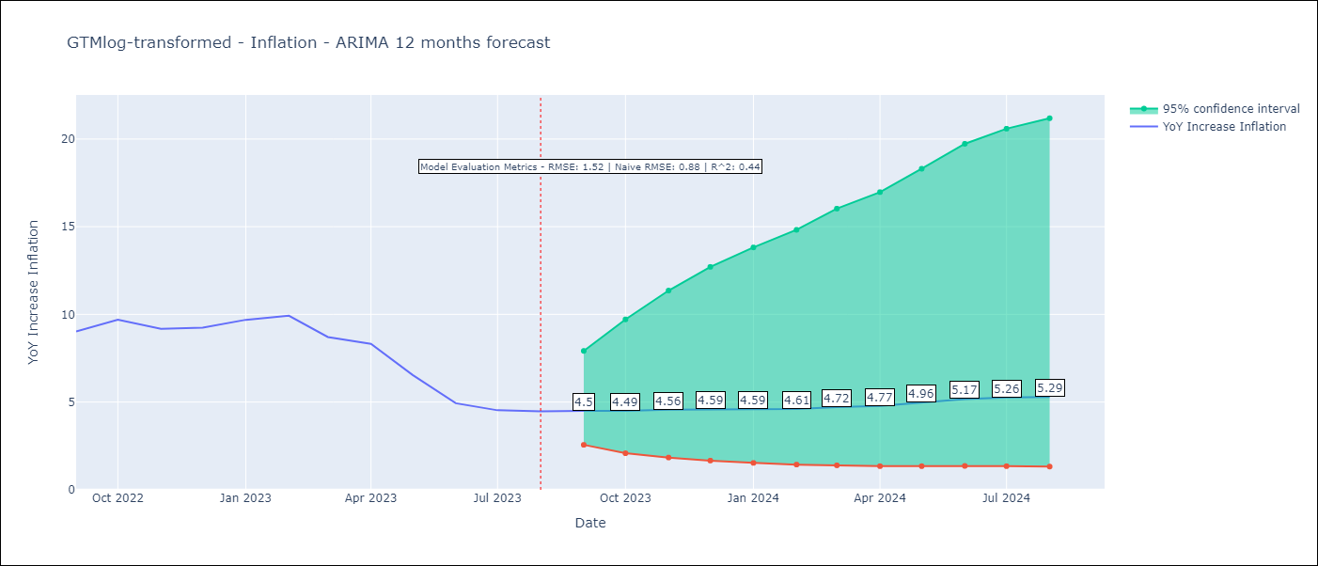

Test Metrics
RMSE | 1.52
Naive RMSE | 0.88
R^2 | 0.44

Test Predictions
Date | Predicted | Actual
2022-09-01 | 8.46 | 9.03
2022-10-01 | 8.34 | 9.7
2022-11-01 | 8.07 | 9.17
2022-12-01 | 7.78 | 9.24
2023-01-01 | 7.63 | 9.69
2023-02-01 | 7.42 | 9.92
2023-03-01 | 6.99 | 8.71
2023-04-01 | 6.78 | 8.32
2023-05-01 | 6.5 | 6.54
2023-06-01 | 6.22 | 4.93
2023-07-01 | 6.08 | 4.53
2023-08-01 | 5.97 | 4.47

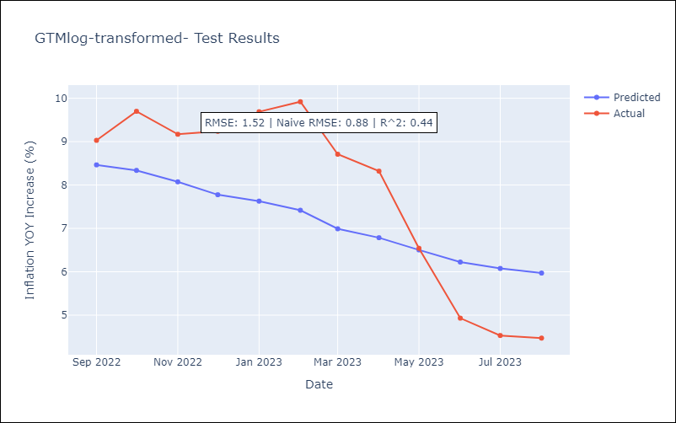

Appendix A: Model Summary
Model | ARIMA(1, 0, 0)x(1, 0, 0, 12)
Sample | 01-01-1991- 08-01-2023
No. of Observations | 392
Terms | P-value (Statistical significance)
const | 0.000
ar.L1 | 0.000
ar.S.L12 | 0.000
sigma2 | 0.000
Assumptions | P-value | Interpretation
Ljung-Box (L1) | 0.00 | Residuals are not independent.
Heteroskedasticity | 0.00 | Residuals have different variances.
Jarque-Bera | 0.00 | Residuals are not normally distributed.
Skew | 0.73 | Positive skew - model underestimates the mean.
Kurtosis | 96.74 | Residuals contain more extreme outliers than in a normal distribution.

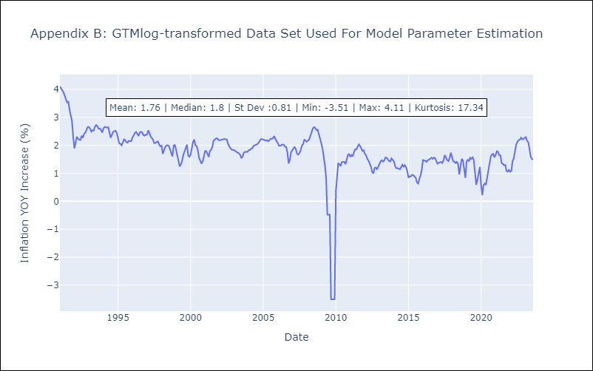

Appendix C: Residuals Analysis
Mean | 0.01
Variance | 0.1
White Noise? | No - Correlation at Lags [ 1 2 3 4 5 6 7 8 9 10 11 12]
Heteroskedastic? - ARCH | Yes
Normal? | No

SLVlog-transformed
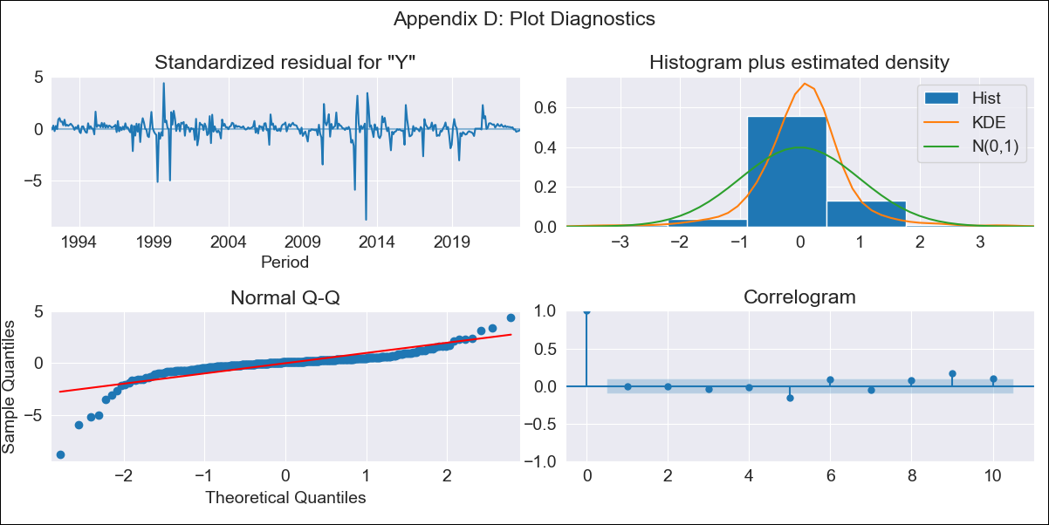
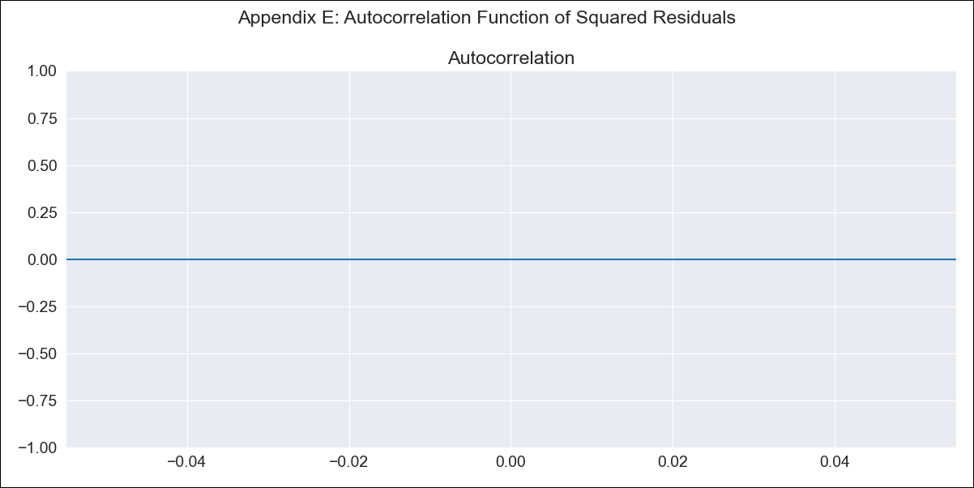
SLVlog-transformed - Inflation - Next 12 months forecast as of: 2023-08-01

Model | ARIMA - [(3, 0, 0), (0, 0, 1, 12)]
Training Data | 1991-01-01 to 2022-09-01
Test Data | 2022-09-01 to 2023-08-01

Date | Inflation Change YoY % | Lower Bound - 95% Confidence Interval | Upper Bound - 95% Confidence Interval
2023-09-01 | 3.04 | 1.19 | 7.81
2023-10-01 | 2.98 | 0.82 | 10.78
2023-11-01 | 2.9 | 0.67 | 12.57
2023-12-01 | 2.83 | 0.56 | 14.21
2024-01-01 | 2.78 | 0.49 | 15.84
2024-02-01 | 2.72 | 0.43 | 17.26
2024-03-01 | 2.7 | 0.39 | 18.75
2024-04-01 | 2.68 | 0.36 | 20.11
2024-05-01 | 2.69 | 0.34 | 21.59
2024-06-01 | 2.69 | 0.32 | 22.89
2024-07-01 | 2.69 | 0.3 | 24.04
2024-08-01 | 2.67 | 0.28 | 24.95

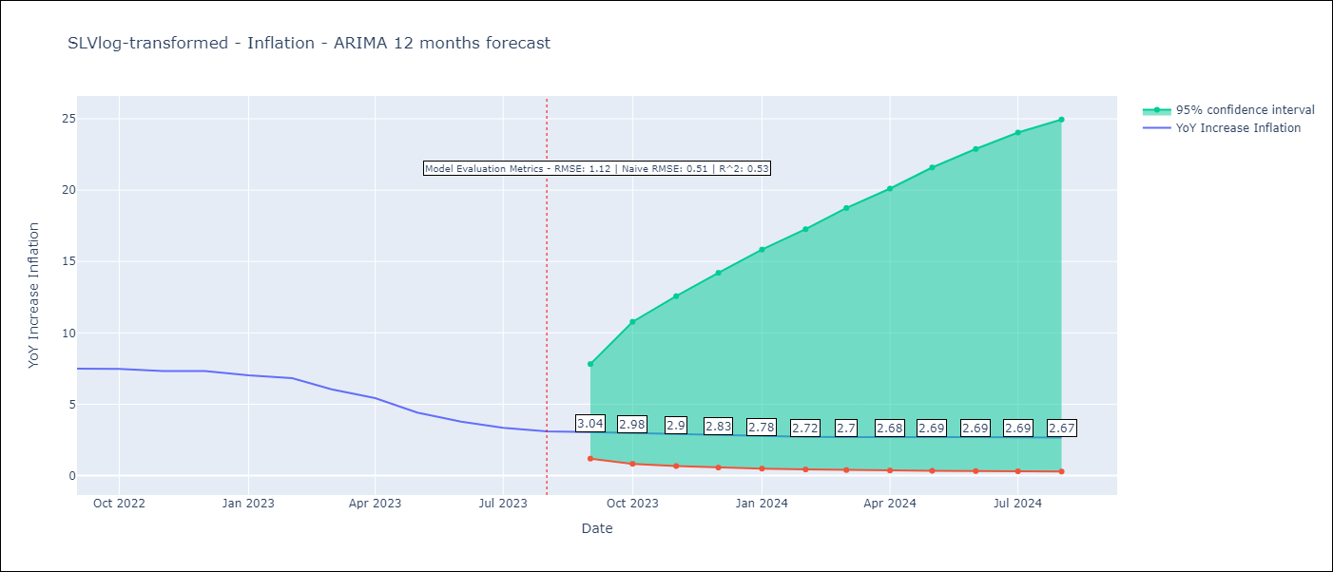

Test Metrics
RMSE | 1.12
Naive RMSE | 0.51
R^2 | 0.53

Test Predictions
Date | Predicted | Actual
2022-09-01 | 6.98 | 7.49
2022-10-01 | 6.3 | 7.47
2022-11-01 | 5.95 | 7.32
2022-12-01 | 5.78 | 7.32
2023-01-01 | 5.43 | 7.03
2023-02-01 | 5.11 | 6.82
2023-03-01 | 4.88 | 6.05
2023-04-01 | 4.69 | 5.43
2023-05-01 | 4.47 | 4.41
2023-06-01 | 4.3 | 3.78
2023-07-01 | 4.17 | 3.34
2023-08-01 | 4.02 | 3.09

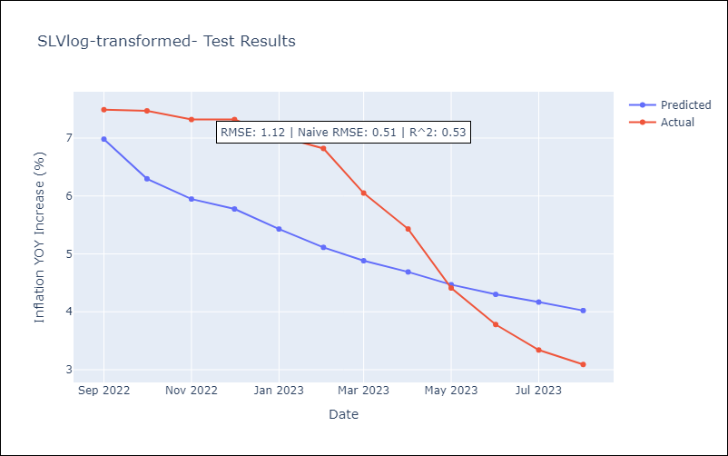

Appendix A: Model Summary
Model | ARIMA(3, 0, 0)x(0, 0, [1], 12)
Sample | 01-01-1991- 08-01-2023
No. of Observations | 392
Terms | P-value (Statistical significance)
const | 0.215
ar.L1 | 0.000
ar.L2 | 0.004
ar.L3 | 0.005
ma.S.L12 | 0.065
sigma2 | 0.000
Assumptions | P-value | Interpretation
Ljung-Box (L1) | 0.99 | Residuals are independent.
Heteroskedasticity | 0.07 | Residuals have the same variance.
Jarque-Bera | 0.00 | Residuals are not normally distributed.
Skew | -2.86 | Negative skew - Model overestimates the mean.
Kurtosis | 26.83 | Residuals contain more extreme outliers than in a normal distribution.

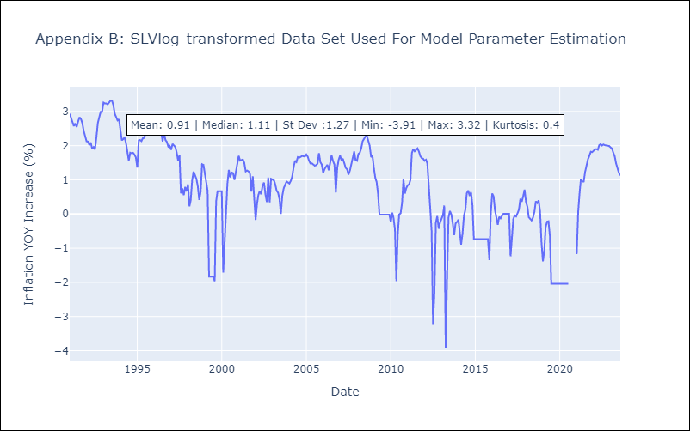

Appendix C: Residuals Analysis
Mean | 0.01
Variance | 0.24
White Noise? | Yes
Heteroskedastic? - ARCH | Yes
Normal? | Yes

BRAlog-transformed
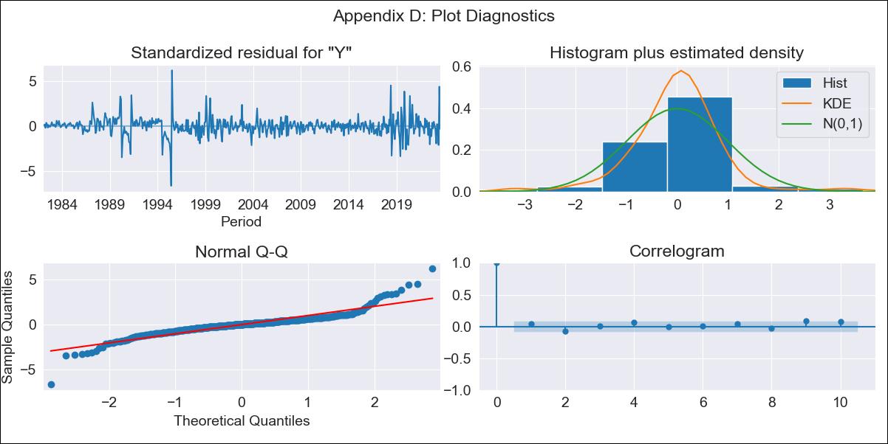

BRAlog-transformed - Inflation - Next 12 months forecast as of: 2023-08-01

Model | ARIMA - [(2, 0, 0), (0, 0, 1, 12)]
Training Data | 1980-12-01 to 2022-09-01
Test Data | 2022-09-01 to 2023-08-01

Date | Inflation Change YoY % | Lower Bound - 95% Confidence Interval | Upper Bound - 95% Confidence Interval
2023-09-01 | 5.11 | 4.3 | 6.08
2023-10-01 | 5.52 | 3.92 | 7.77
2023-11-01 | 5.84 | 3.5 | 9.74
2023-12-01 | 6.1 | 3.1 | 11.97
2024-01-01 | 6.3 | 2.75 | 14.43
2024-02-01 | 6.45 | 2.44 | 17.08
2024-03-01 | 6.55 | 2.17 | 19.84
2024-04-01 | 6.64 | 1.94 | 22.77
2024-05-01 | 6.72 | 1.75 | 25.85
2024-06-01 | 6.76 | 1.58 | 28.96
2024-07-01 | 6.85 | 1.45 | 32.45
2024-08-01 | 6.93 | 1.33 | 36.02

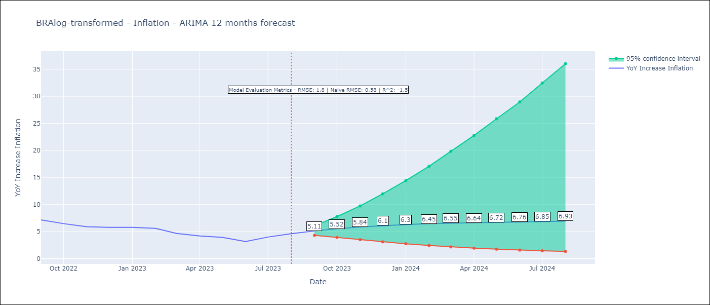

Test Metrics
RMSE | 1.8
Naive RMSE | 0.58
R^2 | -1.5

Test Predictions
Date | Predicted | Actual
2022-09-01 | 7.9 | 7.17
2022-10-01 | 7.37 | 6.47
2022-11-01 | 7.02 | 5.9
2022-12-01 | 6.78 | 5.79
2023-01-01 | 6.63 | 5.77
2023-02-01 | 6.53 | 5.6
2023-03-01 | 6.47 | 4.65
2023-04-01 | 6.44 | 4.18
2023-05-01 | 6.41 | 3.94
2023-06-01 | 6.41 | 3.16
2023-07-01 | 6.38 | 3.99
2023-08-01 | 6.37 | 4.61

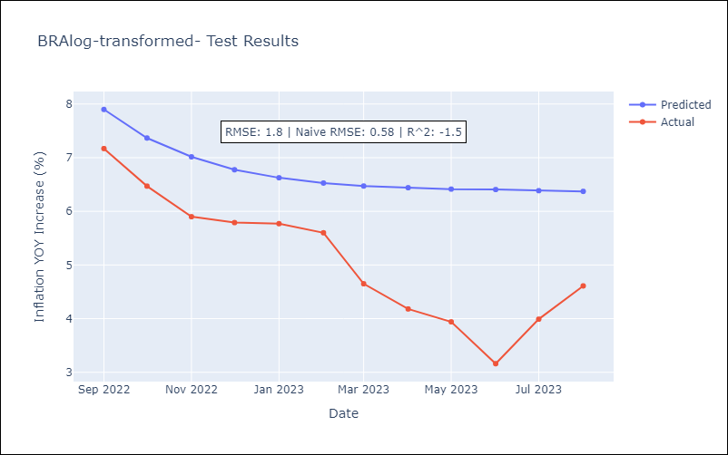

Appendix A: Model Summary
Model | ARIMA(2, 0, 0)x(0, 0, [1], 12)
Sample | 12-01-1980- 08-01-2023
No. of Observations | 513
Terms | P-value (Statistical significance)
const | 0.106
ar.L1 | 0.000
ar.L2 | 0.000
ma.S.L12 | 0.000
sigma2 | 0.000
Assumptions | P-value | Interpretation
Ljung-Box (L1) | 0.34 | Residuals are independent.
Heteroskedasticity | 0.11 | Residuals have the same variance.
Jarque-Bera | 0.00 | Residuals are not normally distributed.
Skew | 0.26 | Positive skew - model underestimates the mean.
Kurtosis | 11.99 | Residuals contain more extreme outliers than in a normal distribution.

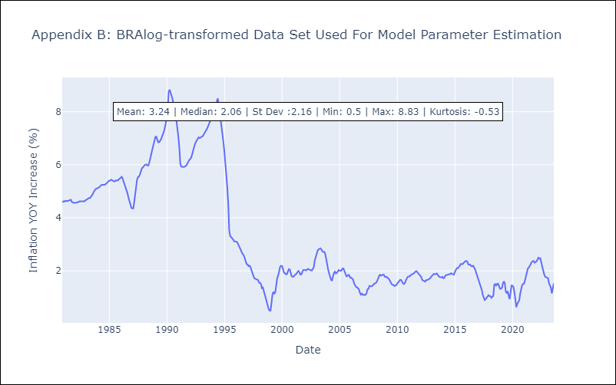

Appendix C: Residuals Analysis
Mean | 0.0
Variance | 0.02
White Noise? | No - Correlation at Lags [ 1 2 3 4 5 6 7 8 9 10 11 12]
Heteroskedastic? - ARCH | Yes
Normal? | No

NIClog-transformed
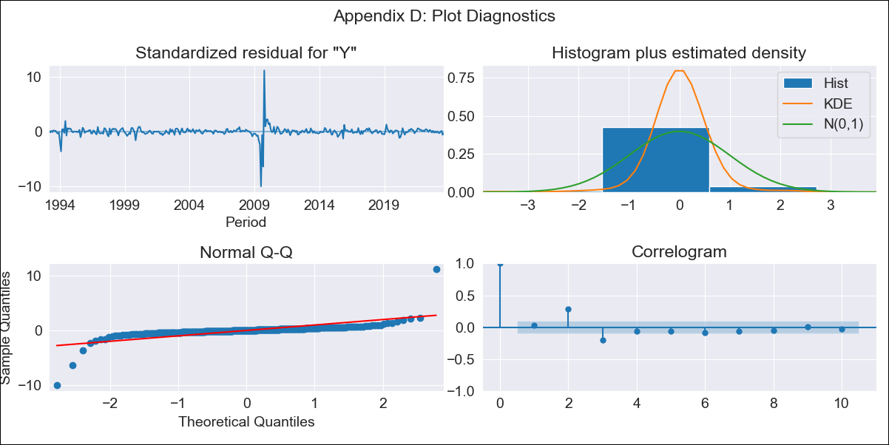

NIClog-transformed - Inflation - Next 12 months forecast as of: 2023-08-01

Model | ARIMA - [(2, 0, 1), (0, 0, 0, 12)]
Training Data | 1993-01-01 to 2022-09-01
Test Data | 2022-09-01 to 2023-08-01

Date | Inflation Change YoY % | Lower Bound - 95% Confidence Interval | Upper Bound - 95% Confidence Interval
2023-09-01 | 7.5 | 3.98 | 14.12
2023-10-01 | 7.49 | 3.15 | 17.83
2023-11-01 | 7.49 | 2.62 | 21.45
2023-12-01 | 7.49 | 2.24 | 25.09
2024-01-01 | 7.49 | 1.95 | 28.82
2024-02-01 | 7.49 | 1.72 | 32.67
2024-03-01 | 7.49 | 1.53 | 36.68
2024-04-01 | 7.49 | 1.37 | 40.85
2024-05-01 | 7.49 | 1.24 | 45.21
2024-06-01 | 7.49 | 1.13 | 49.76
2024-07-01 | 7.48 | 1.03 | 54.51
2024-08-01 | 7.48 | 0.94 | 59.48

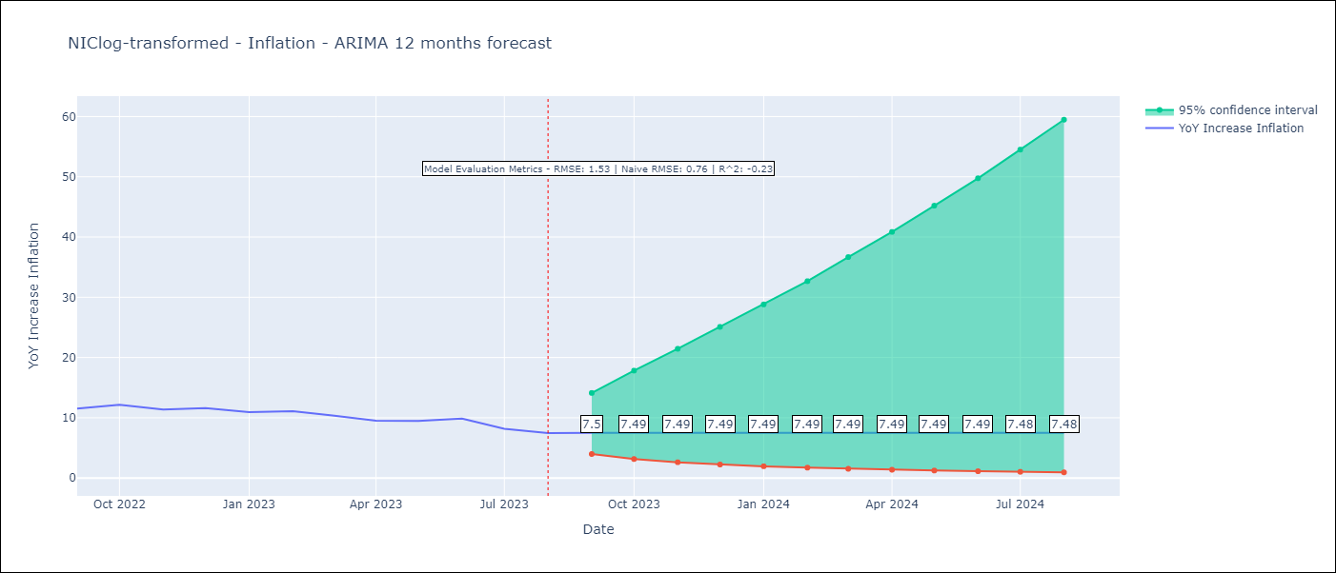

Test Metrics
RMSE | 1.53
Naive RMSE | 0.76
R^2 | -0.23

Test Predictions
Date | Predicted | Actual
2022-09-01 | 11.24 | 11.52
2022-10-01 | 10.57 | 12.16
2022-11-01 | 9.98 | 11.38
2022-12-01 | 9.52 | 11.59
2023-01-01 | 9.13 | 10.92
2023-02-01 | 8.8 | 11.1
2023-03-01 | 8.53 | 10.39
2023-04-01 | 8.3 | 9.53
2023-05-01 | 8.1 | 9.47
2023-06-01 | 7.94 | 9.87
2023-07-01 | 7.8 | 8.17
2023-08-01 | 7.68 | 7.46

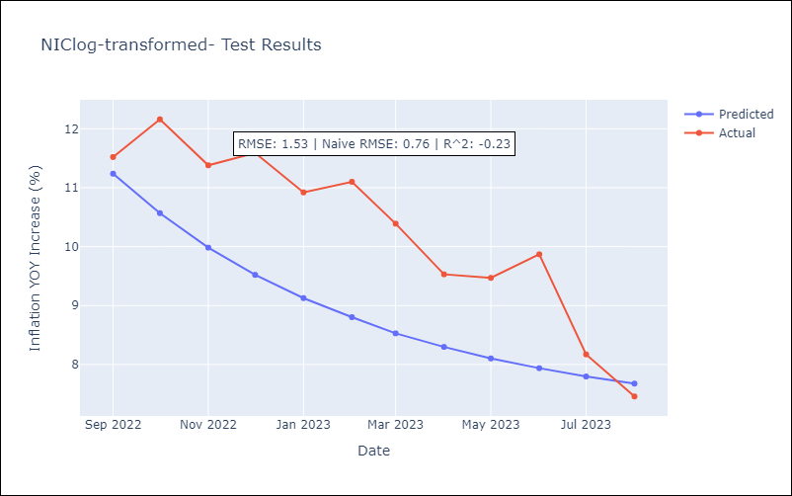

Appendix A: Model Summary
Model | ARIMA(2, 0, 1)
Sample | 01-01-1993- 08-01-2023
No. of Observations | 368
Terms | P-value (Statistical significance)
const | 0.000
ar.L1 | 0.000
ar.L2 | 0.001
ma.L1 | 0.000
sigma2 | 0.000
Assumptions | P-value | Interpretation
Ljung-Box (L1) | 0.62 | Residuals are independent.
Heteroskedasticity | 0.00 | Residuals have different variances.
Jarque-Bera | 0.00 | Residuals are not normally distributed.
Skew | 0.29 | Positive skew - model underestimates the mean.
Kurtosis | 76.86 | Residuals contain more extreme outliers than in a normal distribution.

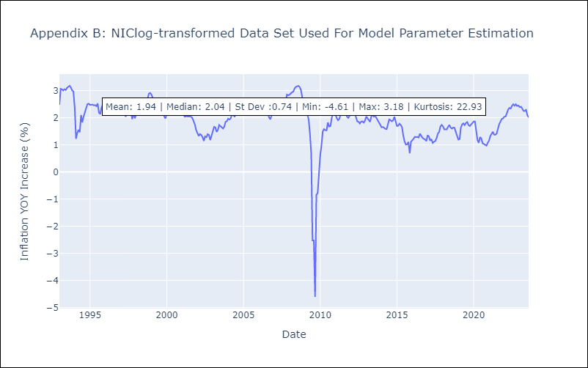

Appendix C: Residuals Analysis
Mean | -0.06
Variance | 1.04
White Noise? | Yes
Heteroskedastic? - ARCH | Yes
Normal? | No

PANlog-transformed
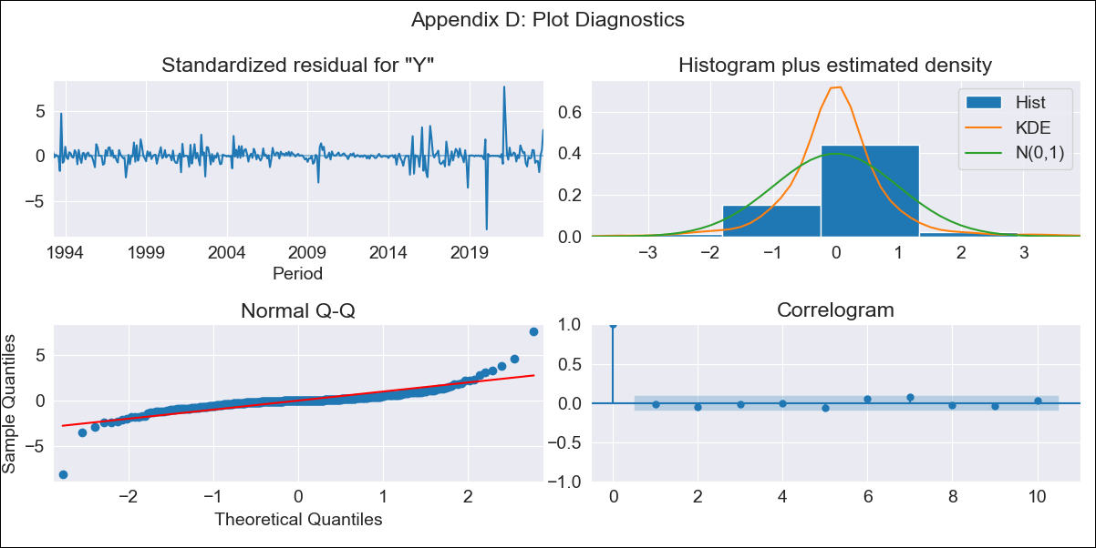

PANlog-transformed - Inflation - Next 12 months forecast as of: 2023-08-01

Model | ARIMA - [(1, 1, 1), (1, 0, 1, 12)]
Training Data | 1992-01-01 to 2022-08-01
Test Data | 2022-08-01 to 2023-08-01

Date | Inflation Change YoY % | Lower Bound - 95% Confidence Interval | Upper Bound - 95% Confidence Interval
2023-09-01 | 2.28 | 0.96 | 5.42
2023-10-01 | 2.28 | 0.66 | 7.9
2023-11-01 | 2.3 | 0.5 | 10.57
2023-12-01 | 2.25 | 0.39 | 13.13
2024-01-01 | 2.18 | 0.3 | 15.65
2024-02-01 | 2.29 | 0.26 | 19.9
2024-03-01 | 2.25 | 0.22 | 23.3
2024-04-01 | 2.26 | 0.19 | 27.48
2024-05-01 | 2.45 | 0.17 | 34.68
2024-06-01 | 2.44 | 0.15 | 39.81
2024-07-01 | 2.38 | 0.13 | 44.51
2024-08-01 | 2.1 | 0.1 | 44.9

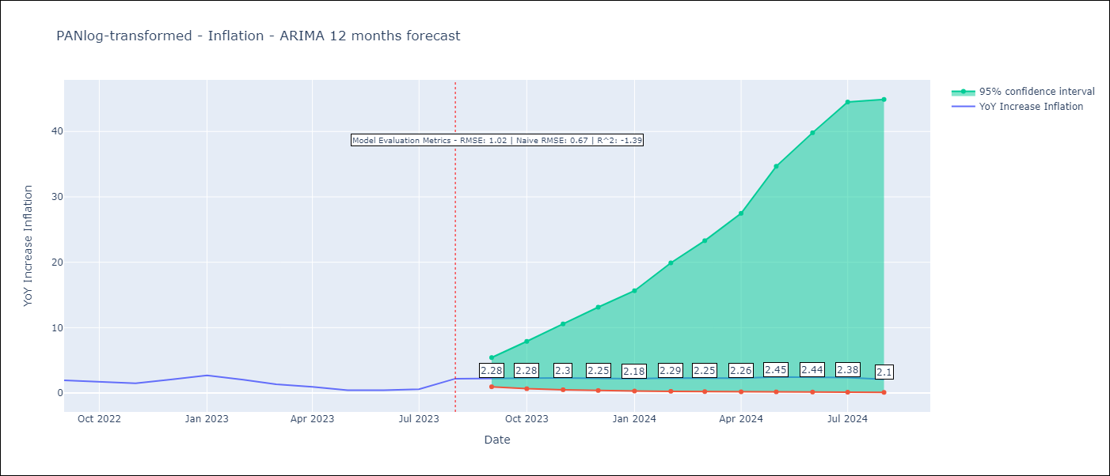

Test Metrics
RMSE | 1.02
Naive RMSE | 0.67
R^2 | -1.39

Test Predictions
Date | Predicted | Actual
2022-08-01 | 3.12 | 2.07
2022-09-01 | 2.85 | 1.93
2022-10-01 | 2.67 | 1.67
2022-11-01 | 2.53 | 1.49
2022-12-01 | 2.42 | 2.07
2023-01-01 | 2.36 | 2.71
2023-02-01 | 2.27 | 2.04
2023-03-01 | 2.26 | 1.35
2023-04-01 | 2.23 | 0.95
2023-05-01 | 2.21 | 0.42
2023-07-01 | 2.19 | 0.58
2023-08-01 | 2.18 | 2.2

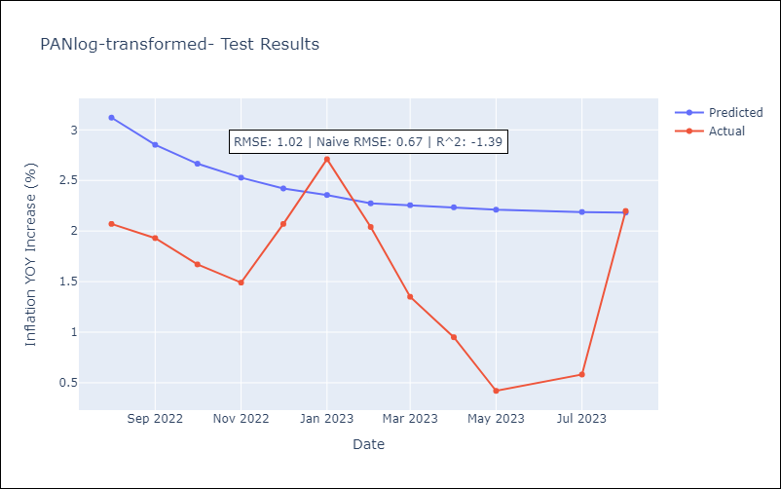

Appendix A: Model Summary
Model | ARIMA(1, 1, 1)x(1, 0, 1, 12)
Sample | 01-01-1992- 08-01-2023
No. of Observations | 380
Terms | P-value (Statistical significance)
ar.L1 | 0.925
ma.L1 | 0.917
ar.S.L12 | 0.103
ma.S.L12 | 0.017
sigma2 | 0.000
Assumptions | P-value | Interpretation
Ljung-Box (L1) | 0.83 | Residuals are independent.
Heteroskedasticity | 0.00 | Residuals have different variances.
Jarque-Bera | 0.00 | Residuals are not normally distributed.
Skew | 0.15 | Positive skew - model underestimates the mean.
Kurtosis | 25.52 | Residuals contain more extreme outliers than in a normal distribution.

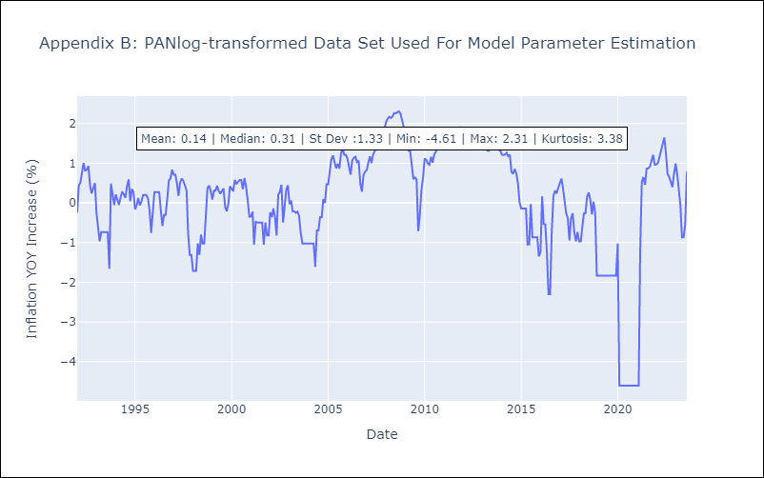

Appendix C: Residuals Analysis
Mean | 0.0
Variance | 0.2
White Noise? | Yes
Heteroskedastic? - ARCH | No
Normal? | No

CRIlog-transformed
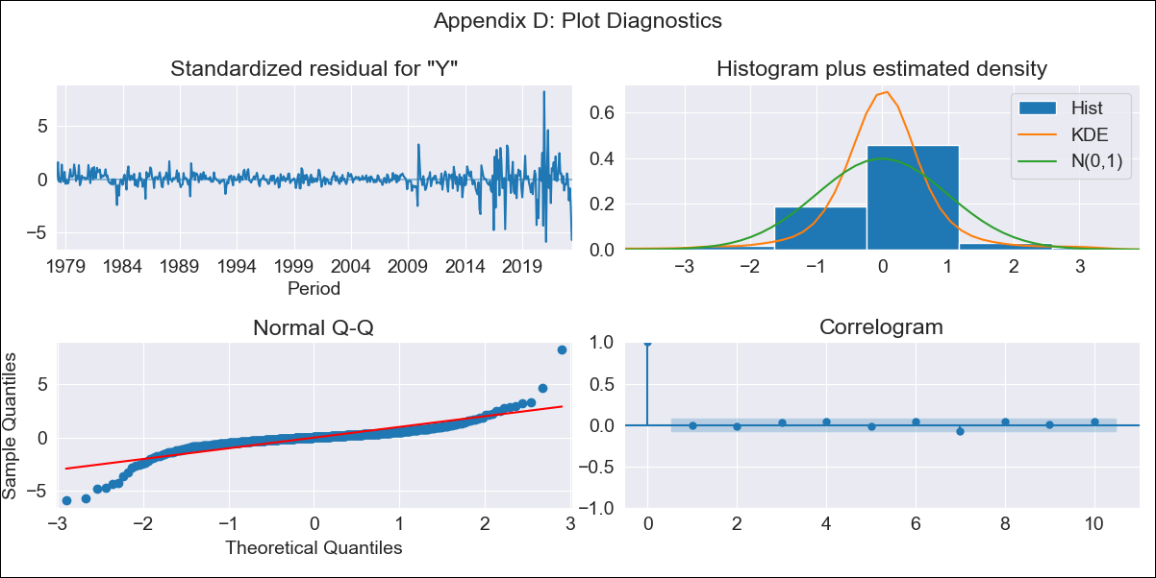
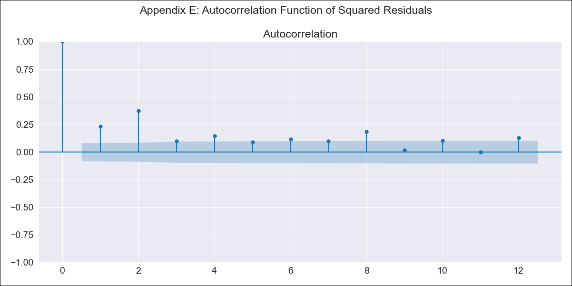
CRIlog-transformed - Inflation - Next 12 months forecast as of: 2023-05-01

Model | ARIMA - [(2, 0, 1), (0, 0, 1, 12)]
Training Data | 1977-01-01 to 2022-06-01
Test Data | 2022-06-01 to 2023-05-01

Date | Inflation Change YoY % | Lower Bound - 95% Confidence Interval | Upper Bound - 95% Confidence Interval
2023-06-01 | 0.69 | 0.51 | 0.94
2023-07-01 | 0.6 | 0.38 | 0.95
2023-08-01 | 0.52 | 0.29 | 0.94
2023-09-01 | 0.5 | 0.25 | 1.02
2023-10-01 | 0.48 | 0.21 | 1.1
2023-11-01 | 0.48 | 0.19 | 1.2
2023-12-01 | 0.45 | 0.16 | 1.26
2024-01-01 | 0.45 | 0.15 | 1.37
2024-02-01 | 0.5 | 0.15 | 1.65
2024-03-01 | 0.53 | 0.15 | 1.9
2024-04-01 | 0.62 | 0.16 | 2.41
2024-05-01 | 0.87 | 0.21 | 3.66

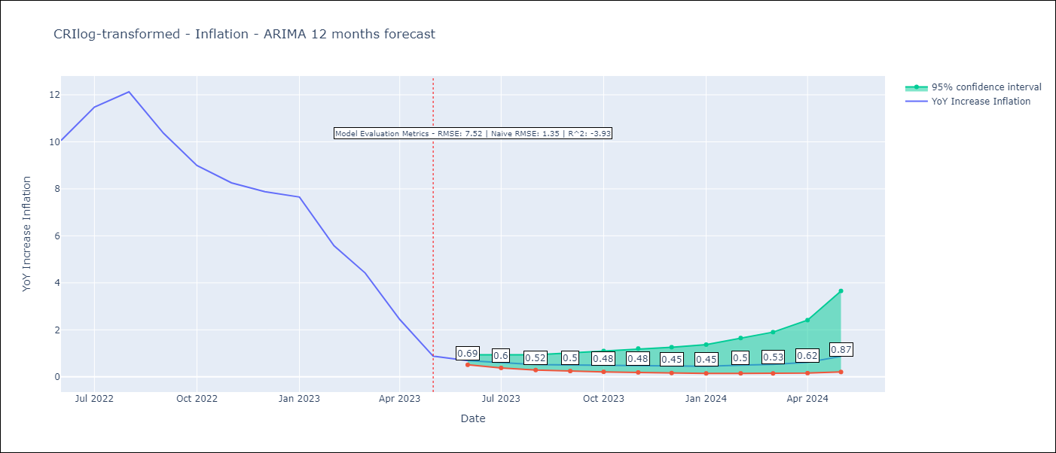

Test Metrics
RMSE | 7.52
Naive RMSE | 1.35
R^2 | -3.93

Test Predictions
Date | Predicted | Actual
2022-06-01 | 9.69 | 10.06
2022-07-01 | 10.3 | 11.48
2022-08-01 | 11.1 | 12.13
2022-09-01 | 11.84 | 10.37
2022-10-01 | 12.51 | 8.99
2022-11-01 | 13.21 | 8.26
2022-12-01 | 13.58 | 7.88
2023-01-01 | 13.98 | 7.65
2023-02-01 | 14.54 | 5.58
2023-03-01 | 14.88 | 4.42
2023-04-01 | 15.17 | 2.44
2023-05-01 | 15.43 | 0.88

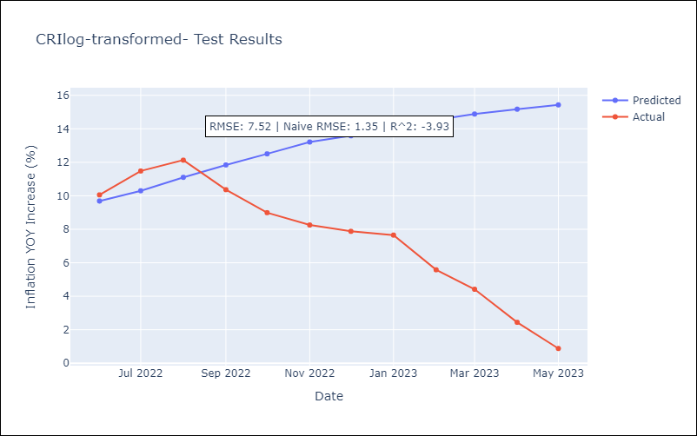

Appendix A: Model Summary
Model | ARIMA(2, 0, 1)x(0, 0, 1, 12)
Sample | 01-01-1977- 05-01-2023
No. of Observations | 557
Terms | P-value (Statistical significance)
const | 0.070
ar.L1 | 0.000
ar.L2 | 0.000
ma.L1 | 0.000
ma.S.L12 | 0.000
sigma2 | 0.000
Assumptions | P-value | Interpretation
Ljung-Box (L1) | 0.81 | Residuals are independent.
Heteroskedasticity | 0.00 | Residuals have different variances.
Jarque-Bera | 0.00 | Residuals are not normally distributed.
Skew | -0.14 | Negative skew - Model overestimates the mean.
Kurtosis | 18.88 | Residuals contain more extreme outliers than in a normal distribution.

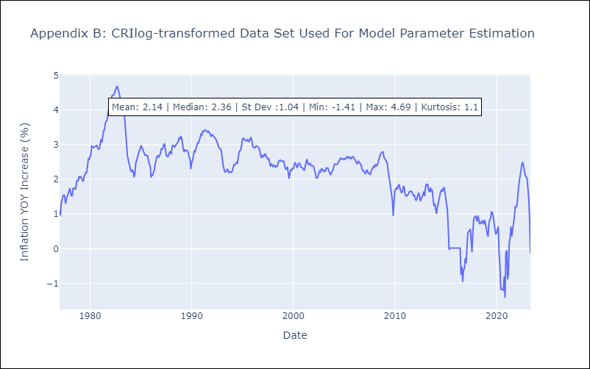

Appendix C: Residuals Analysis
Mean | -0.0
Variance | 0.03
White Noise? | Yes
Heteroskedastic? - ARCH | Yes
Normal? | No

PERlog-transformed


PERlog-transformed - Inflation - Next 12 months forecast as of: 2023-08-01

Model | ARIMA - [(2, 0, 0), (0, 0, 1, 12)]
Training Data | 1990-01-01 to 2022-09-01
Test Data | 2022-09-01 to 2023-08-01

Date | Inflation Change YoY % | Lower Bound - 95% Confidence Interval | Upper Bound - 95% Confidence Interval
2023-09-01 | 5.56 | 3.59 | 8.62
2023-10-01 | 5.36 | 2.7 | 10.65
2023-11-01 | 5.18 | 2.18 | 12.31
2023-12-01 | 5 | 1.83 | 13.69
2024-01-01 | 4.83 | 1.58 | 14.79
2024-02-01 | 4.67 | 1.39 | 15.72
2024-03-01 | 4.55 | 1.25 | 16.6
2024-04-01 | 4.47 | 1.14 | 17.47
2024-05-01 | 4.36 | 1.05 | 18.08
2024-06-01 | 4.37 | 1 | 19.11
2024-07-01 | 4.35 | 0.95 | 19.91
2024-08-01 | 4.28 | 0.9 | 20.42



Test Metrics
RMSE | 1.79
Naive RMSE | 0.51
R^2 | -1.66

Test Predictions
Date | Predicted | Actual
2022-09-01 | 8.33 | 8.79
2022-10-01 | 7.81 | 8.64
2022-11-01 | 7.41 | 8.64
2022-12-01 | 6.97 | 8.56
2023-01-01 | 6.72 | 8.87
2023-02-01 | 6.4 | 8.99
2023-03-01 | 6.05 | 8.67
2023-04-01 | 5.73 | 8.04
2023-05-01 | 5.5 | 7.99
2023-06-01 | 5.25 | 6.71
2023-07-01 | 5.08 | 6.02
2023-08-01 | 4.95 | 5.79



Appendix A: Model Summary
Model | ARIMA(2, 0, 0)x(0, 0, [1], 12)
Sample | 01-01-1990- 08-01-2023
No. of Observations | 404
Terms | P-value (Statistical significance)
const | 0.003
ar.L1 | 0.000
ar.L2 | 0.000
ma.S.L12 | 0.000
sigma2 | 0.000
Assumptions | P-value | Interpretation
Ljung-Box (L1) | 0.90 | Residuals are independent.
Heteroskedasticity | 0.00 | Residuals have different variances.
Jarque-Bera | 0.00 | Residuals are not normally distributed.
Skew | -1.48 | Negative skew - Model overestimates the mean.
Kurtosis | 22.89 | Residuals contain more extreme outliers than in a normal distribution.



Appendix C: Residuals Analysis
Mean | 0.02
Variance | 0.17
White Noise? | No - Correlation at Lags [ 1 2 5 7 8 9 10 11 12]
Heteroskedastic? - ARCH | Yes
Normal? | No

PRYlog-transformed


PRYlog-transformed - Inflation - Next 12 months forecast as of: 2023-08-01

Model | ARIMA - [(0, 1, 3), (2, 0, 1, 12)]
Training Data | 1965-01-01 to 2022-09-01
Test Data | 2022-09-01 to 2023-08-01

Date | Inflation Change YoY % | Lower Bound - 95% Confidence Interval | Upper Bound - 95% Confidence Interval
2023-09-01 | 3.2 | 1.48 | 6.91
2023-10-01 | 3.38 | 1.25 | 9.14
2023-11-01 | 3.37 | 1.08 | 10.52
2023-12-01 | 3.39 | 0.96 | 11.98
2024-01-01 | 3.4 | 0.86 | 13.47
2024-02-01 | 3.49 | 0.79 | 15.33
2024-03-01 | 3.54 | 0.73 | 17.13
2024-04-01 | 3.68 | 0.69 | 19.55
2024-05-01 | 3.71 | 0.64 | 21.49
2024-06-01 | 3.86 | 0.61 | 24.28
2024-07-01 | 4.03 | 0.59 | 27.47
2024-08-01 | 4.2 | 0.57 | 30.89



Test Metrics
RMSE | 2.13
Naive RMSE | 0.73
R^2 | -0.12

Test Predictions
Date | Predicted | Actual
2022-09-01 | 9.74 | 9.35
2022-10-01 | 9.06 | 8.07
2022-11-01 | 8.71 | 8.29
2022-12-01 | 8.96 | 8.12
2023-01-01 | 8.46 | 7.83
2023-02-01 | 8.18 | 6.88
2023-03-01 | 8.08 | 6.41
2023-04-01 | 7.71 | 5.25
2023-05-01 | 7.19 | 5.08
2023-06-01 | 6.94 | 4.24
2023-07-01 | 6.99 | 3.48
2023-08-01 | 7.07 | 2.9



Appendix A: Model Summary
Model | ARIMA(0, 1, 3)x(2, 0, [1], 12)
Sample | 01-01-1965- 08-01-2023
No. of Observations | 704
Terms | P-value (Statistical significance)
ma.L1 | 0.000
ma.L2 | 0.000
ma.L3 | 0.768
ar.S.L12 | 0.473
ar.S.L24 | 1.000
ma.S.L12 | 0.505
sigma2 | 0.000
Assumptions | P-value | Interpretation
Ljung-Box (L1) | 0.84 | Residuals are independent.
Heteroskedasticity | 0.00 | Residuals have different variances.
Jarque-Bera | 0.00 | Residuals are not normally distributed.
Skew | -1.58 | Negative skew - Model overestimates the mean.
Kurtosis | 33.30 | Residuals contain more extreme outliers than in a normal distribution.



Appendix C: Residuals Analysis
Mean | 0.0
Variance | 0.17
White Noise? | Yes
Heteroskedastic? - ARCH | Yes
Normal? | No

COLlog-transformed


COLlog-transformed - Inflation - Next 12 months forecast as of: 2023-08-01

Model | ARIMA - [(2, 1, 1), (3, 0, 0, 12)]
Training Data | 1955-09-01 to 2022-09-01
Test Data | 2022-09-01 to 2023-08-01

Date | Inflation Change YoY % | Lower Bound - 95% Confidence Interval | Upper Bound - 95% Confidence Interval
2023-09-01 | 11.17 | 9.78 | 12.77
2023-10-01 | 10.91 | 8.57 | 13.89
2023-11-01 | 10.53 | 7.53 | 14.74
2023-12-01 | 10.05 | 6.62 | 15.26
2024-01-01 | 9.46 | 5.8 | 15.43
2024-02-01 | 9.12 | 5.25 | 15.84
2024-03-01 | 8.97 | 4.87 | 16.51
2024-04-01 | 8.8 | 4.53 | 17.08
2024-05-01 | 8.66 | 4.25 | 17.67
2024-06-01 | 8.54 | 4 | 18.24
2024-07-01 | 8.49 | 3.81 | 18.94
2024-08-01 | 8.42 | 3.62 | 19.57



Test Metrics
RMSE | 4.02
Naive RMSE | 0.41
R^2 | -35.11

Test Predictions
Date | Predicted | Actual
2022-09-01 | 11.15 | 11.44
2022-10-01 | 11.69 | 12.22
2022-11-01 | 11.46 | 12.53
2022-12-01 | 10.87 | 13.12
2023-01-01 | 9.77 | 13.25
2023-02-01 | 9.09 | 13.28
2023-03-01 | 8.84 | 13.34
2023-04-01 | 7.95 | 12.82
2023-05-01 | 7.04 | 12.36
2023-06-01 | 6.76 | 12.13
2023-07-01 | 6.46 | 11.78
2023-08-01 | 6.08 | 11.43



Appendix A: Model Summary
Model | ARIMA(2, 1, 1)x(3, 0, [], 12)
Sample | 09-01-1955- 08-01-2023
No. of Observations | 816
Terms | P-value (Statistical significance)
ar.L1 | 0.660
ar.L2 | 0.927
ma.L1 | 0.947
ar.S.L12 | 0.000
ar.S.L24 | 0.000
ar.S.L36 | 0.004
sigma2 | 0.000
Assumptions | P-value | Interpretation
Ljung-Box (L1) | 0.98 | Residuals are independent.
Heteroskedasticity | 0.00 | Residuals have different variances.
Jarque-Bera | 0.00 | Residuals are not normally distributed.
Skew | 0.36 | Positive skew - model underestimates the mean.
Kurtosis | 7.97 | Residuals contain more extreme outliers than in a normal distribution.



Appendix C: Residuals Analysis
Mean | 0.0
Variance | 0.01
White Noise? | No - Correlation at Lags [ 6 7 8 9 10 11 12]
Heteroskedastic? - ARCH | Yes
Normal? | No

URYlog-transformed


URYlog-transformed - Inflation - Next 12 months forecast as of: 2023-08-01

Model | ARIMA - [(0, 1, 1), (0, 0, 1, 12)]
Training Data | 1938-07-01 to 2022-09-01
Test Data | 2022-09-01 to 2023-08-01

Date | Inflation Change YoY % | Lower Bound - 95% Confidence Interval | Upper Bound - 95% Confidence Interval
2023-09-01 | 4.12 | 2.36 | 7.19
2023-10-01 | 4.2 | 1.96 | 8.99
2023-11-01 | 4.26 | 1.7 | 10.72
2023-12-01 | 4.28 | 1.49 | 12.34
2024-01-01 | 4.31 | 1.33 | 14.01
2024-02-01 | 4.35 | 1.2 | 15.79
2024-03-01 | 4.37 | 1.09 | 17.55
2024-04-01 | 4.34 | 0.99 | 19.16
2024-05-01 | 4.42 | 0.92 | 21.27
2024-06-01 | 4.59 | 0.88 | 24.04
2024-07-01 | 4.83 | 0.85 | 27.37
2024-08-01 | 5 | 0.82 | 30.59



Test Metrics
RMSE | 2.52
Naive RMSE | 0.67
R^2 | -1.43

Test Predictions
Date | Predicted | Actual
2022-09-01 | 9.54 | 9.95
2022-10-01 | 9.45 | 9.05
2022-11-01 | 9.46 | 8.46
2022-12-01 | 9.45 | 8.29
2023-01-01 | 9.43 | 8.05
2023-02-01 | 9.31 | 7.55
2023-03-01 | 9.25 | 7.33
2023-04-01 | 9.29 | 7.61
2023-05-01 | 9.29 | 7.1
2023-06-01 | 9.28 | 5.98
2023-07-01 | 9.25 | 4.79
2023-08-01 | 9.24 | 4.11



Appendix A: Model Summary
Model | ARIMA(0, 1, 1)x(0, 0, 1, 12)
Sample | 07-01-1938- 08-01-2023
No. of Observations | 1022
Terms | P-value (Statistical significance)
ma.L1 | 0.000
ma.S.L12 | 0.000
sigma2 | 0.000
Assumptions | P-value | Interpretation
Ljung-Box (L1) | 1.00 | Residuals are independent.
Heteroskedasticity | 0.00 | Residuals have different variances.
Jarque-Bera | 0.00 | Residuals are not normally distributed.
Skew | -1.50 | Negative skew - Model overestimates the mean.
Kurtosis | 58.80 | Residuals contain more extreme outliers than in a normal distribution.



Appendix C: Residuals Analysis
Mean | 0.0
Variance | 0.09
White Noise? | No - Correlation at Lags [ 4 5 6 7 8 9 10 11 12]
Heteroskedastic? - ARCH | Yes
Normal? | No

