per11
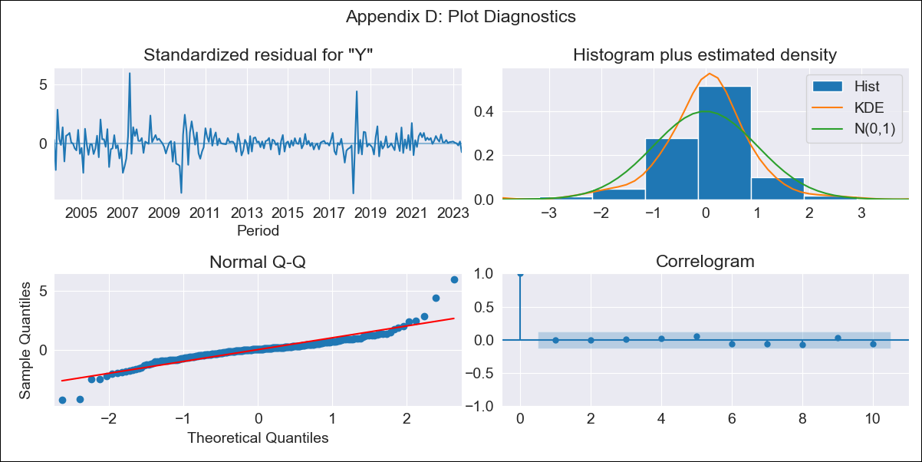

per11 - Inflation - Next 12 months forecast as of: 2023-06-01

Model | ARIMA - [(1, 1, 3), (0, 0, 1, 12)]
Training Data | 2002-04-01 to 2022-07-01
Test Data | 2022-07-01 to 2023-06-01

Date | Inflation Change YoY % | Lower Bound - 95% Confidence Interval | Upper Bound - 95% Confidence Interval
2023-07-01 | 6.21 | 1.47 | 2.18
2023-08-01 | 6.06 | 1.17 | 2.43
2023-09-01 | 6.1 | 0.98 | 2.64
2023-10-01 | 6.11 | 0.85 | 2.77
2023-11-01 | 6.08 | 0.74 | 2.87
2023-12-01 | 6.03 | 0.64 | 2.95
2024-01-01 | 5.95 | 0.55 | 3.02
2024-02-01 | 5.89 | 0.46 | 3.09
2024-03-01 | 5.88 | 0.39 | 3.16
2024-04-01 | 5.95 | 0.33 | 3.24
2024-05-01 | 5.92 | 0.26 | 3.3
2024-06-01 | 6.2 | 0.25 | 3.4

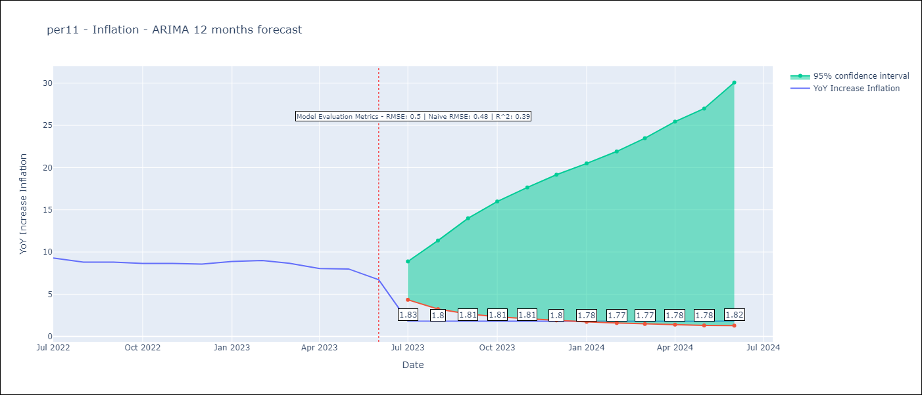

Test Metrics
RMSE | 0.5
Naive RMSE | 0.48
R^2 | 0.39

Test Predictions
Date | Predicted | Actual
2022-07-01 | 9.33 | 9.28
2022-08-01 | 8.91 | 8.8
2022-09-01 | 8.59 | 8.79
2022-10-01 | 8.44 | 8.64
2022-11-01 | 8.32 | 8.64
2022-12-01 | 8.14 | 8.56
2023-01-01 | 8.19 | 8.87
2023-02-01 | 8.12 | 8.99
2023-03-01 | 7.89 | 8.67
2023-04-01 | 7.67 | 8.04
2023-05-01 | 7.61 | 7.99
2023-06-01 | 7.42 | 6.71

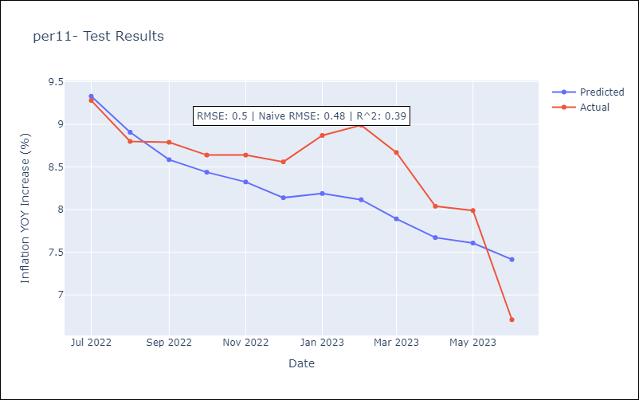

Appendix A: Model Summary
Model | ARIMA(1, 1, 3)x(0, 0, [1], 12)
Sample | 04-01-2002- 06-01-2023
No. of Observations | 255
Terms | P-value (Statistical significance)
ar.L1 | 0.108
ma.L1 | 0.993
ma.L2 | 0.322
ma.L3 | 0.001
ma.S.L12 | 0.000
sigma2 | 0.000
Assumptions | P-value | Interpretation
Ljung-Box (L1) | 0.98 | Residuals are independent.
Heteroskedasticity | 0.00 | Residuals have different variances.
Jarque-Bera | 0.00 | Residuals are not normally distributed.
Skew | 0.53 | Positive skew - model underestimates the mean.
Kurtosis | 11.26 | Residuals contain more extreme outliers than in a normal distribution.

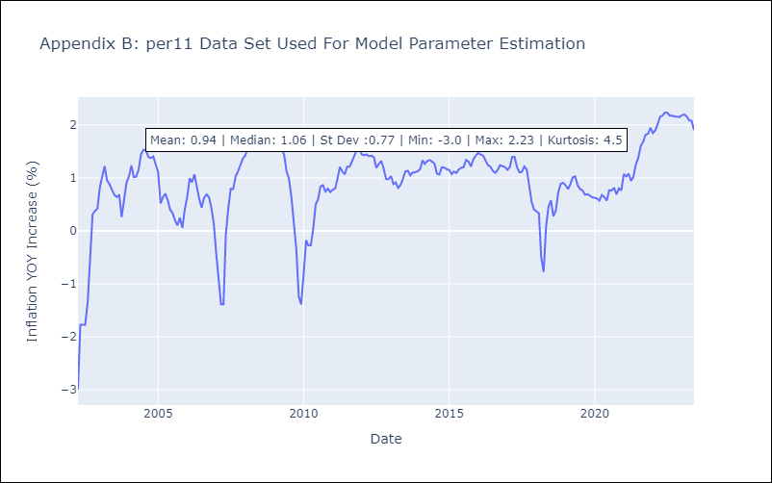

Appendix C: Residuals Analysis
Mean | 0.0
Variance | 0.09
White Noise? | No - Correlation at Lags [ 1 2 3 4 5 6 7 8 9 10 11 12]
Heteroskedastic? - ARCH | No
Normal? | No

