BOL
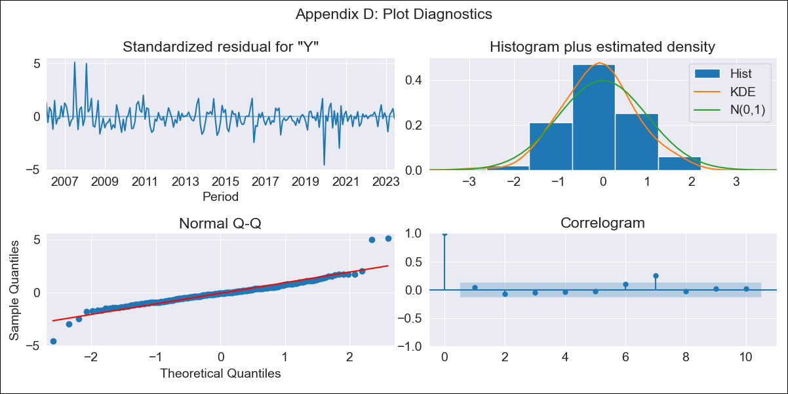

BOL - Inflation - Next 12 months forecast as of: 2023-06-01

Model | ARIMA - [(1, 1, 1), (2, 0, 1, 12)]
Training Data | 2003-12-01 to 2022-07-01
Test Data | 2022-07-01 to 2023-06-01

Date | Inflation Change YoY % | Lower Bound - 95% Confidence Interval | Upper Bound - 95% Confidence Interval
2023-07-01 | 2.65 | 1.69 | 3.61
2023-08-01 | 3.1 | 1.53 | 4.68
2023-09-01 | 2.84 | 0.69 | 4.98
2023-10-01 | 2.36 | -0.33 | 5.04
2023-11-01 | 2.16 | -1.03 | 5.35
2023-12-01 | 2.03 | -1.64 | 5.69
2024-01-01 | 2.01 | -2.1 | 6.12
2024-02-01 | 2.62 | -1.92 | 7.16
2024-03-01 | 2.68 | -2.26 | 7.62
2024-04-01 | 2.55 | -2.76 | 7.87
2024-05-01 | 2.13 | -3.55 | 7.81
2024-06-01 | 2.09 | -3.93 | 8.11

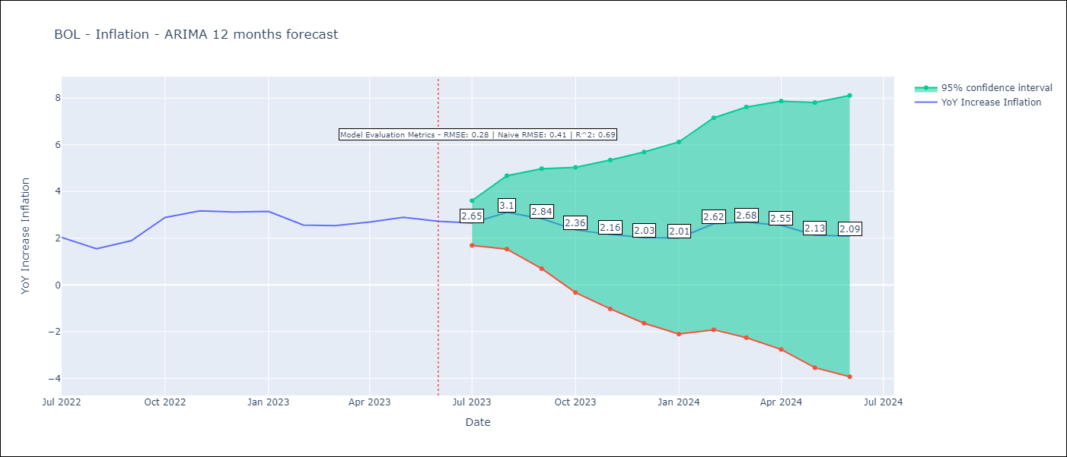

Test Metrics
RMSE | 0.28
Naive RMSE | 0.41
R^2 | 0.69

Test Predictions
Date | Predicted | Actual
2022-07-01 | 2.03 | 2.04
2022-08-01 | 2.01 | 1.55
2022-09-01 | 2.35 | 1.89
2022-10-01 | 2.86 | 2.89
2022-11-01 | 3.13 | 3.17
2022-12-01 | 2.83 | 3.12
2023-01-01 | 2.78 | 3.14
2023-02-01 | 2.82 | 2.57
2023-03-01 | 2.89 | 2.53
2023-04-01 | 2.97 | 2.7
2023-05-01 | 2.81 | 2.9
2023-06-01 | 2.64 | 2.73

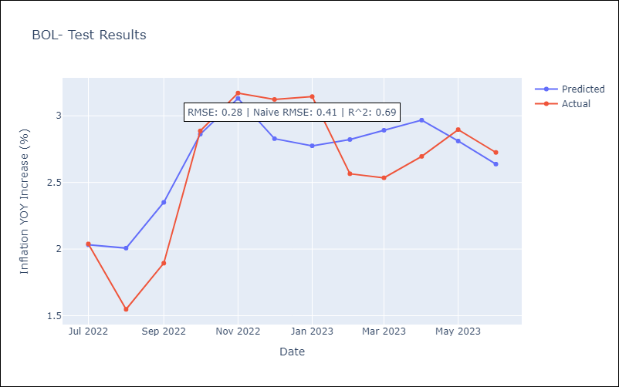

Appendix A: Model Summary
Model | ARIMA(1, 1, 1)x(2, 0, 1, 12)
Sample | 12-01-2003- 06-01-2023
No. of Observations | 235
Terms | P-value (Statistical significance)
ar.L1 | 0.000
ma.L1 | 0.002
ar.S.L12 | 0.005
ar.S.L24 | 0.001
ma.S.L12 | 0.000
sigma2 | 0.000
Assumptions | P-value | Interpretation
Ljung-Box (L1) | 0.57 | Residuals are independent.
Heteroskedasticity | 0.01 | Residuals have different variances.
Jarque-Bera | 0.00 | Residuals are not normally distributed.
Skew | 0.76 | Positive skew - model underestimates the mean.
Kurtosis | 10.04 | Residuals contain more extreme outliers than in a normal distribution.

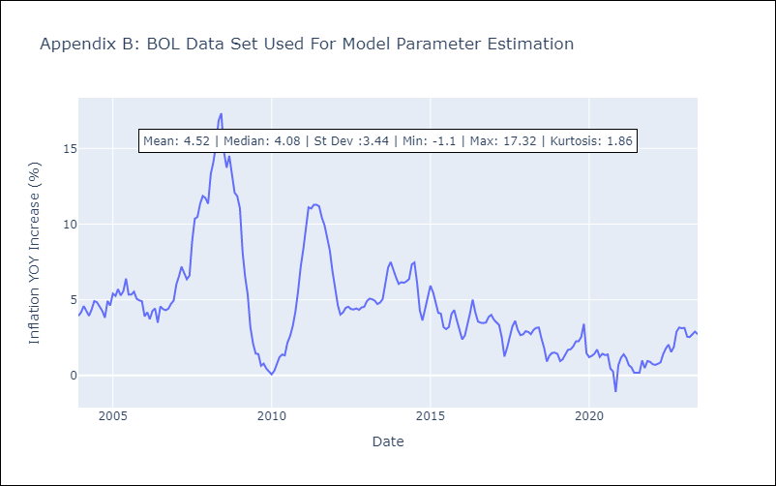

Appendix C: Residuals Analysis
Mean | -0.02
Variance | 0.35
White Noise? | Yes
Heteroskedastic? - ARCH | Yes
Normal? | No

