BOL log_transformed
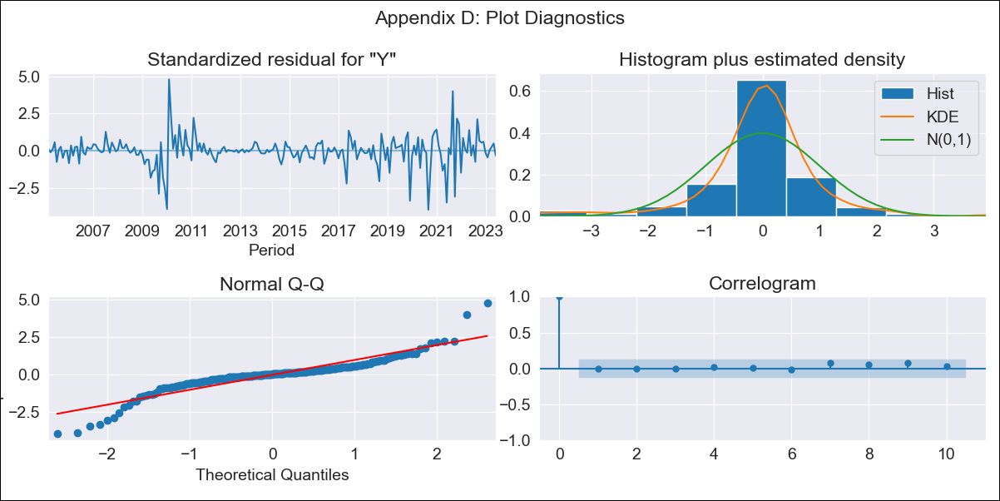

BOL log_transformed - Inflation - Next 12 months forecast as of: 2023-06-01

Model | ARIMA - [(3, 1, 1), (0, 0, 1, 12)]
Training Data | 2003-12-01 to 2022-07-01
Test Data | 2022-07-01 to 2023-06-01

Date | Inflation Change YoY % | Lower Bound - 95% Confidence Interval | Upper Bound - 95% Confidence Interval
2023-07-01 | 2.61 | 1.5 | 4.52
2023-08-01 | 2.72 | 1.21 | 6.11
2023-09-01 | 2.3 | 0.82 | 6.48
2023-10-01 | 2.17 | 0.68 | 6.88
2023-11-01 | 2 | 0.56 | 7.14
2023-12-01 | 1.96 | 0.5 | 7.71
2024-01-01 | 1.98 | 0.45 | 8.61
2024-02-01 | 2.1 | 0.44 | 9.99
2024-03-01 | 2.1 | 0.4 | 10.97
2024-04-01 | 2.06 | 0.36 | 11.69
2024-05-01 | 1.95 | 0.32 | 11.95
2024-06-01 | 1.99 | 0.3 | 13.2

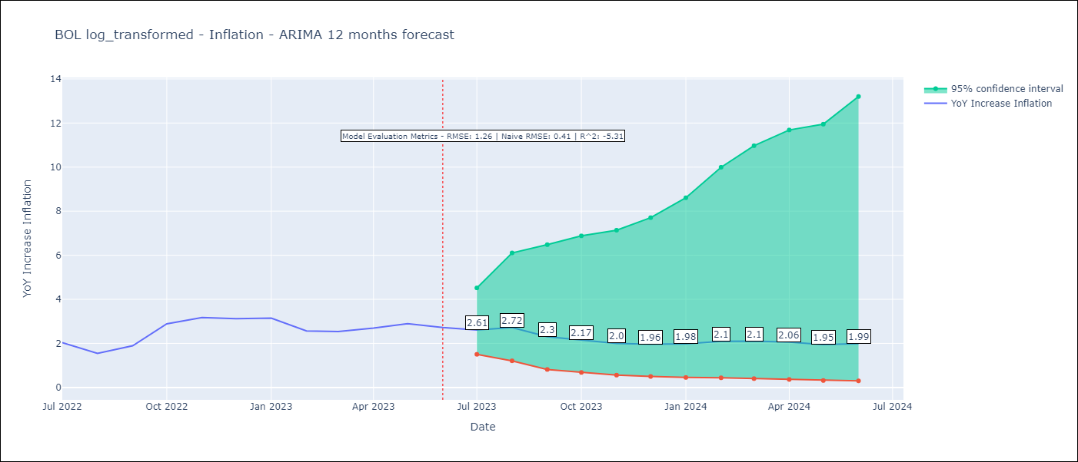

Test Metrics
RMSE | 1.26
Naive RMSE | 0.41
R^2 | -5.31

Test Predictions
Date | Predicted | Actual
2022-07-01 | 1.83 | 2.04
2022-08-01 | 1.69 | 1.55
2022-09-01 | 1.4 | 1.89
2022-10-01 | 1.51 | 2.89
2022-11-01 | 1.44 | 3.17
2022-12-01 | 1.43 | 3.12
2023-01-01 | 1.46 | 3.14
2023-02-01 | 1.46 | 2.57
2023-03-01 | 1.45 | 2.53
2023-04-01 | 1.44 | 2.7
2023-05-01 | 1.37 | 2.9
2023-06-01 | 1.36 | 2.73

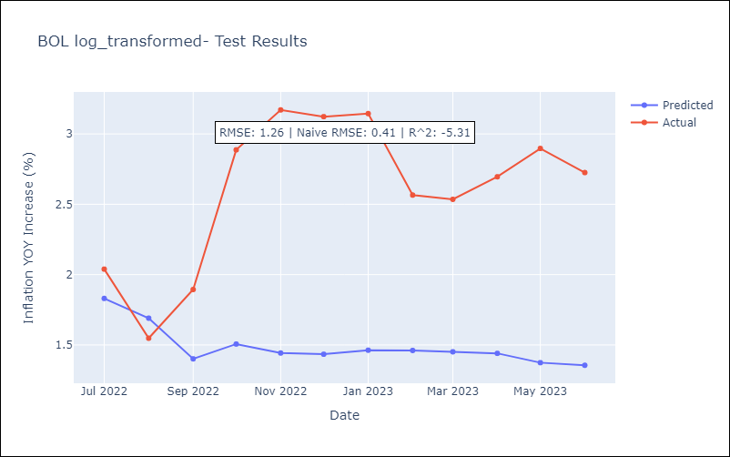

Appendix A: Model Summary
Model | ARIMA(3, 1, 1)x(0, 0, 1, 12)
Sample | 12-01-2003- 06-01-2023
No. of Observations | 235
Terms | P-value (Statistical significance)
ar.L1 | 0.482
ar.L2 | 0.013
ar.L3 | 0.000
ma.L1 | 0.321
ma.S.L12 | 0.000
sigma2 | 0.000
Assumptions | P-value | Interpretation
Ljung-Box (L1) | 1.00 | Residuals are independent.
Heteroskedasticity | 0.35 | Residuals have the same variance.
Jarque-Bera | 0.00 | Residuals are not normally distributed.
Skew | -0.27 | Negative skew - Model overestimates the mean.
Kurtosis | 8.96 | Residuals contain more extreme outliers than in a normal distribution.

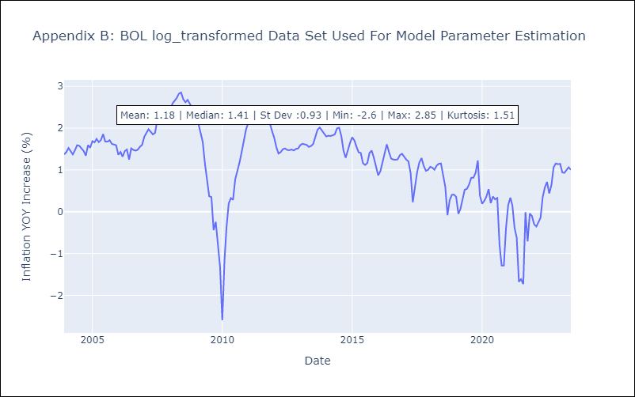

Appendix C: Residuals Analysis
Mean | 0.0
Variance | 0.08
White Noise? | Yes
Heteroskedastic? - ARCH | Yes
Normal? | No

