BRA log_transformed
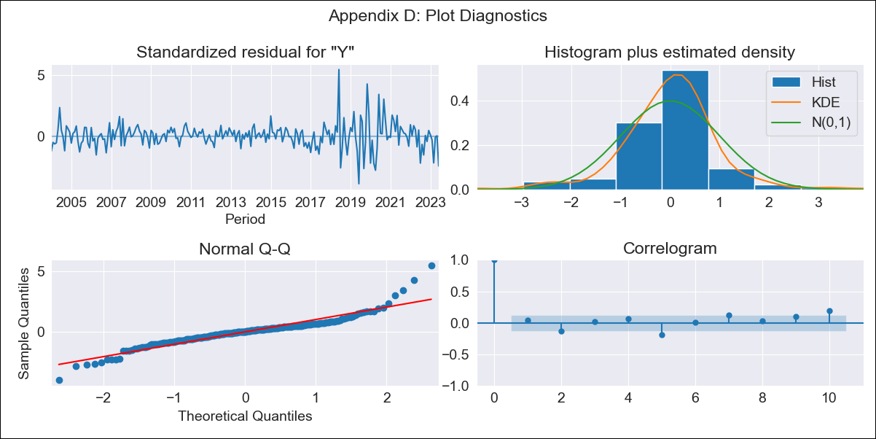

BRA log_transformed - Inflation - Next 12 months forecast as of: 2023-06-01

Model | ARIMA - [(2, 0, 0), (0, 0, 1, 12)]
Training Data | 2002-12-01 to 2022-07-01
Test Data | 2022-07-01 to 2023-06-01

Date | Inflation Change YoY % | Lower Bound - 95% Confidence Interval | Upper Bound - 95% Confidence Interval
2023-07-01 | 2.8 | 2.41 | 3.25
2023-08-01 | 2.62 | 1.99 | 3.43
2023-09-01 | 2.51 | 1.72 | 3.68
2023-10-01 | 2.45 | 1.52 | 3.95
2023-11-01 | 2.41 | 1.38 | 4.23
2023-12-01 | 2.39 | 1.26 | 4.51
2024-01-01 | 2.37 | 1.17 | 4.8
2024-02-01 | 2.35 | 1.09 | 5.07
2024-03-01 | 2.32 | 1.02 | 5.31
2024-04-01 | 2.3 | 0.95 | 5.56
2024-05-01 | 2.29 | 0.9 | 5.81
2024-06-01 | 2.26 | 0.85 | 6.03

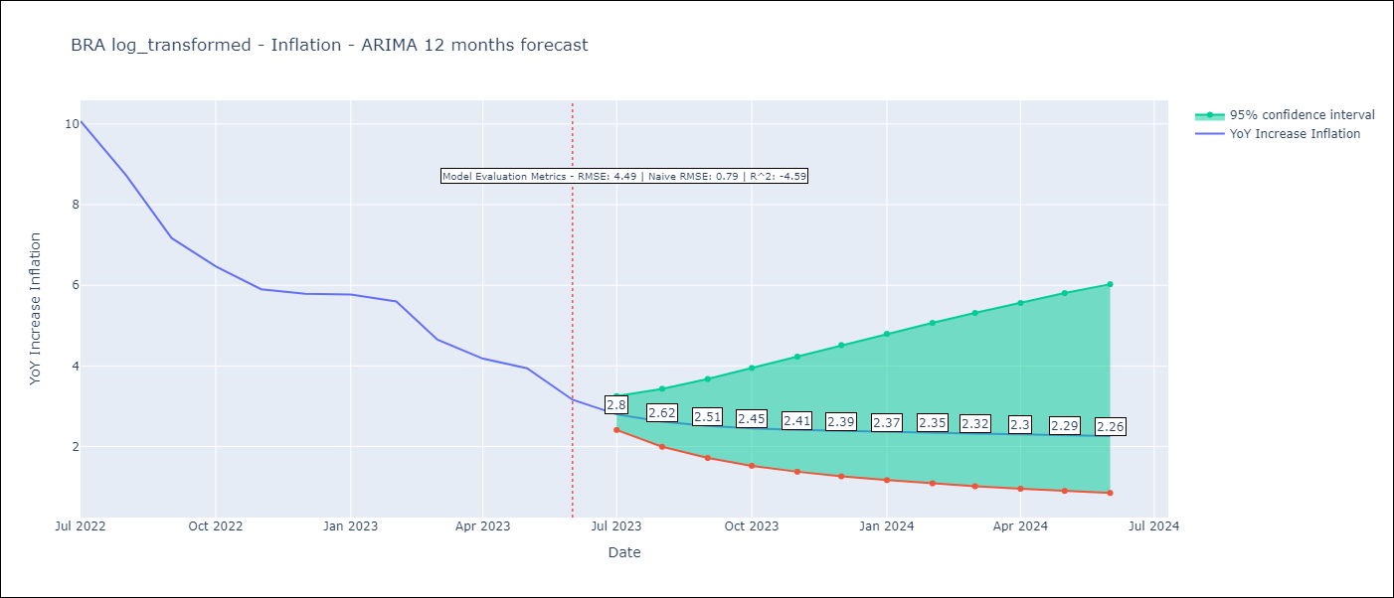

Test Metrics
RMSE | 4.49
Naive RMSE | 0.79
R^2 | -4.59

Test Predictions
Date | Predicted | Actual
2022-07-01 | 11.8 | 10.07
2022-08-01 | 11.59 | 8.73
2022-09-01 | 11.32 | 7.17
2022-10-01 | 11.02 | 6.47
2022-11-01 | 10.72 | 5.9
2022-12-01 | 10.41 | 5.79
2023-01-01 | 10.13 | 5.77
2023-02-01 | 9.86 | 5.6
2023-03-01 | 9.61 | 4.65
2023-04-01 | 9.37 | 4.18
2023-05-01 | 9.13 | 3.94
2023-06-01 | 8.9 | 3.16

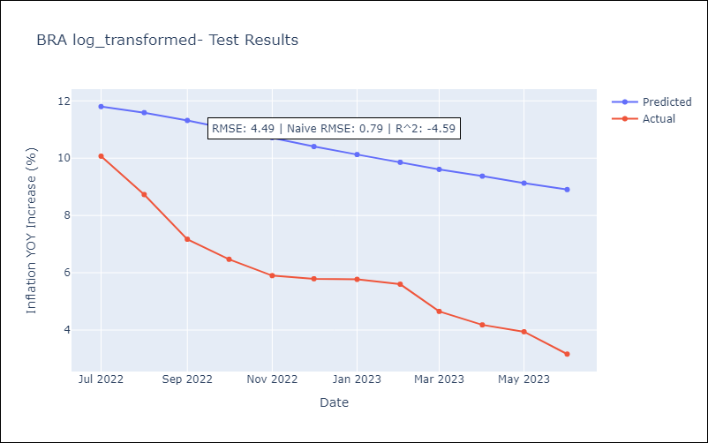

Appendix A: Model Summary
Model | ARIMA(2, 0, 0)x(0, 0, [1], 12)
Sample | 12-01-2002- 06-01-2023
No. of Observations | 247
Terms | P-value (Statistical significance)
const | 0.000
ar.L1 | 0.000
ar.L2 | 0.000
ma.S.L12 | 0.000
sigma2 | 0.000
Assumptions | P-value | Interpretation
Ljung-Box (L1) | 0.48 | Residuals are independent.
Heteroskedasticity | 0.00 | Residuals have different variances.
Jarque-Bera | 0.00 | Residuals are not normally distributed.
Skew | 0.61 | Positive skew - model underestimates the mean.
Kurtosis | 8.59 | Residuals contain more extreme outliers than in a normal distribution.

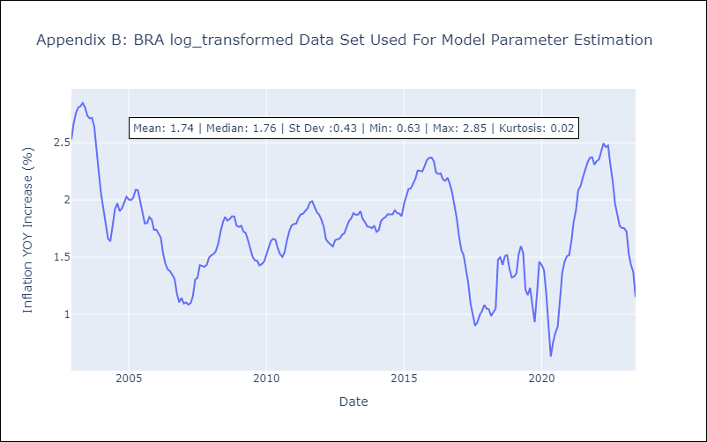

Appendix C: Residuals Analysis
Mean | 0.01
Variance | 0.07
White Noise? | No - Correlation at Lags [ 1 2 3 4 5 6 7 8 9 10 11 12]
Heteroskedastic? - ARCH | Yes
Normal? | No

