COL
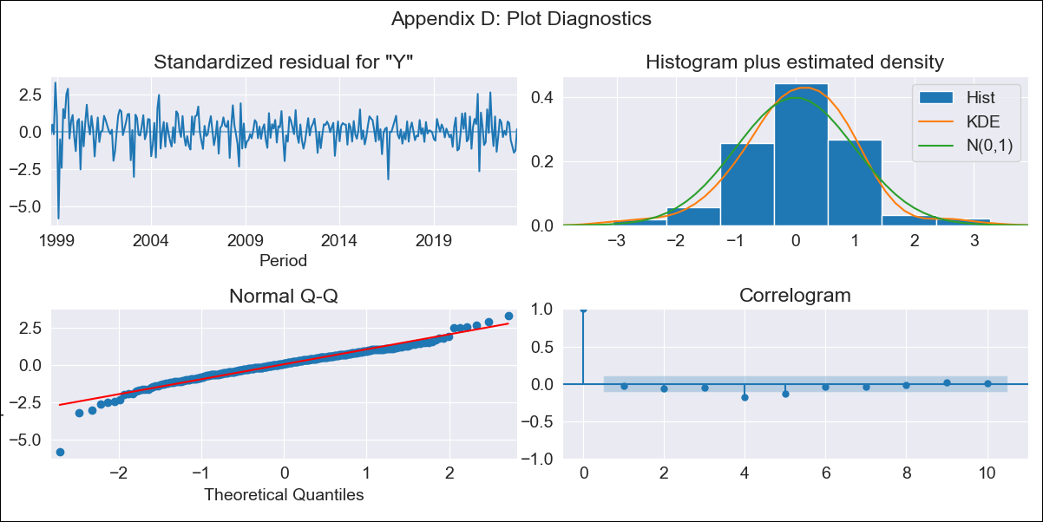

COL - Inflation - Next 12 months forecast as of: 2023-06-01

Model | ARIMA - [(3, 2, 0), (2, 0, 1, 12)]
Training Data | 1996-04-01 to 2022-07-01
Test Data | 2022-07-01 to 2023-06-01

Date | Inflation Change YoY % | Lower Bound - 95% Confidence Interval | Upper Bound - 95% Confidence Interval
2023-07-01 | 11.78 | 11.21 | 12.35
2023-08-01 | 11.25 | 10.08 | 12.43
2023-09-01 | 10.86 | 9.04 | 12.67
2023-10-01 | 10.46 | 7.99 | 12.94
2023-11-01 | 10.12 | 6.91 | 13.33
2023-12-01 | 9.6 | 5.59 | 13.62
2024-01-01 | 8.96 | 4.08 | 13.84
2024-02-01 | 8.51 | 2.71 | 14.31
2024-03-01 | 8.32 | 1.55 | 15.09
2024-04-01 | 8.4 | 0.61 | 16.18
2024-05-01 | 8.68 | -0.17 | 17.53
2024-06-01 | 8.72 | -1.24 | 18.68

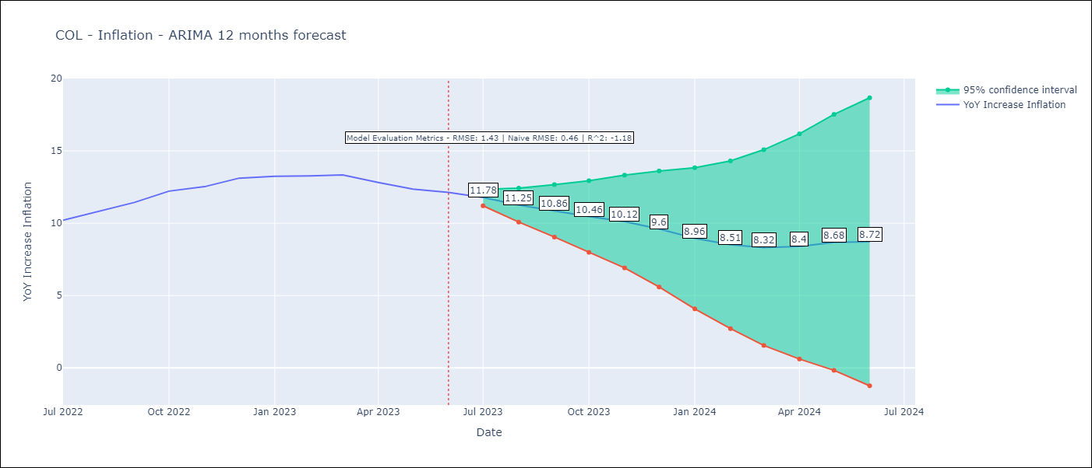

Test Metrics
RMSE | 1.43
Naive RMSE | 0.46
R^2 | -1.18

Test Predictions
Date | Predicted | Actual
2022-07-01 | 9.97 | 10.21
2022-08-01 | 10.24 | 10.84
2022-09-01 | 10.66 | 11.44
2022-10-01 | 11.27 | 12.22
2022-11-01 | 11.45 | 12.53
2022-12-01 | 11.68 | 13.12
2023-01-01 | 11.3 | 13.25
2023-02-01 | 11.06 | 13.28
2023-03-01 | 11.16 | 13.34
2023-04-01 | 11 | 12.82
2023-05-01 | 11.11 | 12.36
2023-06-01 | 11.22 | 12.13

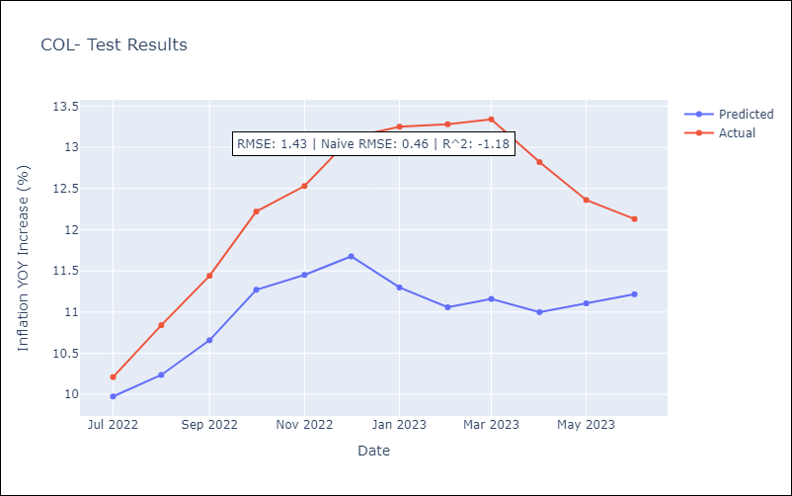

Appendix A: Model Summary
Model | ARIMA(3, 2, 0)x(2, 0, [1], 12)
Sample | 04-01-1996- 06-01-2023
No. of Observations | 327
Terms | P-value (Statistical significance)
ar.L1 | 0.001
ar.L2 | 0.000
ar.L3 | 0.001
ar.S.L12 | 0.091
ar.S.L24 | 0.158
ma.S.L12 | 0.000
sigma2 | 0.000
Assumptions | P-value | Interpretation
Ljung-Box (L1) | 0.56 | Residuals are independent.
Heteroskedasticity | 0.00 | Residuals have different variances.
Jarque-Bera | 0.00 | Residuals are not normally distributed.
Skew | -0.76 | Negative skew - Model overestimates the mean.
Kurtosis | 7.14 | Residuals contain more extreme outliers than in a normal distribution.

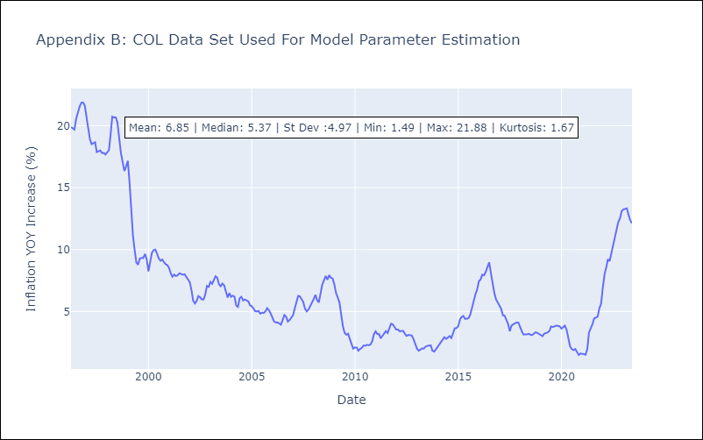

Appendix C: Residuals Analysis
Mean | 0.02
Variance | 1.79
White Noise? | No - Correlation at Lags [ 1 2 3 4 5 6 7 8 9 10 11 12]
Heteroskedastic? - ARCH | Yes
Normal? | No

