COL log_transformed
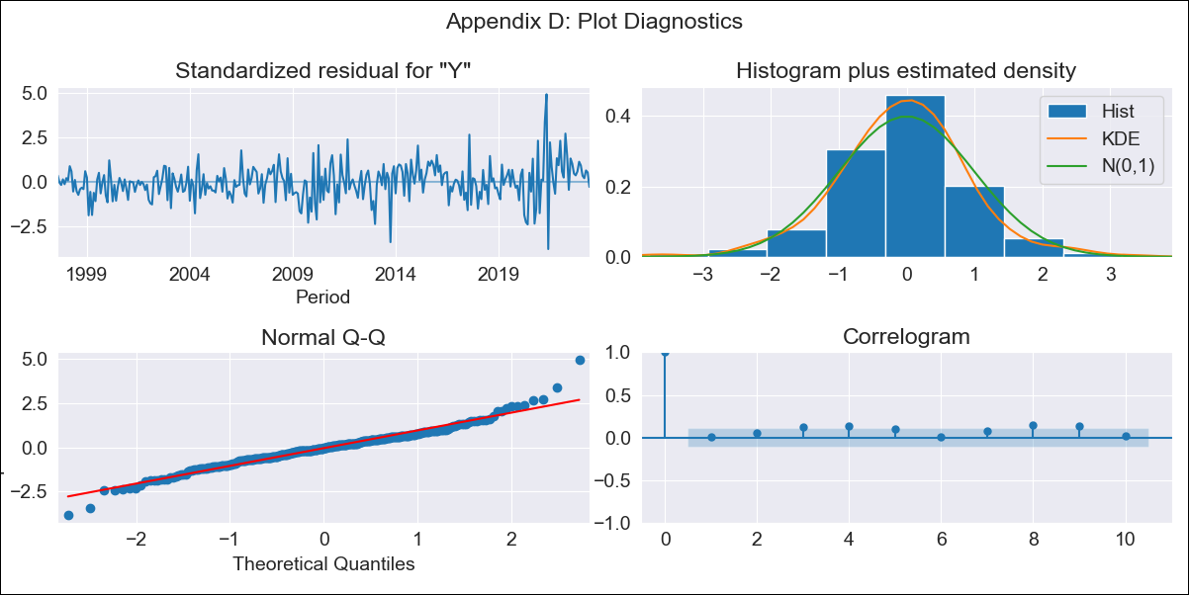
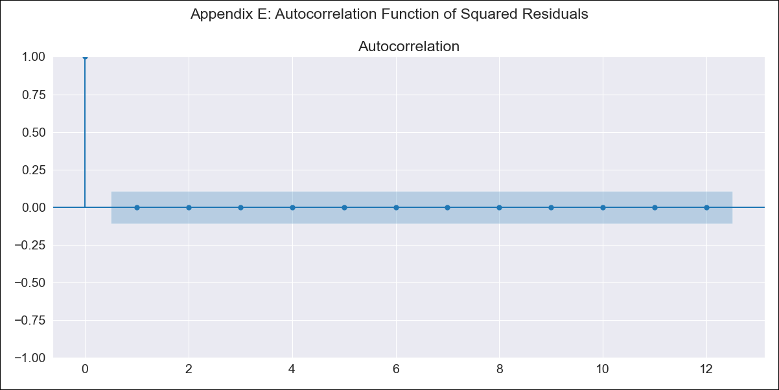
COL log_transformed - Inflation - Next 12 months forecast as of: 2023-06-01

Model | ARIMA - [(0, 1, 2), (0, 0, 1, 12)]
Training Data | 1996-04-01 to 2022-07-01
Test Data | 2022-07-01 to 2023-06-01

Date | Inflation Change YoY % | Lower Bound - 95% Confidence Interval | Upper Bound - 95% Confidence Interval
2023-07-01 | 11.61 | 10.27 | 13.11
2023-08-01 | 11 | 8.76 | 13.8
2023-09-01 | 10.59 | 7.76 | 14.45
2023-10-01 | 10.35 | 7.1 | 15.07
2023-11-01 | 10.08 | 6.55 | 15.52
2023-12-01 | 9.63 | 5.96 | 15.58
2024-01-01 | 9.17 | 5.42 | 15.5
2024-02-01 | 8.88 | 5.04 | 15.65
2024-03-01 | 8.74 | 4.78 | 16
2024-04-01 | 8.54 | 4.5 | 16.2
2024-05-01 | 8.3 | 4.23 | 16.31
2024-06-01 | 8.28 | 4.08 | 16.79

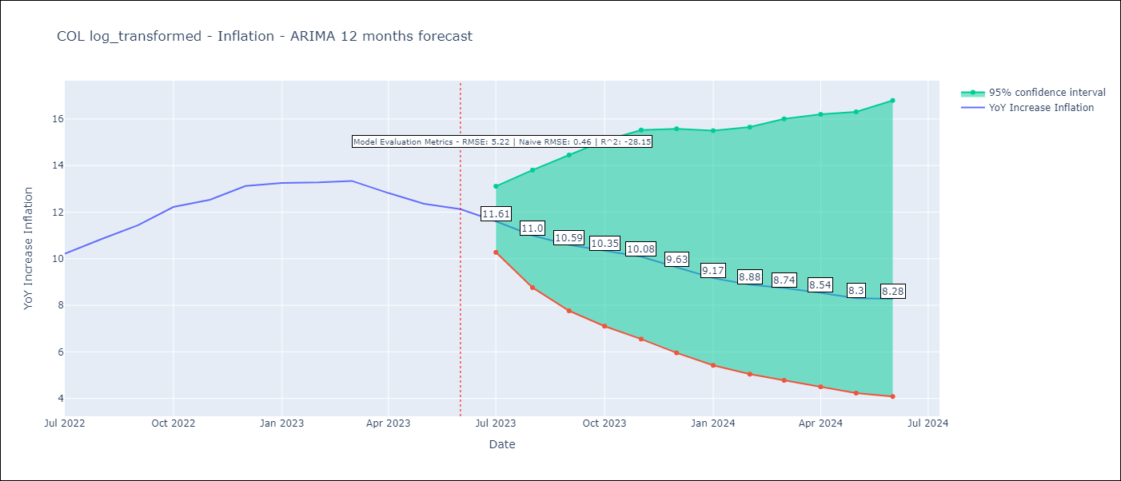

Test Metrics
RMSE | 5.22
Naive RMSE | 0.46
R^2 | -28.15

Test Predictions
Date | Predicted | Actual
2022-07-01 | 9.35 | 10.21
2022-08-01 | 8.84 | 10.84
2022-09-01 | 8.6 | 11.44
2022-10-01 | 8.79 | 12.22
2022-11-01 | 8.57 | 12.53
2022-12-01 | 8.12 | 13.12
2023-01-01 | 7.36 | 13.25
2023-02-01 | 6.89 | 13.28
2023-03-01 | 6.68 | 13.34
2023-04-01 | 6.03 | 12.82
2023-05-01 | 5.39 | 12.36
2023-06-01 | 5.27 | 12.13

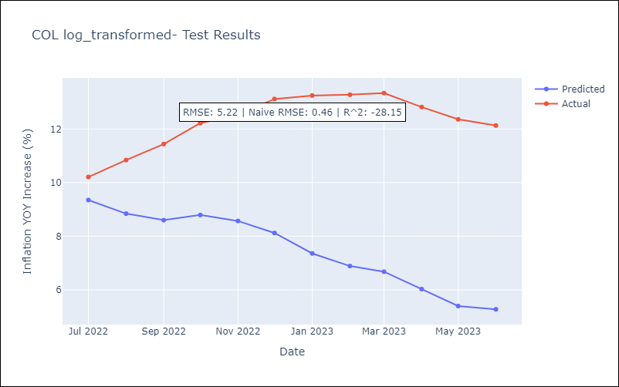

Appendix A: Model Summary
Model | ARIMA(0, 1, 2)x(0, 0, [1], 12)
Sample | 04-01-1996- 06-01-2023
No. of Observations | 327
Terms | P-value (Statistical significance)
ma.L1 | 0.000
ma.L2 | 0.000
ma.S.L12 | 0.000
sigma2 | 0.000
Assumptions | P-value | Interpretation
Ljung-Box (L1) | 0.86 | Residuals are independent.
Heteroskedasticity | 0.00 | Residuals have different variances.
Jarque-Bera | 0.00 | Residuals are not normally distributed.
Skew | 0.26 | Positive skew - model underestimates the mean.
Kurtosis | 5.73 | Residuals contain more extreme outliers than in a normal distribution.

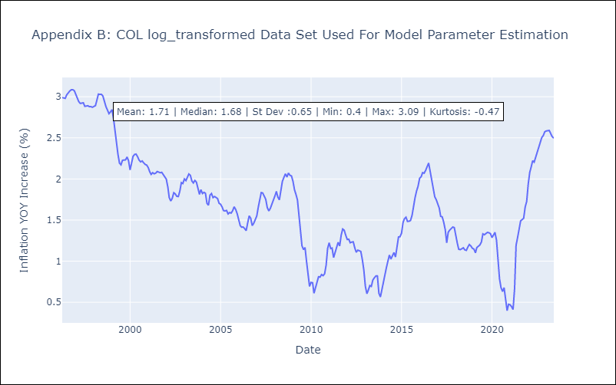

Appendix C: Residuals Analysis
Mean | 0.01
Variance | 0.03
White Noise? | Yes
Heteroskedastic? - ARCH | Yes
Normal? | No

