URY
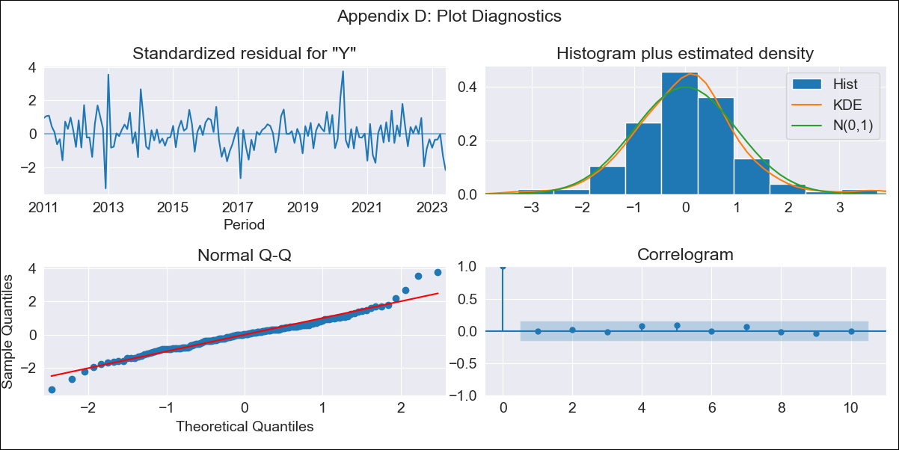

URY - Inflation - Next 12 months forecast as of: 2023-06-01

Model | ARIMA - [(3, 1, 0), (2, 0, 0, 12)]
Training Data | 2008-09-01 to 2022-07-01
Test Data | 2022-07-01 to 2023-06-01

Date | Inflation Change YoY % | Lower Bound - 95% Confidence Interval | Upper Bound - 95% Confidence Interval
2023-07-01 | 5.72 | 4.9 | 6.53
2023-08-01 | 5.84 | 4.54 | 7.15
2023-09-01 | 5.8 | 4.21 | 7.39
2023-10-01 | 6.07 | 4.28 | 7.87
2023-11-01 | 6.29 | 4.31 | 8.27
2023-12-01 | 6.34 | 4.19 | 8.49
2024-01-01 | 6.41 | 4.09 | 8.72
2024-02-01 | 6.49 | 4.02 | 8.96
2024-03-01 | 6.49 | 3.88 | 9.1
2024-04-01 | 6.38 | 3.63 | 9.12
2024-05-01 | 6.58 | 3.71 | 9.46
2024-06-01 | 7.05 | 4.06 | 10.05

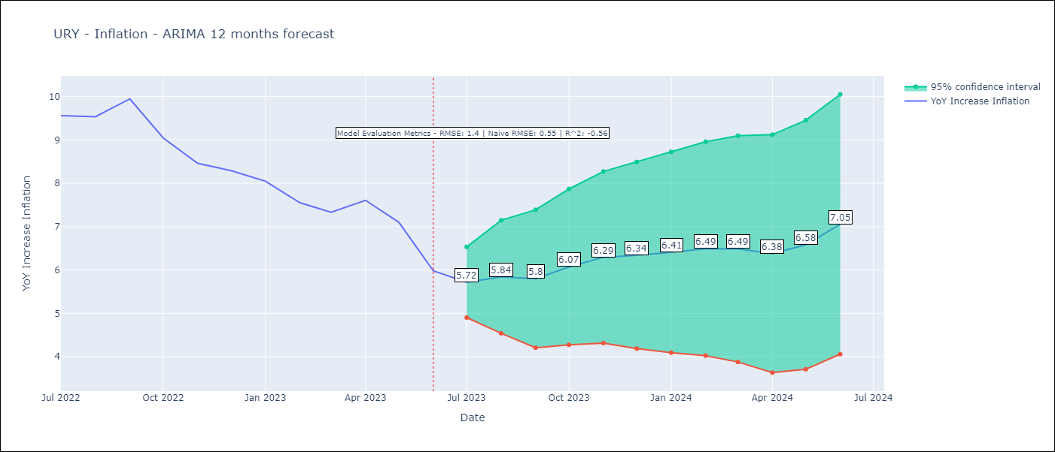

Test Metrics
RMSE | 1.4
Naive RMSE | 0.55
R^2 | -0.56

Test Predictions
Date | Predicted | Actual
2022-07-01 | 9.36 | 9.56
2022-08-01 | 9.3 | 9.53
2022-09-01 | 9.34 | 9.95
2022-10-01 | 9.19 | 9.05
2022-11-01 | 9.22 | 8.46
2022-12-01 | 9.22 | 8.29
2023-01-01 | 9.23 | 8.05
2023-02-01 | 8.93 | 7.55
2023-03-01 | 8.86 | 7.33
2023-04-01 | 9.14 | 7.61
2023-05-01 | 9.15 | 7.1
2023-06-01 | 9.07 | 5.98

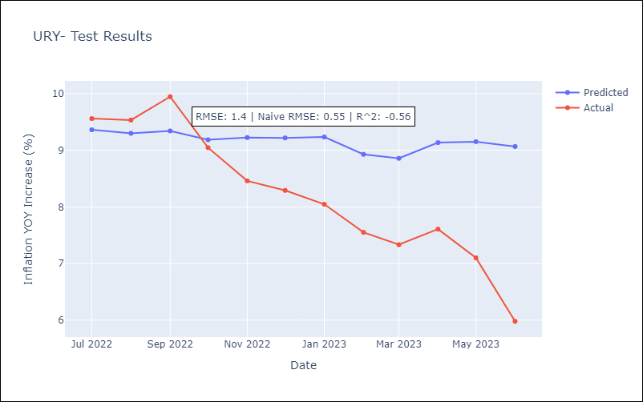

Appendix A: Model Summary
Model | ARIMA(3, 1, 0)x(2, 0, 0, 12)
Sample | 09-01-2008- 06-01-2023
No. of Observations | 178
Terms | P-value (Statistical significance)
ar.L1 | 0.000
ar.L2 | 0.060
ar.L3 | 0.853
ar.S.L12 | 0.000
ar.S.L24 | 0.097
sigma2 | 0.000
Assumptions | P-value | Interpretation
Ljung-Box (L1) | 1.00 | Residuals are independent.
Heteroskedasticity | 0.74 | Residuals have the same variance.
Jarque-Bera | 0.00 | Residuals are not normally distributed.
Skew | 0.33 | Positive skew - model underestimates the mean.
Kurtosis | 5.10 | Residuals contain more extreme outliers than in a normal distribution.

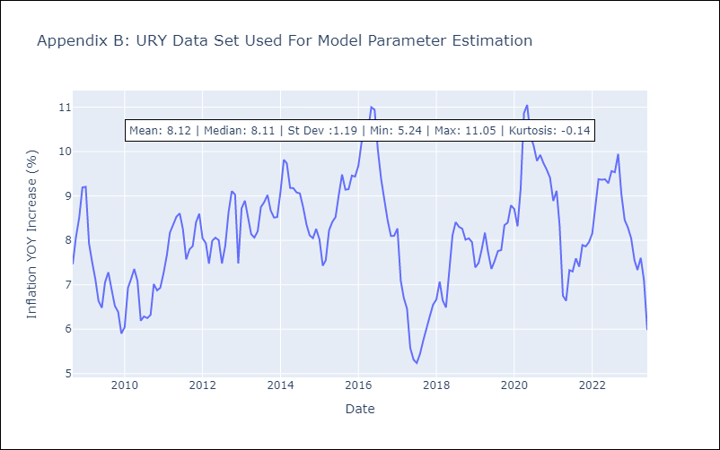

Appendix C: Residuals Analysis
Mean | 0.05
Variance | 0.5
White Noise? | Yes
Heteroskedastic? - ARCH | No
Normal? | No

