URY log_transformed
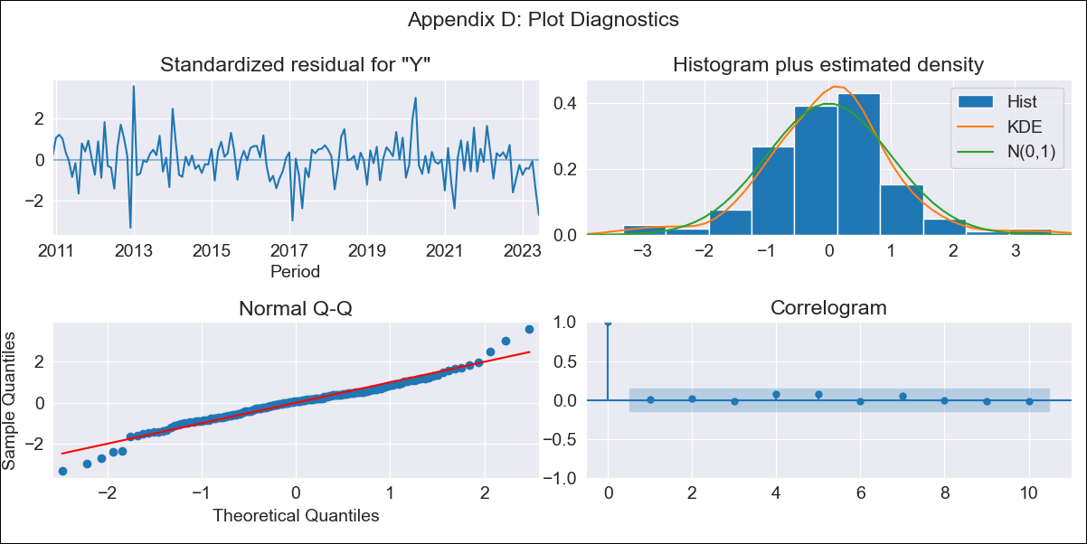

URY log_transformed - Inflation - Next 12 months forecast as of: 2023-06-01

Model | ARIMA - [(2, 1, 1), (2, 0, 0, 12)]
Training Data | 2008-09-01 to 2022-07-01
Test Data | 2022-07-01 to 2023-06-01

Date | Inflation Change YoY % | Lower Bound - 95% Confidence Interval | Upper Bound - 95% Confidence Interval
2023-07-01 | 5.75 | 5.2 | 6.36
2023-08-01 | 5.81 | 4.95 | 6.83
2023-09-01 | 5.79 | 4.75 | 7.07
2023-10-01 | 5.93 | 4.72 | 7.44
2023-11-01 | 6.08 | 4.72 | 7.83
2023-12-01 | 6.11 | 4.64 | 8.06
2024-01-01 | 6.16 | 4.57 | 8.3
2024-02-01 | 6.21 | 4.52 | 8.54
2024-03-01 | 6.21 | 4.43 | 8.71
2024-04-01 | 6.12 | 4.29 | 8.74
2024-05-01 | 6.29 | 4.33 | 9.13
2024-06-01 | 6.73 | 4.56 | 9.94

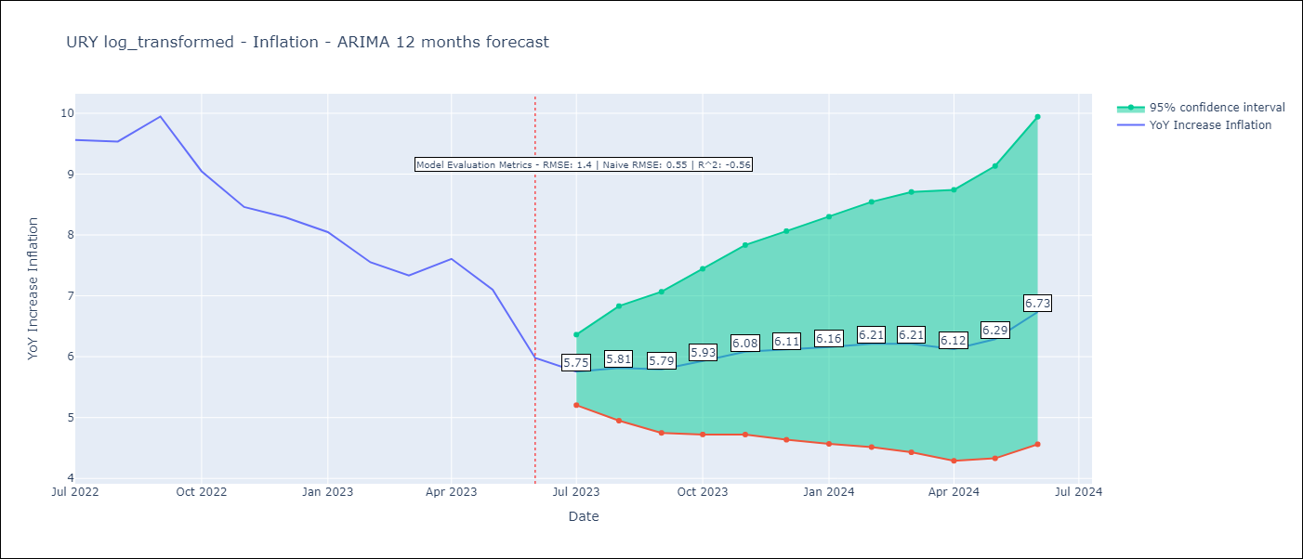

Test Metrics
RMSE | 1.4
Naive RMSE | 0.55
R^2 | -0.56

Test Predictions
Date | Predicted | Actual
2022-07-01 | 9.37 | 9.56
2022-08-01 | 9.28 | 9.53
2022-09-01 | 9.33 | 9.95
2022-10-01 | 9.15 | 9.05
2022-11-01 | 9.19 | 8.46
2022-12-01 | 9.18 | 8.29
2023-01-01 | 9.19 | 8.05
2023-02-01 | 8.88 | 7.55
2023-03-01 | 8.83 | 7.33
2023-04-01 | 9.18 | 7.61
2023-05-01 | 9.2 | 7.1
2023-06-01 | 9.07 | 5.98

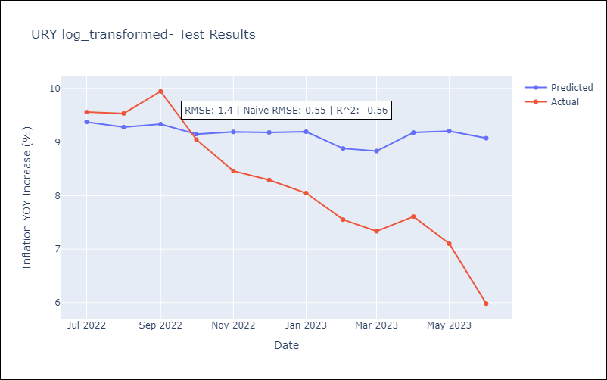

Appendix A: Model Summary
Model | ARIMA(2, 1, 1)x(2, 0, [], 12)
Sample | 09-01-2008- 06-01-2023
No. of Observations | 178
Terms | P-value (Statistical significance)
ar.L1 | 0.692
ar.L2 | 0.276
ma.L1 | 0.924
ar.S.L12 | 0.000
ar.S.L24 | 0.038
sigma2 | 0.000
Assumptions | P-value | Interpretation
Ljung-Box (L1) | 0.99 | Residuals are independent.
Heteroskedasticity | 0.68 | Residuals have the same variance.
Jarque-Bera | 0.00 | Residuals are not normally distributed.
Skew | -0.05 | Negative skew - Model overestimates the mean.
Kurtosis | 4.89 | Residuals contain more extreme outliers than in a normal distribution.

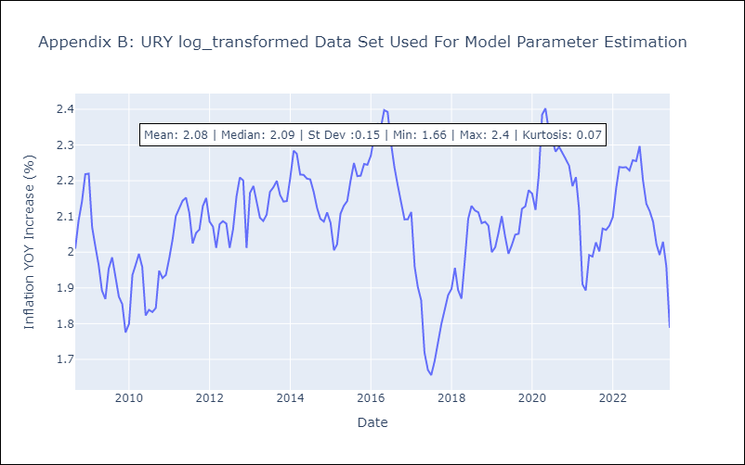

Appendix C: Residuals Analysis
Mean | 0.01
Variance | 0.03
White Noise? | Yes
Heteroskedastic? - ARCH | No
Normal? | No

