ECU
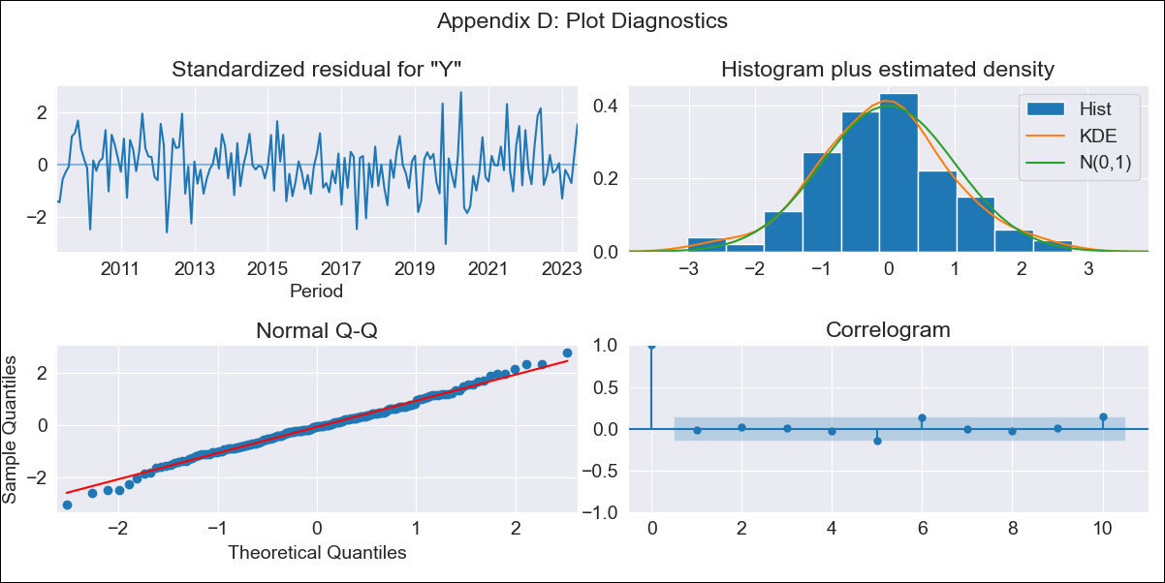

ECU - Inflation - Next 12 months forecast as of: 2023-06-01

Model | ARIMA - [(2, 1, 1), (0, 0, 1, 12)]
Training Data | 2008-01-01 to 2022-07-01
Test Data | 2022-07-01 to 2023-06-01

Date | Inflation Change YoY % | Lower Bound - 95% Confidence Interval | Upper Bound - 95% Confidence Interval
2023-07-01 | 1.71 | 1.18 | 2.24
2023-08-01 | 1.75 | 0.85 | 2.64
2023-09-01 | 1.63 | 0.43 | 2.84
2023-10-01 | 1.63 | 0.14 | 3.12
2023-11-01 | 1.65 | -0.1 | 3.4
2023-12-01 | 1.62 | -0.38 | 3.62
2024-01-01 | 1.89 | -0.35 | 4.13
2024-02-01 | 2.01 | -0.46 | 4.48
2024-03-01 | 2.15 | -0.54 | 4.84
2024-04-01 | 2.37 | -0.53 | 5.27
2024-05-01 | 2.36 | -0.74 | 5.47
2024-06-01 | 2.03 | -1.26 | 5.33

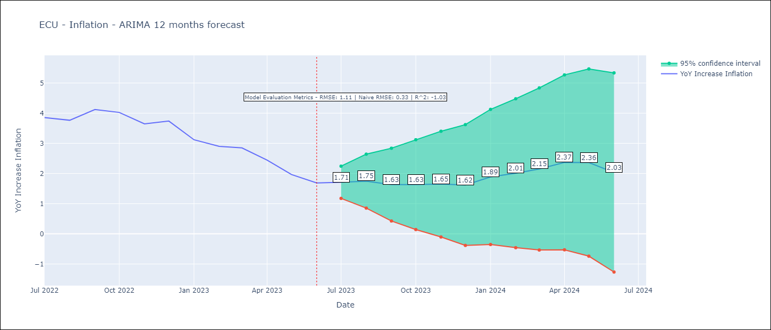

Test Metrics
RMSE | 1.11
Naive RMSE | 0.33
R^2 | -1.03

Test Predictions
Date | Predicted | Actual
2022-07-01 | 4.08 | 3.86
2022-08-01 | 4.18 | 3.77
2022-09-01 | 4.52 | 4.12
2022-10-01 | 4.53 | 4.02
2022-11-01 | 4.26 | 3.64
2022-12-01 | 4.4 | 3.74
2023-01-01 | 4.17 | 3.12
2023-02-01 | 4.15 | 2.9
2023-03-01 | 4.32 | 2.85
2023-04-01 | 4.22 | 2.44
2023-05-01 | 3.78 | 1.97
2023-06-01 | 3.15 | 1.69

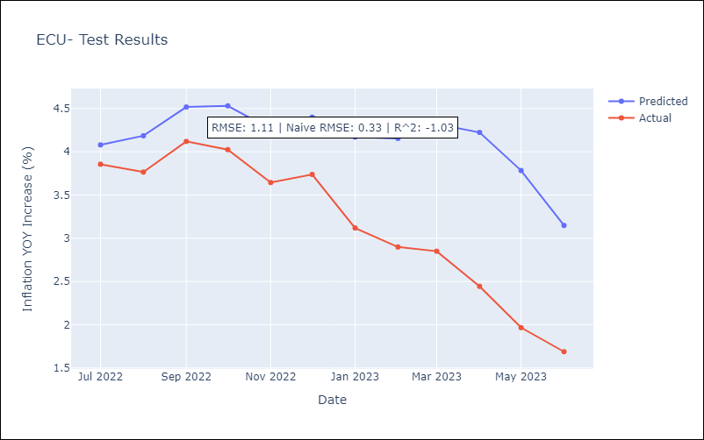

Appendix A: Model Summary
Model | ARIMA(2, 1, 1)x(0, 0, 1, 12)
Sample | 01-01-2008- 06-01-2023
No. of Observations | 186
Terms | P-value (Statistical significance)
ar.L1 | 0.000
ar.L2 | 0.044
ma.L1 | 0.000
ma.S.L12 | 0.000
sigma2 | 0.000
Assumptions | P-value | Interpretation
Ljung-Box (L1) | 0.84 | Residuals are independent.
Heteroskedasticity | 0.44 | Residuals have the same variance.
Jarque-Bera | 0.60 | Residuals are normally distributed.
Skew | -0.02 | Negative skew - Model overestimates the mean.
Kurtosis | 3.38 | Residuals contain more extreme outliers than in a normal distribution.

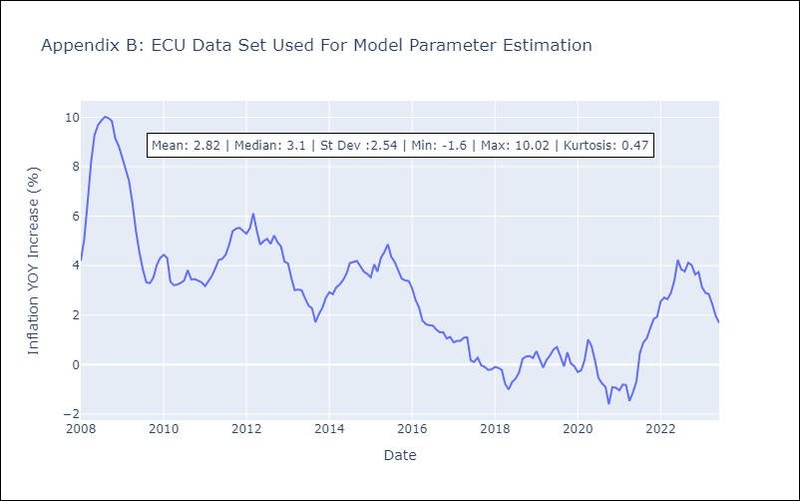

Appendix C: Residuals Analysis
Mean | -0.01
Variance | 0.19
White Noise? | No - Correlation at Lags [1 2 3 5]
Heteroskedastic? - ARCH | Yes
Normal? | No

