ECU log_transformed
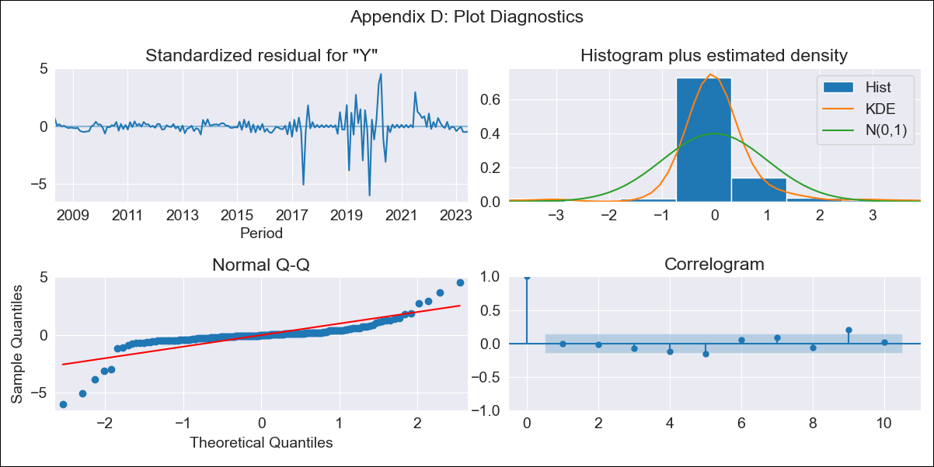

ECU log_transformed - Inflation - Next 12 months forecast as of: 2023-06-01

Model | ARIMA - [(3, 1, 1), (0, 0, 0, 12)]
Training Data | 2008-01-01 to 2022-07-01
Test Data | 2022-07-01 to 2023-06-01

Date | Inflation Change YoY % | Lower Bound - 95% Confidence Interval | Upper Bound - 95% Confidence Interval
2023-07-01 | 1.67 | 0.84 | 3.32
2023-08-01 | 1.74 | 0.59 | 5.12
2023-09-01 | 1.71 | 0.48 | 6.05
2023-10-01 | 1.73 | 0.4 | 7.39
2023-11-01 | 1.71 | 0.34 | 8.5
2023-12-01 | 1.72 | 0.3 | 9.98
2024-01-01 | 1.72 | 0.26 | 11.29
2024-02-01 | 1.72 | 0.23 | 12.89
2024-03-01 | 1.72 | 0.2 | 14.42
2024-04-01 | 1.72 | 0.18 | 16.2
2024-05-01 | 1.72 | 0.16 | 17.95
2024-06-01 | 1.72 | 0.15 | 19.92

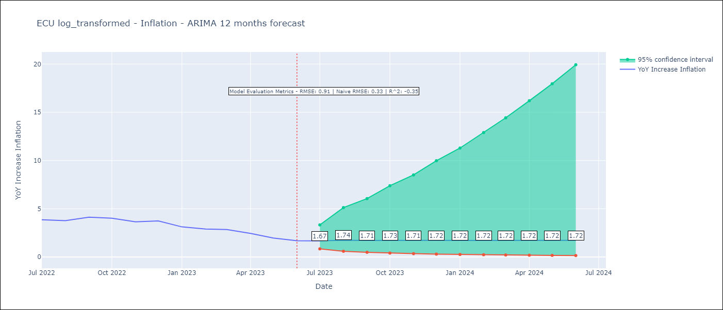

Test Metrics
RMSE | 0.91
Naive RMSE | 0.33
R^2 | -0.35

Test Predictions
Date | Predicted | Actual
2022-07-01 | 3.77 | 3.86
2022-08-01 | 3.49 | 3.77
2022-09-01 | 3.57 | 4.12
2022-10-01 | 3.67 | 4.02
2022-11-01 | 3.66 | 3.64
2022-12-01 | 3.63 | 3.74
2023-01-01 | 3.62 | 3.12
2023-02-01 | 3.63 | 2.9
2023-03-01 | 3.64 | 2.85
2023-04-01 | 3.63 | 2.44
2023-05-01 | 3.63 | 1.97
2023-06-01 | 3.63 | 1.69

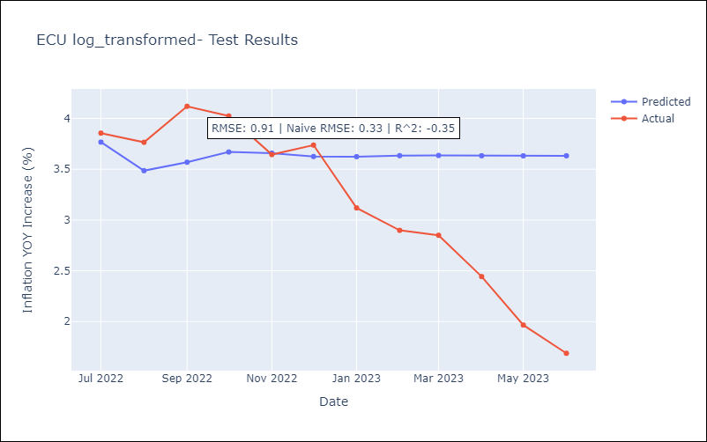

Appendix A: Model Summary
Model | ARIMA(3, 1, 1)
Sample | 01-01-2008- 06-01-2023
No. of Observations | 186
Terms | P-value (Statistical significance)
ar.L1 | 0.000
ar.L2 | 0.134
ar.L3 | 0.127
ma.L1 | 0.000
sigma2 | 0.000
Assumptions | P-value | Interpretation
Ljung-Box (L1) | 0.89 | Residuals are independent.
Heteroskedasticity | 0.00 | Residuals have different variances.
Jarque-Bera | 0.00 | Residuals are not normally distributed.
Skew | -1.29 | Negative skew - Model overestimates the mean.
Kurtosis | 16.99 | Residuals contain more extreme outliers than in a normal distribution.

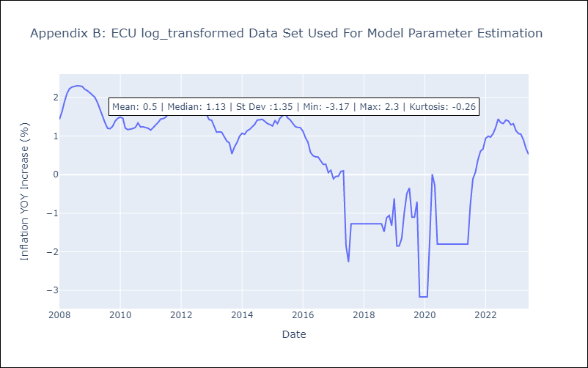

Appendix C: Residuals Analysis
Mean | 0.01
Variance | 0.14
White Noise? | Yes
Heteroskedastic? - ARCH | Yes
Normal? | No

