PRY
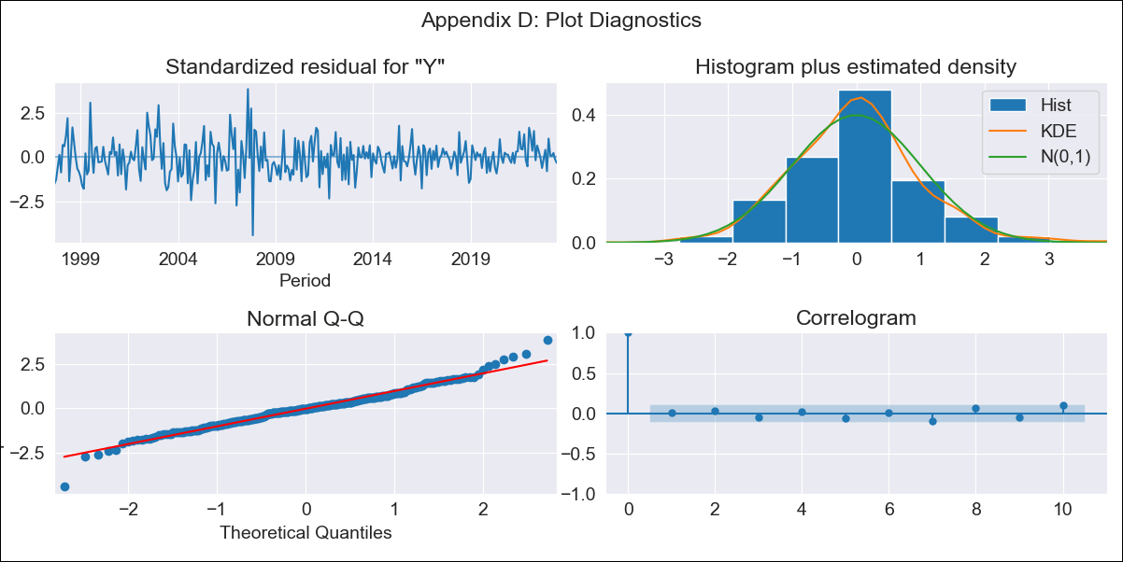

PRY - Inflation - Next 12 months forecast as of: 2023-06-01

Model | ARIMA - [(2, 1, 3), (3, 0, 0, 12)]
Training Data | 1994-06-01 to 2022-07-01
Test Data | 2022-07-01 to 2023-06-01

Date | Inflation Change YoY % | Lower Bound - 95% Confidence Interval | Upper Bound - 95% Confidence Interval
2023-07-01 | 4.15 | 2.46 | 5.85
2023-08-01 | 4.27 | 1.61 | 6.93
2023-09-01 | 4.87 | 1.33 | 8.41
2023-10-01 | 5.33 | 1.13 | 9.54
2023-11-01 | 5.16 | 0.47 | 9.85
2023-12-01 | 5.61 | 0.46 | 10.76
2024-01-01 | 5.21 | -0.41 | 10.84
2024-02-01 | 5.32 | -0.73 | 11.37
2024-03-01 | 5.31 | -1.11 | 11.72
2024-04-01 | 5.35 | -1.42 | 12.12
2024-05-01 | 5.55 | -1.57 | 12.68
2024-06-01 | 6.08 | -1.37 | 13.54

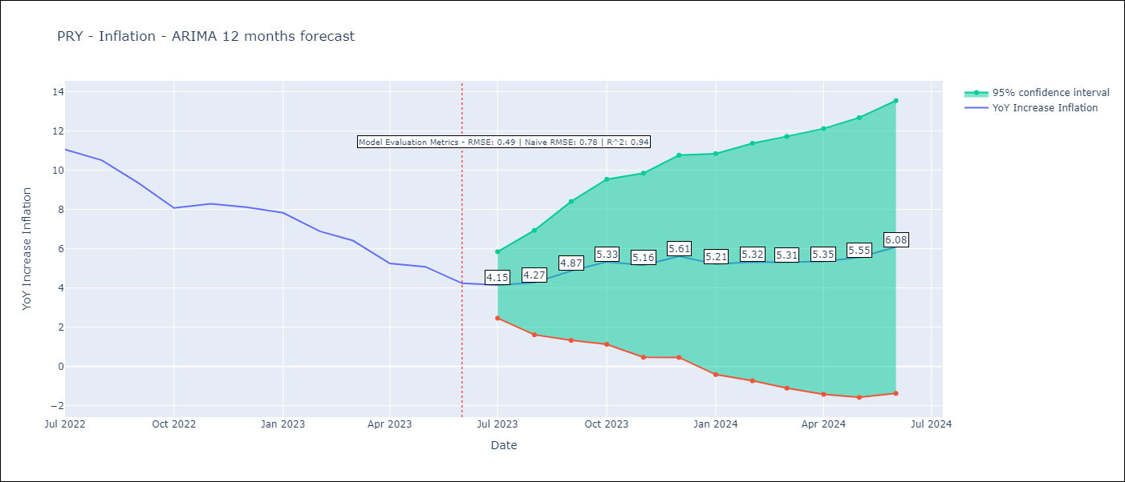

Test Metrics
RMSE | 0.49
Naive RMSE | 0.78
R^2 | 0.94

Test Predictions
Date | Predicted | Actual
2022-07-01 | 10.74 | 11.05
2022-08-01 | 10.16 | 10.51
2022-09-01 | 9.49 | 9.35
2022-10-01 | 8.4 | 8.07
2022-11-01 | 8.39 | 8.29
2022-12-01 | 8.8 | 8.12
2023-01-01 | 7.59 | 7.83
2023-02-01 | 6.5 | 6.88
2023-03-01 | 5.86 | 6.41
2023-04-01 | 4.37 | 5.25
2023-05-01 | 4.31 | 5.08
2023-06-01 | 3.79 | 4.24

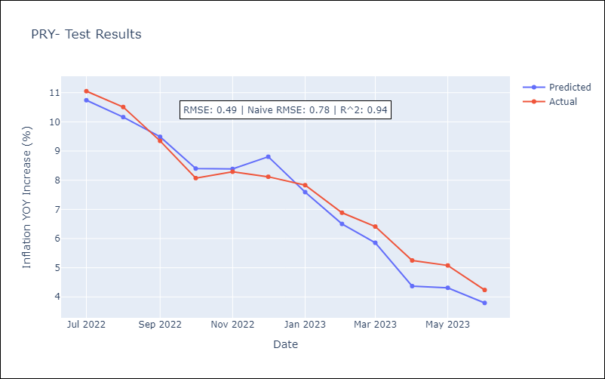

Appendix A: Model Summary
Model | ARIMA(2, 1, 3)x(3, 0, [], 12)
Sample | 06-01-1994- 06-01-2023
No. of Observations | 349
Terms | P-value (Statistical significance)
ar.L1 | 0.670
ar.L2 | 0.000
ma.L1 | 0.050
ma.L2 | 0.000
ma.L3 | 0.047
ar.S.L12 | 0.000
ar.S.L24 | 0.000
ar.S.L36 | 0.006
sigma2 | 0.000
Assumptions | P-value | Interpretation
Ljung-Box (L1) | 0.98 | Residuals are independent.
Heteroskedasticity | 0.00 | Residuals have different variances.
Jarque-Bera | 0.00 | Residuals are not normally distributed.
Skew | 0.08 | Positive skew - model underestimates the mean.
Kurtosis | 4.75 | Residuals contain more extreme outliers than in a normal distribution.

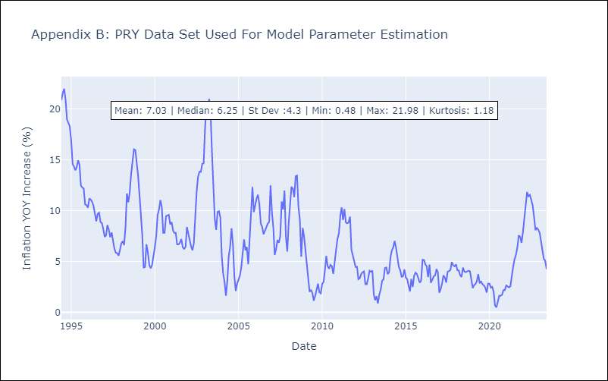

Appendix C: Residuals Analysis
Mean | -0.03
Variance | 2.56
White Noise? | No - Correlation at Lags [ 1 2 3 4 5 6 7 8 9 10 11 12]
Heteroskedastic? - ARCH | Yes
Normal? | No

