PRY log_transformed
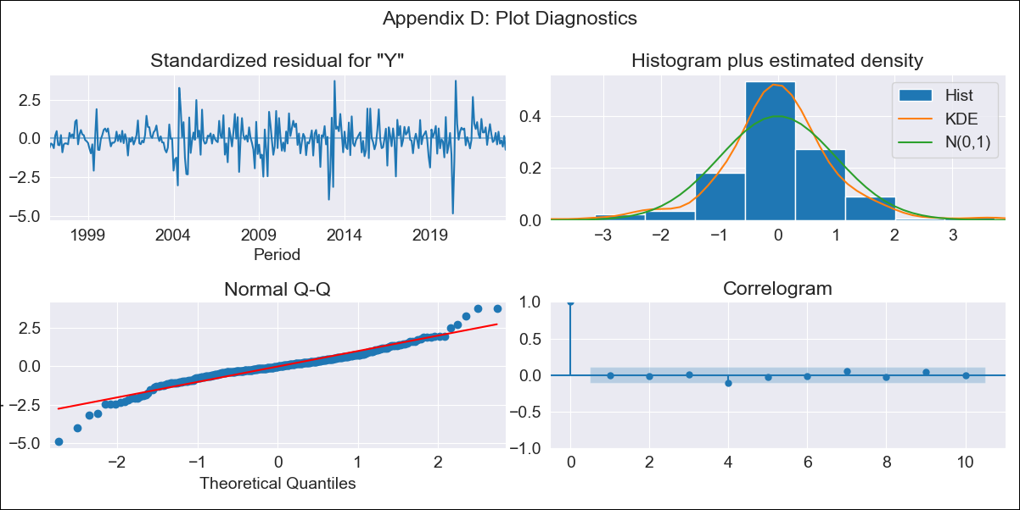

PRY log_transformed - Inflation - Next 12 months forecast as of: 2023-06-01

Model | ARIMA - [(3, 1, 0), (2, 0, 0, 12)]
Training Data | 1994-06-01 to 2022-07-01
Test Data | 2022-07-01 to 2023-06-01

Date | Inflation Change YoY % | Lower Bound - 95% Confidence Interval | Upper Bound - 95% Confidence Interval
2023-07-01 | 4.14 | 2.77 | 6.17
2023-08-01 | 4.21 | 2.3 | 7.69
2023-09-01 | 4.39 | 2.1 | 9.16
2023-10-01 | 4.56 | 1.98 | 10.52
2023-11-01 | 4.51 | 1.79 | 11.37
2023-12-01 | 4.64 | 1.7 | 12.67
2024-01-01 | 4.58 | 1.55 | 13.5
2024-02-01 | 4.72 | 1.49 | 14.95
2024-03-01 | 4.81 | 1.42 | 16.27
2024-04-01 | 5.14 | 1.43 | 18.52
2024-05-01 | 5.26 | 1.37 | 20.15
2024-06-01 | 5.74 | 1.42 | 23.29

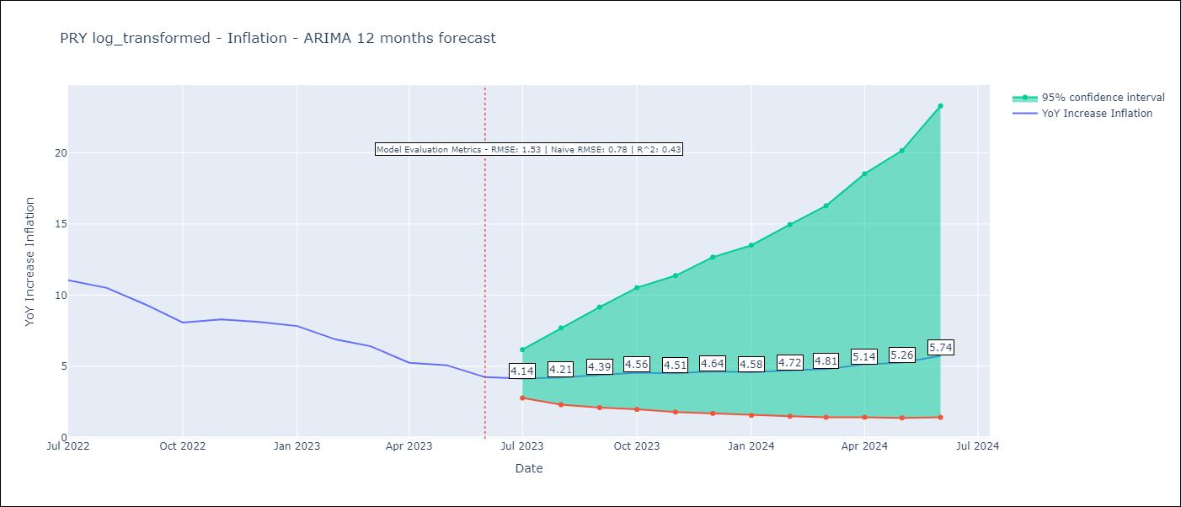

Test Metrics
RMSE | 1.53
Naive RMSE | 0.78
R^2 | 0.43

Test Predictions
Date | Predicted | Actual
2022-07-01 | 9.05 | 11.05
2022-08-01 | 7.9 | 10.51
2022-09-01 | 7.42 | 9.35
2022-10-01 | 6.73 | 8.07
2022-11-01 | 6.44 | 8.29
2022-12-01 | 6.73 | 8.12
2023-01-01 | 5.99 | 7.83
2023-02-01 | 5.57 | 6.88
2023-03-01 | 5.39 | 6.41
2023-04-01 | 4.93 | 5.25
2023-05-01 | 4.62 | 5.08
2023-06-01 | 4.41 | 4.24

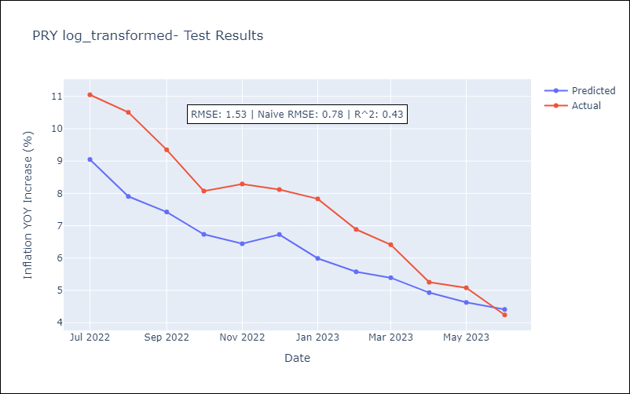

Appendix A: Model Summary
Model | ARIMA(3, 1, 0)x(2, 0, 0, 12)
Sample | 06-01-1994- 06-01-2023
No. of Observations | 349
Terms | P-value (Statistical significance)
ar.L1 | 0.001
ar.L2 | 0.026
ar.L3 | 0.300
ar.S.L12 | 0.000
ar.S.L24 | 0.000
sigma2 | 0.000
Assumptions | P-value | Interpretation
Ljung-Box (L1) | 0.92 | Residuals are independent.
Heteroskedasticity | 0.25 | Residuals have the same variance.
Jarque-Bera | 0.00 | Residuals are not normally distributed.
Skew | -0.34 | Negative skew - Model overestimates the mean.
Kurtosis | 6.57 | Residuals contain more extreme outliers than in a normal distribution.

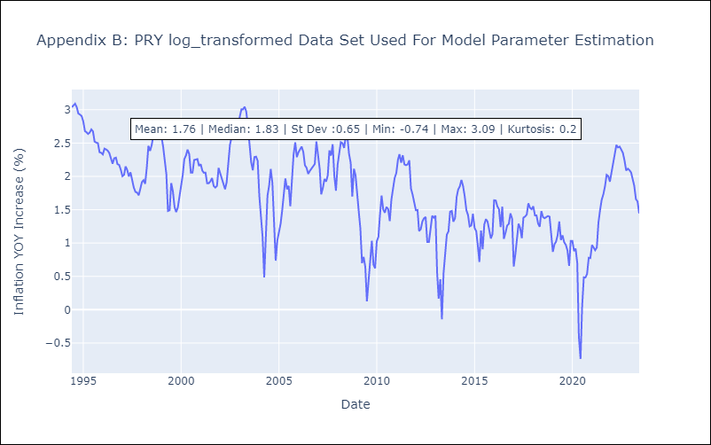

Appendix C: Residuals Analysis
Mean | 0.01
Variance | 0.07
White Noise? | Yes
Heteroskedastic? - ARCH | Yes
Normal? | No

