CRI
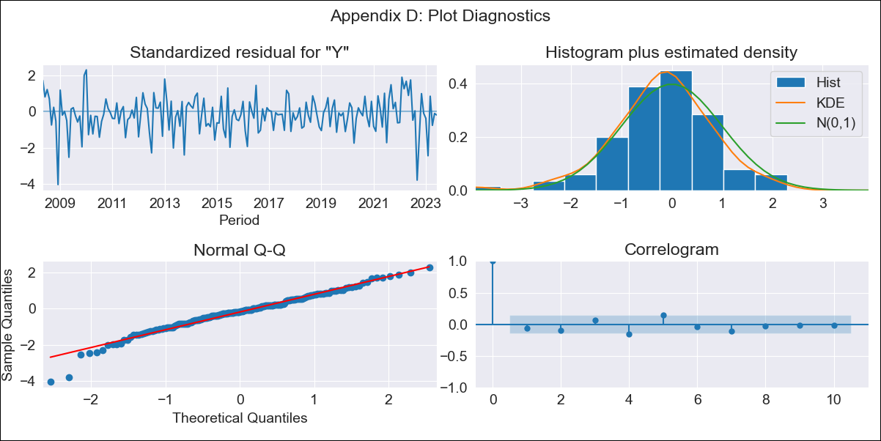

CRI - Inflation - Next 12 months forecast as of: 2023-06-01

Model | ARIMA - [(2, 1, 0), (0, 0, 1, 12)]
Training Data | 2007-03-01 to 2022-07-01
Test Data | 2022-07-01 to 2023-06-01

Date | Inflation Change YoY % | Lower Bound - 95% Confidence Interval | Upper Bound - 95% Confidence Interval
2023-07-01 | -2.02 | -2.9 | -1.14
2023-08-01 | -2.85 | -4.41 | -1.28
2023-09-01 | -1.81 | -4.09 | 0.46
2023-10-01 | -0.91 | -3.88 | 2.05
2023-11-01 | -0.72 | -4.33 | 2.9
2023-12-01 | -0.42 | -4.65 | 3.81
2024-01-01 | -0.08 | -4.89 | 4.73
2024-02-01 | 1.17 | -4.2 | 6.53
2024-03-01 | 1.46 | -4.42 | 7.34
2024-04-01 | 2.15 | -4.22 | 8.52
2024-05-01 | 2.58 | -4.25 | 9.41
2024-06-01 | 2.99 | -4.28 | 10.26

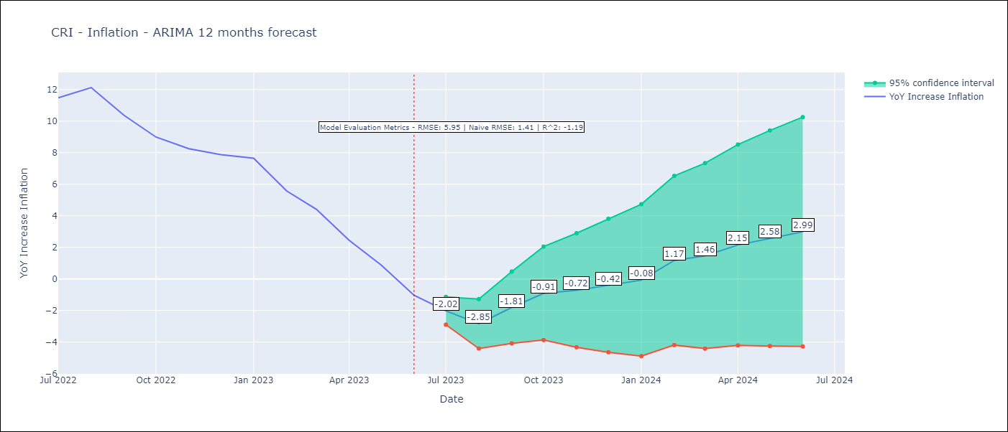

Test Metrics
RMSE | 5.95
Naive RMSE | 1.41
R^2 | -1.19

Test Predictions
Date | Predicted | Actual
2022-07-01 | 11.71 | 11.48
2022-08-01 | 12.47 | 12.13
2022-09-01 | 12.56 | 10.37
2022-10-01 | 12.71 | 8.99
2022-11-01 | 12.58 | 8.26
2022-12-01 | 12.8 | 7.88
2023-01-01 | 13.12 | 7.65
2023-02-01 | 12.53 | 5.58
2023-03-01 | 11.81 | 4.42
2023-04-01 | 10.68 | 2.44
2023-05-01 | 9.61 | 0.88
2023-06-01 | 8.21 | -1.04

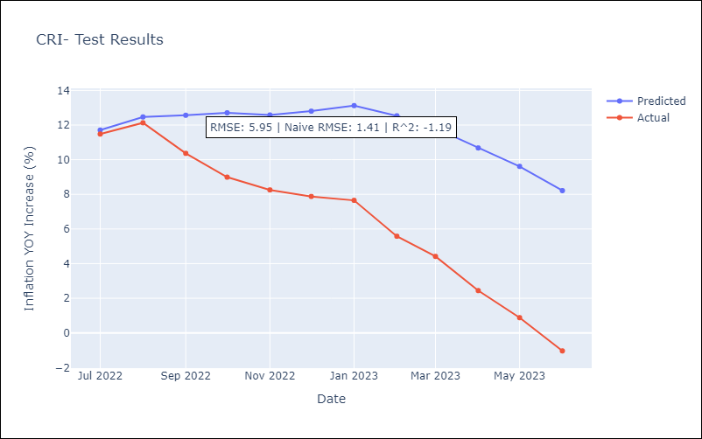

Appendix A: Model Summary
Model | ARIMA(2, 1, 0)x(0, 0, [1], 12)
Sample | 03-01-2007- 06-01-2023
No. of Observations | 196
Terms | P-value (Statistical significance)
ar.L1 | 0.000
ar.L2 | 0.012
ma.S.L12 | 0.991
sigma2 | 0.991
Assumptions | P-value | Interpretation
Ljung-Box (L1) | 0.39 | Residuals are independent.
Heteroskedasticity | 0.37 | Residuals have the same variance.
Jarque-Bera | 0.00 | Residuals are not normally distributed.
Skew | -0.55 | Negative skew - Model overestimates the mean.
Kurtosis | 4.52 | Residuals contain more extreme outliers than in a normal distribution.

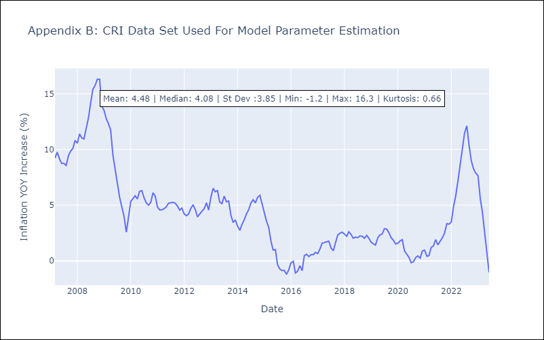

Appendix C: Residuals Analysis
Mean | -0.05
Variance | 0.7
White Noise? | Yes
Heteroskedastic? - ARCH | No
Normal? | No

