CRI log_transformed
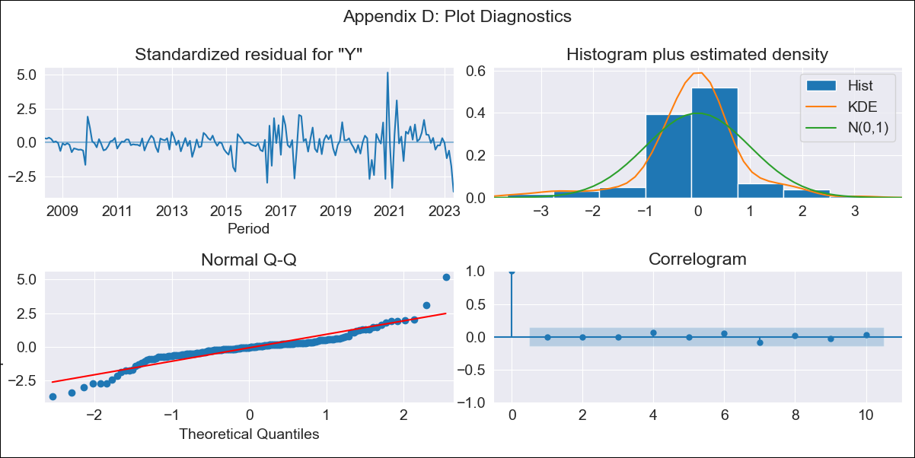

CRI log_transformed - Inflation - Next 12 months forecast as of: 2023-05-01

Model | ARIMA - [(3, 1, 0), (0, 0, 1, 12)]
Training Data | 2007-03-01 to 2022-06-01
Test Data | 2022-06-01 to 2023-05-01

Date | Inflation Change YoY % | Lower Bound - 95% Confidence Interval | Upper Bound - 95% Confidence Interval
2023-06-01 | 0.74 | 0.46 | 1.19
2023-07-01 | 0.66 | 0.33 | 1.35
2023-08-01 | 0.59 | 0.24 | 1.45
2023-09-01 | 0.6 | 0.2 | 1.74
2023-10-01 | 0.6 | 0.18 | 2.04
2023-11-01 | 0.61 | 0.15 | 2.37
2023-12-01 | 0.59 | 0.13 | 2.63
2024-01-01 | 0.59 | 0.12 | 2.96
2024-02-01 | 0.65 | 0.12 | 3.61
2024-03-01 | 0.68 | 0.11 | 4.21
2024-04-01 | 0.78 | 0.11 | 5.34
2024-05-01 | 1.05 | 0.14 | 7.86

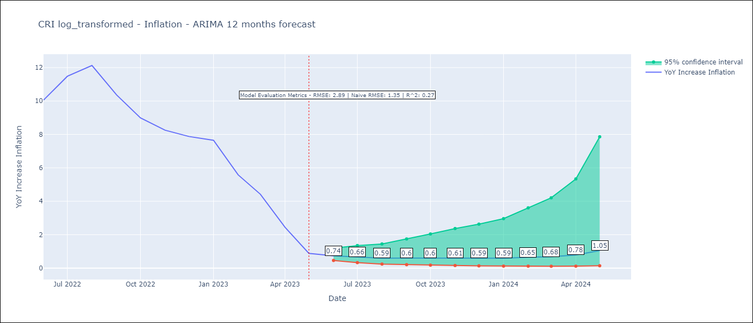

Test Metrics
RMSE | 2.89
Naive RMSE | 1.35
R^2 | 0.27

Test Predictions
Date | Predicted | Actual
2022-06-01 | 8.6 | 10.06
2022-07-01 | 9.28 | 11.48
2022-08-01 | 9.33 | 12.13
2022-09-01 | 9.1 | 10.37
2022-10-01 | 8.81 | 8.99
2022-11-01 | 8.58 | 8.26
2022-12-01 | 8.37 | 7.88
2023-01-01 | 8.3 | 7.65
2023-02-01 | 8.05 | 5.58
2023-03-01 | 7.83 | 4.42
2023-04-01 | 7.45 | 2.44
2023-05-01 | 7.23 | 0.88

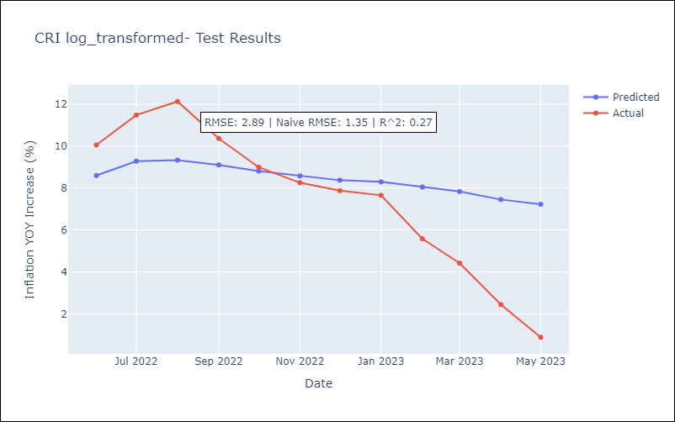

Appendix A: Model Summary
Model | ARIMA(3, 1, 0)x(0, 0, [1], 12)
Sample | 03-01-2007- 05-01-2023
No. of Observations | 195
Terms | P-value (Statistical significance)
ar.L1 | 0.145
ar.L2 | 0.286
ar.L3 | 0.352
ma.S.L12 | 0.000
sigma2 | 0.000
Assumptions | P-value | Interpretation
Ljung-Box (L1) | 0.93 | Residuals are independent.
Heteroskedasticity | 0.00 | Residuals have different variances.
Jarque-Bera | 0.00 | Residuals are not normally distributed.
Skew | 0.16 | Positive skew - model underestimates the mean.
Kurtosis | 8.75 | Residuals contain more extreme outliers than in a normal distribution.

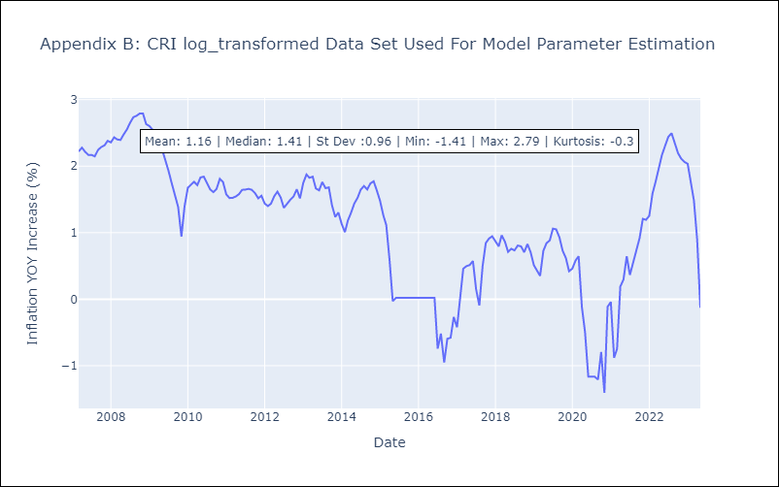

Appendix C: Residuals Analysis
Mean | -0.0
Variance | 0.08
White Noise? | Yes
Heteroskedastic? - ARCH | Yes
Normal? | No

