SLV log_transformed
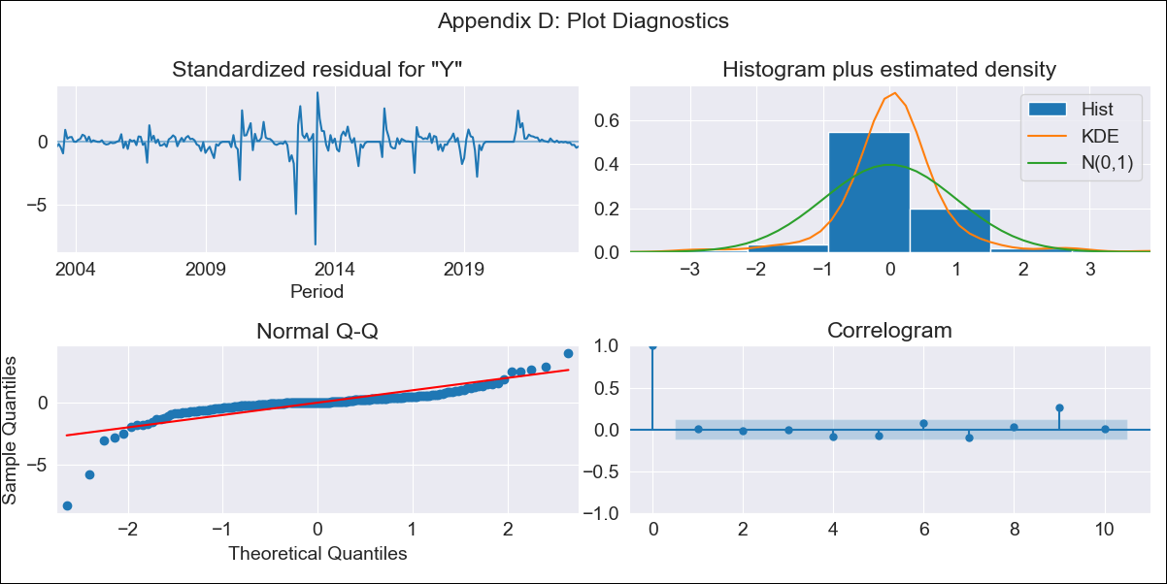
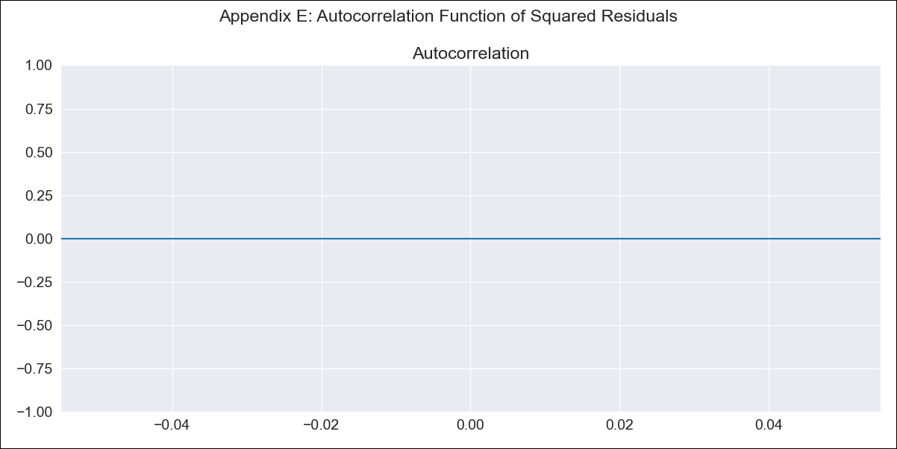
SLV log_transformed - Inflation - Next 12 months forecast as of: 2023-06-01

Model | ARIMA - [(3, 1, 0), (0, 0, 0, 12)]
Training Data | 2002-12-01 to 2022-07-01
Test Data | 2022-07-01 to 2023-06-01

Date | Inflation Change YoY % | Lower Bound - 95% Confidence Interval | Upper Bound - 95% Confidence Interval
2023-07-01 | 4 | 1.5 | 10.69
2023-08-01 | 4.18 | 1.06 | 16.52
2023-09-01 | 4.17 | 0.87 | 19.83
2023-10-01 | 4.11 | 0.75 | 22.67
2023-11-01 | 4.1 | 0.64 | 26.45
2023-12-01 | 4.12 | 0.55 | 30.88
2024-01-01 | 4.12 | 0.48 | 35.48
2024-02-01 | 4.12 | 0.42 | 40.25
2024-03-01 | 4.12 | 0.37 | 45.39
2024-04-01 | 4.12 | 0.33 | 50.94
2024-05-01 | 4.12 | 0.3 | 56.89
2024-06-01 | 4.12 | 0.27 | 63.24

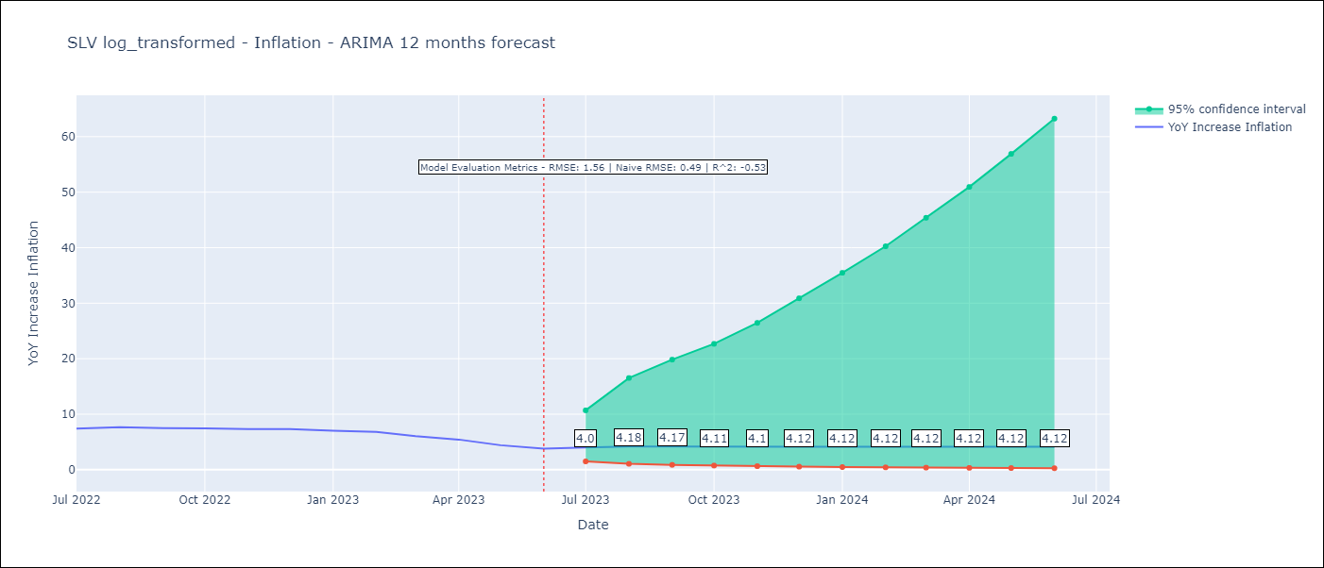

Test Metrics
RMSE | 1.56
Naive RMSE | 0.49
R^2 | -0.53

Test Predictions
Date | Predicted | Actual
2022-07-01 | 7.5 | 7.42
2022-08-01 | 7.34 | 7.66
2022-09-01 | 7.39 | 7.49
2022-10-01 | 7.45 | 7.47
2022-11-01 | 7.45 | 7.32
2022-12-01 | 7.43 | 7.32
2023-01-01 | 7.43 | 7.03
2023-02-01 | 7.43 | 6.82
2023-03-01 | 7.43 | 6.05
2023-04-01 | 7.43 | 5.43
2023-05-01 | 7.43 | 4.41
2023-06-01 | 7.43 | 3.78

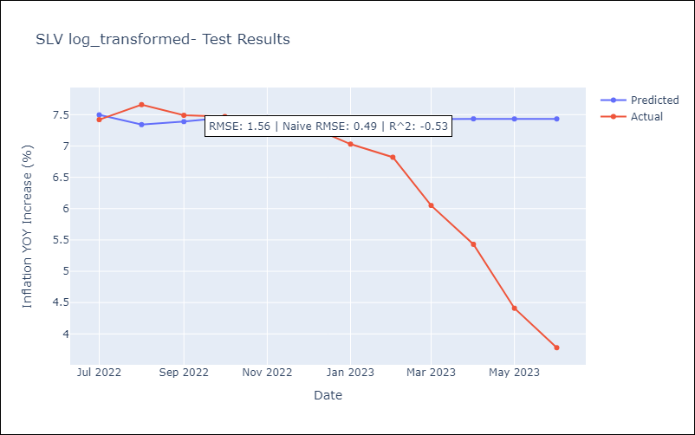

Appendix A: Model Summary
Model | ARIMA(3, 1, 0)
Sample | 12-01-2002- 06-01-2023
No. of Observations | 247
Terms | P-value (Statistical significance)
ar.L1 | 0.361
ar.L2 | 0.000
ar.L3 | 0.407
sigma2 | 0.000
Assumptions | P-value | Interpretation
Ljung-Box (L1) | 0.97 | Residuals are independent.
Heteroskedasticity | 0.00 | Residuals have different variances.
Jarque-Bera | 0.00 | Residuals are not normally distributed.
Skew | -2.90 | Negative skew - Model overestimates the mean.
Kurtosis | 27.47 | Residuals contain more extreme outliers than in a normal distribution.

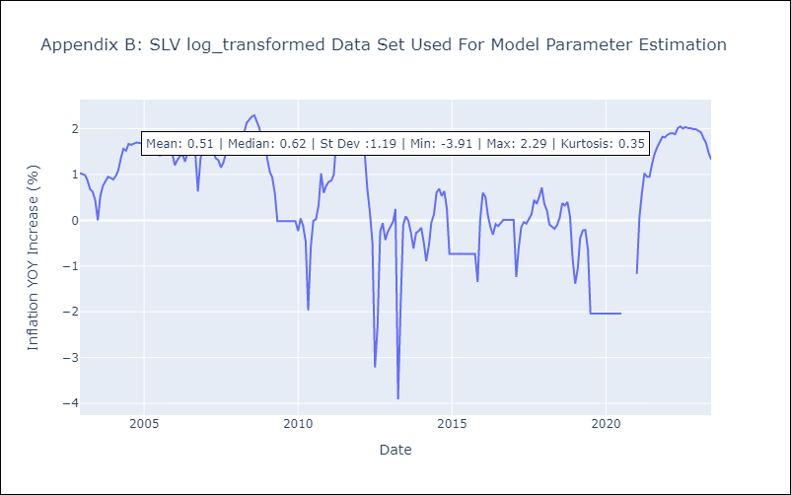

Appendix C: Residuals Analysis
Mean | 0.01
Variance | 0.26
White Noise? | Yes
Heteroskedastic? - ARCH | Yes
Normal? | Yes

