GTM log_transformed
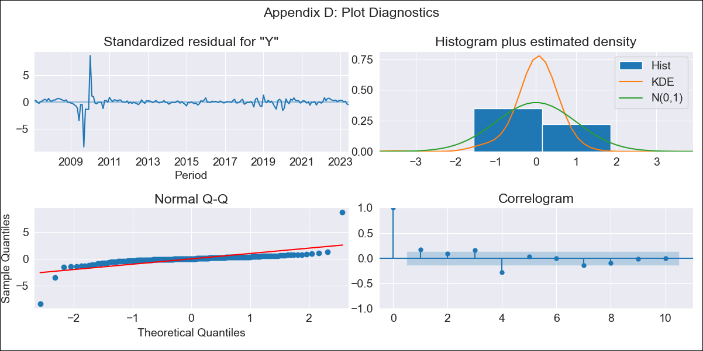
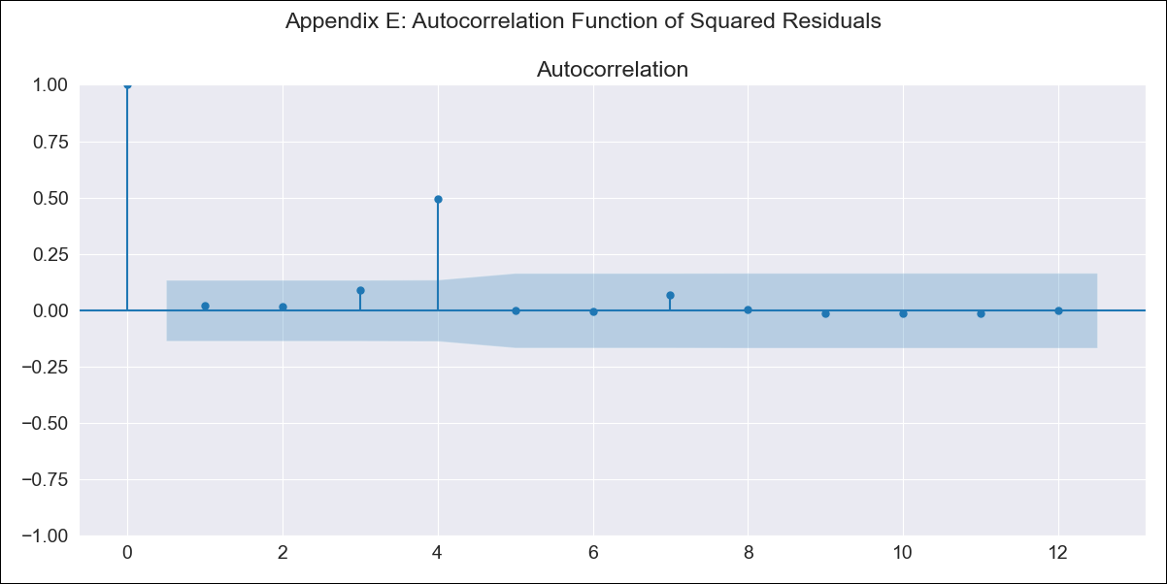
GTM log_transformed - Inflation - Next 12 months forecast as of: 2023-06-01

Model | ARIMA - [(1, 0, 0), (1, 0, 0, 12)]
Training Data | 2006-01-01 to 2022-07-01
Test Data | 2022-07-01 to 2023-06-01

Date | Inflation Change YoY % | Lower Bound - 95% Confidence Interval | Upper Bound - 95% Confidence Interval
2023-07-01 | 4.7 | 2.22 | 9.97
2023-08-01 | 4.53 | 1.65 | 12.39
2023-09-01 | 4.39 | 1.36 | 14.18
2023-10-01 | 4.25 | 1.17 | 15.4
2023-11-01 | 4.19 | 1.06 | 16.52
2023-12-01 | 4.1 | 0.97 | 17.26
2024-01-01 | 4.01 | 0.91 | 17.71
2024-02-01 | 3.93 | 0.86 | 18.06
2024-03-01 | 3.94 | 0.83 | 18.64
2024-04-01 | 3.91 | 0.81 | 18.94
2024-05-01 | 3.98 | 0.81 | 19.63
2024-06-01 | 4.08 | 0.81 | 20.4

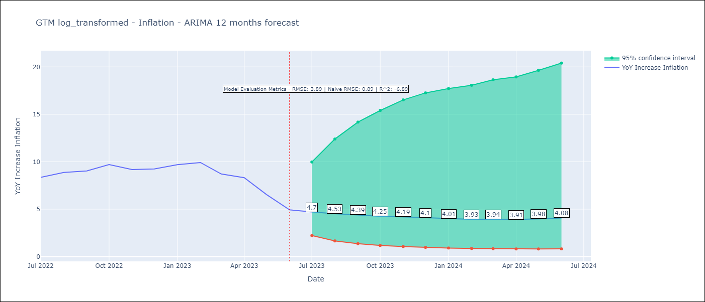

Test Metrics
RMSE | 3.89
Naive RMSE | 0.89
R^2 | -6.89

Test Predictions
Date | Predicted | Actual
2022-07-01 | 6.52 | 8.36
2022-08-01 | 5.87 | 8.87
2022-09-01 | 5.39 | 9.03
2022-10-01 | 5.19 | 9.7
2022-11-01 | 4.96 | 9.17
2022-12-01 | 4.75 | 9.24
2023-01-01 | 4.67 | 9.69
2023-02-01 | 4.55 | 9.92
2023-03-01 | 4.32 | 8.71
2023-04-01 | 4.22 | 8.32
2023-05-01 | 4.07 | 6.54
2023-06-01 | 3.93 | 4.93

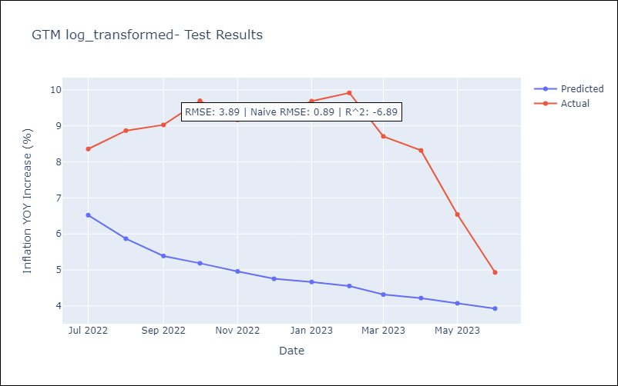

Appendix A: Model Summary
Model | ARIMA(1, 0, 0)x(1, 0, 0, 12)
Sample | 01-01-2006- 06-01-2023
No. of Observations | 210
Terms | P-value (Statistical significance)
const | 0.008
ar.L1 | 0.000
ar.S.L12 | 0.110
sigma2 | 0.000
Assumptions | P-value | Interpretation
Ljung-Box (L1) | 0.02 | Residuals are not independent.
Heteroskedasticity | 0.00 | Residuals have different variances.
Jarque-Bera | 0.00 | Residuals are not normally distributed.
Skew | 0.06 | Positive skew - model underestimates the mean.
Kurtosis | 55.10 | Residuals contain more extreme outliers than in a normal distribution.

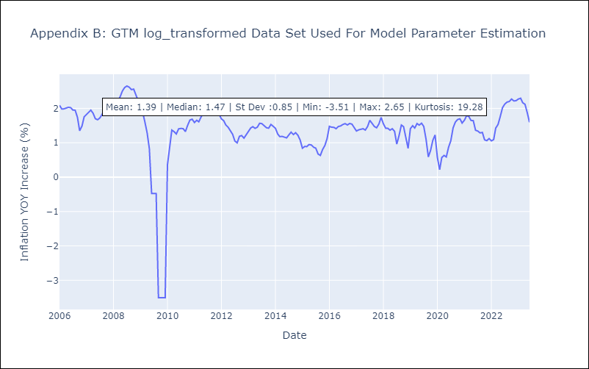

Appendix C: Residuals Analysis
Mean | 0.01
Variance | 0.14
White Noise? | No - Correlation at Lags [ 1 2 3 4 5 6 7 8 9 10 11 12]
Heteroskedastic? - ARCH | Yes
Normal? | No

