HND
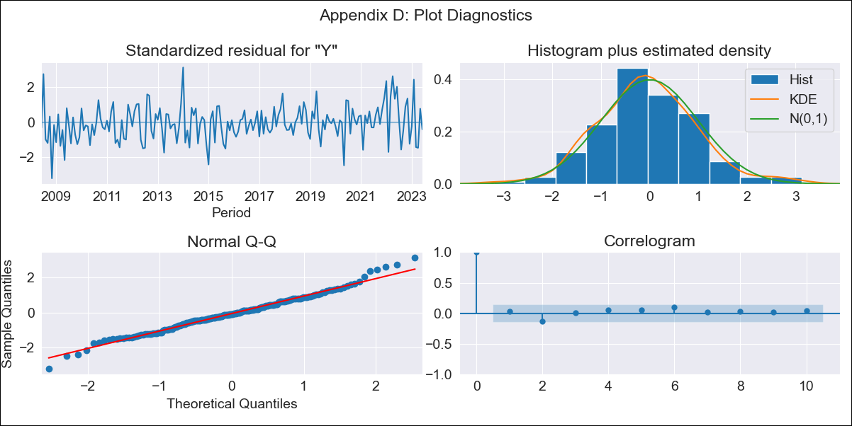

HND - Inflation - Next 12 months forecast as of: 2023-06-01

Model | ARIMA - [(1, 1, 1), (2, 0, 1, 12)]
Training Data | 2006-04-01 to 2022-07-01
Test Data | 2022-07-01 to 2023-06-01

Date | Inflation Change YoY % | Lower Bound - 95% Confidence Interval | Upper Bound - 95% Confidence Interval
2023-07-01 | 5.23 | 4.51 | 5.94
2023-08-01 | 5.44 | 4.26 | 6.61
2023-09-01 | 5.62 | 4.02 | 7.21
2023-10-01 | 5.47 | 3.49 | 7.44
2023-11-01 | 5.1 | 2.77 | 7.42
2023-12-01 | 5.4 | 2.76 | 8.04
2024-01-01 | 5.63 | 2.7 | 8.57
2024-02-01 | 4.87 | 1.67 | 8.07
2024-03-01 | 5.16 | 1.7 | 8.61
2024-04-01 | 5.72 | 2.03 | 9.41
2024-05-01 | 5.98 | 2.07 | 9.9
2024-06-01 | 6.19 | 2.07 | 10.32

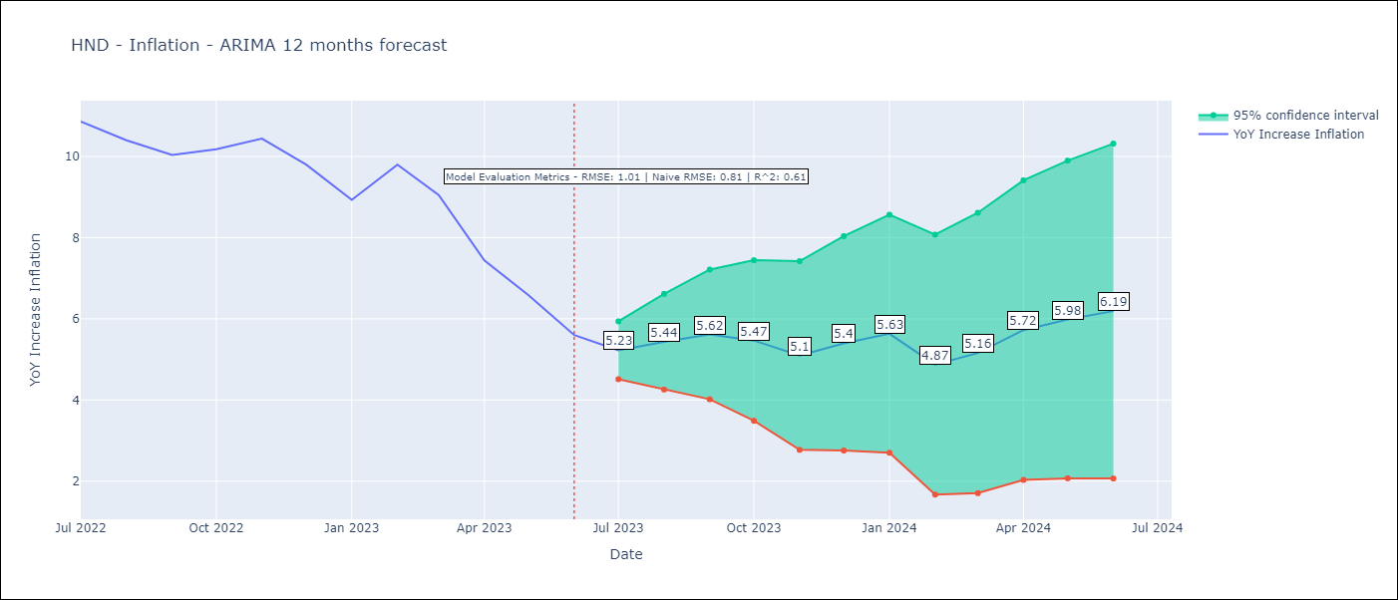

Test Metrics
RMSE | 1.01
Naive RMSE | 0.81
R^2 | 0.61

Test Predictions
Date | Predicted | Actual
2022-07-01 | 10.86 | 10.86
2022-08-01 | 11.01 | 10.4
2022-09-01 | 11.08 | 10.04
2022-10-01 | 11.1 | 10.18
2022-11-01 | 10.92 | 10.44
2022-12-01 | 10.69 | 9.8
2023-01-01 | 10.12 | 8.93
2023-02-01 | 10.12 | 9.8
2023-03-01 | 9.72 | 9.05
2023-04-01 | 8.81 | 7.44
2023-05-01 | 7.99 | 6.58
2023-06-01 | 7.34 | 5.6

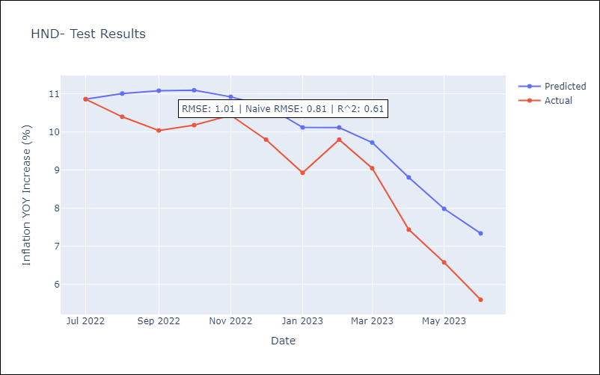

Appendix A: Model Summary
Model | ARIMA(1, 1, 1)x(2, 0, 1, 12)
Sample | 04-01-2006- 06-01-2023
No. of Observations | 207
Terms | P-value (Statistical significance)
ar.L1 | 0.000
ma.L1 | 0.006
ar.S.L12 | 0.000
ar.S.L24 | 0.000
ma.S.L12 | 0.363
sigma2 | 0.000
Assumptions | P-value | Interpretation
Ljung-Box (L1) | 0.67 | Residuals are independent.
Heteroskedasticity | 0.89 | Residuals have the same variance.
Jarque-Bera | 0.09 | Residuals are normally distributed.
Skew | 0.20 | Positive skew - model underestimates the mean.
Kurtosis | 3.70 | Residuals contain more extreme outliers than in a normal distribution.

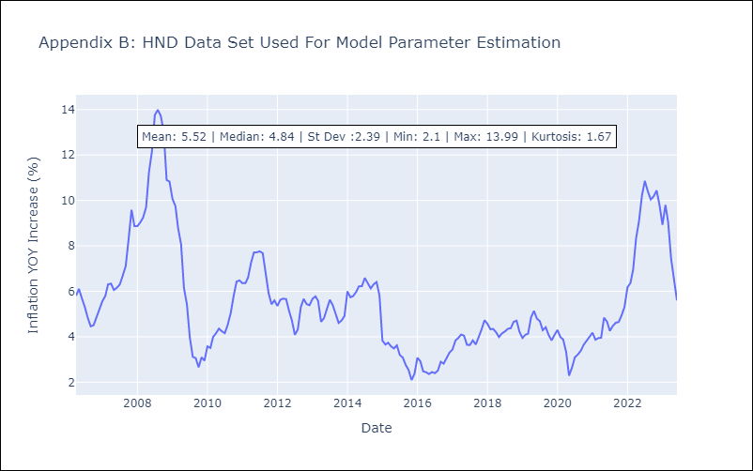

Appendix C: Residuals Analysis
Mean | 0.02
Variance | 0.34
White Noise? | Yes
Heteroskedastic? - ARCH | Yes
Normal? | No

