HND log_transformed
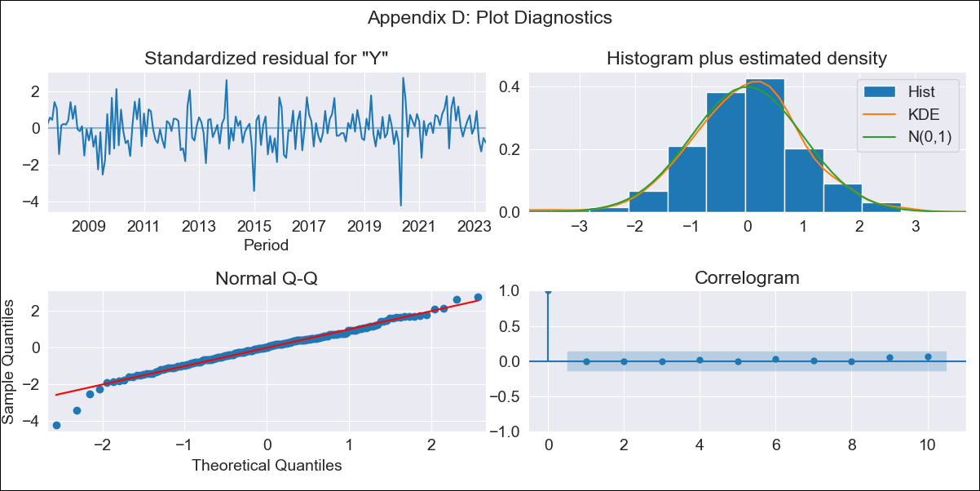

HND log_transformed - Inflation - Next 12 months forecast as of: 2023-06-01

Model | ARIMA - [(1, 1, 1), (0, 0, 1, 12)]
Training Data | 2006-04-01 to 2022-07-01
Test Data | 2022-07-01 to 2023-06-01

Date | Inflation Change YoY % | Lower Bound - 95% Confidence Interval | Upper Bound - 95% Confidence Interval
2023-07-01 | 5.27 | 4.5 | 6.18
2023-08-01 | 5.24 | 4.04 | 6.79
2023-09-01 | 5.2 | 3.68 | 7.34
2023-10-01 | 5.09 | 3.35 | 7.73
2023-11-01 | 4.9 | 3.02 | 7.94
2023-12-01 | 4.9 | 2.85 | 8.42
2024-01-01 | 4.89 | 2.7 | 8.86
2024-02-01 | 4.69 | 2.47 | 8.92
2024-03-01 | 4.77 | 2.4 | 9.49
2024-04-01 | 5.06 | 2.43 | 10.5
2024-05-01 | 5.27 | 2.44 | 11.39
2024-06-01 | 5.53 | 2.46 | 12.43

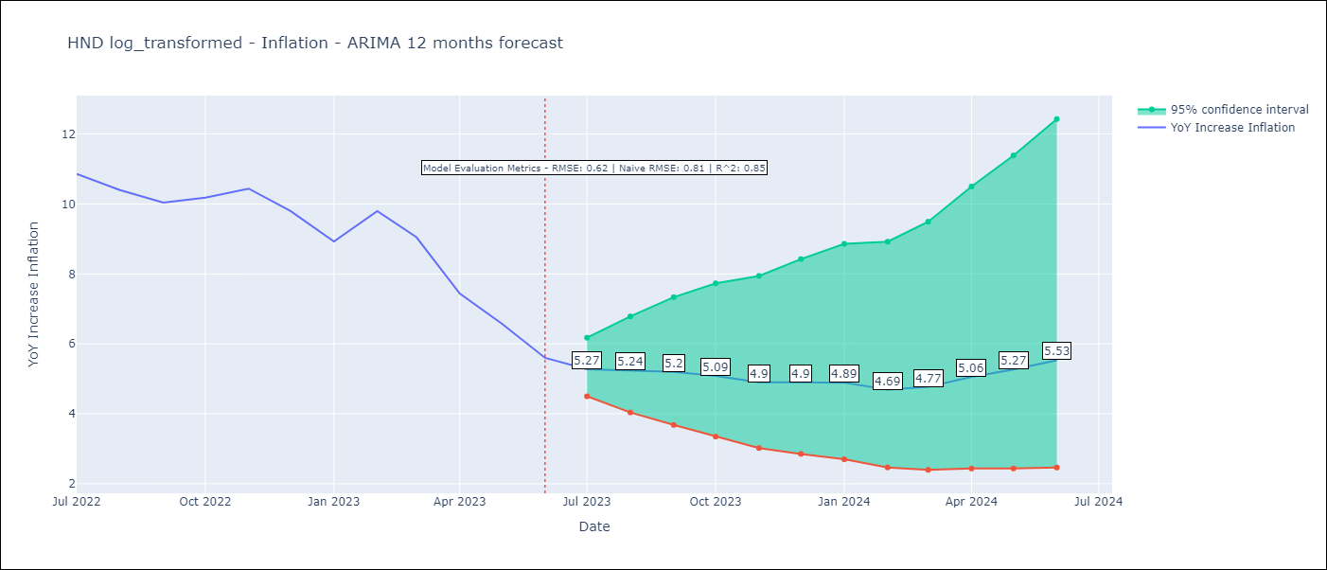

Test Metrics
RMSE | 0.62
Naive RMSE | 0.81
R^2 | 0.85

Test Predictions
Date | Predicted | Actual
2022-07-01 | 10.78 | 10.86
2022-08-01 | 10.7 | 10.4
2022-09-01 | 10.44 | 10.04
2022-10-01 | 10.3 | 10.18
2022-11-01 | 9.92 | 10.44
2022-12-01 | 9.38 | 9.8
2023-01-01 | 8.56 | 8.93
2023-02-01 | 8.68 | 9.8
2023-03-01 | 8.29 | 9.05
2023-04-01 | 7.61 | 7.44
2023-05-01 | 7.26 | 6.58
2023-06-01 | 6.8 | 5.6

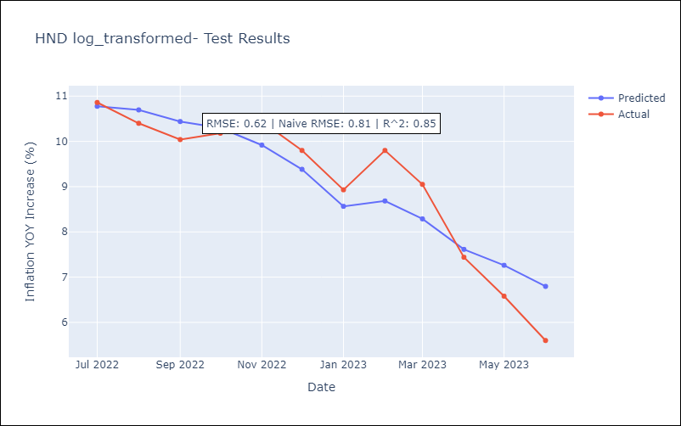

Appendix A: Model Summary
Model | ARIMA(1, 1, 1)x(0, 0, 1, 12)
Sample | 04-01-2006- 06-01-2023
No. of Observations | 207
Terms | P-value (Statistical significance)
ar.L1 | 0.009
ma.L1 | 0.406
ma.S.L12 | 0.000
sigma2 | 0.000
Assumptions | P-value | Interpretation
Ljung-Box (L1) | 1.00 | Residuals are independent.
Heteroskedasticity | 0.61 | Residuals have the same variance.
Jarque-Bera | 0.00 | Residuals are not normally distributed.
Skew | -0.42 | Negative skew - Model overestimates the mean.
Kurtosis | 4.60 | Residuals contain more extreme outliers than in a normal distribution.

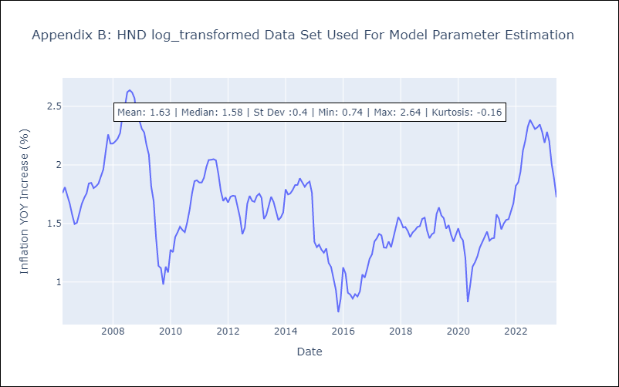

Appendix C: Residuals Analysis
Mean | 0.01
Variance | 0.02
White Noise? | Yes
Heteroskedastic? - ARCH | No
Normal? | No

