NIC log_transformed
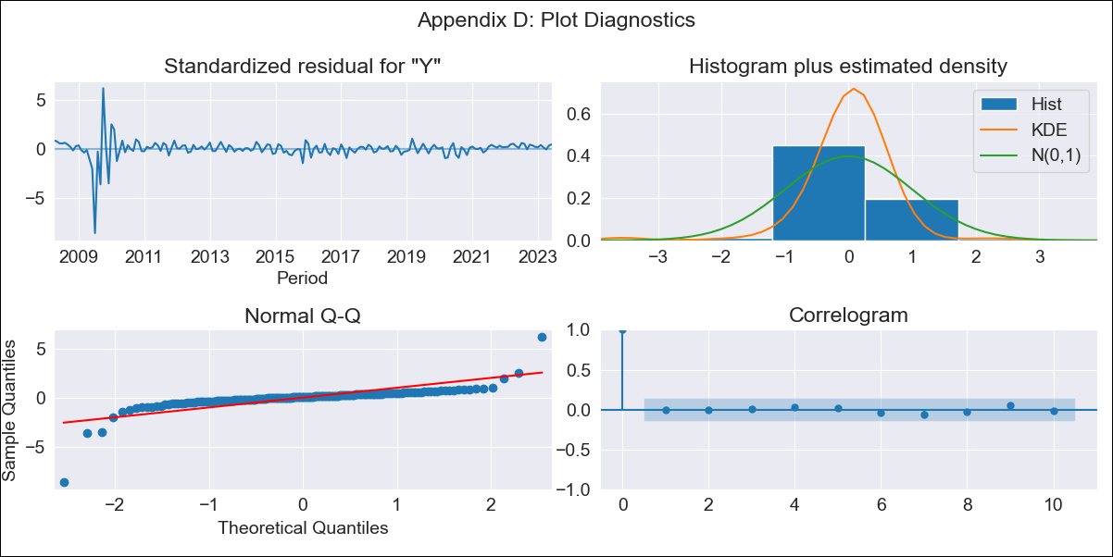
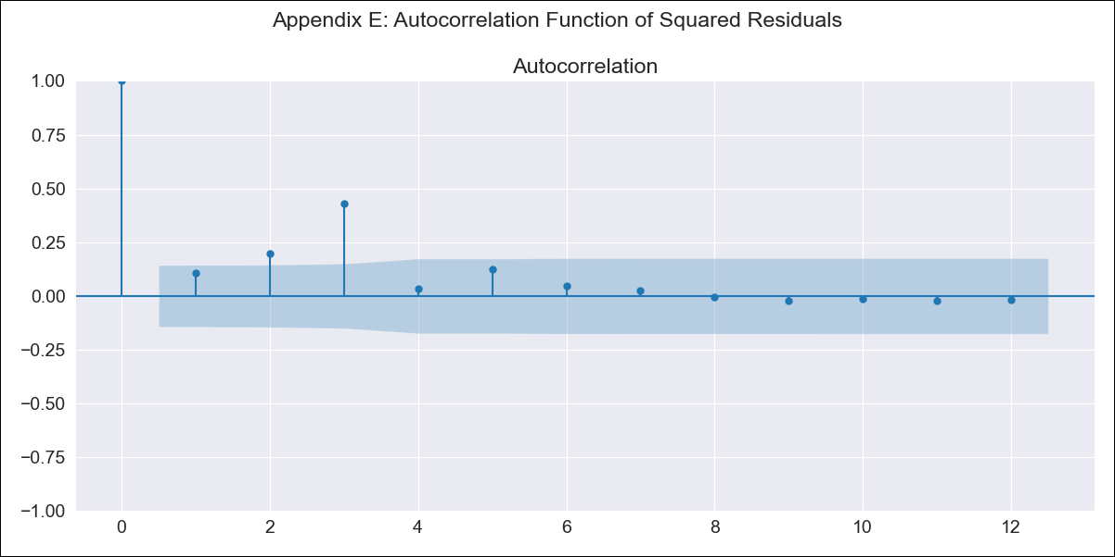
NIC log_transformed - Inflation - Next 12 months forecast as of: 2023-06-01

Model | ARIMA - [(3, 0, 2), (0, 0, 0, 12)]
Training Data | 2008-01-01 to 2022-07-01
Test Data | 2022-07-01 to 2023-06-01

Date | Inflation Change YoY % | Lower Bound - 95% Confidence Interval | Upper Bound - 95% Confidence Interval
2023-07-01 | 9.49 | 4.69 | 19.21
2023-08-01 | 9.01 | 3.44 | 23.57
2023-09-01 | 7.87 | 2.09 | 29.68
2023-10-01 | 7.28 | 1.69 | 31.33
2023-11-01 | 6.79 | 1.45 | 31.91
2023-12-01 | 6.43 | 1.3 | 31.85
2024-01-01 | 6.16 | 1.2 | 31.51
2024-02-01 | 5.95 | 1.14 | 31.07
2024-03-01 | 5.79 | 1.09 | 30.61
2024-04-01 | 5.66 | 1.06 | 30.19
2024-05-01 | 5.56 | 1.04 | 29.81
2024-06-01 | 5.48 | 1.02 | 29.49

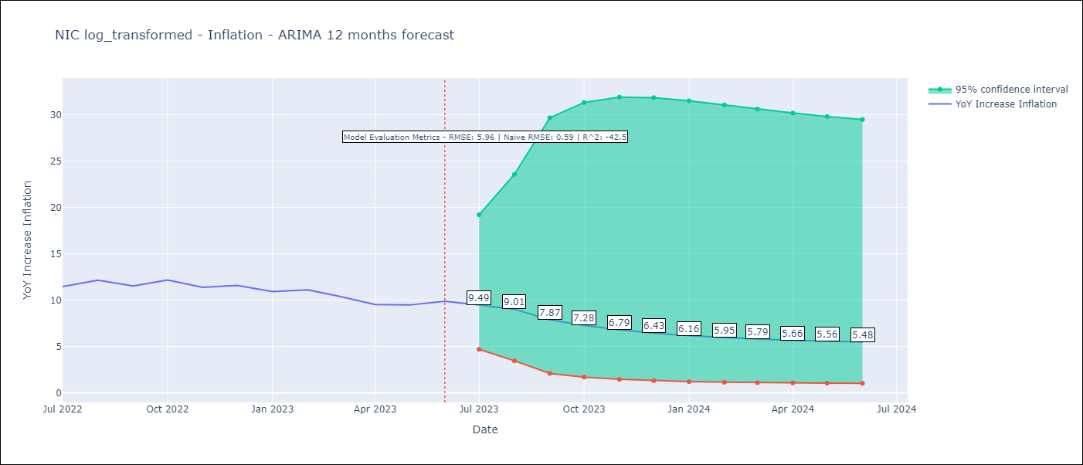

Test Metrics
RMSE | 5.96
Naive RMSE | 0.59
R^2 | -42.5

Test Predictions
Date | Predicted | Actual
2022-07-01 | 8.7 | 11.46
2022-08-01 | 7.32 | 12.15
2022-09-01 | 6.32 | 11.52
2022-10-01 | 5.54 | 12.16
2022-11-01 | 4.97 | 11.38
2022-12-01 | 4.56 | 11.59
2023-01-01 | 4.27 | 10.92
2023-02-01 | 4.07 | 11.1
2023-03-01 | 3.95 | 10.39
2023-04-01 | 3.89 | 9.53
2023-05-01 | 3.88 | 9.47
2023-06-01 | 3.91 | 9.87

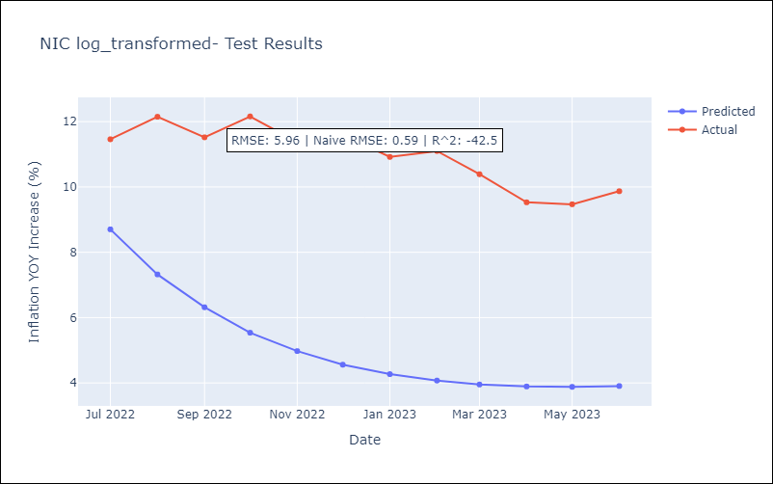

Appendix A: Model Summary
Model | ARIMA(3, 0, 2)
Sample | 01-01-2008- 06-01-2023
No. of Observations | 186
Terms | P-value (Statistical significance)
const | 0.000
ar.L1 | 0.005
ar.L2 | 0.289
ar.L3 | 0.654
ma.L1 | 0.001
ma.L2 | 0.000
sigma2 | 0.000
Assumptions | P-value | Interpretation
Ljung-Box (L1) | 0.97 | Residuals are independent.
Heteroskedasticity | 0.00 | Residuals have different variances.
Jarque-Bera | 0.00 | Residuals are not normally distributed.
Skew | -2.60 | Negative skew - Model overestimates the mean.
Kurtosis | 39.55 | Residuals contain more extreme outliers than in a normal distribution.

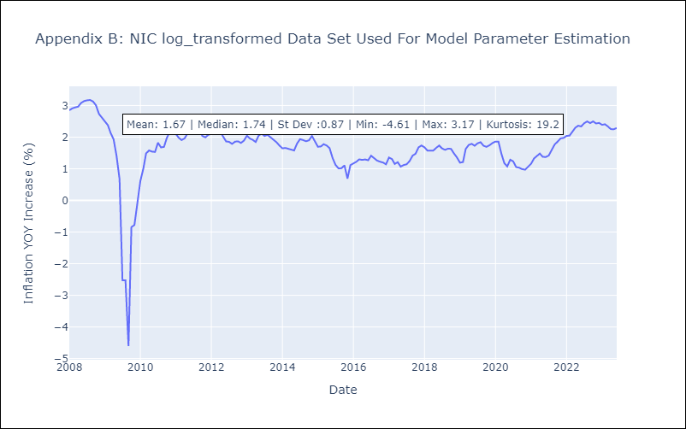

Appendix C: Residuals Analysis
Mean | 0.01
Variance | 0.14
White Noise? | Yes
Heteroskedastic? - ARCH | Yes
Normal? | No

