Dominican Republic
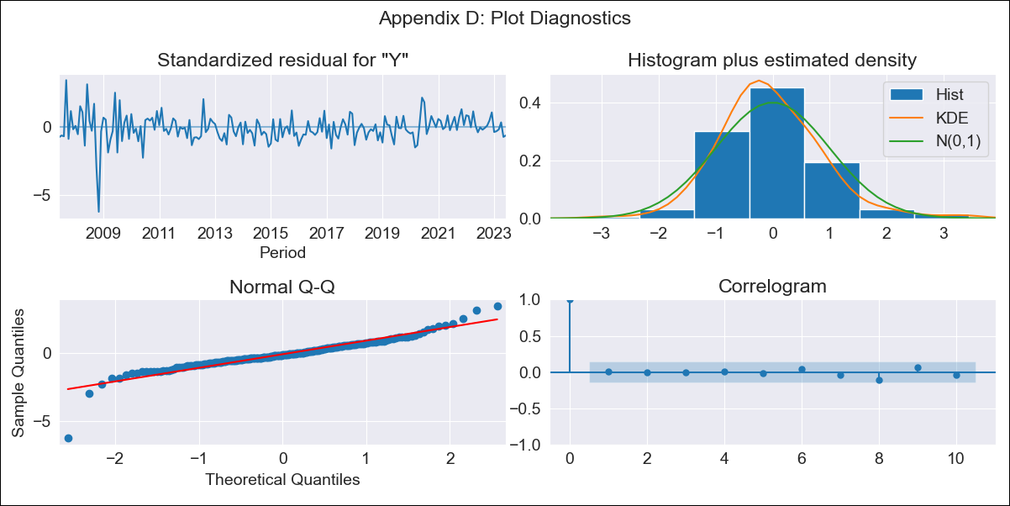

DOM - Inflation - Next 12 months forecast as of: 2023-06-01

Model | ARIMA - [(0, 1, 3), (0, 0, 2, 12)]
Training Data | 2005-01-01 to 2022-07-01
Test Data | 2022-07-01 to 2023-06-01

Date | Inflation Change YoY % | Lower Bound - 95% Confidence Interval | Upper Bound - 95% Confidence Interval
2023-07-01 | 3.83 | 2.72 | 4.94
2023-08-01 | 3.94 | 1.99 | 5.89
2023-09-01 | 4.03 | 1.34 | 6.71
2023-10-01 | 4.06 | 0.74 | 7.37
2023-11-01 | 3.87 | 0.02 | 7.72
2023-12-01 | 3.13 | -1.19 | 7.44
2024-01-01 | 3.07 | -1.67 | 7.81
2024-02-01 | 3.27 | -1.85 | 8.4
2024-03-01 | 3.48 | -2 | 8.96
2024-04-01 | 3.47 | -2.35 | 9.29
2024-05-01 | 3.9 | -2.24 | 10.04
2024-06-01 | 4.42 | -2.02 | 10.86

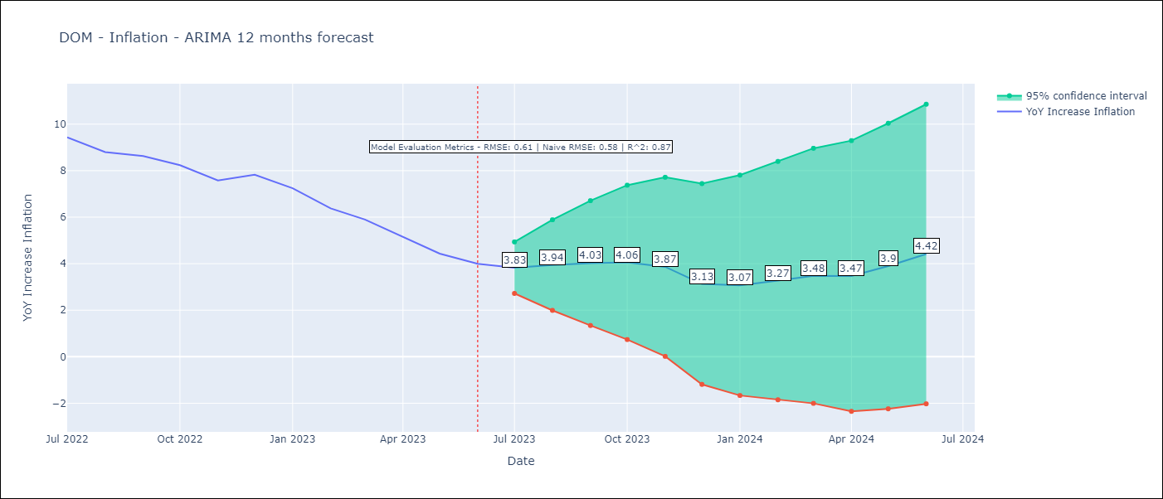

Test Metrics
RMSE | 0.61
Naive RMSE | 0.58
R^2 | 0.87

Test Predictions
Date | Predicted | Actual
2022-07-01 | 9.45 | 9.43
2022-08-01 | 8.92 | 8.8
2022-09-01 | 8.83 | 8.63
2022-10-01 | 8.41 | 8.24
2022-11-01 | 7.46 | 7.58
2022-12-01 | 6.95 | 7.83
2023-01-01 | 6.23 | 7.24
2023-02-01 | 5.46 | 6.38
2023-03-01 | 5.13 | 5.9
2023-04-01 | 4.27 | 5.15
2023-05-01 | 3.9 | 4.43
2023-06-01 | 3.95 | 4

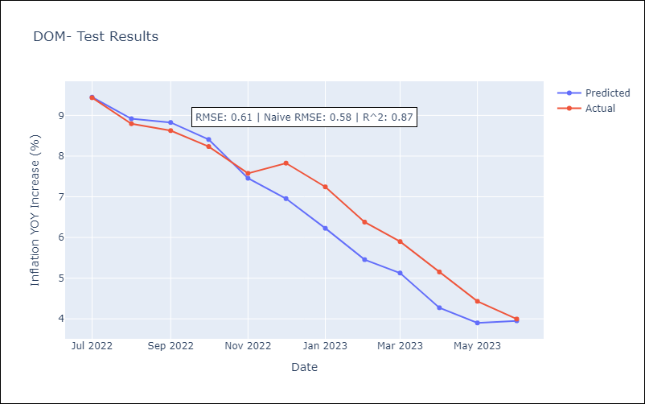

Appendix A: Model Summary
Model | ARIMA(0, 1, 3)x(0, 0, [1, 2], 12)
Sample | 01-01-2005- 06-01-2023
No. of Observations | 222
Terms | P-value (Statistical significance)
ma.L1 | 0.000
ma.L2 | 0.022
ma.L3 | 0.175
ma.S.L12 | 0.000
ma.S.L24 | 0.084
sigma2 | 0.000
Assumptions | P-value | Interpretation
Ljung-Box (L1) | 0.94 | Residuals are independent.
Heteroskedasticity | 0.00 | Residuals have different variances.
Jarque-Bera | 0.00 | Residuals are not normally distributed.
Skew | -0.72 | Negative skew - Model overestimates the mean.
Kurtosis | 10.56 | Residuals contain more extreme outliers than in a normal distribution.

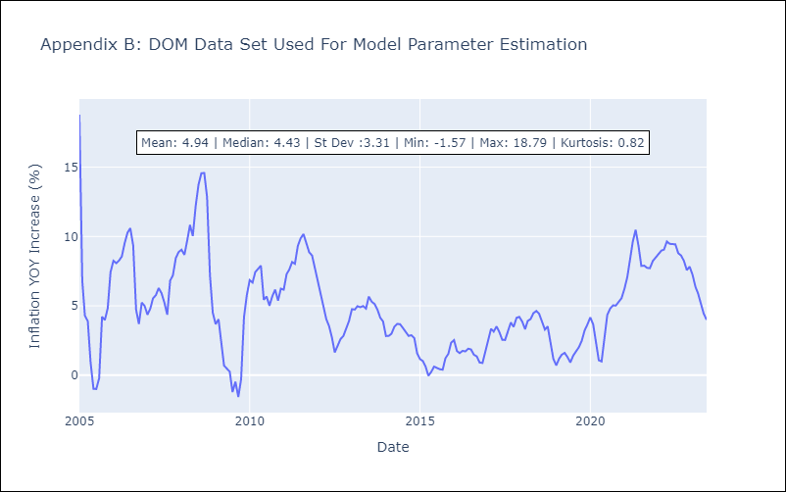

Appendix C: Residuals Analysis
Mean | -0.01
Variance | 2.97
White Noise? | No - Correlation at Lags [ 1 2 3 4 5 6 7 8 9 10 11 12]
Heteroskedastic? - ARCH | No
Normal? | No

