DOM log_transformed
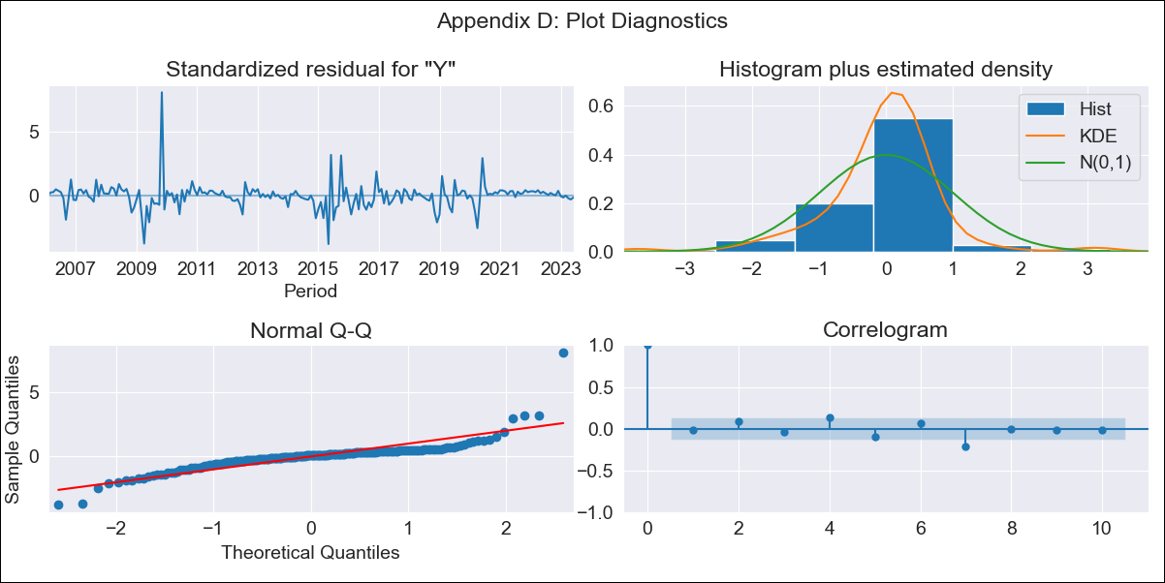

DOM log_transformed - Inflation - Next 12 months forecast as of: 2023-06-01

Model | ARIMA - [(2, 0, 0), (0, 0, 1, 12)]
Training Data | 2005-01-01 to 2022-07-01
Test Data | 2022-07-01 to 2023-06-01

Date | Inflation Change YoY % | Lower Bound - 95% Confidence Interval | Upper Bound - 95% Confidence Interval
2023-07-01 | 3.83 | 2.08 | 7.04
2023-08-01 | 3.75 | 1.49 | 9.44
2023-09-01 | 3.67 | 1.18 | 11.4
2023-10-01 | 3.62 | 1.01 | 13.03
2023-11-01 | 3.6 | 0.9 | 14.42
2023-12-01 | 3.51 | 0.81 | 15.25
2024-01-01 | 3.5 | 0.76 | 16.18
2024-02-01 | 3.52 | 0.73 | 17.11
2024-03-01 | 3.53 | 0.7 | 17.78
2024-04-01 | 3.57 | 0.69 | 18.54
2024-05-01 | 3.64 | 0.68 | 19.33
2024-06-01 | 3.67 | 0.68 | 19.88

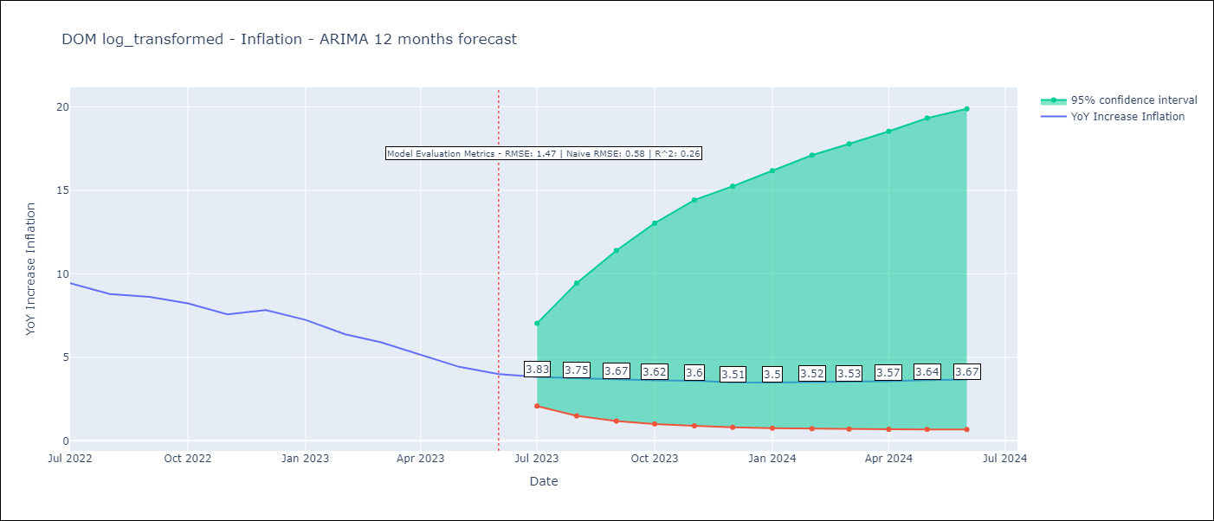

Test Metrics
RMSE | 1.47
Naive RMSE | 0.58
R^2 | 0.26

Test Predictions
Date | Predicted | Actual
2022-07-01 | 8.66 | 9.43
2022-08-01 | 7.73 | 8.8
2022-09-01 | 6.98 | 8.63
2022-10-01 | 6.38 | 8.24
2022-11-01 | 5.84 | 7.58
2022-12-01 | 5.43 | 7.83
2023-01-01 | 5.09 | 7.24
2023-02-01 | 4.81 | 6.38
2023-03-01 | 4.59 | 5.9
2023-04-01 | 4.38 | 5.15
2023-05-01 | 4.24 | 4.43
2023-06-01 | 4.11 | 4

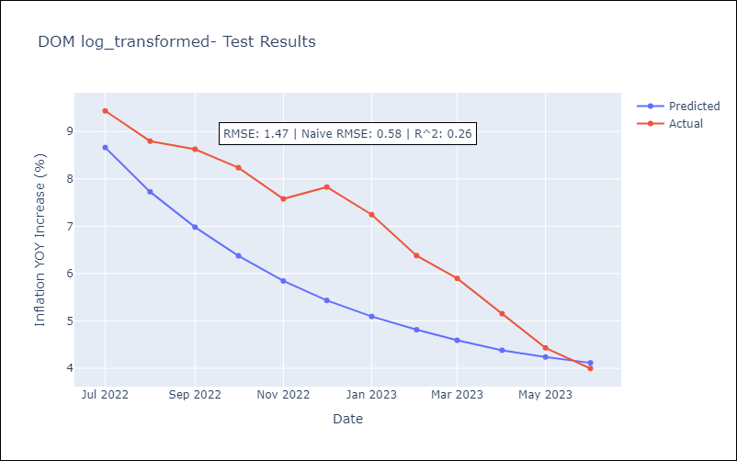

Appendix A: Model Summary
Model | ARIMA(2, 0, 0)x(0, 0, [1], 12)
Sample | 01-01-2005- 06-01-2023
No. of Observations | 222
Terms | P-value (Statistical significance)
const | 0.001
ar.L1 | 0.000
ar.L2 | 0.000
ma.S.L12 | 0.015
sigma2 | 0.000
Assumptions | P-value | Interpretation
Ljung-Box (L1) | 0.76 | Residuals are independent.
Heteroskedasticity | 0.00 | Residuals have different variances.
Jarque-Bera | 0.00 | Residuals are not normally distributed.
Skew | 2.15 | Positive skew - model underestimates the mean.
Kurtosis | 24.23 | Residuals contain more extreme outliers than in a normal distribution.

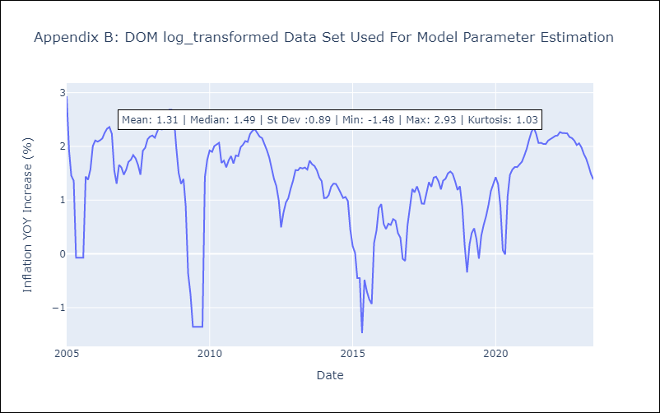

Appendix C: Residuals Analysis
Mean | 0.0
Variance | 0.13
White Noise? | No - Correlation at Lags [ 7 8 9 10 11]
Heteroskedastic? - ARCH | No
Normal? | No

