PAN
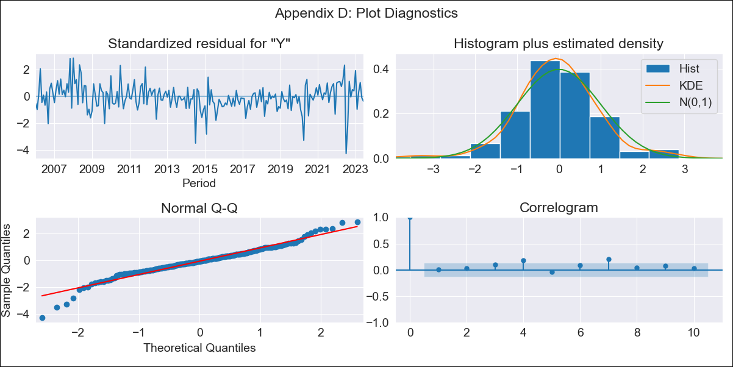

PAN - Inflation - Next 12 months forecast as of: 2023-06-01

Model | ARIMA - [(0, 1, 2), (2, 0, 1, 12)]
Training Data | 2003-12-01 to 2022-07-01
Test Data | 2022-07-01 to 2023-06-01

Date | Inflation Change YoY % | Lower Bound - 95% Confidence Interval | Upper Bound - 95% Confidence Interval
2023-07-01 | 0.47 | -0.31 | 1.25
2023-08-01 | 1.78 | 0.46 | 3.09
2023-09-01 | 1.81 | 0.08 | 3.55
2023-10-01 | 1.74 | -0.34 | 3.81
2023-11-01 | 1.53 | -0.84 | 3.89
2023-12-01 | 1.39 | -1.24 | 4.01
2024-01-01 | 0.64 | -2.22 | 3.5
2024-02-01 | 0.88 | -2.2 | 3.95
2024-03-01 | 0.92 | -2.36 | 4.2
2024-04-01 | 0.65 | -2.82 | 4.12
2024-05-01 | 0.59 | -3.06 | 4.24
2024-06-01 | 0.73 | -3.09 | 4.56

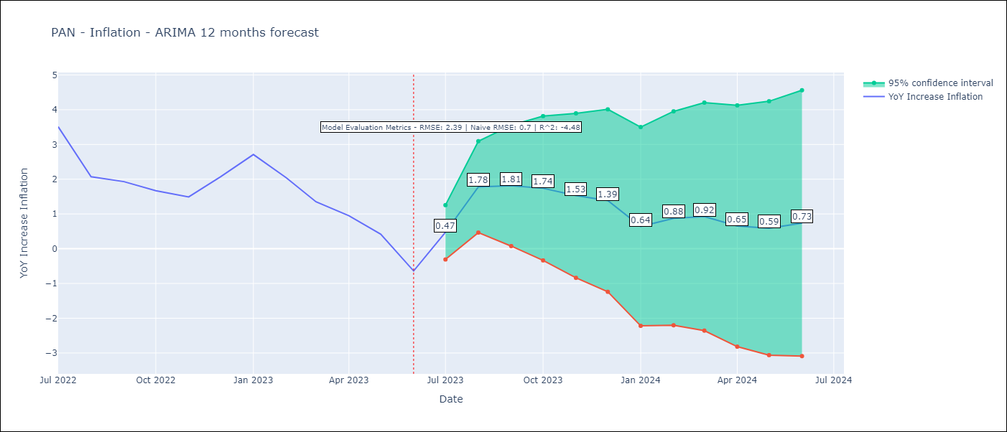

Test Metrics
RMSE | 2.39
Naive RMSE | 0.7
R^2 | -4.48

Test Predictions
Date | Predicted | Actual
2022-07-01 | 5.28 | 3.51
2022-08-01 | 5.36 | 2.07
2022-09-01 | 5.24 | 1.93
2022-10-01 | 4.93 | 1.67
2022-11-01 | 4.5 | 1.49
2022-12-01 | 4.82 | 2.07
2023-01-01 | 4.6 | 2.71
2023-02-01 | 4 | 2.04
2023-03-01 | 3.21 | 1.35
2023-04-01 | 2.36 | 0.95
2023-05-01 | 1.7 | 0.42
2023-06-01 | 0.77 | -0.64

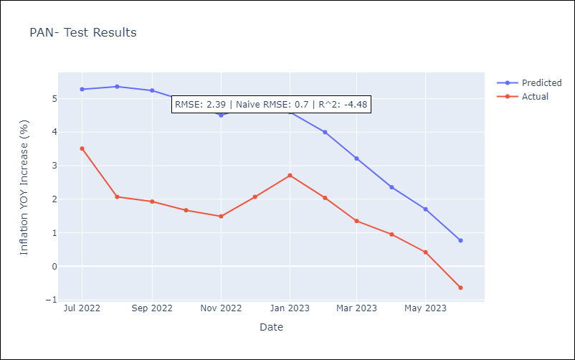

Appendix A: Model Summary
Model | ARIMA(0, 1, 2)x(2, 0, [1], 12)
Sample | 12-01-2003- 06-01-2023
No. of Observations | 235
Terms | P-value (Statistical significance)
ma.L1 | 0.000
ma.L2 | 0.119
ar.S.L12 | 0.002
ar.S.L24 | 0.003
ma.S.L12 | 0.000
sigma2 | 0.000
Assumptions | P-value | Interpretation
Ljung-Box (L1) | 0.98 | Residuals are independent.
Heteroskedasticity | 0.95 | Residuals have the same variance.
Jarque-Bera | 0.00 | Residuals are not normally distributed.
Skew | -0.36 | Negative skew - Model overestimates the mean.
Kurtosis | 5.34 | Residuals contain more extreme outliers than in a normal distribution.

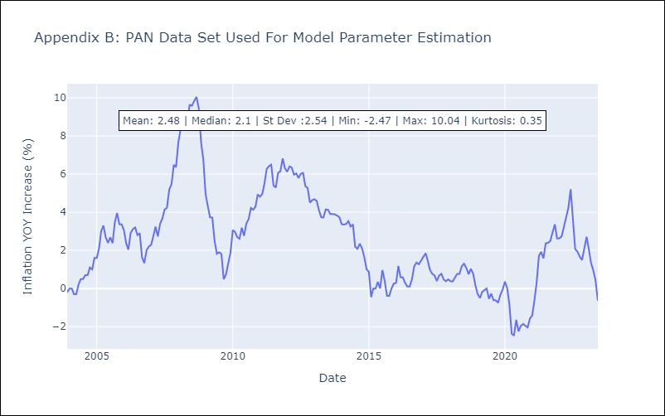

Appendix C: Residuals Analysis
Mean | -0.0
Variance | 0.17
White Noise? | No - Correlation at Lags [ 6 7 8 9 10 11 12]
Heteroskedastic? - ARCH | No
Normal? | No

