PAN log_transformed
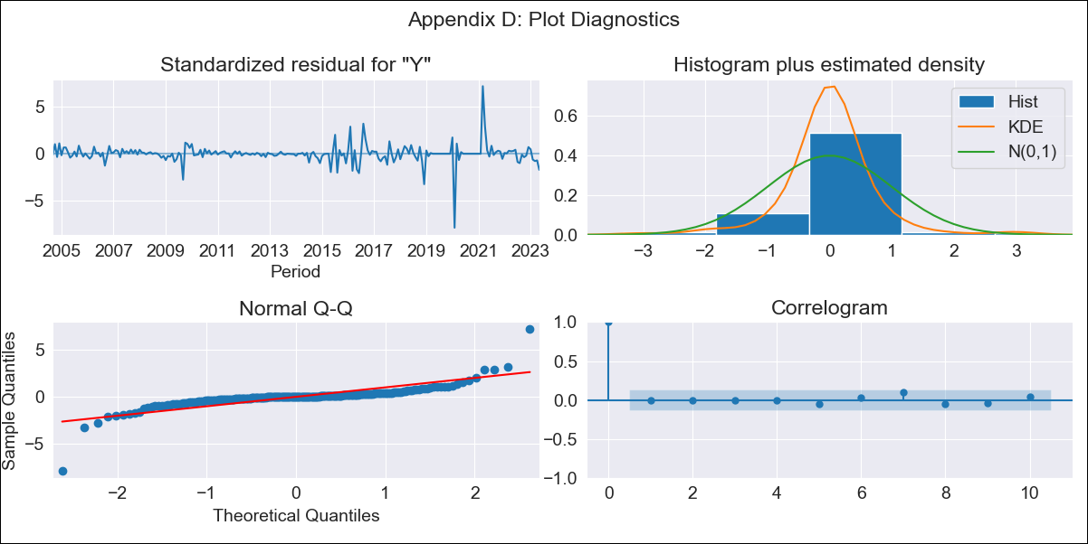

PAN log_transformed - Inflation - Next 12 months forecast as of: 2023-05-01

Model | ARIMA - [(3, 1, 0), (0, 0, 0, 12)]
Training Data | 2004-05-01 to 2022-06-01
Test Data | 2022-06-01 to 2023-05-01

Date | Inflation Change YoY % | Lower Bound - 95% Confidence Interval | Upper Bound - 95% Confidence Interval
2023-06-01 | 0.39 | 0.15 | 0.98
2023-07-01 | 0.41 | 0.1 | 1.63
2023-08-01 | 0.4 | 0.07 | 2.2
2023-09-01 | 0.4 | 0.06 | 2.85
2023-10-01 | 0.4 | 0.04 | 3.6
2023-11-01 | 0.4 | 0.04 | 4.46
2023-12-01 | 0.4 | 0.03 | 5.41
2024-01-01 | 0.4 | 0.02 | 6.48
2024-02-01 | 0.4 | 0.02 | 7.68
2024-03-01 | 0.4 | 0.02 | 9.02
2024-04-01 | 0.4 | 0.02 | 10.51
2024-05-01 | 0.4 | 0.01 | 12.16

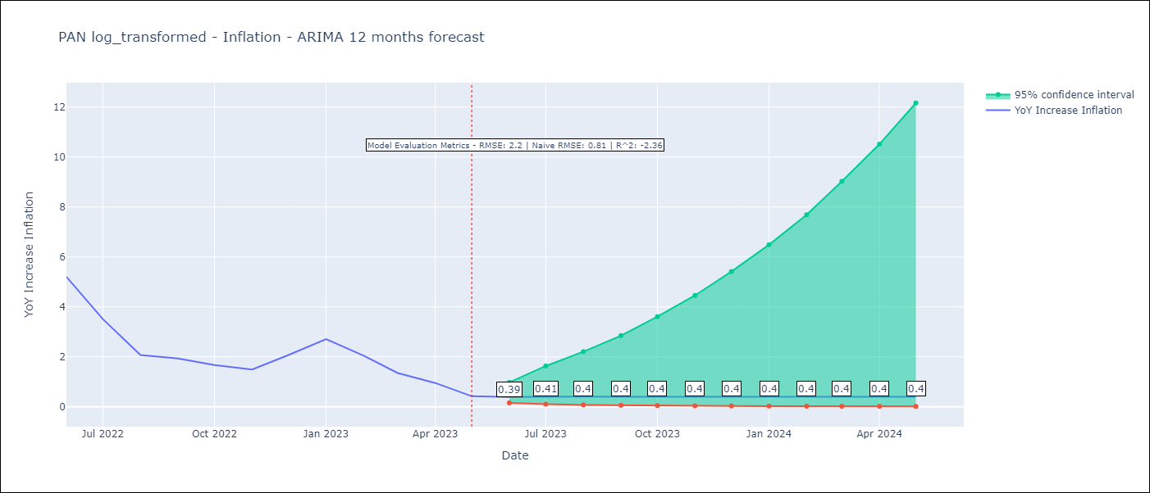

Test Metrics
RMSE | 2.2
Naive RMSE | 0.81
R^2 | -2.36

Test Predictions
Date | Predicted | Actual
2022-06-01 | 4.02 | 5.2
2022-07-01 | 3.97 | 3.51
2022-08-01 | 3.94 | 2.07
2022-09-01 | 3.96 | 1.93
2022-10-01 | 3.97 | 1.67
2022-11-01 | 3.97 | 1.49
2022-12-01 | 3.96 | 2.07
2023-01-01 | 3.96 | 2.71
2023-02-01 | 3.96 | 2.04
2023-03-01 | 3.96 | 1.35
2023-04-01 | 3.96 | 0.95
2023-05-01 | 3.96 | 0.42

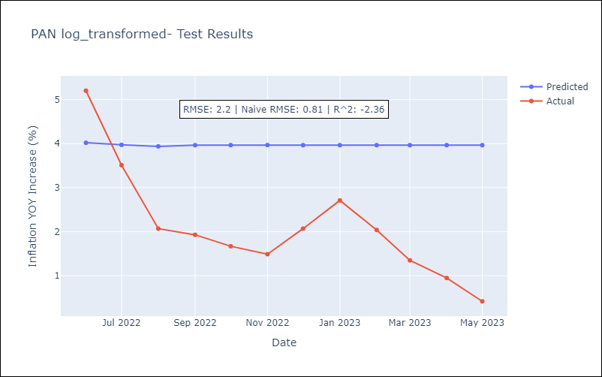

Appendix A: Model Summary
Model | ARIMA(3, 1, 0)
Sample | 05-01-2004- 05-01-2023
No. of Observations | 229
Terms | P-value (Statistical significance)
ar.L1 | 0.001
ar.L2 | 0.330
ar.L3 | 0.801
sigma2 | 0.000
Assumptions | P-value | Interpretation
Ljung-Box (L1) | 0.99 | Residuals are independent.
Heteroskedasticity | 0.00 | Residuals have different variances.
Jarque-Bera | 0.00 | Residuals are not normally distributed.
Skew | -0.46 | Negative skew - Model overestimates the mean.
Kurtosis | 30.58 | Residuals contain more extreme outliers than in a normal distribution.

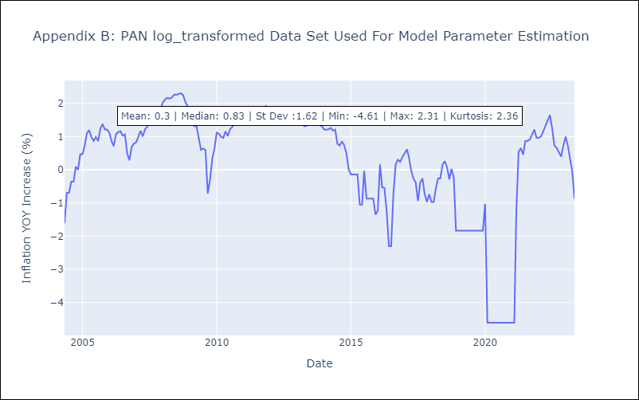

Appendix C: Residuals Analysis
Mean | -0.0
Variance | 0.24
White Noise? | Yes
Heteroskedastic? - ARCH | No
Normal? | No

