CHL log_transformed
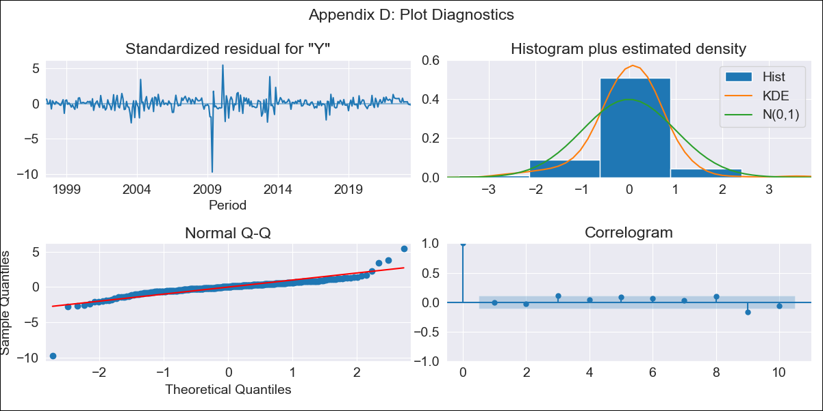

CHL log_transformed - Inflation - Next 12 months forecast as of: 2023-06-01

Model | ARIMA - [(2, 0, 0), (1, 0, 0, 12)]
Training Data | 1996-05-01 to 2022-07-01
Test Data | 2022-07-01 to 2023-06-01

Date | Inflation Change YoY % | Lower Bound - 95% Confidence Interval | Upper Bound - 95% Confidence Interval
2023-07-01 | 6.98 | 4.89 | 9.94
2023-08-01 | 6.43 | 3.72 | 11.12
2023-09-01 | 6.12 | 3.08 | 12.17
2023-10-01 | 5.91 | 2.67 | 13.07
2023-11-01 | 5.56 | 2.31 | 13.39
2023-12-01 | 5.35 | 2.07 | 13.83
2024-01-01 | 5.17 | 1.89 | 14.17
2024-02-01 | 5 | 1.74 | 14.39
2024-03-01 | 4.89 | 1.63 | 14.69
2024-04-01 | 4.84 | 1.55 | 15.11
2024-05-01 | 4.83 | 1.5 | 15.57
2024-06-01 | 4.83 | 1.46 | 16.03

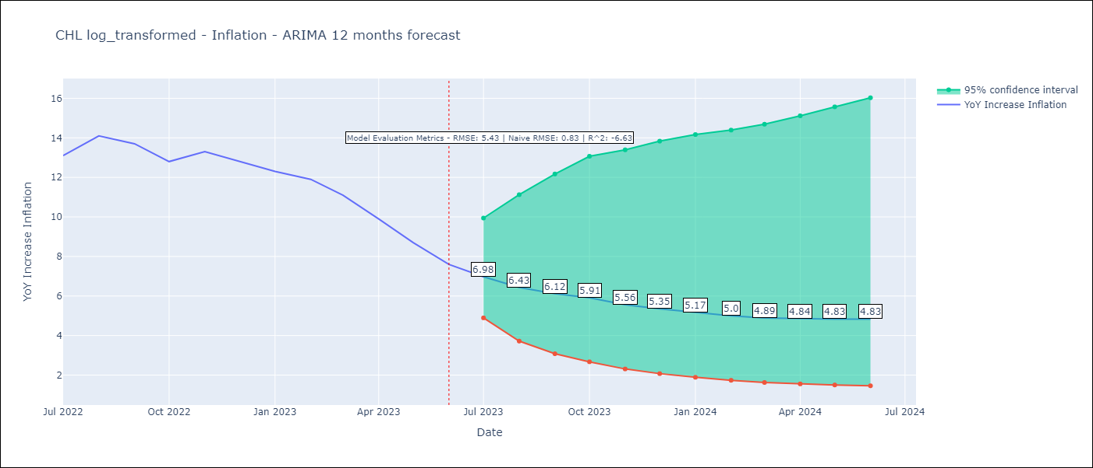

Test Metrics
RMSE | 5.43
Naive RMSE | 0.83
R^2 | -6.63

Test Predictions
Date | Predicted | Actual
2022-07-01 | 11.23 | 13.1
2022-08-01 | 9.86 | 14.1
2022-09-01 | 8.62 | 13.7
2022-10-01 | 7.59 | 12.8
2022-11-01 | 6.77 | 13.3
2022-12-01 | 6.13 | 12.8
2023-01-01 | 5.61 | 12.3
2023-02-01 | 5.22 | 11.9
2023-03-01 | 4.78 | 11.1
2023-04-01 | 4.46 | 9.9
2023-05-01 | 4.19 | 8.7
2023-06-01 | 3.97 | 7.6

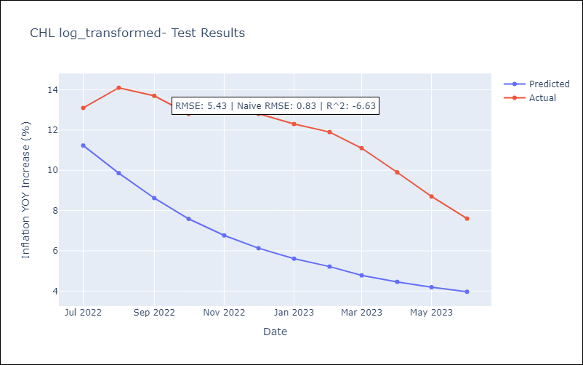

Appendix A: Model Summary
Model | ARIMA(2, 0, 0)x(1, 0, 0, 12)
Sample | 05-01-1996- 06-01-2023
No. of Observations | 326
Terms | P-value (Statistical significance)
const | 0.000
ar.L1 | 0.000
ar.L2 | 0.000
ar.S.L12 | 0.000
sigma2 | 0.000
Assumptions | P-value | Interpretation
Ljung-Box (L1) | 1.00 | Residuals are independent.
Heteroskedasticity | 0.00 | Residuals have different variances.
Jarque-Bera | 0.00 | Residuals are not normally distributed.
Skew | -2.43 | Negative skew - Model overestimates the mean.
Kurtosis | 33.97 | Residuals contain more extreme outliers than in a normal distribution.

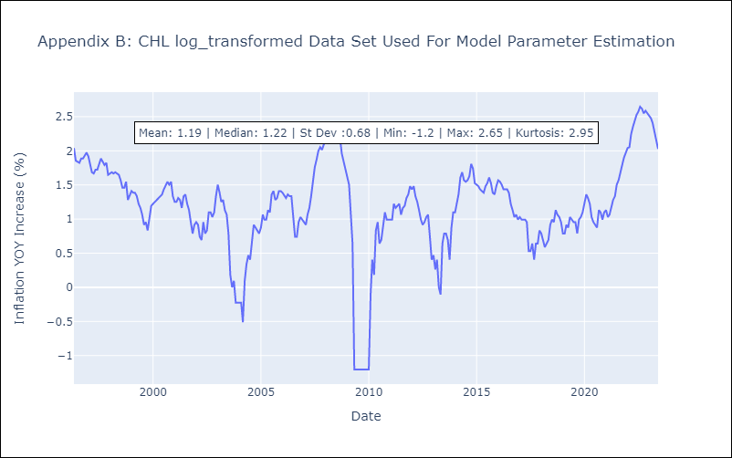

Appendix C: Residuals Analysis
Mean | 0.0
Variance | 0.03
White Noise? | No - Correlation at Lags [ 9 10 11 12]
Heteroskedastic? - ARCH | Yes
Normal? | No

