PER
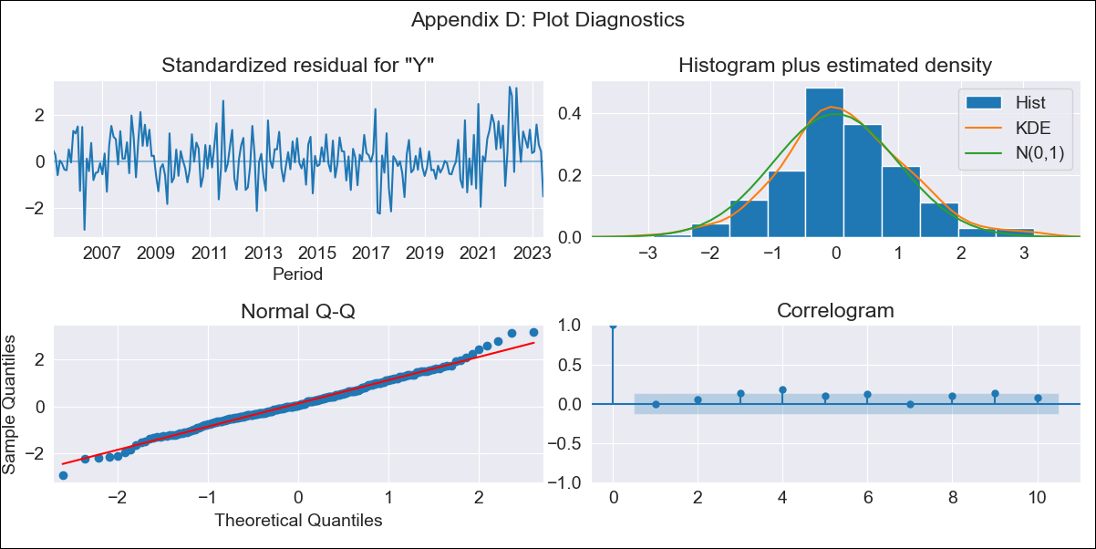

PER - Inflation - Next 12 months forecast as of: 2023-06-01

Model | ARIMA - [(0, 1, 2), (3, 0, 1, 12)]
Training Data | 2002-02-01 to 2022-07-01
Test Data | 2022-07-01 to 2023-06-01

Date | Inflation Change YoY % | Lower Bound - 95% Confidence Interval | Upper Bound - 95% Confidence Interval
2023-07-01 | 5.95 | 5.42 | 6.47
2023-08-01 | 5.53 | 4.61 | 6.45
2023-09-01 | 5.12 | 3.86 | 6.38
2023-10-01 | 4.76 | 3.23 | 6.28
2023-11-01 | 4.46 | 2.71 | 6.21
2023-12-01 | 3.97 | 2.02 | 5.93
2024-01-01 | 3.72 | 1.59 | 5.86
2024-02-01 | 3.46 | 1.16 | 5.77
2024-03-01 | 2.99 | 0.53 | 5.45
2024-04-01 | 2.68 | 0.07 | 5.28
2024-05-01 | 2.43 | -0.32 | 5.17
2024-06-01 | 2.71 | -0.17 | 5.58

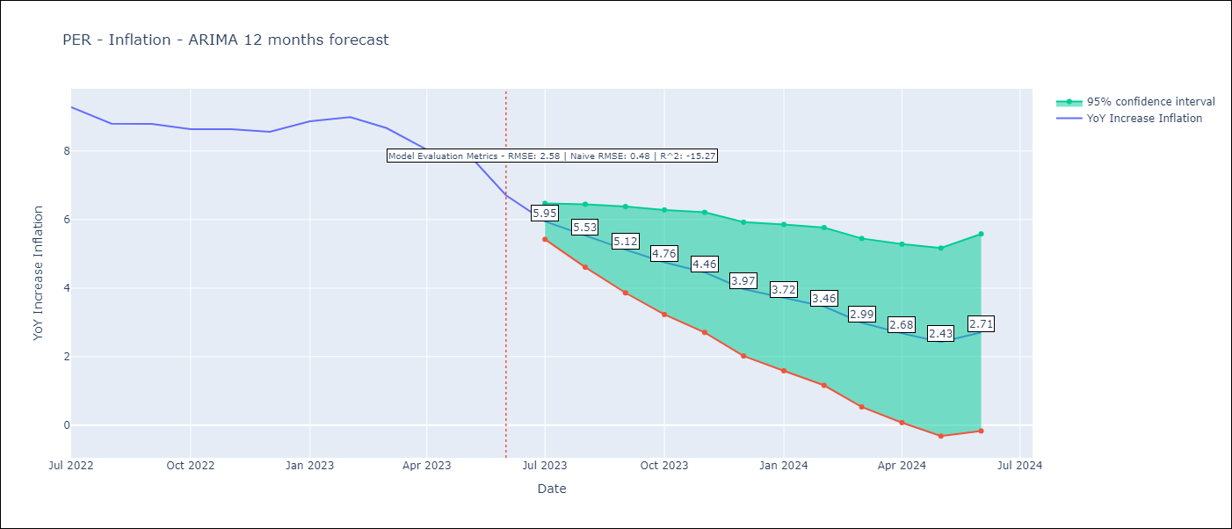

Test Metrics
RMSE | 2.58
Naive RMSE | 0.48
R^2 | -15.27

Test Predictions
Date | Predicted | Actual
2022-07-01 | 8.92 | 9.28
2022-08-01 | 8.27 | 8.8
2022-09-01 | 7.83 | 8.79
2022-10-01 | 7.27 | 8.64
2022-11-01 | 6.91 | 8.64
2022-12-01 | 6.33 | 8.56
2023-01-01 | 6.35 | 8.87
2023-02-01 | 6.25 | 8.99
2023-03-01 | 5.4 | 8.67
2023-04-01 | 4.32 | 8.04
2023-05-01 | 3.97 | 7.99
2023-06-01 | 2.95 | 6.71

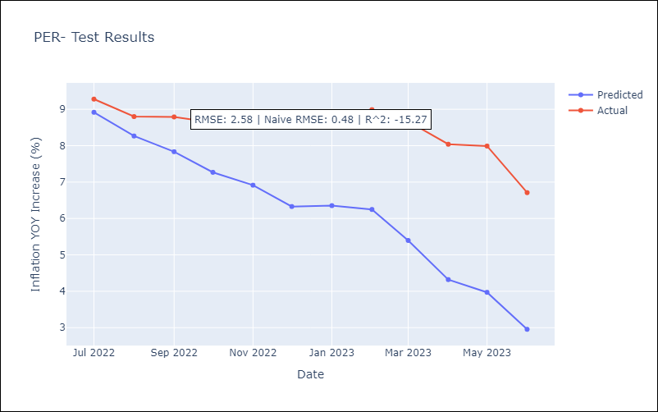

Appendix A: Model Summary
Model | ARIMA(0, 1, 2)x(3, 0, [1], 12)
Sample | 02-01-2002- 06-01-2023
No. of Observations | 257
Terms | P-value (Statistical significance)
ma.L1 | 0.000
ma.L2 | 0.002
ar.S.L12 | 0.001
ar.S.L24 | 0.001
ar.S.L36 | 0.002
ma.S.L12 | 0.000
sigma2 | 0.000
Assumptions | P-value | Interpretation
Ljung-Box (L1) | 1.00 | Residuals are independent.
Heteroskedasticity | 0.09 | Residuals have the same variance.
Jarque-Bera | 0.17 | Residuals are normally distributed.
Skew | 0.15 | Positive skew - model underestimates the mean.
Kurtosis | 3.55 | Residuals contain more extreme outliers than in a normal distribution.

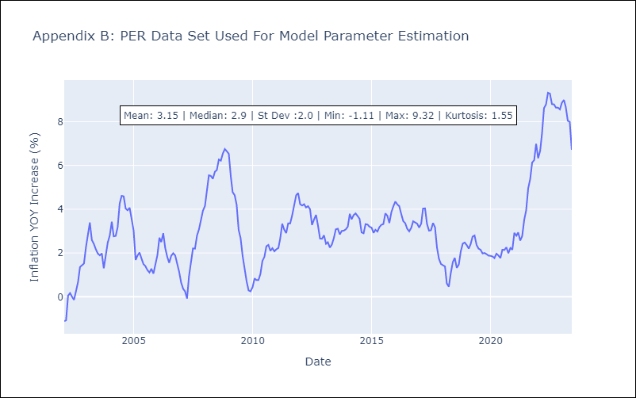

Appendix C: Residuals Analysis
Mean | 0.05
Variance | 0.1
White Noise? | No - Correlation at Lags [ 5 6 7 8 9 10 11 12]
Heteroskedastic? - ARCH | No
Normal? | No

