CHL_1999_L
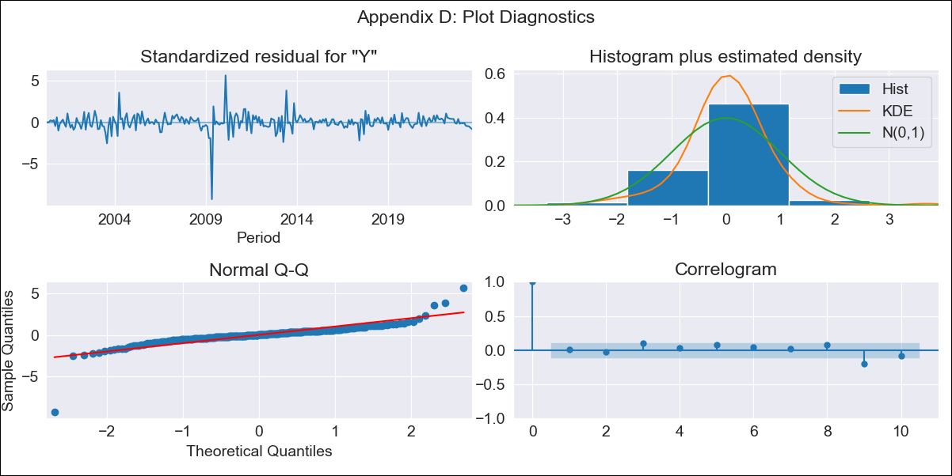
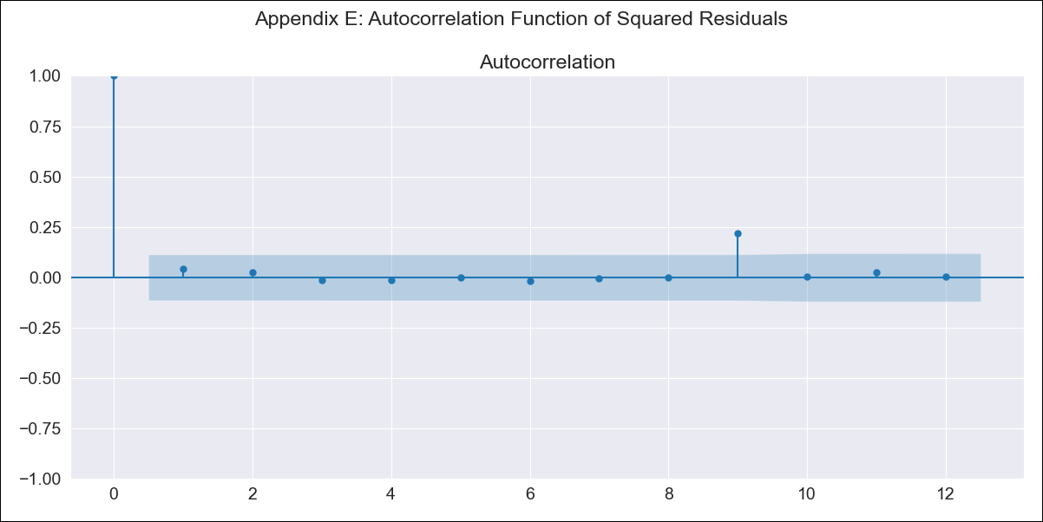
CHL_1999_L - Inflation - Next 12 months forecast as of: 2023-08-01

Model | ARIMA - [(2, 1, 1), (1, 0, 0, 12)]
Training Data | 1999-01-01 to 2022-09-01
Test Data | 2022-09-01 to 2023-08-01

Date | Inflation Change YoY % | Lower Bound - 95% Confidence Interval | Upper Bound - 95% Confidence Interval
2023-09-01 | 5.16 | 3.55 | 7.5
2023-10-01 | 5.24 | 2.92 | 9.43
2023-11-01 | 5.19 | 2.47 | 10.93
2023-12-01 | 5.25 | 2.19 | 12.57
2024-01-01 | 5.31 | 1.98 | 14.22
2024-02-01 | 5.35 | 1.81 | 15.86
2024-03-01 | 5.46 | 1.68 | 17.73
2024-04-01 | 5.63 | 1.59 | 19.92
2024-05-01 | 5.83 | 1.52 | 22.35
2024-06-01 | 6.05 | 1.46 | 25.01
2024-07-01 | 6.31 | 1.42 | 28.04
2024-08-01 | 6.67 | 1.4 | 31.74

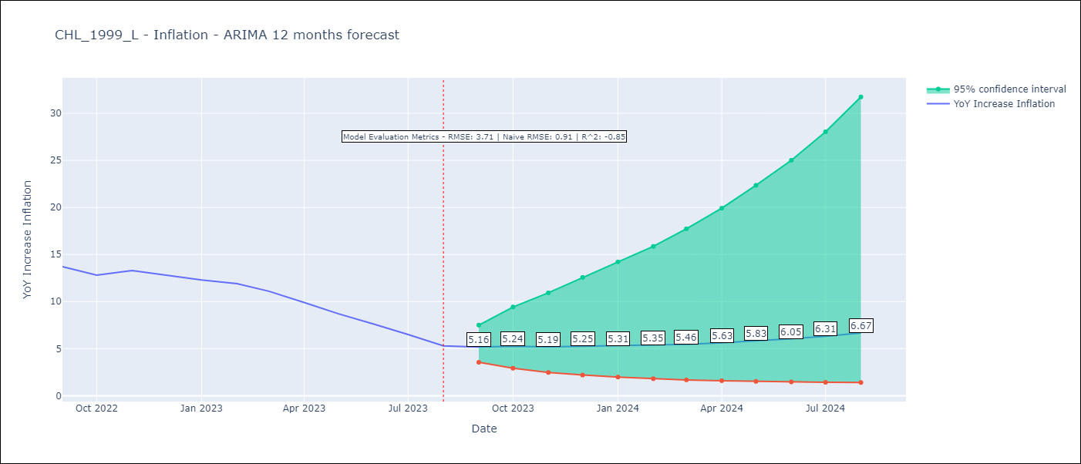

Test Metrics
RMSE | 3.71
Naive RMSE | 0.91
R^2 | -0.85

Test Predictions
Date | Predicted | Actual
2022-09-01 | 12.67 | 13.7
2022-10-01 | 10.93 | 12.8
2022-11-01 | 9.45 | 13.3
2022-12-01 | 8.3 | 12.8
2023-01-01 | 7.37 | 12.3
2023-02-01 | 6.67 | 11.9
2023-03-01 | 5.98 | 11.1
2023-04-01 | 5.45 | 9.9
2023-05-01 | 5.03 | 8.7
2023-06-01 | 4.68 | 7.6
2023-07-01 | 4.4 | 6.5
2023-08-01 | 4.15 | 5.3

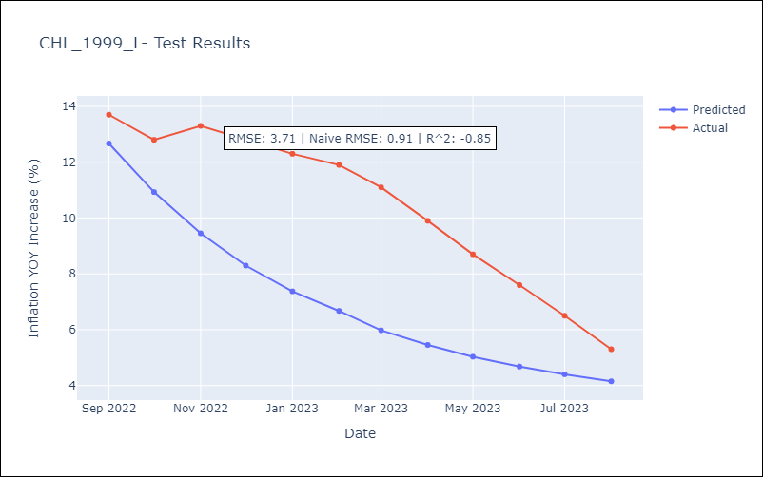

Appendix A: Model Summary
Model | ARIMA(2, 1, 1)x(1, 0, [], 12)
Sample | 01-01-1999- 08-01-2023
No. of Observations | 296
Terms | P-value (Statistical significance)
ar.L1 | 0.000
ar.L2 | 0.580
ma.L1 | 0.000
ar.S.L12 | 0.000
sigma2 | 0.000
Assumptions | P-value | Interpretation
Ljung-Box (L1) | 0.95 | Residuals are independent.
Heteroskedasticity | 0.00 | Residuals have different variances.
Jarque-Bera | 0.00 | Residuals are not normally distributed.
Skew | -2.02 | Negative skew - Model overestimates the mean.
Kurtosis | 32.19 | Residuals contain more extreme outliers than in a normal distribution.

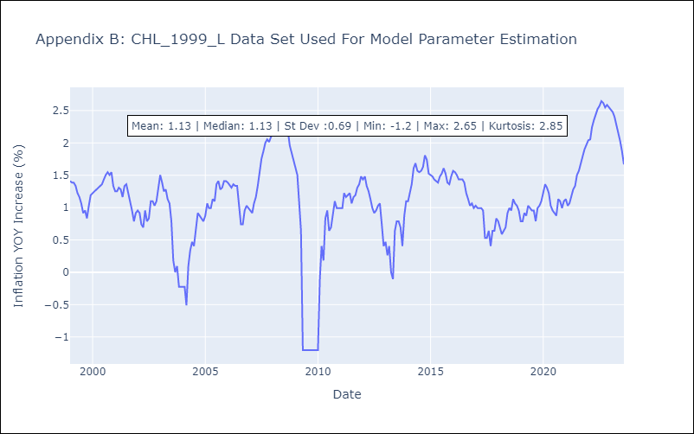

Appendix C: Residuals Analysis
Mean | 0.01
Variance | 0.04
White Noise? | Yes
Heteroskedastic? - ARCH | Yes
Normal? | No

