CHL_1999_L2
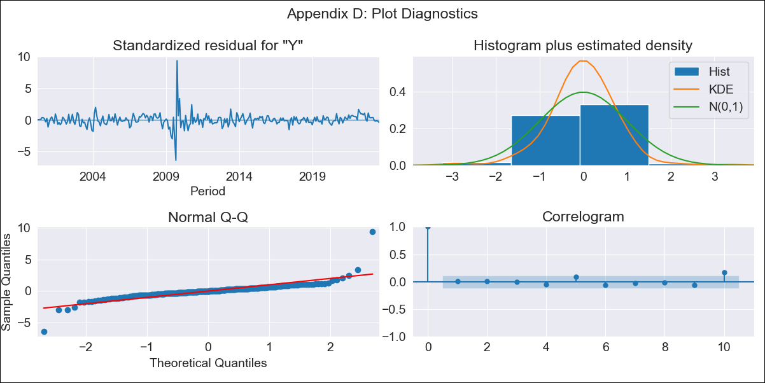

CHL_1999_L2 - Inflation - Next 12 months forecast as of: 2023-08-01

Model | ARIMA - [(3, 0, 1), (0, 0, 1, 12)]
Training Data | 1999-01-01 to 2022-09-01
Test Data | 2022-09-01 to 2023-08-01

Date | Inflation Change YoY % | Lower Bound - 95% Confidence Interval | Upper Bound - 95% Confidence Interval
2023-09-01 | 2.59 | 2.21 | 2.97
2023-10-01 | 2.46 | 1.91 | 3
2023-11-01 | 2.31 | 1.58 | 2.99
2023-12-01 | 2.2 | 1.31 | 3.02
2024-01-01 | 2.1 | 1.08 | 3.05
2024-02-01 | 2.03 | 0.88 | 3.07
2024-03-01 | 1.97 | 0.72 | 3.1
2024-04-01 | 1.94 | 0.6 | 3.14
2024-05-01 | 1.93 | 0.52 | 3.19
2024-06-01 | 1.92 | 0.46 | 3.23
2024-07-01 | 1.94 | 0.43 | 3.28
2024-08-01 | 1.96 | 0.42 | 3.33

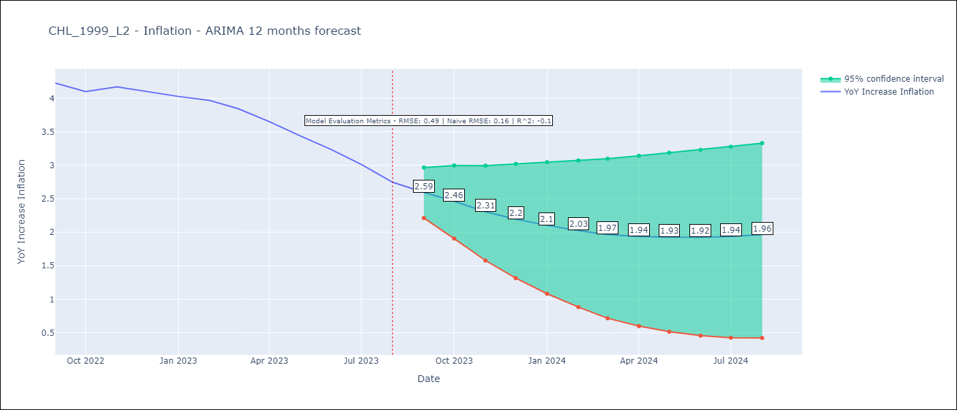

Test Metrics
RMSE | 0.49
Naive RMSE | 0.16
R^2 | -0.1

Test Predictions
Date | Predicted | Actual
2022-09-01 | 4.19 | 4.23
2022-10-01 | 4.07 | 4.1
2022-11-01 | 3.93 | 4.17
2022-12-01 | 3.76 | 4.1
2023-01-01 | 3.59 | 4.03
2023-02-01 | 3.42 | 3.97
2023-03-01 | 3.19 | 3.85
2023-04-01 | 2.98 | 3.65
2023-05-01 | 2.79 | 3.44
2023-06-01 | 2.6 | 3.24
2023-07-01 | 2.43 | 3.01
2023-08-01 | 2.27 | 2.75

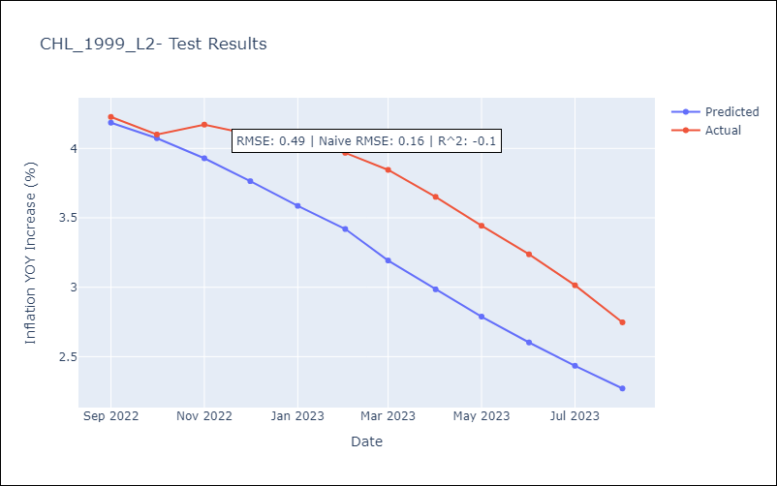

Appendix A: Model Summary
Model | ARIMA(3, 0, 1)x(0, 0, 1, 12)
Sample | 01-01-1999- 08-01-2023
No. of Observations | 296
Terms | P-value (Statistical significance)
const | 0.000
ar.L1 | 0.000
ar.L2 | 0.001
ar.L3 | 0.023
ma.L1 | 0.000
ma.S.L12 | 0.000
sigma2 | 0.000
Assumptions | P-value | Interpretation
Ljung-Box (L1) | 0.99 | Residuals are independent.
Heteroskedasticity | 0.02 | Residuals have different variances.
Jarque-Bera | 0.00 | Residuals are not normally distributed.
Skew | 1.92 | Positive skew - model underestimates the mean.
Kurtosis | 35.29 | Residuals contain more extreme outliers than in a normal distribution.

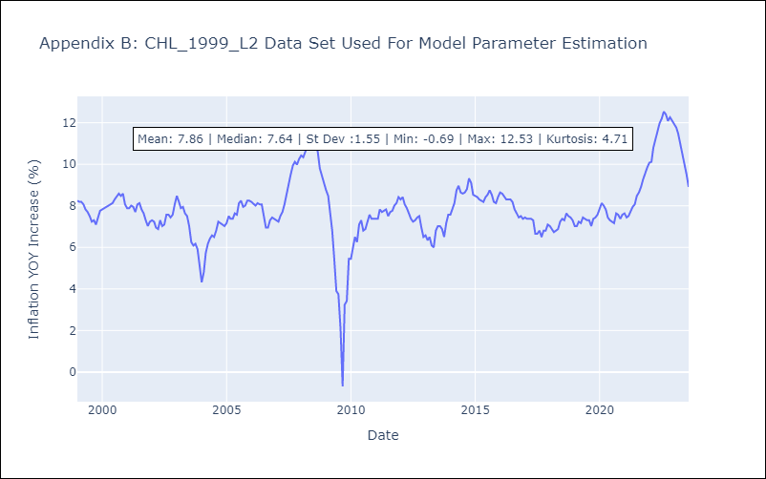

Appendix C: Residuals Analysis
Mean | 0.0
Variance | 0.18
White Noise? | Yes
Heteroskedastic? - ARCH | Yes
Normal? | No

