CHL_2000
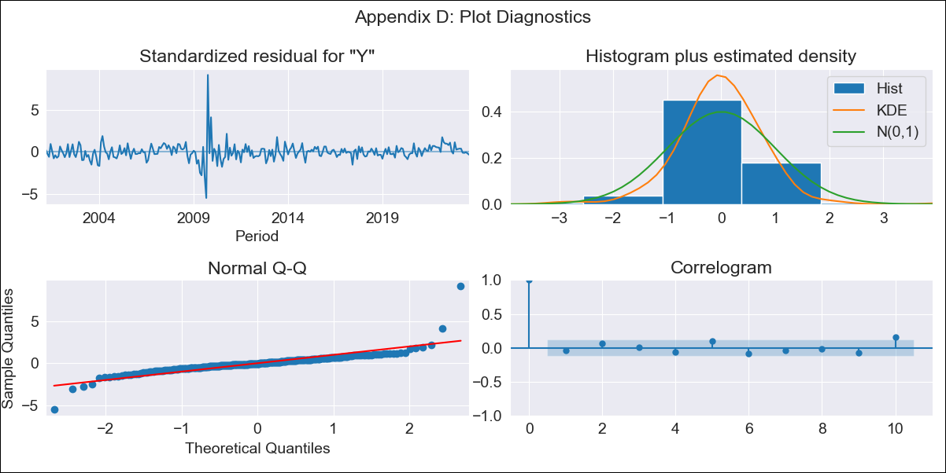

CHL_2000 - Inflation - Next 12 months forecast as of: 2023-08-01

Model | ARIMA - [(2, 0, 1), (0, 0, 1, 12)]
Training Data | 2000-01-01 to 2022-09-01
Test Data | 2022-09-01 to 2023-08-01

Date | Inflation Change YoY % | Lower Bound - 95% Confidence Interval | Upper Bound - 95% Confidence Interval
2023-09-01 | 8.52 | 7.72 | 9.32
2023-10-01 | 8.18 | 6.99 | 9.37
2023-11-01 | 7.78 | 6.25 | 9.29
2023-12-01 | 7.47 | 5.65 | 9.26
2024-01-01 | 7.19 | 5.11 | 9.22
2024-02-01 | 6.94 | 4.64 | 9.2
2024-03-01 | 6.73 | 4.23 | 9.18
2024-04-01 | 6.59 | 3.92 | 9.2
2024-05-01 | 6.5 | 3.68 | 9.25
2024-06-01 | 6.43 | 3.5 | 9.29
2024-07-01 | 6.41 | 3.37 | 9.36
2024-08-01 | 6.42 | 3.31 | 9.45

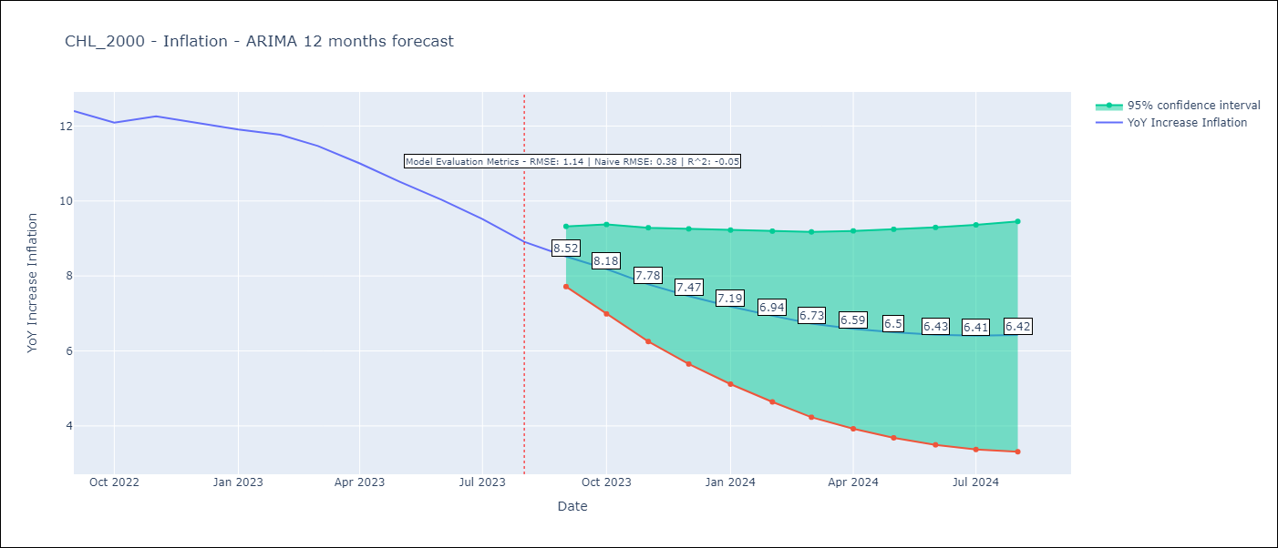

Test Metrics
RMSE | 1.14
Naive RMSE | 0.38
R^2 | -0.05

Test Predictions
Date | Predicted | Actual
2022-09-01 | 12.33 | 12.4
2022-10-01 | 12.05 | 12.09
2022-11-01 | 11.71 | 12.26
2022-12-01 | 11.34 | 12.09
2023-01-01 | 10.93 | 11.91
2023-02-01 | 10.54 | 11.77
2023-03-01 | 10 | 11.47
2023-04-01 | 9.5 | 11
2023-05-01 | 9.02 | 10.51
2023-06-01 | 8.54 | 10.03
2023-07-01 | 8.1 | 9.52
2023-08-01 | 7.67 | 8.91

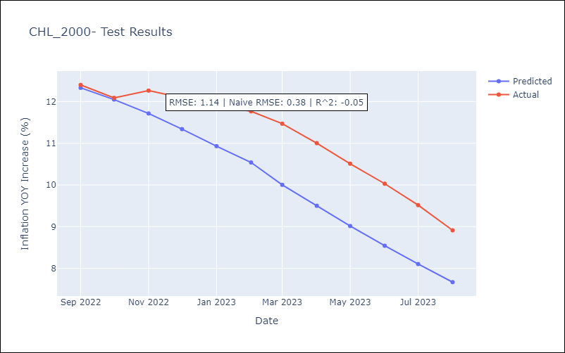

Appendix A: Model Summary
Model | ARIMA(2, 0, 1)x(0, 0, 1, 12)
Sample | 01-01-2000- 08-01-2023
No. of Observations | 284
Terms | P-value (Statistical significance)
const | 0.000
ar.L1 | 0.000
ar.L2 | 0.000
ma.L1 | 0.000
ma.S.L12 | 0.000
sigma2 | 0.000
Assumptions | P-value | Interpretation
Ljung-Box (L1) | 0.47 | Residuals are independent.
Heteroskedasticity | 0.01 | Residuals have different variances.
Jarque-Bera | 0.00 | Residuals are not normally distributed.
Skew | 2.28 | Positive skew - model underestimates the mean.
Kurtosis | 32.04 | Residuals contain more extreme outliers than in a normal distribution.

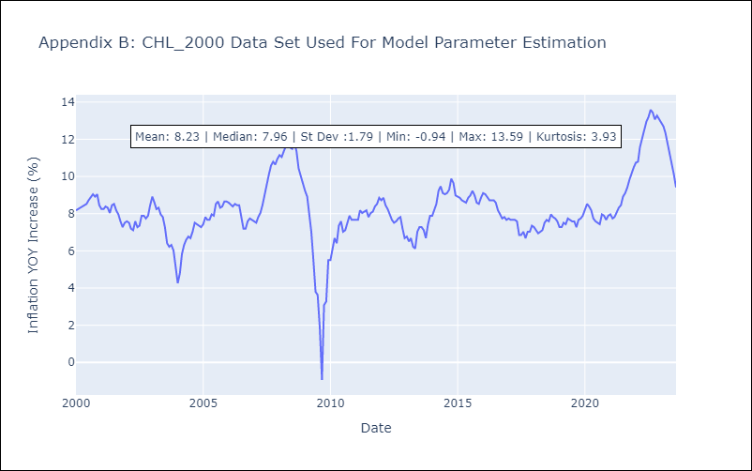

Appendix C: Residuals Analysis
Mean | -0.0
Variance | 0.21
White Noise? | No - Correlation at Lags [11]
Heteroskedastic? - ARCH | Yes
Normal? | No

