CHL_2000
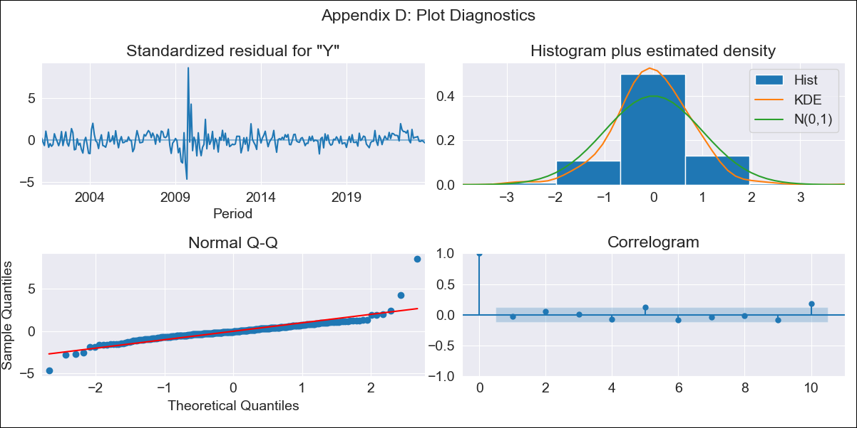

CHL_2000 - Inflation - Next 12 months forecast as of: 2023-08-01

Model | ARIMA - [(2, 0, 1), (0, 0, 1, 12)]
Training Data | 2000-01-01 to 2022-09-01
Test Data | 2022-09-01 to 2023-08-01

Date | Inflation Change YoY % | Lower Bound - 95% Confidence Interval | Upper Bound - 95% Confidence Interval
2023-09-01 | 4.58 | 3.35 | 5.94
2023-10-01 | 4.01 | 2.28 | 6.01
2023-11-01 | 3.31 | 1.28 | 5.79
2023-12-01 | 2.82 | 0.57 | 5.73
2024-01-01 | 2.4 | 0 | 5.67
2024-02-01 | 2.05 | -0.45 | 5.63
2024-03-01 | 1.75 | -0.8 | 5.6
2024-04-01 | 1.58 | -1.04 | 5.68
2024-05-01 | 1.46 | -1.21 | 5.8
2024-06-01 | 1.39 | -1.33 | 5.93
2024-07-01 | 1.36 | -1.41 | 6.09
2024-08-01 | 1.4 | -1.45 | 6.31

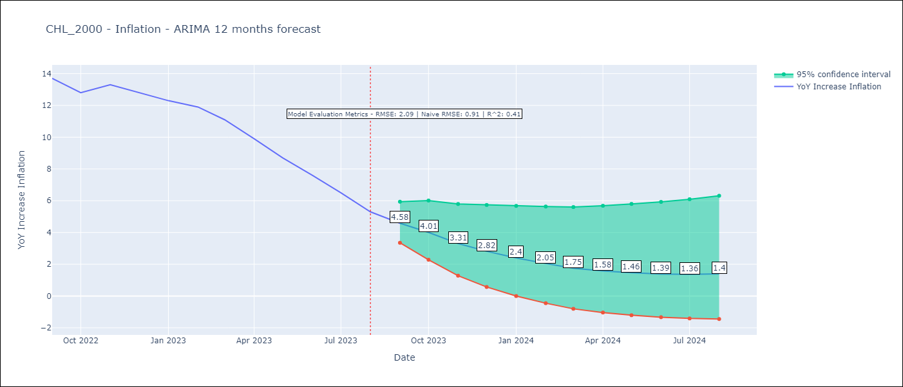

Test Metrics
RMSE | 2.09
Naive RMSE | 0.91
R^2 | 0.41

Test Predictions
Date | Predicted | Actual
2022-09-01 | 13.66 | 13.7
2022-10-01 | 12.99 | 12.8
2022-11-01 | 12.19 | 13.3
2022-12-01 | 11.27 | 12.8
2023-01-01 | 10.29 | 12.3
2023-02-01 | 9.41 | 11.9
2023-03-01 | 8.15 | 11.1
2023-04-01 | 7.04 | 9.9
2023-05-01 | 6.03 | 8.7
2023-06-01 | 5.09 | 7.6
2023-07-01 | 4.27 | 6.5
2023-08-01 | 3.5 | 5.3

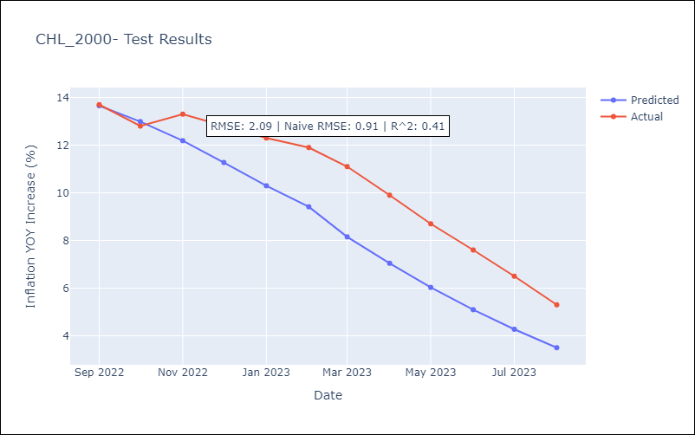

Appendix A: Model Summary
Model | ARIMA(2, 0, 1)x(0, 0, 1, 12)
Sample | 01-01-2000- 08-01-2023
No. of Observations | 284
Terms | P-value (Statistical significance)
const | 0.000
ar.L1 | 0.000
ar.L2 | 0.000
ma.L1 | 0.000
ma.S.L12 | 0.000
sigma2 | 0.000
Assumptions | P-value | Interpretation
Ljung-Box (L1) | 0.62 | Residuals are independent.
Heteroskedasticity | 0.02 | Residuals have different variances.
Jarque-Bera | 0.00 | Residuals are not normally distributed.
Skew | 2.05 | Positive skew - model underestimates the mean.
Kurtosis | 24.19 | Residuals contain more extreme outliers than in a normal distribution.

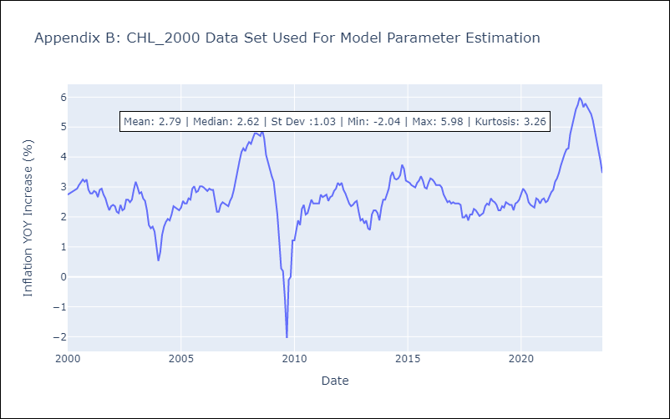

Appendix C: Residuals Analysis
Mean | -0.0
Variance | 0.06
White Noise? | No - Correlation at Lags [10 11 12]
Heteroskedastic? - ARCH | Yes
Normal? | No

