CHL_1999_L2


CHL_1999_L2 - Inflation - Next 12 months forecast as of: 2023-08-01

Model | ARIMA - [(3, 0, 1), (2, 0, 0, 12)]
Training Data | 1999-01-01 to 2022-09-01
Test Data | 2022-09-01 to 2023-08-01

Date | Inflation Change YoY % | Lower Bound - 95% Confidence Interval | Upper Bound - 95% Confidence Interval
2023-09-01 | 4.68 | 3.44 | 6.04
2023-10-01 | 4.18 | 2.47 | 6.17
2023-11-01 | 3.54 | 1.48 | 6.07
2023-12-01 | 3.16 | 0.81 | 6.19
2024-01-01 | 2.84 | 0.28 | 6.31
2024-02-01 | 2.6 | -0.13 | 6.45
2024-03-01 | 2.35 | -0.48 | 6.52
2024-04-01 | 2.25 | -0.69 | 6.73
2024-05-01 | 2.2 | -0.84 | 6.96
2024-06-01 | 2.18 | -0.94 | 7.18
2024-07-01 | 2.22 | -1 | 7.45
2024-08-01 | 2.3 | -1.02 | 7.73

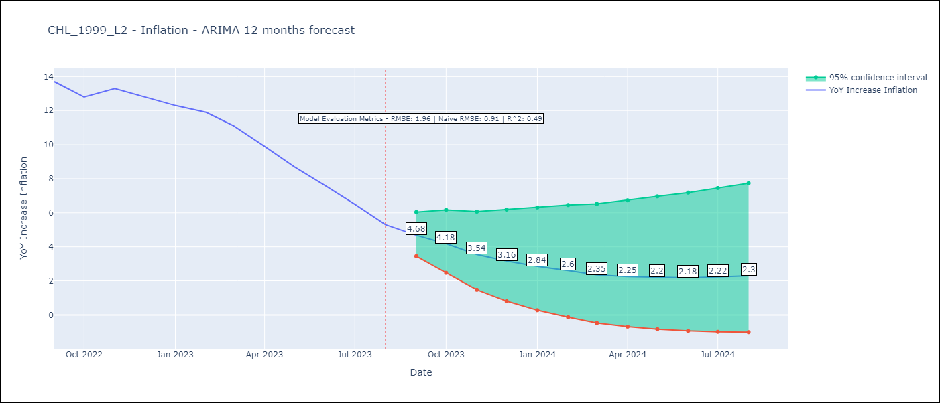

Test Metrics
RMSE | 1.96
Naive RMSE | 0.91
R^2 | 0.49

Test Predictions
Date | Predicted | Actual
2022-09-01 | 13.57 | 13.7
2022-10-01 | 12.98 | 12.8
2022-11-01 | 12.2 | 13.3
2022-12-01 | 11.25 | 12.8
2023-01-01 | 10.29 | 12.3
2023-02-01 | 9.49 | 11.9
2023-03-01 | 8.24 | 11.1
2023-04-01 | 7.16 | 9.9
2023-05-01 | 6.21 | 8.7
2023-06-01 | 5.35 | 7.6
2023-07-01 | 4.6 | 6.5
2023-08-01 | 3.91 | 5.3

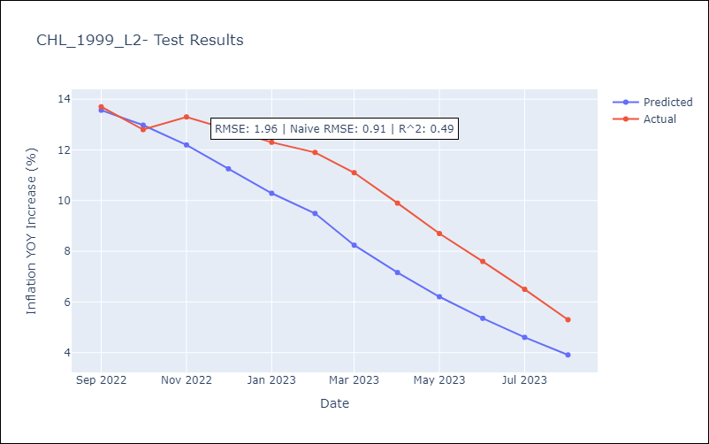

Appendix A: Model Summary
Model | ARIMA(3, 0, 1)x(2, 0, [], 12)
Sample | 01-01-1999- 08-01-2023
No. of Observations | 296
Terms | P-value (Statistical significance)
const | 0.000
ar.L1 | 0.000
ar.L2 | 0.002
ar.L3 | 0.036
ma.L1 | 0.000
ar.S.L12 | 0.000
ar.S.L24 | 0.040
sigma2 | 0.000
Assumptions | P-value | Interpretation
Ljung-Box (L1) | 0.98 | Residuals are independent.
Heteroskedasticity | 0.01 | Residuals have different variances.
Jarque-Bera | 0.00 | Residuals are not normally distributed.
Skew | 1.72 | Positive skew - model underestimates the mean.
Kurtosis | 22.04 | Residuals contain more extreme outliers than in a normal distribution.

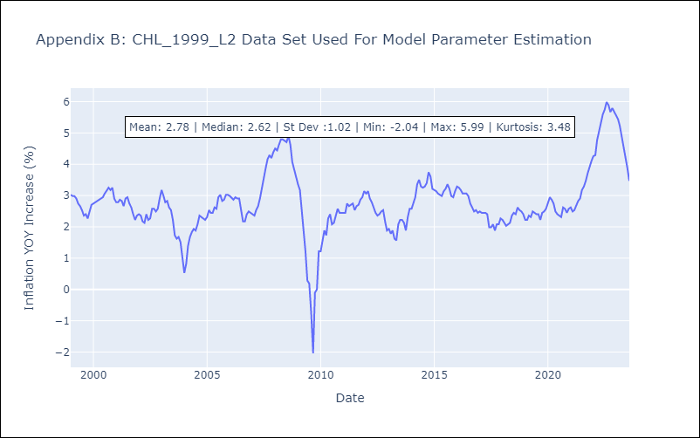

Appendix C: Residuals Analysis
Mean | 0.0
Variance | 0.06
White Noise? | No - Correlation at Lags [10 11 12]
Heteroskedastic? - ARCH | Yes
Normal? | No

