CHL_1999_raw
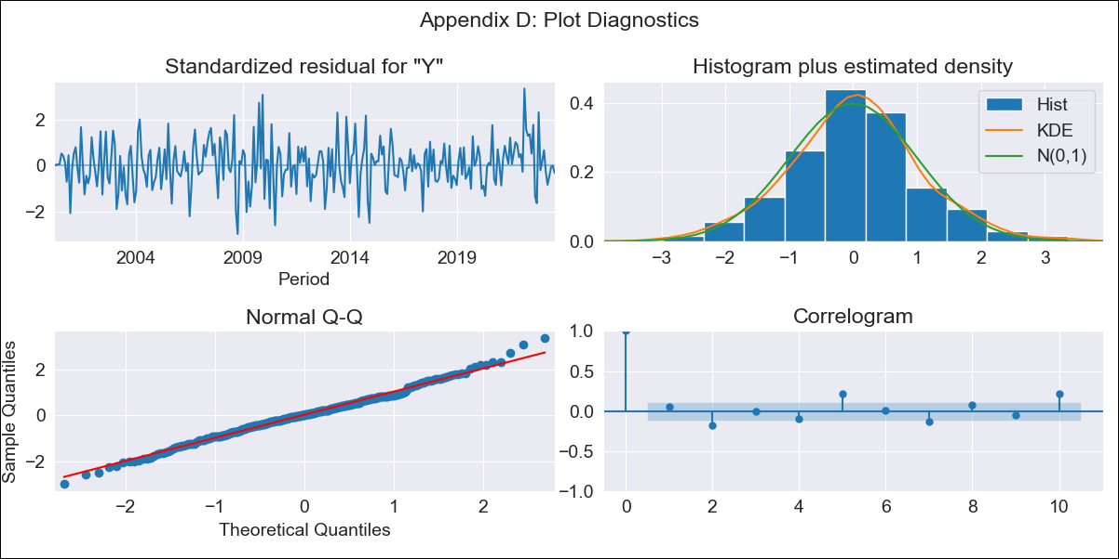

CHL_1999_raw - Inflation - Next 12 months forecast as of: 2023-08-01

Model | ARIMA - [(2, 0, 1), (0, 0, 1, 12)]
Training Data | 1999-01-01 to 2022-09-01
Test Data | 2022-09-01 to 2023-08-01

Date | Inflation Change YoY % | Lower Bound - 95% Confidence Interval | Upper Bound - 95% Confidence Interval
2023-09-01 | 4.21 | 3.34 | 5.09
2023-10-01 | 3.17 | 1.77 | 4.58
2023-11-01 | 2.26 | 0.36 | 4.17
2023-12-01 | 1.41 | -0.97 | 3.8
2024-01-01 | 0.67 | -2.17 | 3.51
2024-02-01 | 0.04 | -3.23 | 3.3
2024-03-01 | -0.49 | -4.15 | 3.17
2024-04-01 | -0.92 | -4.93 | 3.09
2024-05-01 | -1.23 | -5.55 | 3.1
2024-06-01 | -1.42 | -6.01 | 3.17
2024-07-01 | -1.51 | -6.33 | 3.31
2024-08-01 | -1.5 | -6.51 | 3.51

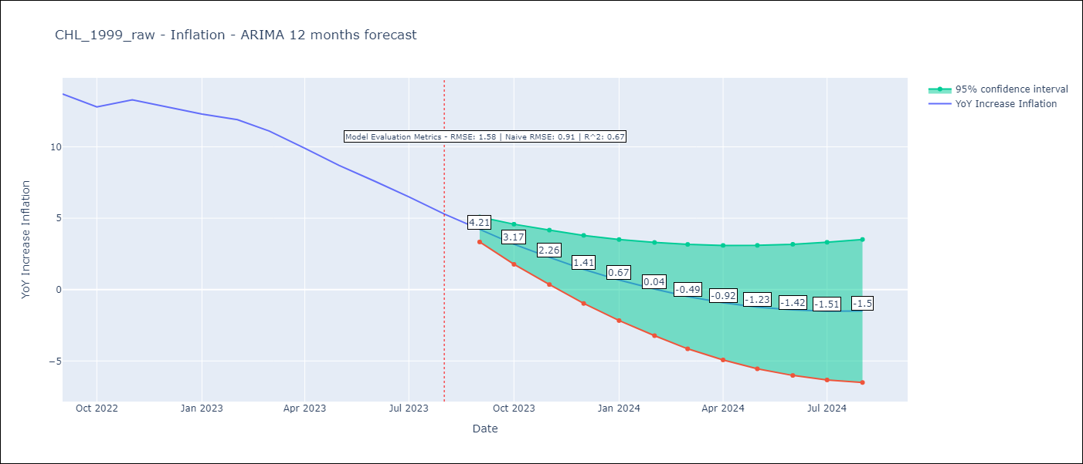

Test Metrics
RMSE | 1.58
Naive RMSE | 0.91
R^2 | 0.67

Test Predictions
Date | Predicted | Actual
2022-09-01 | 14.24 | 13.7
2022-10-01 | 14.24 | 12.8
2022-11-01 | 14.21 | 13.3
2022-12-01 | 13.97 | 12.8
2023-01-01 | 13.65 | 12.3
2023-02-01 | 13.53 | 11.9
2023-03-01 | 12.47 | 11.1
2023-04-01 | 11.53 | 9.9
2023-05-01 | 10.59 | 8.7
2023-06-01 | 9.59 | 7.6
2023-07-01 | 8.57 | 6.5
2023-08-01 | 7.4 | 5.3

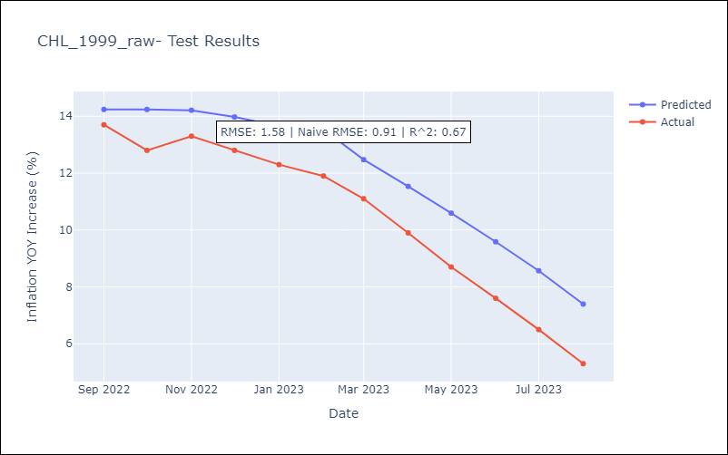

Appendix A: Model Summary
Model | ARIMA(2, 0, 1)x(0, 0, 1, 12)
Sample | 01-01-1999- 08-01-2023
No. of Observations | 296
Terms | P-value (Statistical significance)
const | 0.000
ar.L1 | 0.000
ar.L2 | 0.000
ma.L1 | 0.000
ma.S.L12 | 0.623
sigma2 | 0.807
Assumptions | P-value | Interpretation
Ljung-Box (L1) | 0.42 | Residuals are independent.
Heteroskedasticity | 0.49 | Residuals have the same variance.
Jarque-Bera | 0.21 | Residuals are normally distributed.
Skew | 0.09 | Positive skew - model underestimates the mean.
Kurtosis | 3.49 | Residuals contain more extreme outliers than in a normal distribution.

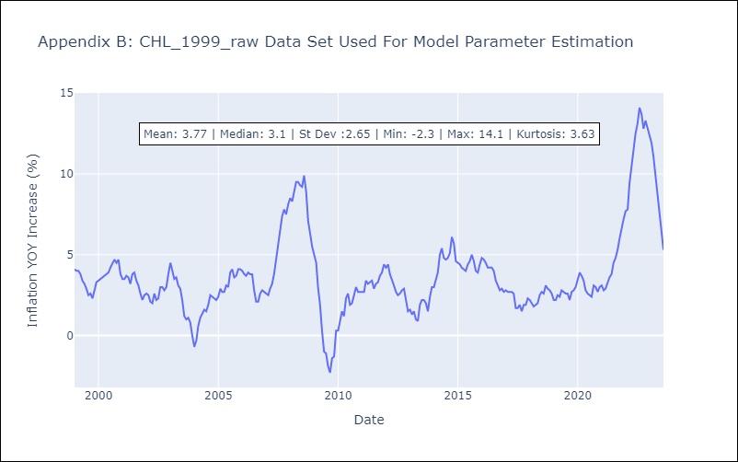

Appendix C: Residuals Analysis
Mean | 0.01
Variance | 0.2
White Noise? | No - Correlation at Lags [ 2 3 4 5 6 7 8 9 10 11 12]
Heteroskedastic? - ARCH | Yes
Normal? | Yes

