CHL_2000_raw
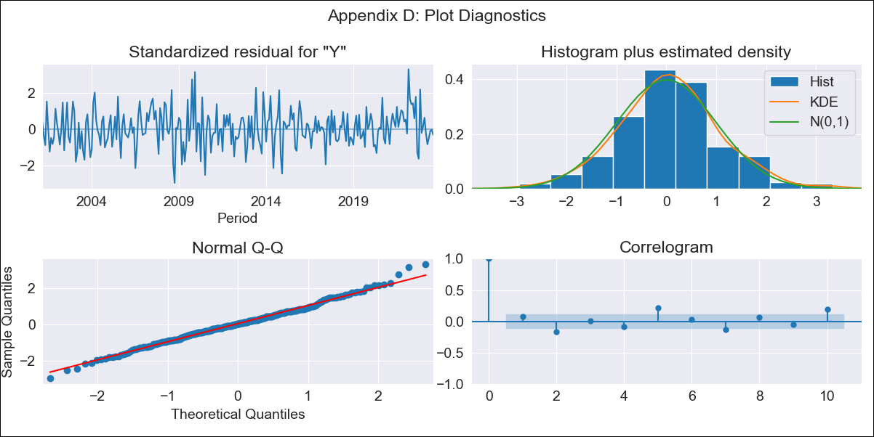

CHL_2000_raw - Inflation - Next 12 months forecast as of: 2023-08-01

Model | ARIMA - [(2, 0, 1), (0, 0, 1, 12)]
Training Data | 2000-01-01 to 2022-09-01
Test Data | 2022-09-01 to 2023-08-01

Date | Inflation Change YoY % | Lower Bound - 95% Confidence Interval | Upper Bound - 95% Confidence Interval
2023-09-01 | 4.21 | 3.32 | 5.1
2023-10-01 | 3.16 | 1.75 | 4.57
2023-11-01 | 2.22 | 0.33 | 4.11
2023-12-01 | 1.34 | -1.01 | 3.69
2024-01-01 | 0.56 | -2.22 | 3.34
2024-02-01 | -0.12 | -3.31 | 3.06
2024-03-01 | -0.7 | -4.26 | 2.85
2024-04-01 | -1.19 | -5.08 | 2.71
2024-05-01 | -1.55 | -5.75 | 2.65
2024-06-01 | -1.81 | -6.27 | 2.65
2024-07-01 | -1.96 | -6.64 | 2.73
2024-08-01 | -2.01 | -6.88 | 2.86

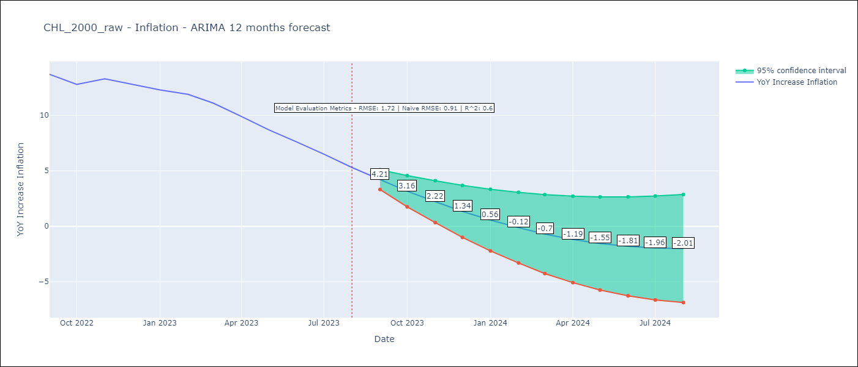

Test Metrics
RMSE | 1.72
Naive RMSE | 0.91
R^2 | 0.6

Test Predictions
Date | Predicted | Actual
2022-09-01 | 14.25 | 13.7
2022-10-01 | 14.27 | 12.8
2022-11-01 | 14.26 | 13.3
2022-12-01 | 14.04 | 12.8
2023-01-01 | 13.74 | 12.3
2023-02-01 | 13.64 | 11.9
2023-03-01 | 12.61 | 11.1
2023-04-01 | 11.69 | 9.9
2023-05-01 | 10.78 | 8.7
2023-06-01 | 9.79 | 7.6
2023-07-01 | 8.79 | 6.5
2023-08-01 | 7.64 | 5.3

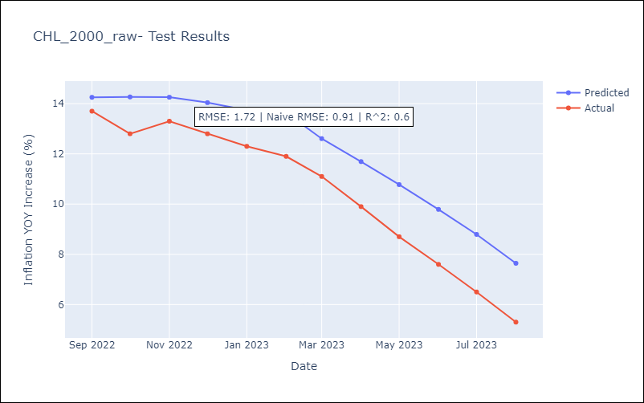

Appendix A: Model Summary
Model | ARIMA(2, 0, 1)x(0, 0, 1, 12)
Sample | 01-01-2000- 08-01-2023
No. of Observations | 284
Terms | P-value (Statistical significance)
const | 0.000
ar.L1 | 0.000
ar.L2 | 0.000
ma.L1 | 0.000
ma.S.L12 | 0.702
sigma2 | 0.849
Assumptions | P-value | Interpretation
Ljung-Box (L1) | 0.21 | Residuals are independent.
Heteroskedasticity | 0.28 | Residuals have the same variance.
Jarque-Bera | 0.21 | Residuals are normally distributed.
Skew | 0.13 | Positive skew - model underestimates the mean.
Kurtosis | 3.46 | Residuals contain more extreme outliers than in a normal distribution.

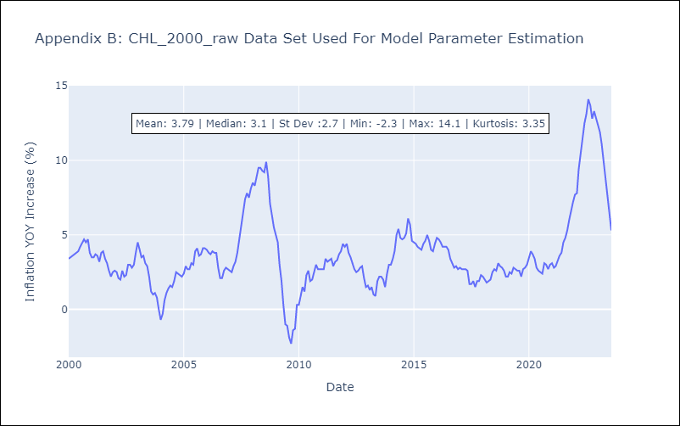

Appendix C: Residuals Analysis
Mean | 0.03
Variance | 0.2
White Noise? | No - Correlation at Lags [ 2 5 6 7 8 9 10 11 12]
Heteroskedastic? - ARCH | Yes
Normal? | Yes

