CHL_2005


CHL_2005 - Inflation - Next 12 months forecast as of: 2023-08-01

Model | ARIMA - [(3, 0, 1), (0, 0, 1, 12)]
Training Data | 2005-01-01 to 2022-09-01
Test Data | 2022-09-01 to 2023-08-01

Date | Inflation Change YoY % | Lower Bound - 95% Confidence Interval | Upper Bound - 95% Confidence Interval
2023-09-01 | 4.67 | 3.41 | 6.06
2023-10-01 | 4.18 | 2.43 | 6.19
2023-11-01 | 3.57 | 1.43 | 6.19
2023-12-01 | 3.21 | 0.74 | 6.39
2024-01-01 | 2.91 | 0.2 | 6.61
2024-02-01 | 2.69 | -0.22 | 6.83
2024-03-01 | 2.51 | -0.54 | 7.05
2024-04-01 | 2.46 | -0.74 | 7.37
2024-05-01 | 2.46 | -0.87 | 7.71
2024-06-01 | 2.49 | -0.96 | 8.04
2024-07-01 | 2.56 | -1.01 | 8.38
2024-08-01 | 2.68 | -1.01 | 8.76

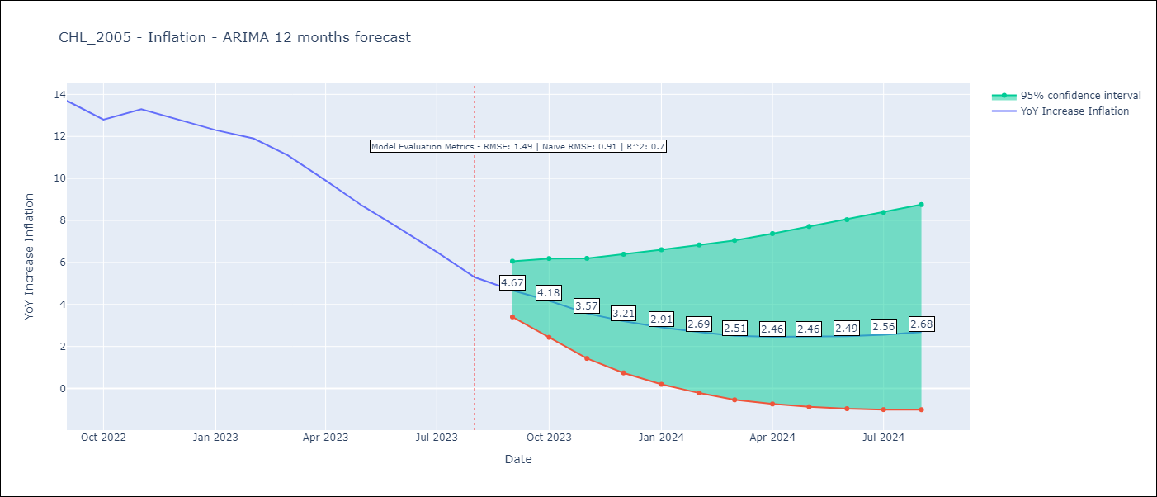

Test Metrics
RMSE | 1.49
Naive RMSE | 0.91
R^2 | 0.7

Test Predictions
Date | Predicted | Actual
2022-09-01 | 13.75 | 13.7
2022-10-01 | 13.28 | 12.8
2022-11-01 | 12.55 | 13.3
2022-12-01 | 11.7 | 12.8
2023-01-01 | 10.78 | 12.3
2023-02-01 | 9.97 | 11.9
2023-03-01 | 8.77 | 11.1
2023-04-01 | 7.73 | 9.9
2023-05-01 | 6.81 | 8.7
2023-06-01 | 5.96 | 7.6
2023-07-01 | 5.24 | 6.5
2023-08-01 | 4.54 | 5.3

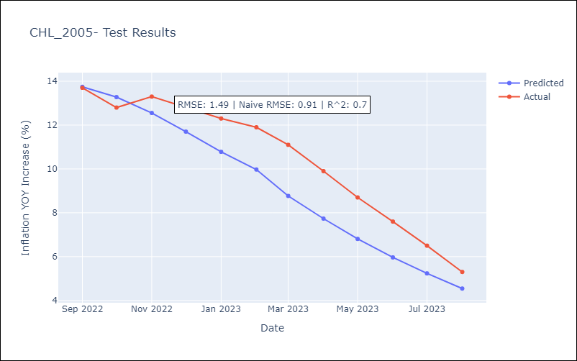

Appendix A: Model Summary
Model | ARIMA(3, 0, 1)x(0, 0, 1, 12)
Sample | 01-01-2005- 08-01-2023
No. of Observations | 224
Terms | P-value (Statistical significance)
const | 0.000
ar.L1 | 0.000
ar.L2 | 0.051
ar.L3 | 0.002
ma.L1 | 0.002
ma.S.L12 | 0.000
sigma2 | 0.000
Assumptions | P-value | Interpretation
Ljung-Box (L1) | 0.99 | Residuals are independent.
Heteroskedasticity | 0.00 | Residuals have different variances.
Jarque-Bera | 0.00 | Residuals are not normally distributed.
Skew | 1.67 | Positive skew - model underestimates the mean.
Kurtosis | 21.09 | Residuals contain more extreme outliers than in a normal distribution.

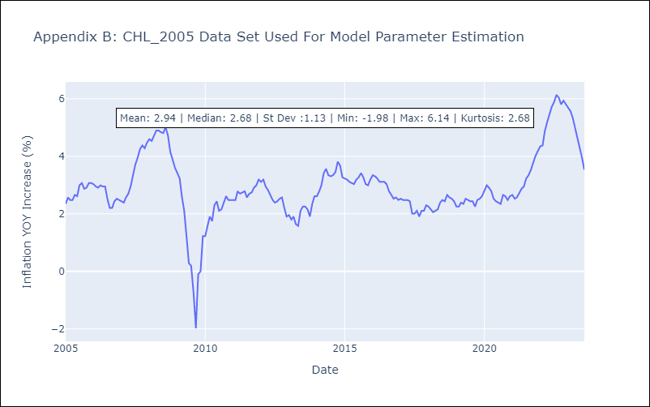

Appendix C: Residuals Analysis
Mean | -0.0
Variance | 0.07
White Noise? | Yes
Heteroskedastic? - ARCH | Yes
Normal? | No

