CHL_20150
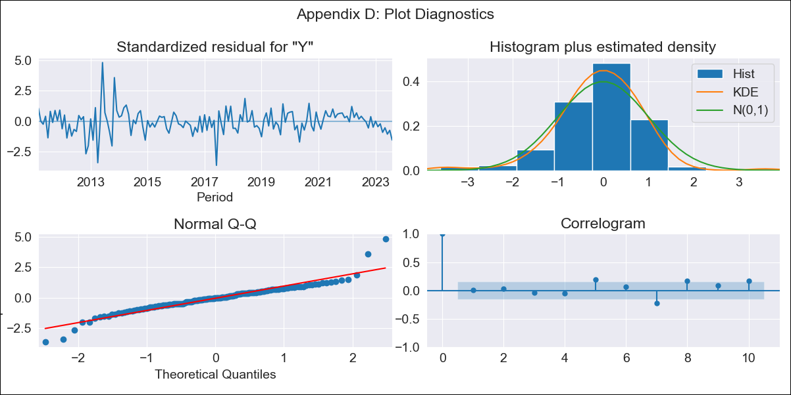

CHL_20150 - Inflation - Next 12 months forecast as of: 2023-08-01

Model | ARIMA - [(2, 0, 1), (0, 0, 1, 12)]
Training Data | 2010-01-01 to 2022-09-01
Test Data | 2022-09-01 to 2023-08-01

Date | Inflation Change YoY % | Lower Bound - 95% Confidence Interval | Upper Bound - 95% Confidence Interval
2023-09-01 | 5.05 | 3.8 | 6.78
2023-10-01 | 5.32 | 3.44 | 8.48
2023-11-01 | 5.17 | 3.08 | 9.06
2023-12-01 | 5.37 | 2.92 | 10.46
2024-01-01 | 5.28 | 2.7 | 11.07
2024-02-01 | 5.42 | 2.6 | 12.36
2024-03-01 | 5.37 | 2.45 | 13.05
2024-04-01 | 5.47 | 2.36 | 14.25
2024-05-01 | 5.44 | 2.25 | 15.01
2024-06-01 | 5.51 | 2.17 | 16.16
2024-07-01 | 5.5 | 2.08 | 16.99
2024-08-01 | 5.54 | 2.02 | 18.09

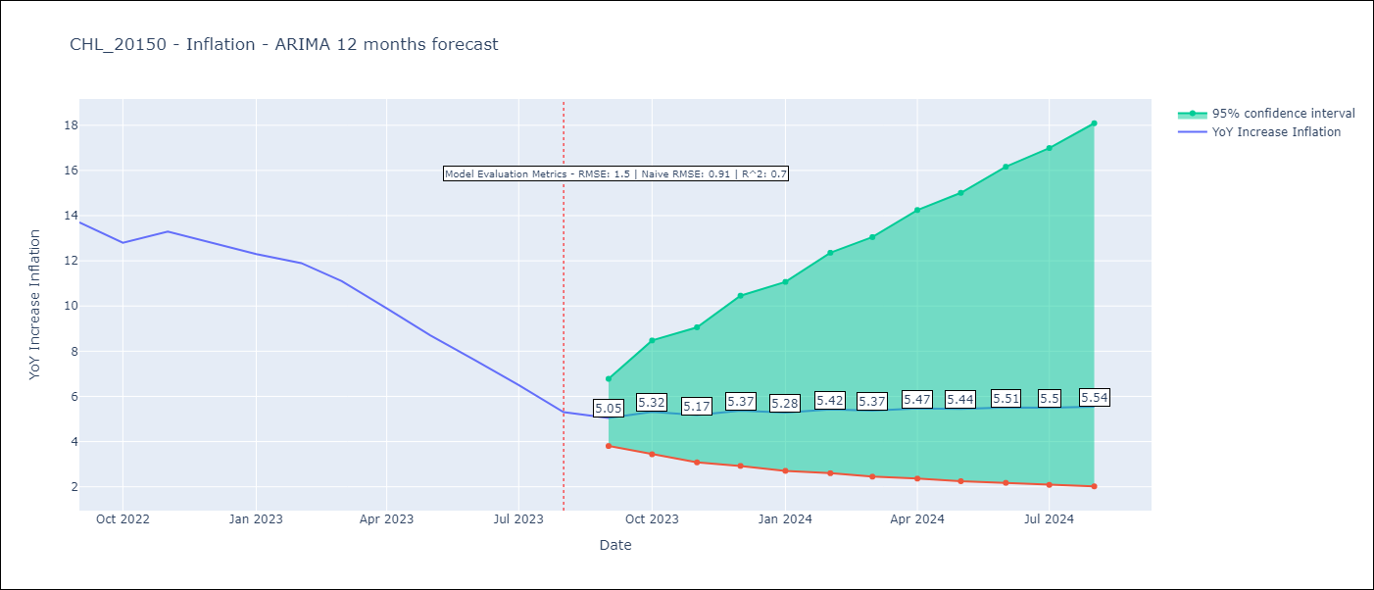

Test Metrics
RMSE | 1.5
Naive RMSE | 0.91
R^2 | 0.7

Test Predictions
Date | Predicted | Actual
2022-09-01 | 12.65 | 13.7
2022-10-01 | 11.91 | 12.8
2022-11-01 | 11.38 | 13.3
2022-12-01 | 10.77 | 12.8
2023-01-01 | 10.22 | 12.3
2023-02-01 | 10.3 | 11.9
2023-03-01 | 9.4 | 11.1
2023-04-01 | 8.83 | 9.9
2023-05-01 | 8.4 | 8.7
2023-06-01 | 8.09 | 7.6
2023-07-01 | 7.69 | 6.5
2023-08-01 | 7.41 | 5.3

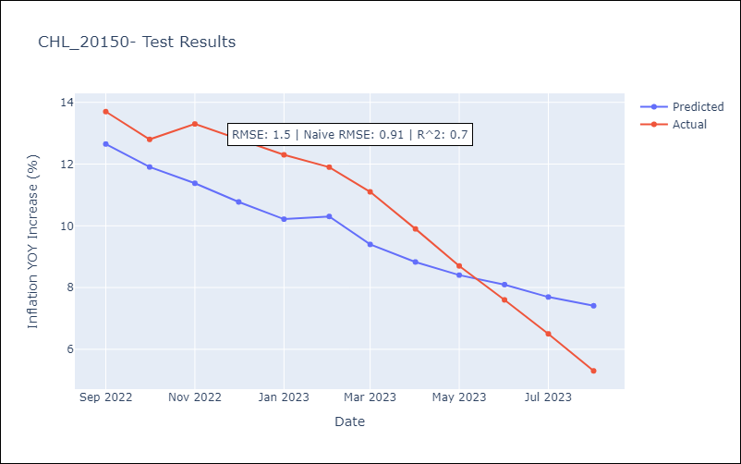

Appendix A: Model Summary
Model | ARIMA(2, 0, 1)x(0, 0, 1, 12)
Sample | 01-01-2010- 08-01-2023
No. of Observations | 164
Terms | P-value (Statistical significance)
const | 0.680
ar.L1 | 0.004
ar.L2 | 0.000
ma.L1 | 0.188
ma.S.L12 | 0.000
sigma2 | 0.206
Assumptions | P-value | Interpretation
Ljung-Box (L1) | 0.95 | Residuals are independent.
Heteroskedasticity | 0.00 | Residuals have different variances.
Jarque-Bera | 0.00 | Residuals are not normally distributed.
Skew | 0.33 | Positive skew - model underestimates the mean.
Kurtosis | 7.95 | Residuals contain more extreme outliers than in a normal distribution.

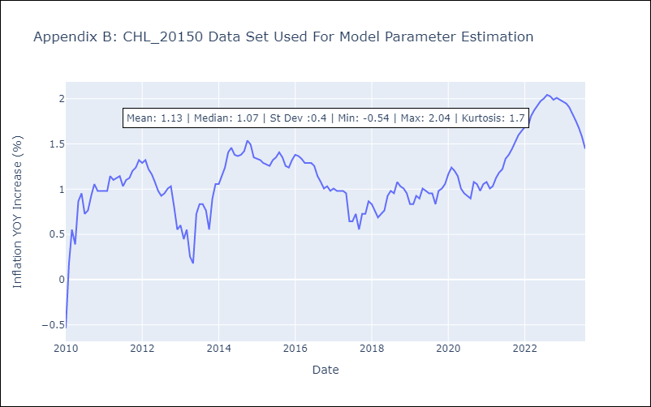

Appendix C: Residuals Analysis
Mean | -0.02
Variance | 0.08
White Noise? | No - Correlation at Lags [ 1 2 3 4 5 6 7 8 9 10 11 12]
Heteroskedastic? - ARCH | Yes
Normal? | No

