CHL_2015
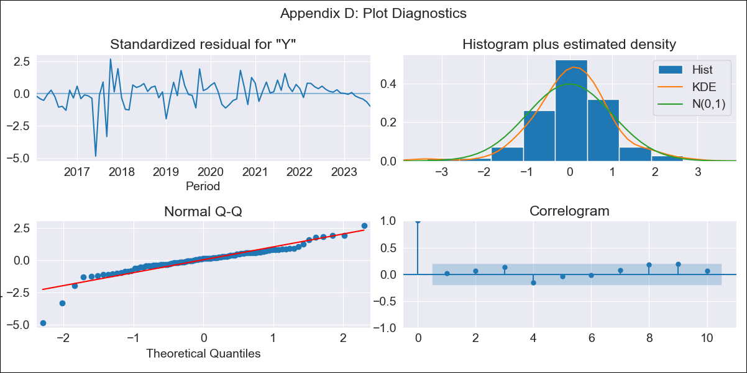
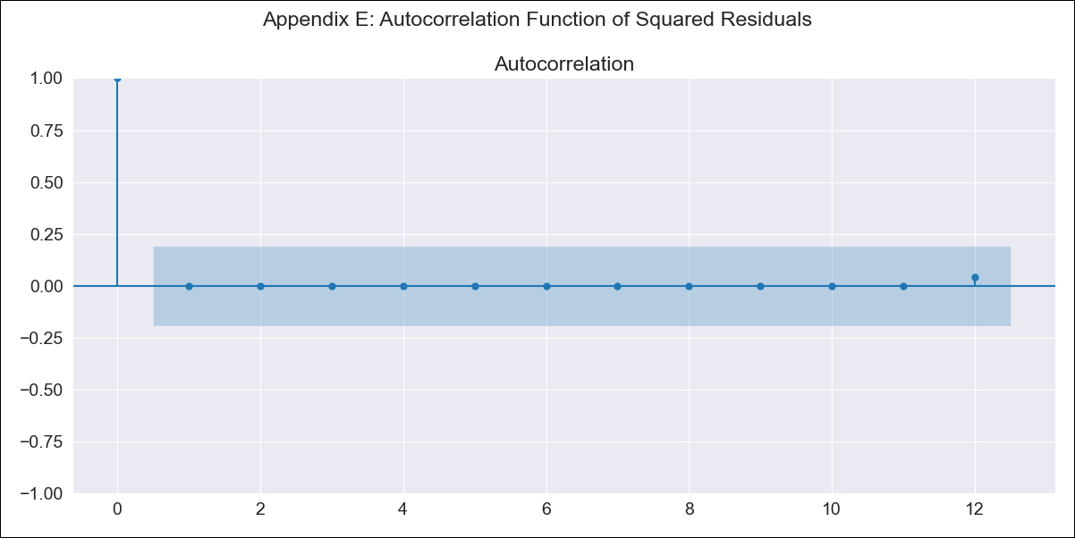
CHL_2015 - Inflation - Next 12 months forecast as of: 2023-08-01

Model | ARIMA - [(0, 1, 0), (1, 0, 0, 12)]
Training Data | 2015-01-01 to 2022-09-01
Test Data | 2022-09-01 to 2023-08-01

Date | Inflation Change YoY % | Lower Bound - 95% Confidence Interval | Upper Bound - 95% Confidence Interval
2023-09-01 | 0.72 | 0.7 | 0.75
2023-10-01 | 0.72 | 0.69 | 0.76
2023-11-01 | 0.72 | 0.68 | 0.76
2023-12-01 | 0.72 | 0.68 | 0.77
2024-01-01 | 0.72 | 0.67 | 0.78
2024-02-01 | 0.72 | 0.67 | 0.78
2024-03-01 | 0.72 | 0.66 | 0.79
2024-04-01 | 0.72 | 0.66 | 0.8
2024-05-01 | 0.73 | 0.66 | 0.81
2024-06-01 | 0.73 | 0.66 | 0.81
2024-07-01 | 0.73 | 0.66 | 0.82
2024-08-01 | 0.74 | 0.66 | 0.83

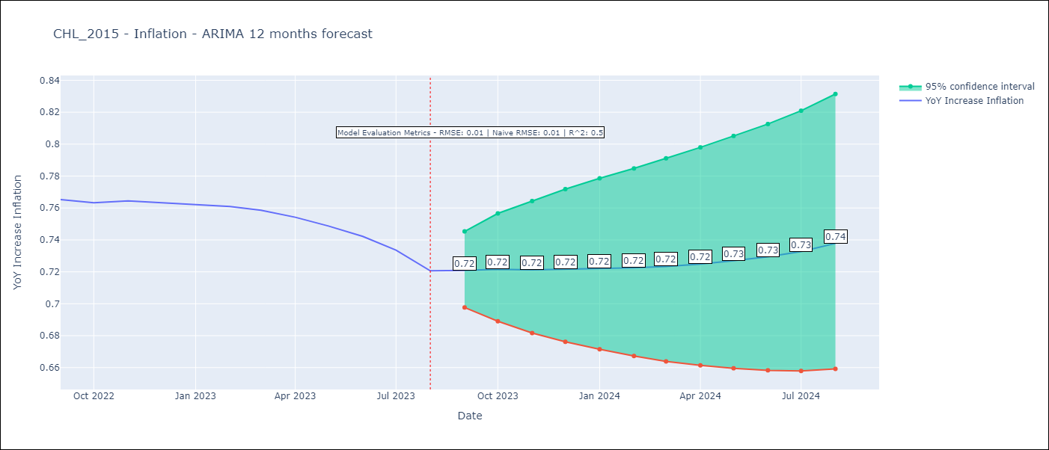

Test Metrics
RMSE | 0.01
Naive RMSE | 0.01
R^2 | 0.5

Test Predictions
Date | Predicted | Actual
2022-09-01 | 0.76 | 0.77
2022-10-01 | 0.76 | 0.76
2022-11-01 | 0.76 | 0.76
2022-12-01 | 0.76 | 0.76
2023-01-01 | 0.75 | 0.76
2023-02-01 | 0.75 | 0.76
2023-03-01 | 0.75 | 0.76
2023-04-01 | 0.75 | 0.75
2023-05-01 | 0.75 | 0.75
2023-06-01 | 0.75 | 0.74
2023-07-01 | 0.75 | 0.73
2023-08-01 | 0.75 | 0.72

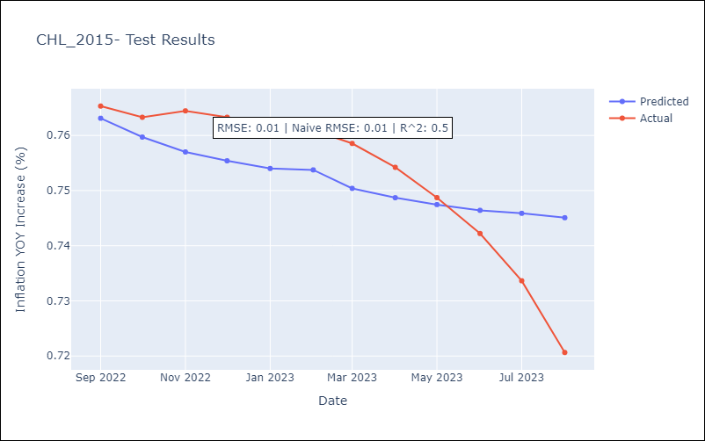

Appendix A: Model Summary
Model | ARIMA(0, 1, 0)x(1, 0, 0, 12)
Sample | 01-01-2015- 08-01-2023
No. of Observations | 104
Terms | P-value (Statistical significance)
ar.S.L12 | 0.001
sigma2 | 0.000
Assumptions | P-value | Interpretation
Ljung-Box (L1) | 0.88 | Residuals are independent.
Heteroskedasticity | 0.00 | Residuals have different variances.
Jarque-Bera | 0.00 | Residuals are not normally distributed.
Skew | -1.35 | Negative skew - Model overestimates the mean.
Kurtosis | 9.16 | Residuals contain more extreme outliers than in a normal distribution.

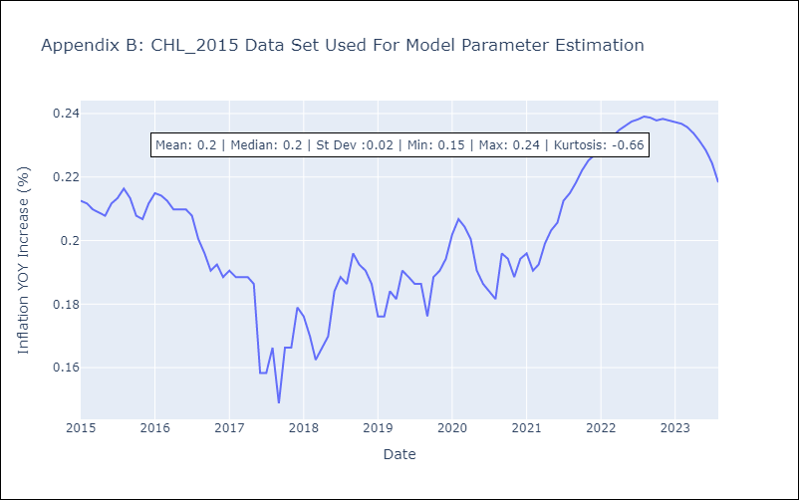

Appendix C: Residuals Analysis
Mean | 0.0
Variance | 0.0
White Noise? | Yes
Heteroskedastic? - ARCH | No
Normal? | No

