CHL_2015
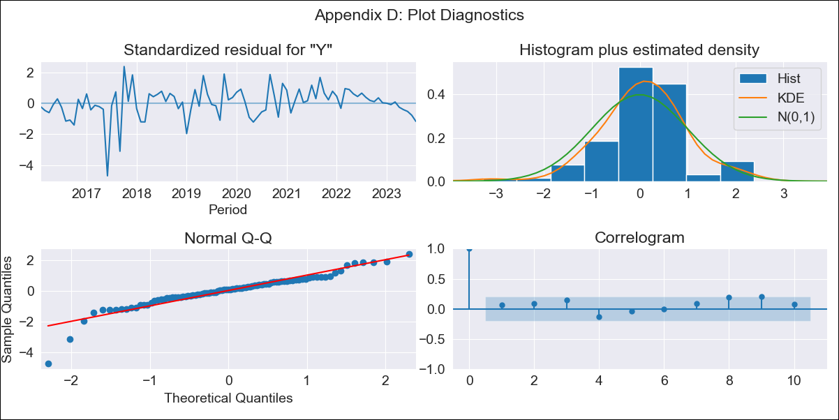
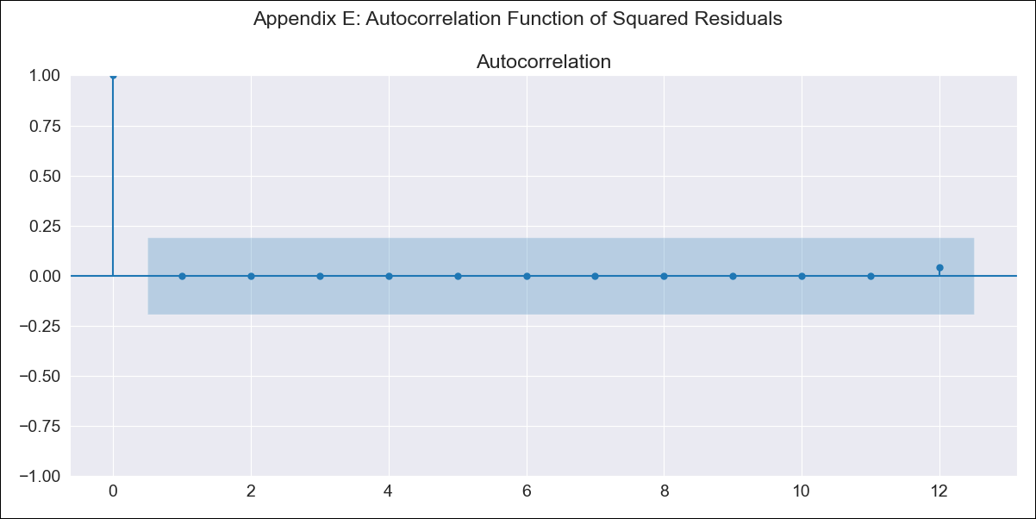
CHL_2015 - Inflation - Next 12 months forecast as of: 2023-08-01

Model | ARIMA - [(0, 1, 0), (1, 0, 0, 12)]
Training Data | 2015-01-01 to 2022-09-01
Test Data | 2022-09-01 to 2023-08-01

Date | Inflation Change YoY % | Lower Bound - 95% Confidence Interval | Upper Bound - 95% Confidence Interval
2023-09-01 | 5.32 | 4.07 | 7.47
2023-10-01 | 5.39 | 3.72 | 9.07
2023-11-01 | 5.35 | 3.45 | 10.53
2023-12-01 | 5.39 | 3.27 | 12.48
2024-01-01 | 5.43 | 3.13 | 15
2024-02-01 | 5.46 | 3 | 18.36
2024-03-01 | 5.54 | 2.91 | 24.08
2024-04-01 | 5.68 | 2.85 | 37.49
2024-05-01 | 5.87 | 2.82 | 109.79
2024-06-01 | 6.12 | 2.8
2024-07-01 | 6.47 | 2.8
2024-08-01 | 7.07 | 2.86

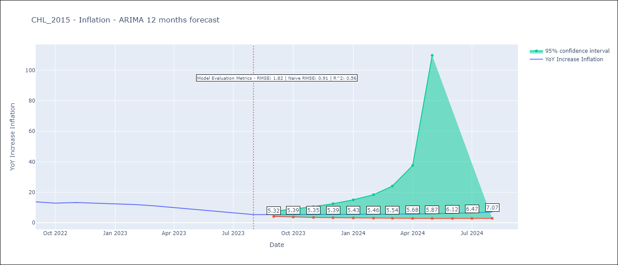

Test Metrics
RMSE | 1.82
Naive RMSE | 0.91
R^2 | 0.56

Test Predictions
Date | Predicted | Actual
2022-09-01 | 12.84 | 13.7
2022-10-01 | 11.64 | 12.8
2022-11-01 | 10.82 | 13.3
2022-12-01 | 10.39 | 12.8
2023-01-01 | 10.03 | 12.3
2023-02-01 | 9.96 | 11.9
2023-03-01 | 9.19 | 11.1
2023-04-01 | 8.84 | 9.9
2023-05-01 | 8.59 | 8.7
2023-06-01 | 8.39 | 7.6
2023-07-01 | 8.29 | 6.5
2023-08-01 | 8.15 | 5.3

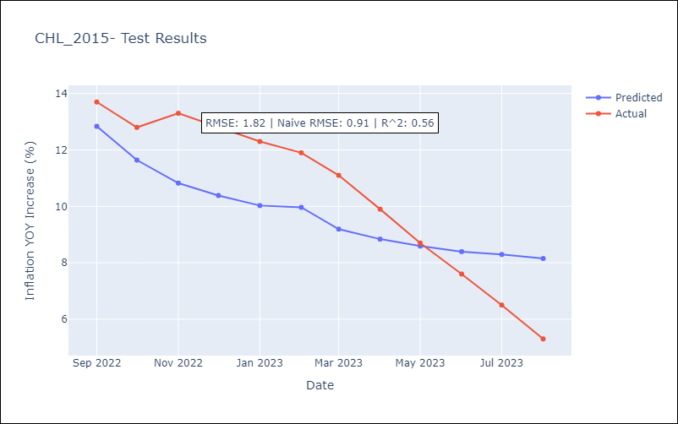

Appendix A: Model Summary
Model | ARIMA(0, 1, 0)x(1, 0, 0, 12)
Sample | 01-01-2015- 08-01-2023
No. of Observations | 104
Terms | P-value (Statistical significance)
ar.S.L12 | 0.000
sigma2 | 0.000
Assumptions | P-value | Interpretation
Ljung-Box (L1) | 0.50 | Residuals are independent.
Heteroskedasticity | 0.00 | Residuals have different variances.
Jarque-Bera | 0.00 | Residuals are not normally distributed.
Skew | -1.22 | Negative skew - Model overestimates the mean.
Kurtosis | 8.02 | Residuals contain more extreme outliers than in a normal distribution.

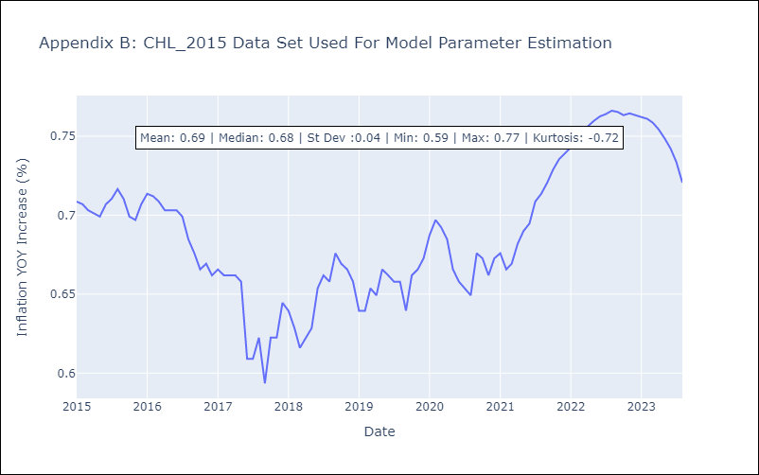

Appendix C: Residuals Analysis
Mean | 0.01
Variance | 0.01
White Noise? | Yes
Heteroskedastic? - ARCH | No
Normal? | No

