CHL_20115_1
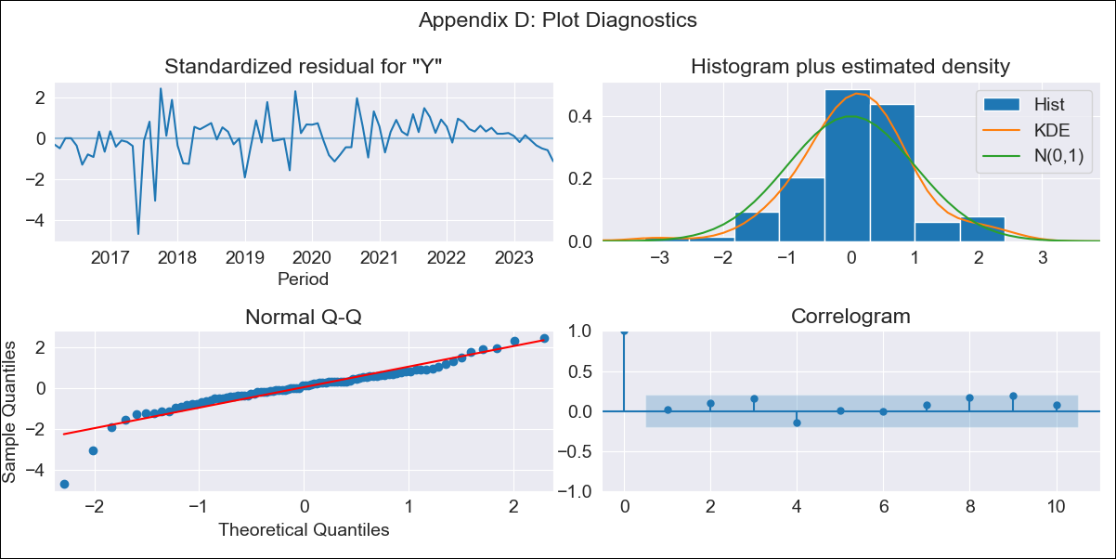
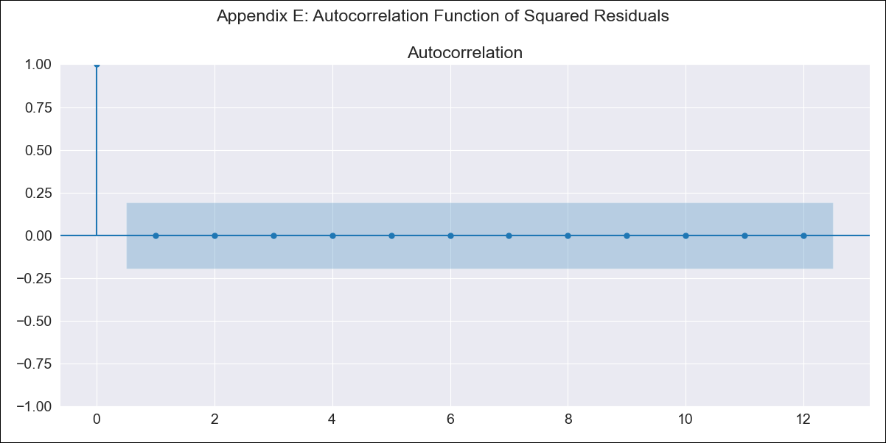
CHL_20115_1 - Inflation - Next 12 months forecast as of: 2023-08-01

Model | ARIMA - [(0, 1, 0), (0, 0, 1, 12)]
Training Data | 2015-01-01 to 2022-09-01
Test Data | 2022-09-01 to 2023-08-01

Date | Inflation Change YoY % | Lower Bound - 95% Confidence Interval | Upper Bound - 95% Confidence Interval
2023-09-01 | 5.14 | 3.96 | 7.13
2023-10-01 | 5.08 | 3.56 | 8.26
2023-11-01 | 5.01 | 3.29 | 9.35
2023-12-01 | 4.94 | 3.08 | 10.43
2024-01-01 | 4.91 | 2.92 | 11.78
2024-02-01 | 4.97 | 2.82 | 13.9
2024-03-01 | 4.92 | 2.7 | 15.77
2024-04-01 | 4.95 | 2.61 | 18.94
2024-05-01 | 5.06 | 2.57 | 25.12
2024-06-01 | 5.21 | 2.54 | 40.05
2024-07-01 | 5.39 | 2.52 | 137.52
2024-08-01 | 5.79 | 2.56

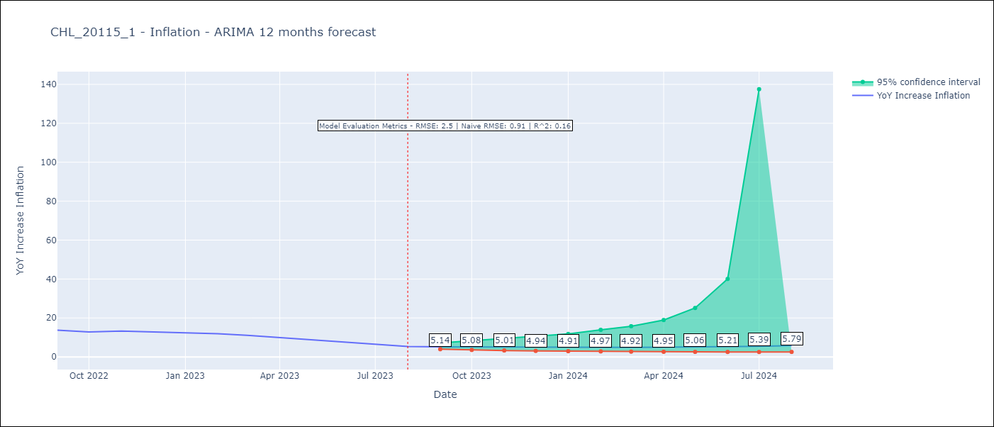

Test Metrics
RMSE | 2.5
Naive RMSE | 0.91
R^2 | 0.16

Test Predictions
Date | Predicted | Actual
2022-09-01 | 11.59 | 13.7
2022-10-01 | 10.31 | 12.8
2022-11-01 | 10.03 | 13.3
2022-12-01 | 9.15 | 12.8
2023-01-01 | 8.68 | 12.3
2023-02-01 | 8.85 | 11.9
2023-03-01 | 8.13 | 11.1
2023-04-01 | 7.61 | 9.9
2023-05-01 | 7.35 | 8.7
2023-06-01 | 7.16 | 7.6
2023-07-01 | 6.84 | 6.5
2023-08-01 | 6.68 | 5.3

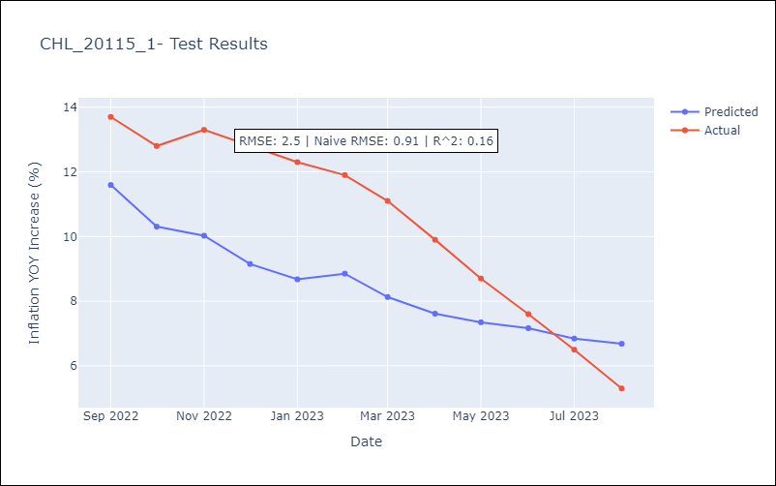

Appendix A: Model Summary
Model | ARIMA(0, 1, 0)x(0, 0, [1], 12)
Sample | 01-01-2015- 08-01-2023
No. of Observations | 104
Terms | P-value (Statistical significance)
ma.S.L12 | 0.002
sigma2 | 0.000
Assumptions | P-value | Interpretation
Ljung-Box (L1) | 0.85 | Residuals are independent.
Heteroskedasticity | 0.00 | Residuals have different variances.
Jarque-Bera | 0.00 | Residuals are not normally distributed.
Skew | -1.15 | Negative skew - Model overestimates the mean.
Kurtosis | 8.04 | Residuals contain more extreme outliers than in a normal distribution.

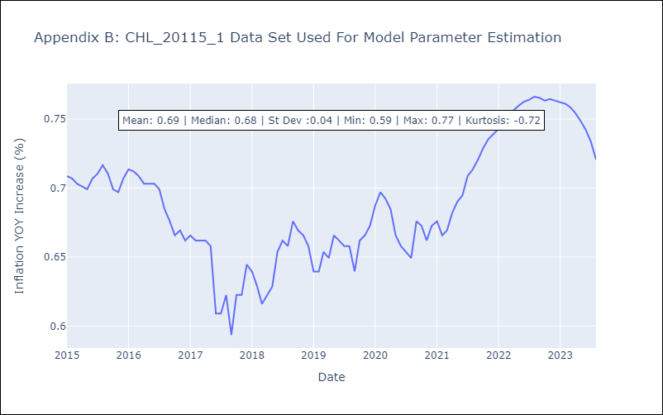

Appendix C: Residuals Analysis
Mean | 0.01
Variance | 0.0
White Noise? | Yes
Heteroskedastic? - ARCH | No
Normal? | No

