CHL_2018_1
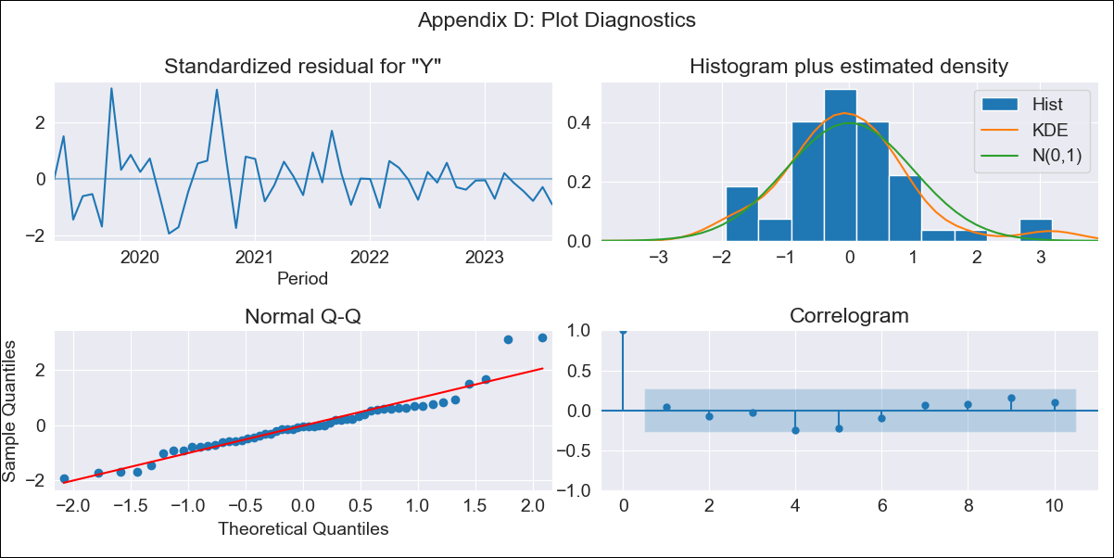
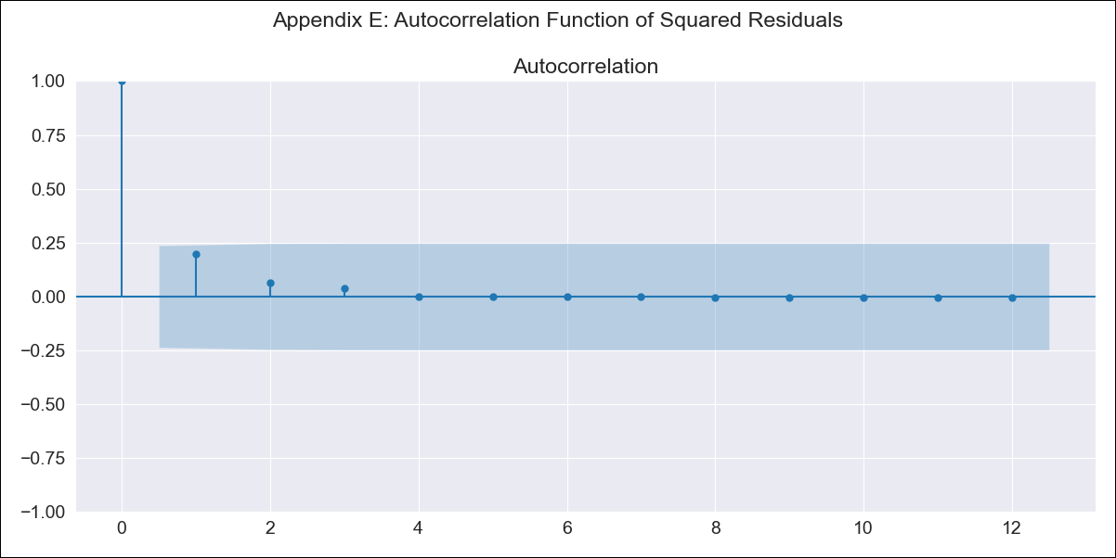
CHL_2018_1 - Inflation - Next 12 months forecast as of: 2023-08-01

Model | ARIMA - [(2, 2, 0), (0, 0, 1, 12)]
Training Data | 2018-01-01 to 2022-09-01
Test Data | 2022-09-01 to 2023-08-01

Date | Inflation Change YoY % | Lower Bound - 95% Confidence Interval | Upper Bound - 95% Confidence Interval
2023-09-01 | 4.53 | 3.78 | 5.58
2023-10-01 | 4.03 | 3.08 | 5.58
2023-11-01 | 3.6 | 2.52 | 5.61
2023-12-01 | 3.22 | 2.02 | 5.93
2024-01-01 | 2.92 | 1.63 | 6.41
2024-02-01 | 2.73 | 1.35 | 7.47
2024-03-01 | 2.48 | 1.07 | 8.61
2024-04-01 | 2.3 | 0.85 | 10.82
2024-05-01 | 2.17 | 0.67 | 16.39
2024-06-01 | 2.08 | 0.52 | 46.76
2024-07-01 | 1.98 | 0.38
2024-08-01 | 1.96 | 0.27

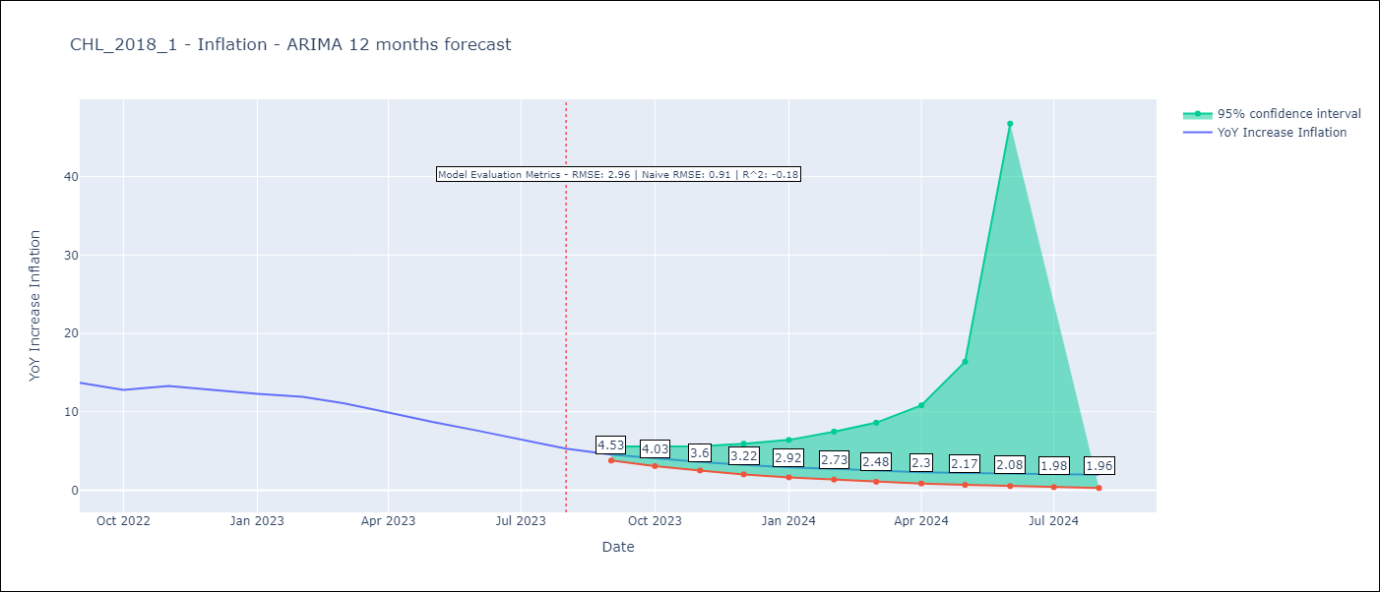

Test Metrics
RMSE | 2.96
Naive RMSE | 0.91
R^2 | -0.18

Test Predictions
Date | Predicted | Actual
2022-09-01 | 11.05 | 13.7
2022-10-01 | 10.33 | 12.8
2022-11-01 | 11.37 | 13.3
2022-12-01 | 10.29 | 12.8
2023-01-01 | 9.95 | 12.3
2023-02-01 | 11.63 | 11.9
2023-03-01 | 10.51 | 11.1
2023-04-01 | 10.05 | 9.9
2023-05-01 | 10.47 | 8.7
2023-06-01 | 11.39 | 7.6
2023-07-01 | 10.95 | 6.5
2023-08-01 | 11.55 | 5.3

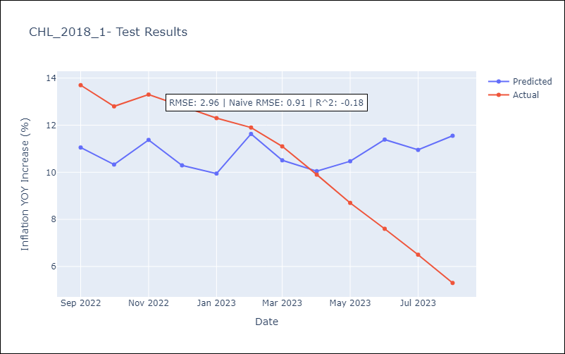

Appendix A: Model Summary
Model | ARIMA(2, 2, 0)x(0, 0, [1], 12)
Sample | 01-01-2018- 08-01-2023
No. of Observations | 68
Terms | P-value (Statistical significance)
ar.L1 | 0.000
ar.L2 | 0.001
ma.S.L12 | 0.006
sigma2 | 0.000
Assumptions | P-value | Interpretation
Ljung-Box (L1) | 0.78 | Residuals are independent.
Heteroskedasticity | 0.00 | Residuals have different variances.
Jarque-Bera | 0.00 | Residuals are not normally distributed.
Skew | 0.89 | Positive skew - model underestimates the mean.
Kurtosis | 5.11 | Residuals contain more extreme outliers than in a normal distribution.

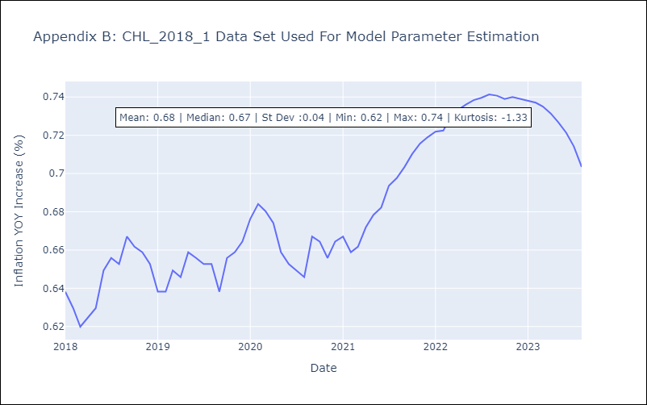

Appendix C: Residuals Analysis
Mean | 0.0
Variance | 0.01
White Noise? | Yes
Heteroskedastic? - ARCH | No
Normal? | No

