BRA_1998_trans
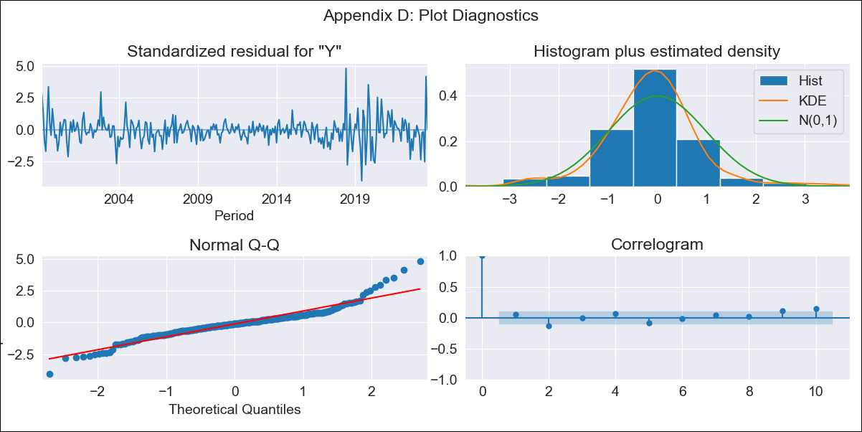

BRA_1998_trans - Inflation - Next 12 months forecast as of: 2023-08-01

Model | ARIMA - [(2, 0, 0), (0, 0, 1, 12)]
Training Data | 1998-01-01 to 2022-09-01
Test Data | 2022-09-01 to 2023-08-01

Date | Inflation Change YoY % | Lower Bound - 95% Confidence Interval | Upper Bound - 95% Confidence Interval
2023-09-01 | 5.02 | 4.31 | 5.84
2023-10-01 | 5.33 | 4.03 | 6.98
2023-11-01 | 5.55 | 3.75 | 8.09
2023-12-01 | 5.75 | 3.52 | 9.17
2024-01-01 | 5.91 | 3.33 | 10.2
2024-02-01 | 6.05 | 3.17 | 11.16
2024-03-01 | 6.14 | 3.02 | 12
2024-04-01 | 6.24 | 2.9 | 12.83
2024-05-01 | 6.35 | 2.81 | 13.64
2024-06-01 | 6.41 | 2.71 | 14.33
2024-07-01 | 6.58 | 2.69 | 15.24
2024-08-01 | 6.73 | 2.66 | 16.08

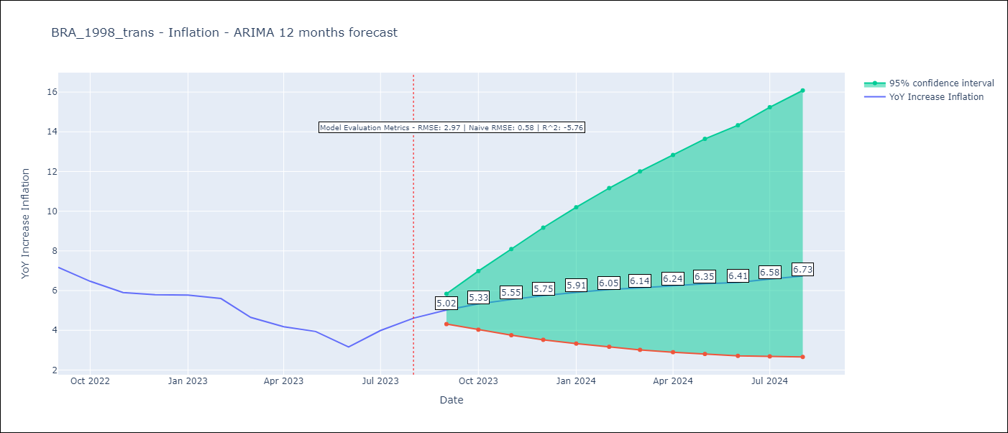

Test Metrics
RMSE | 2.97
Naive RMSE | 0.58
R^2 | -5.76

Test Predictions
Date | Predicted | Actual
2022-09-01 | 8.08 | 7.17
2022-10-01 | 7.77 | 6.47
2022-11-01 | 7.63 | 5.9
2022-12-01 | 7.57 | 5.79
2023-01-01 | 7.6 | 5.77
2023-02-01 | 7.65 | 5.6
2023-03-01 | 7.73 | 4.65
2023-04-01 | 7.82 | 4.18
2023-05-01 | 7.89 | 3.94
2023-06-01 | 7.97 | 3.16
2023-07-01 | 8 | 3.99
2023-08-01 | 8.04 | 4.61

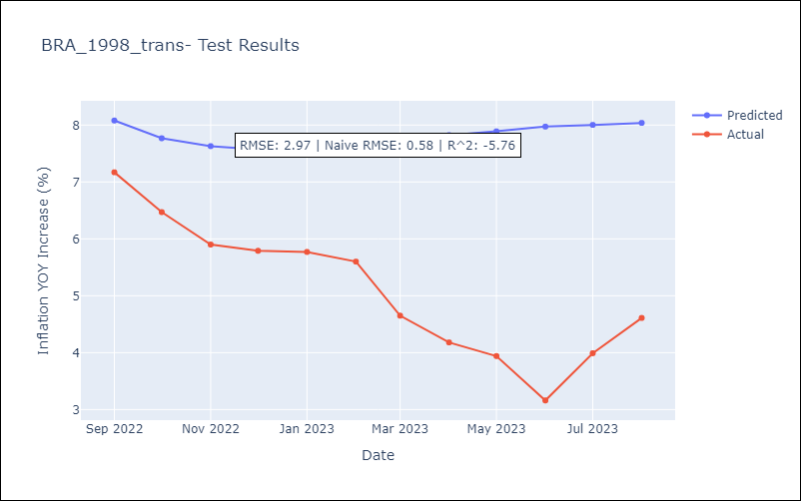

Appendix A: Model Summary
Model | ARIMA(2, 0, 0)x(0, 0, [1], 12)
Sample | 01-01-1998- 08-01-2023
No. of Observations | 308
Terms | P-value (Statistical significance)
const | 0.000
ar.L1 | 0.000
ar.L2 | 0.000
ma.S.L12 | 0.000
sigma2 | 0.000
Assumptions | P-value | Interpretation
Ljung-Box (L1) | 0.40 | Residuals are independent.
Heteroskedasticity | 0.00 | Residuals have different variances.
Jarque-Bera | 0.00 | Residuals are not normally distributed.
Skew | 0.60 | Positive skew - model underestimates the mean.
Kurtosis | 7.23 | Residuals contain more extreme outliers than in a normal distribution.

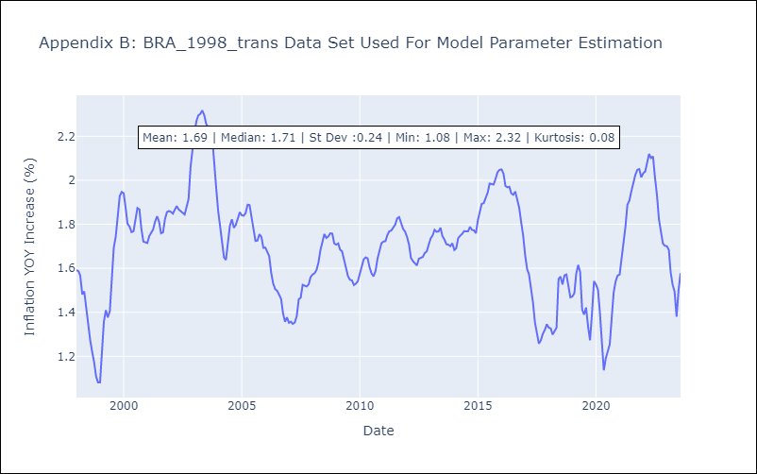

Appendix C: Residuals Analysis
Mean | -0.01
Variance | 0.0
White Noise? | No - Correlation at Lags [12]
Heteroskedastic? - ARCH | Yes
Normal? | No

